Reference_Images
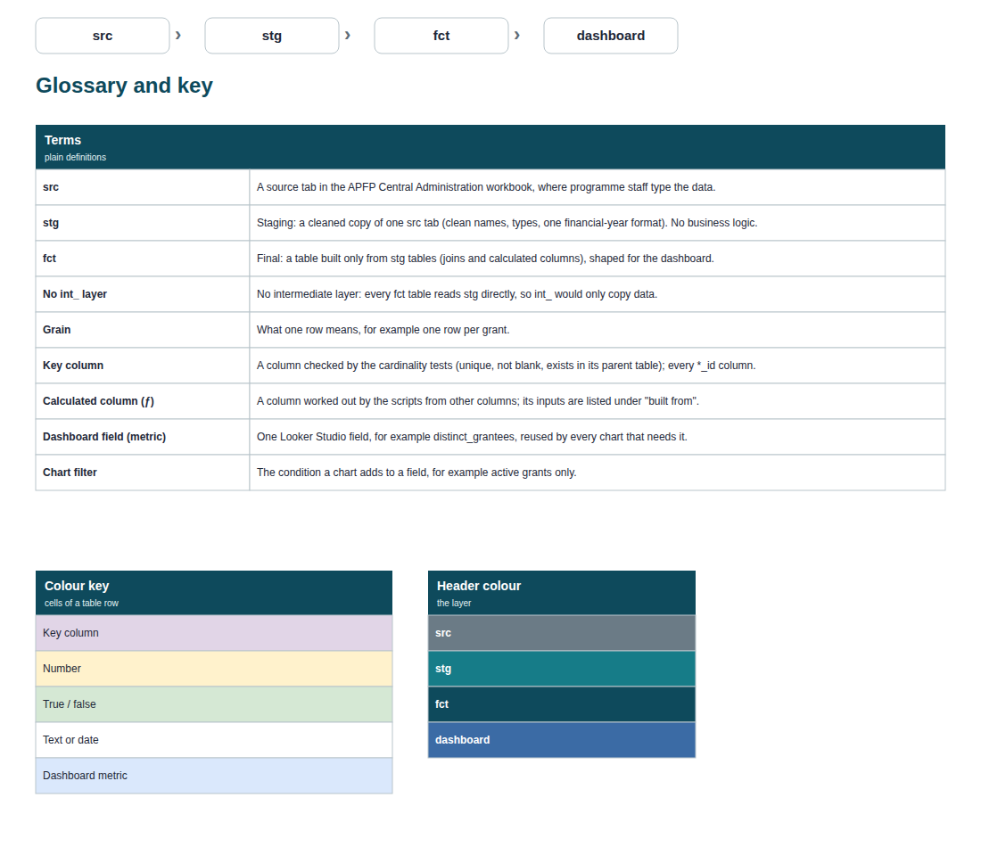
Reference render of every page (what the finished draw.io page should look like). Page order = sheet Pages.

1. Map: src, stg, fct
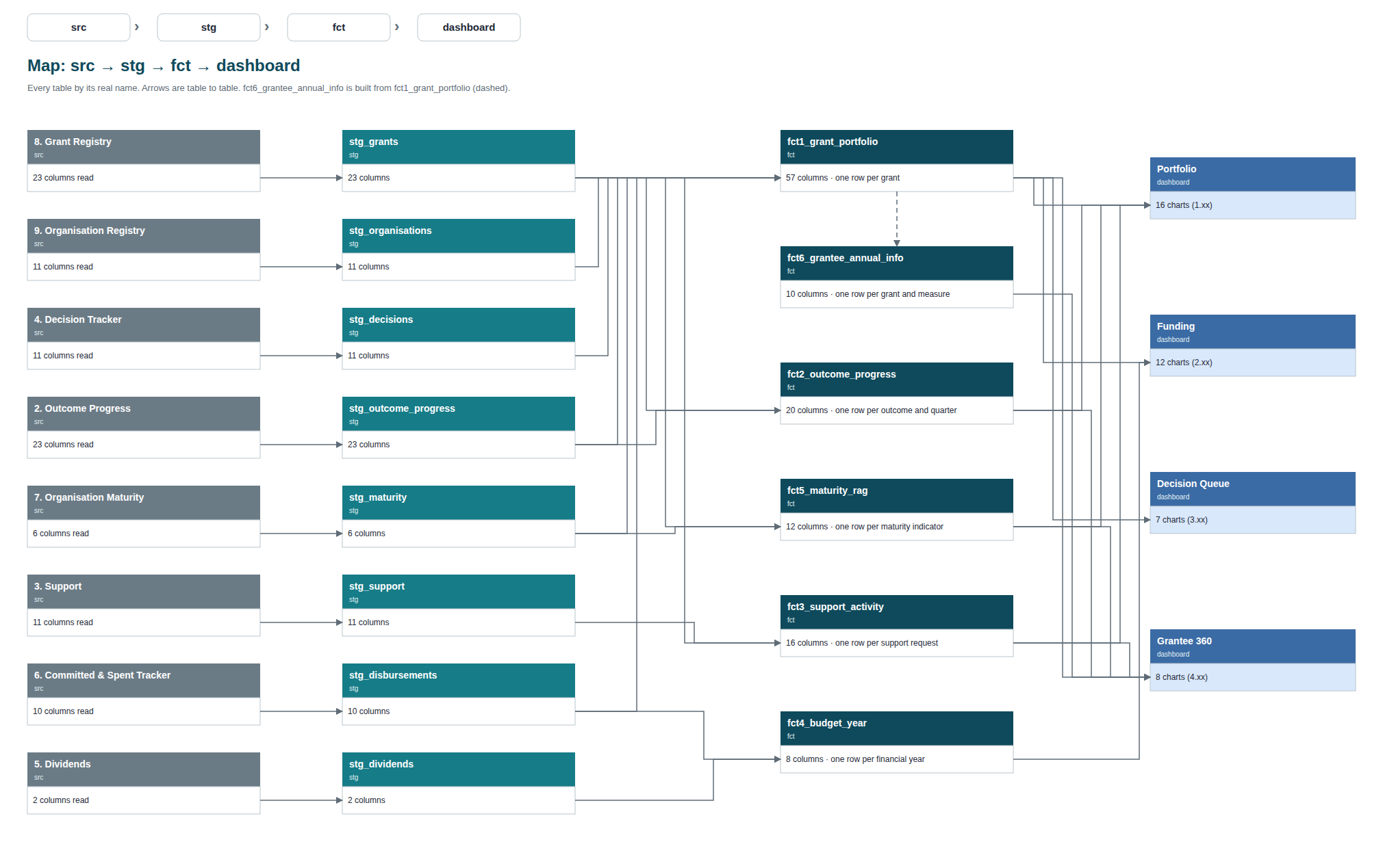

2. src to stg: all tables
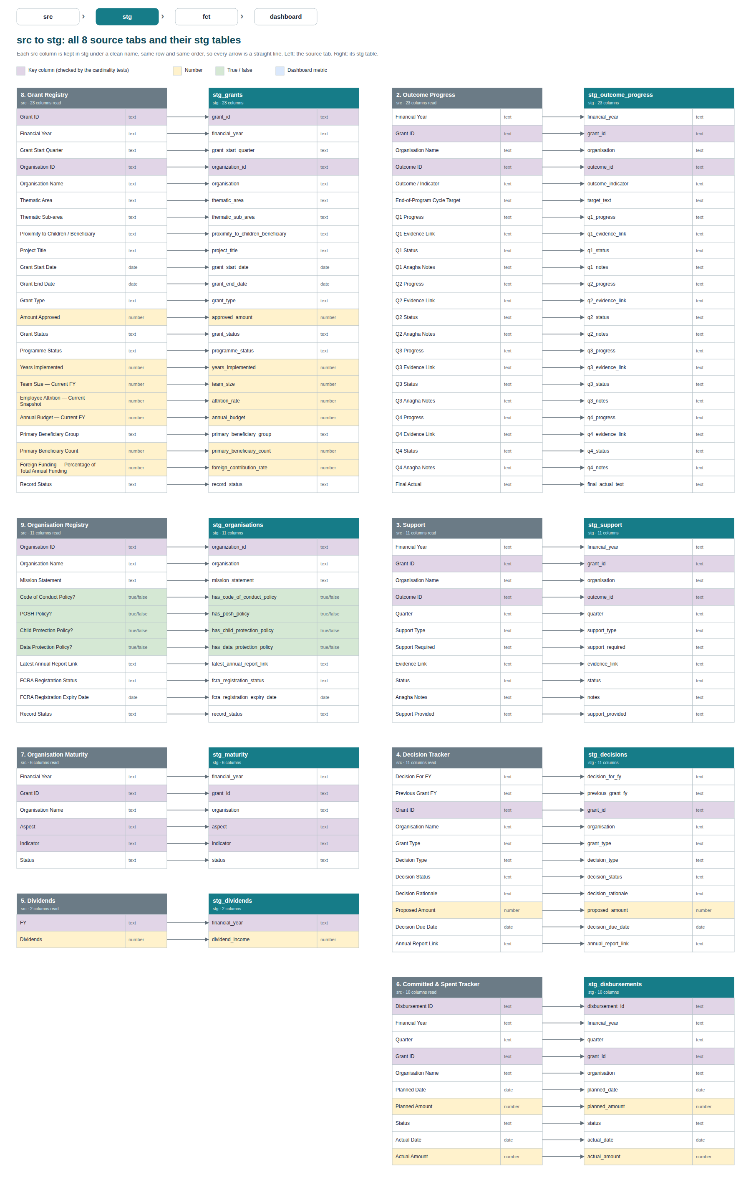

3. fct: all final tables
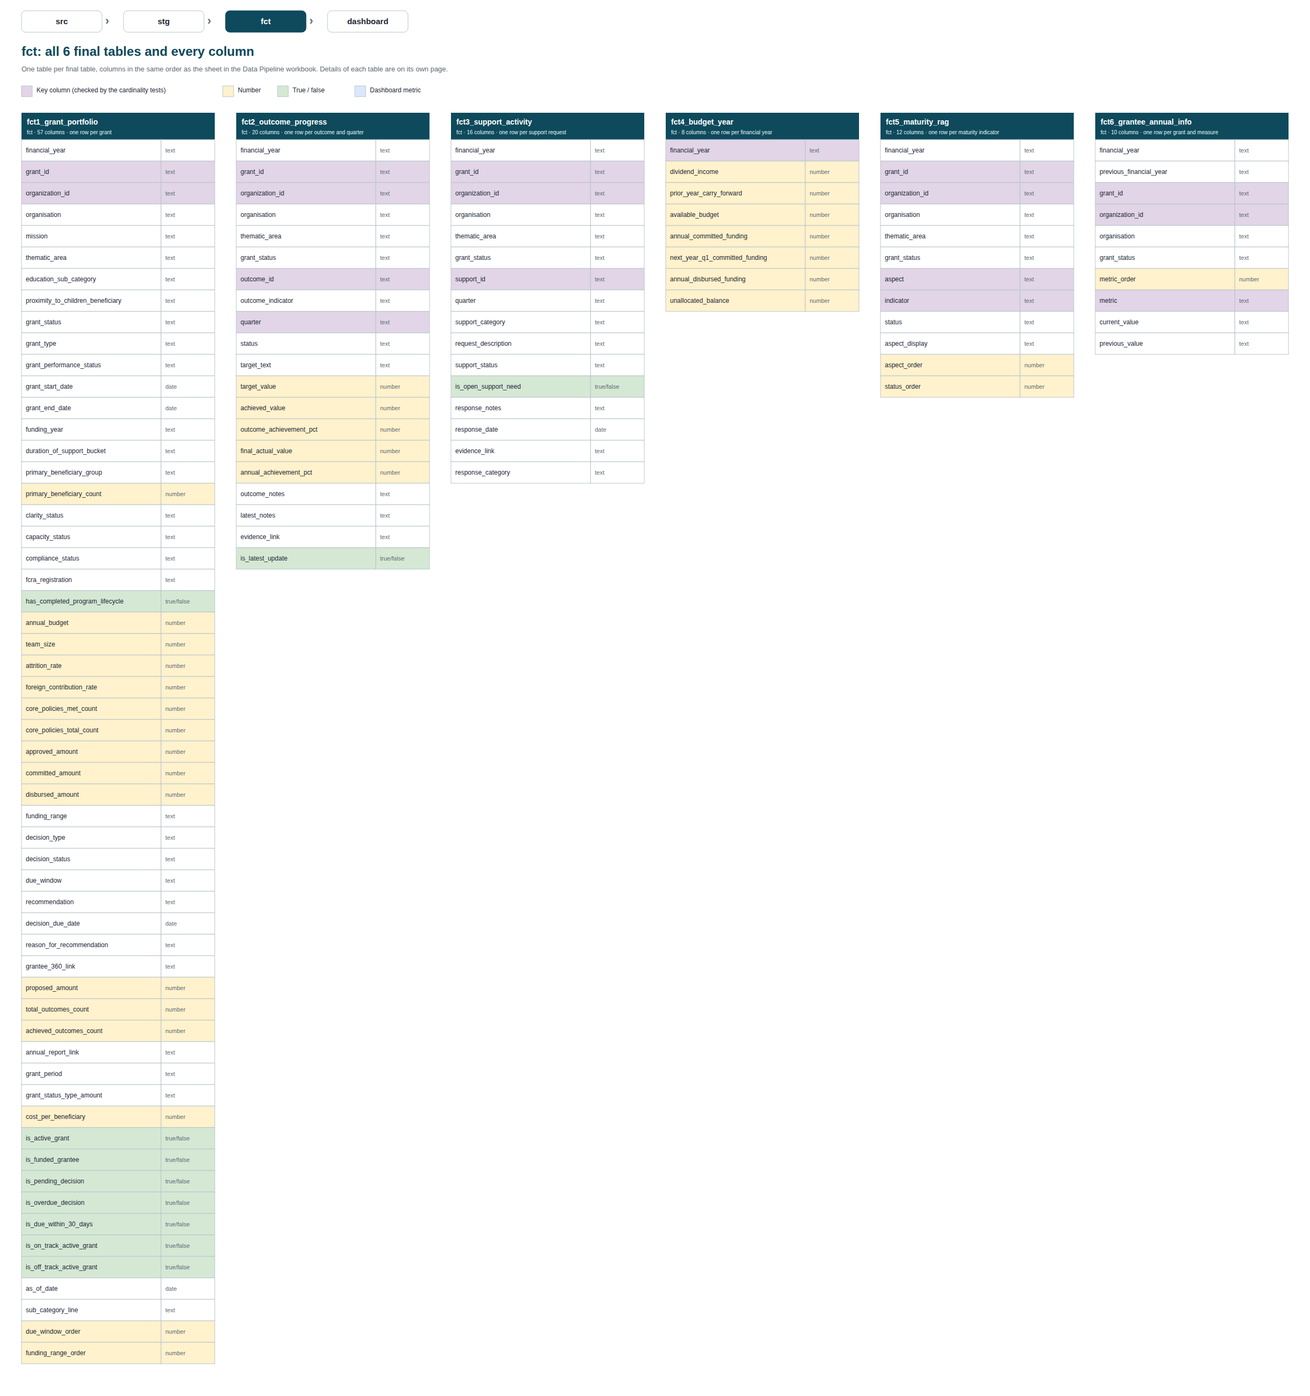

4. stg to fct: fct1_grant_portfolio
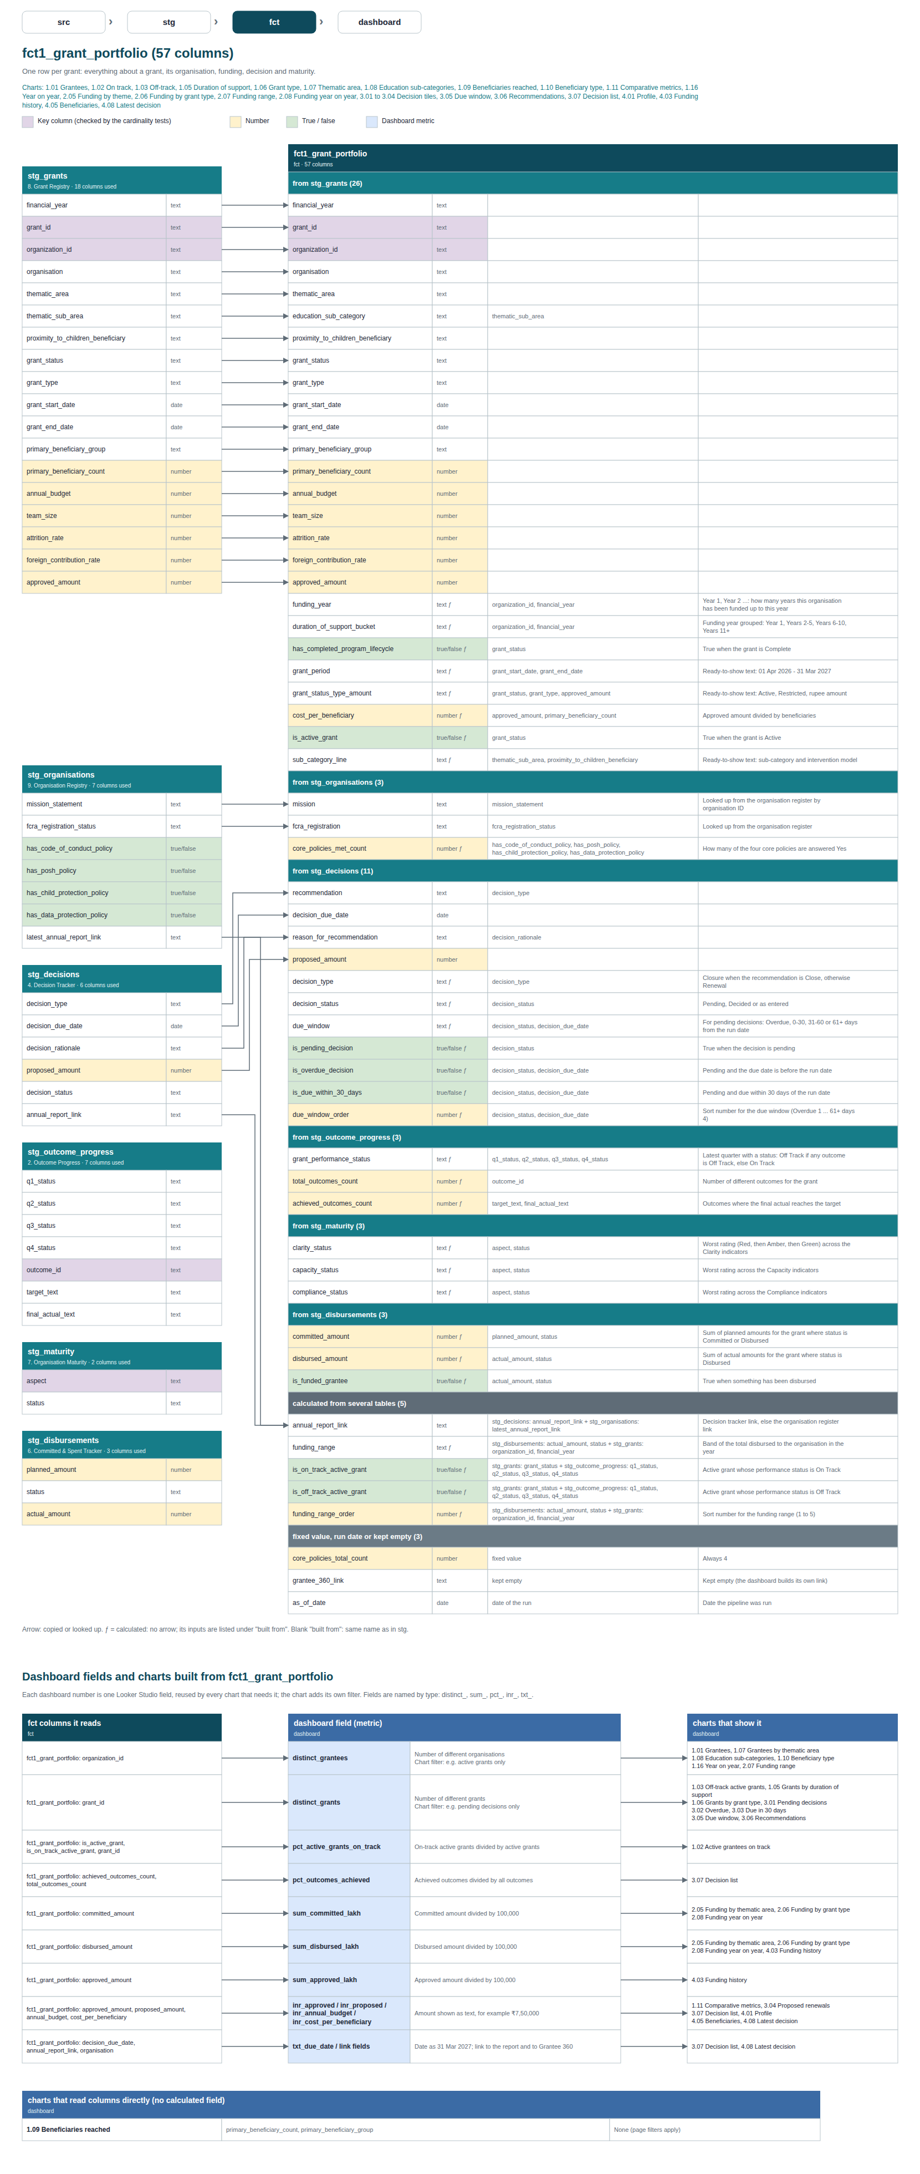

5. stg to fct: fct2_outcome_progress
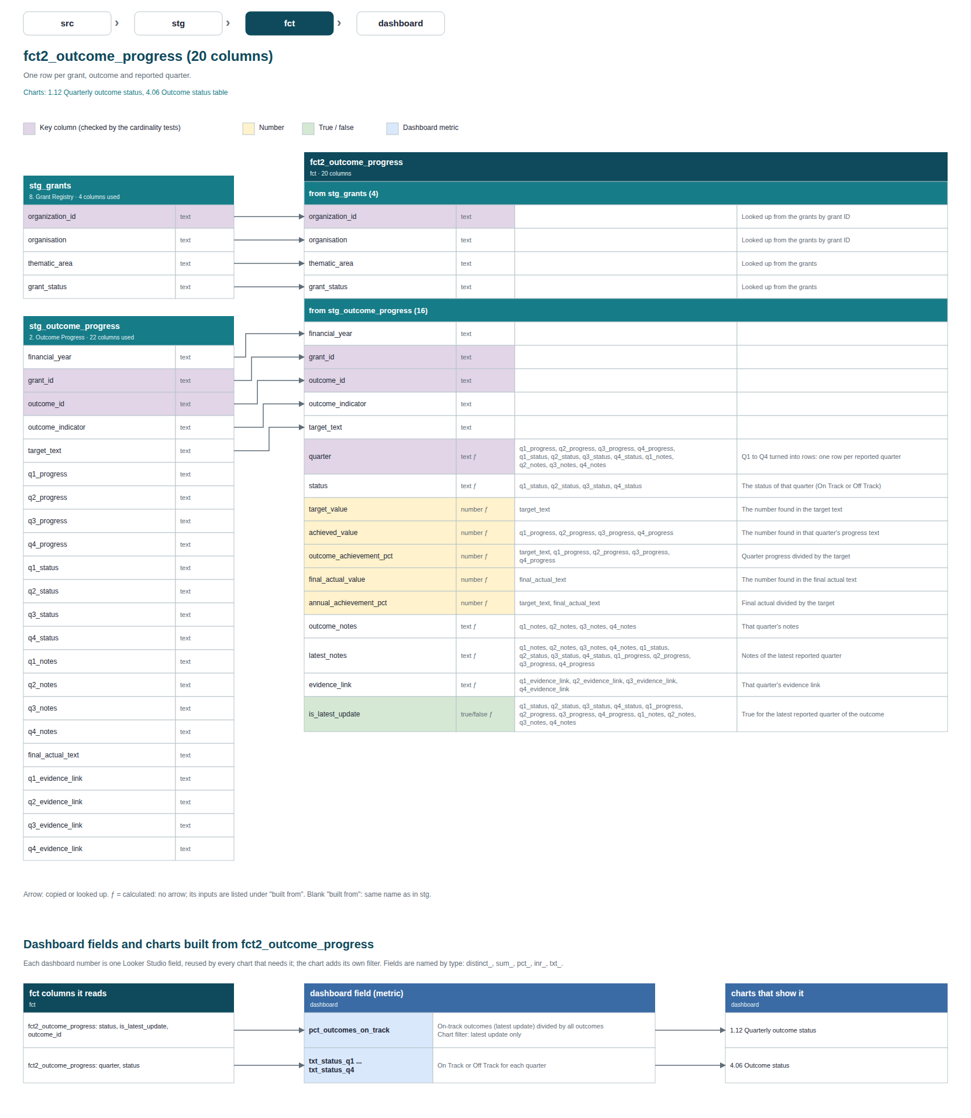

6. stg to fct: fct3_support_activity
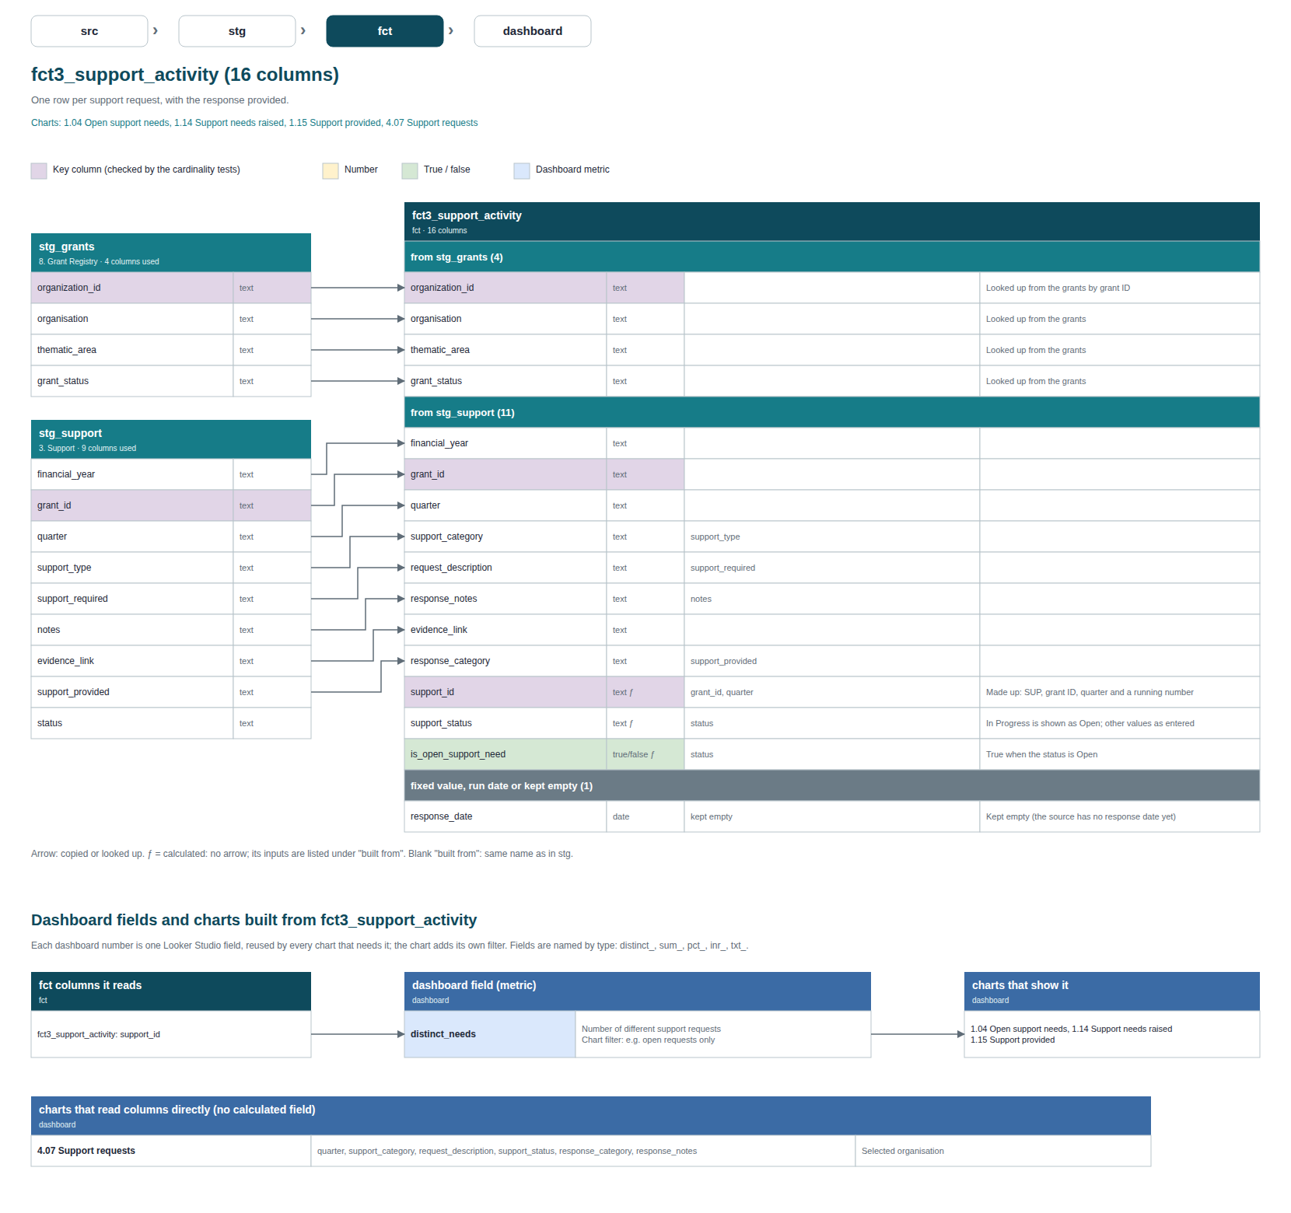

7. stg to fct: fct4_budget_year
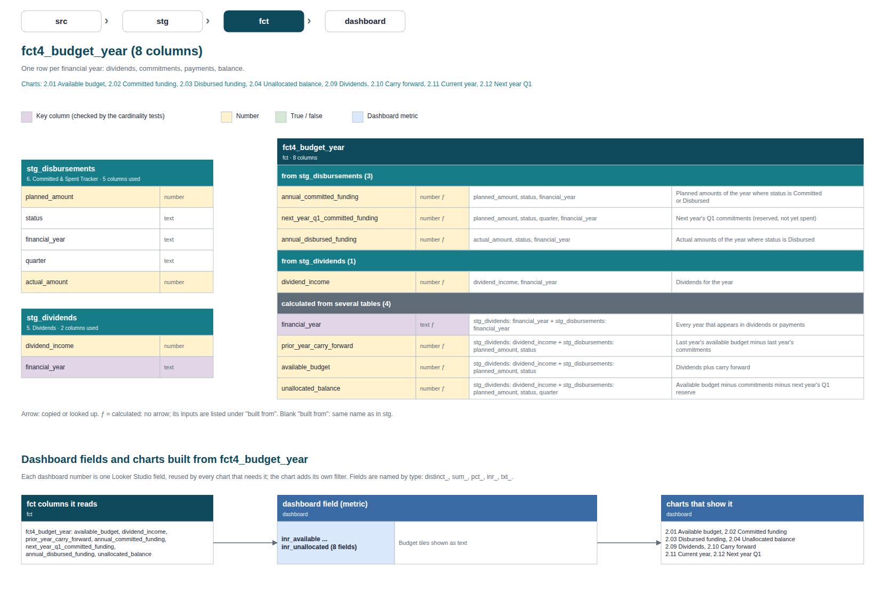

8. stg to fct: fct5_maturity_rag
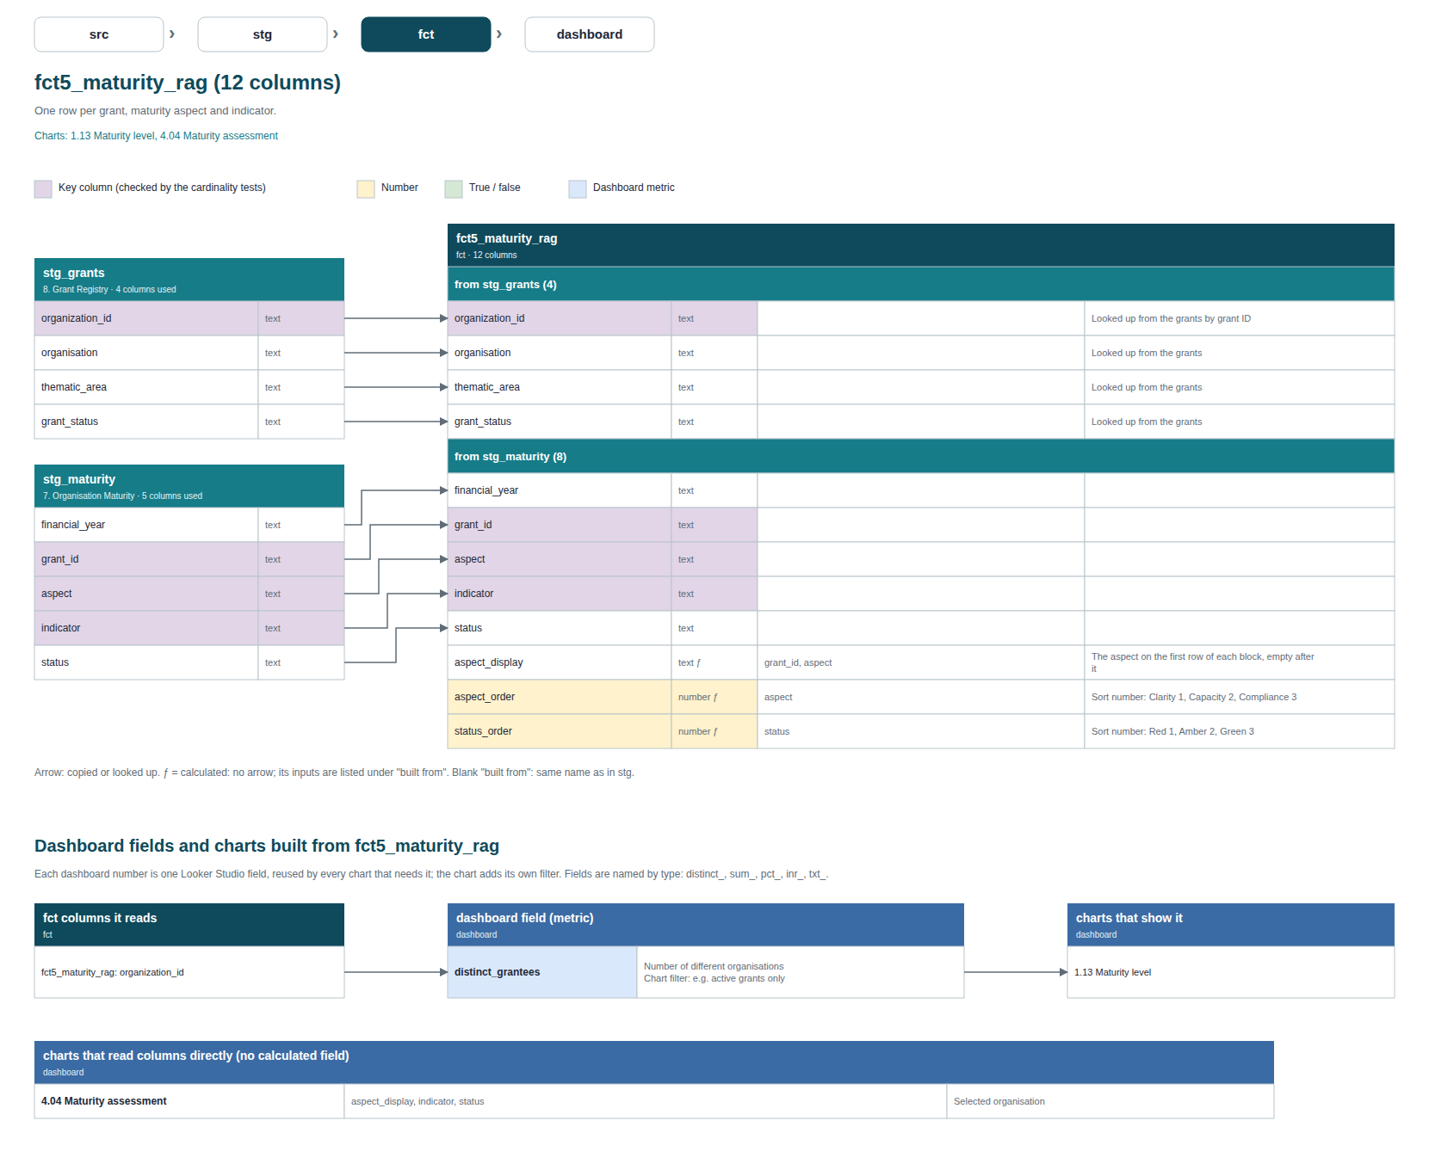

9. stg to fct: fct6_grantee_annual_info
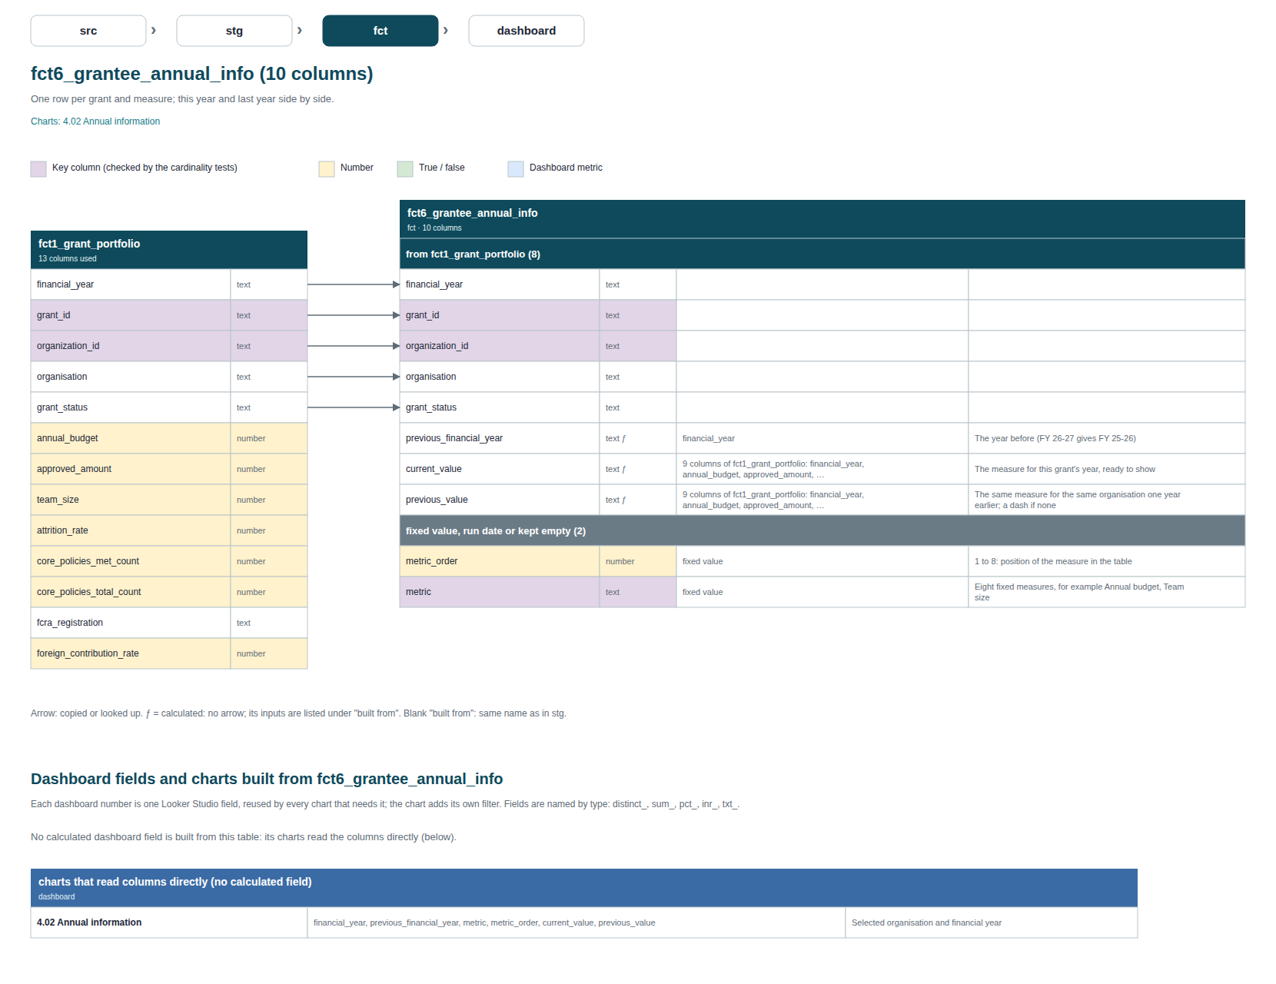

10. Glossary and key

