Sheet1
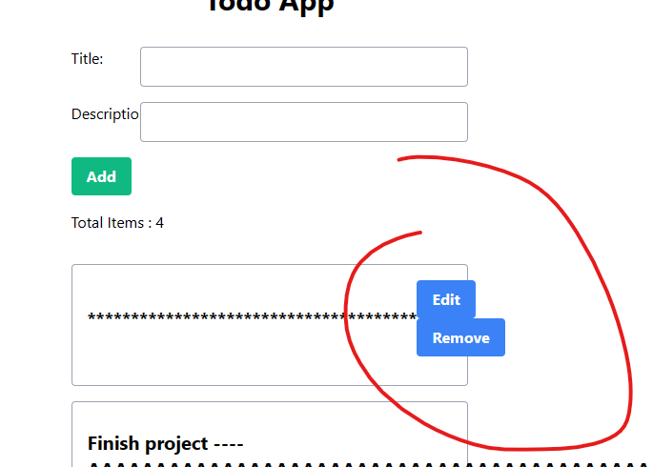
1) |  | Descriptio - typo

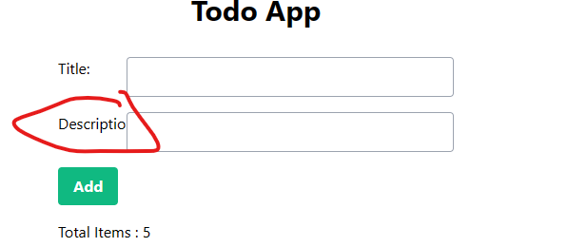

2) |  | Allignment should be correct

 |  | Title: | Text Box
 |  | Description: | Text Box

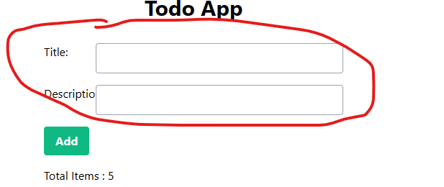

3) |  | If the length of the text is too long - it is not getting wrapped and going to new line

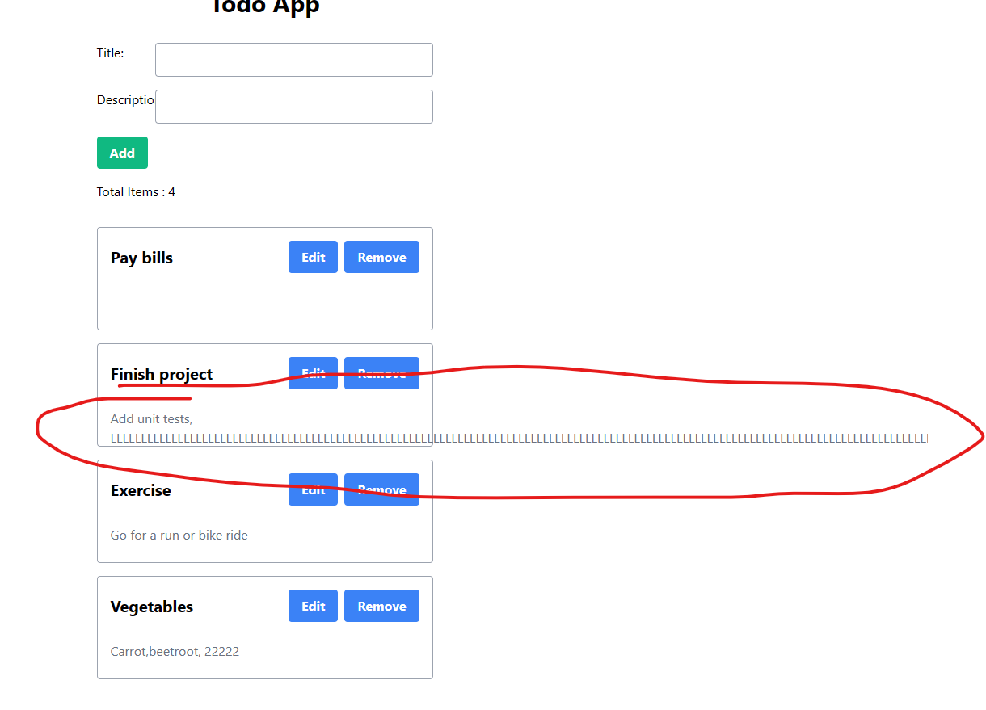

4) | Also if both Title & Description length is too long, the description text is getting overlapped on to the text box below

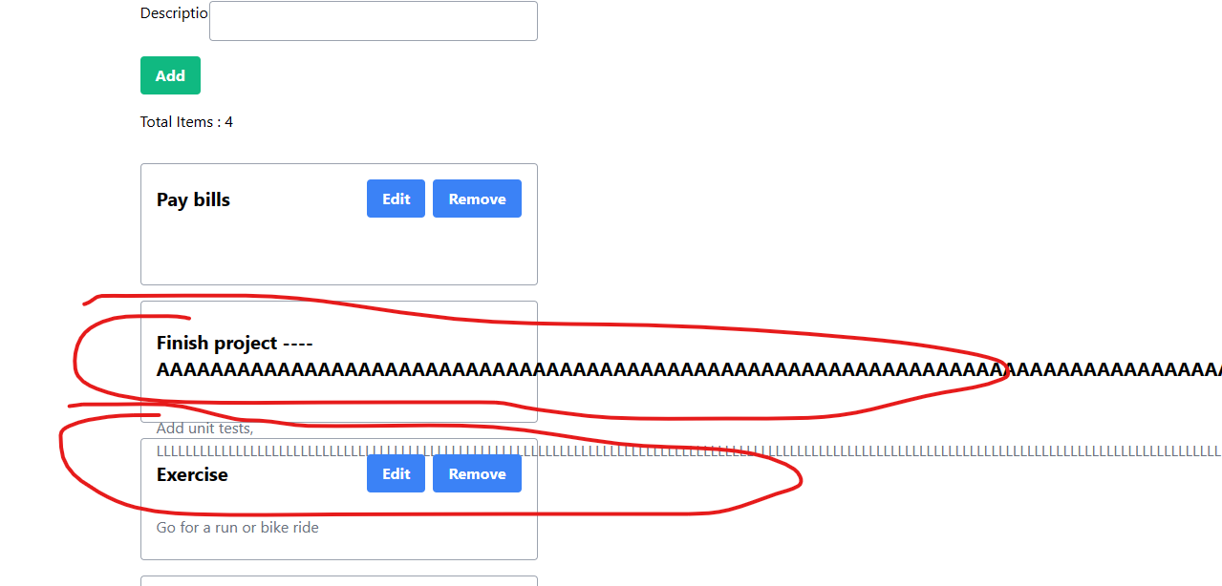

5) |  | After this the Edit & Remove button is getting disappeared. So im not able to edit or revert the changes

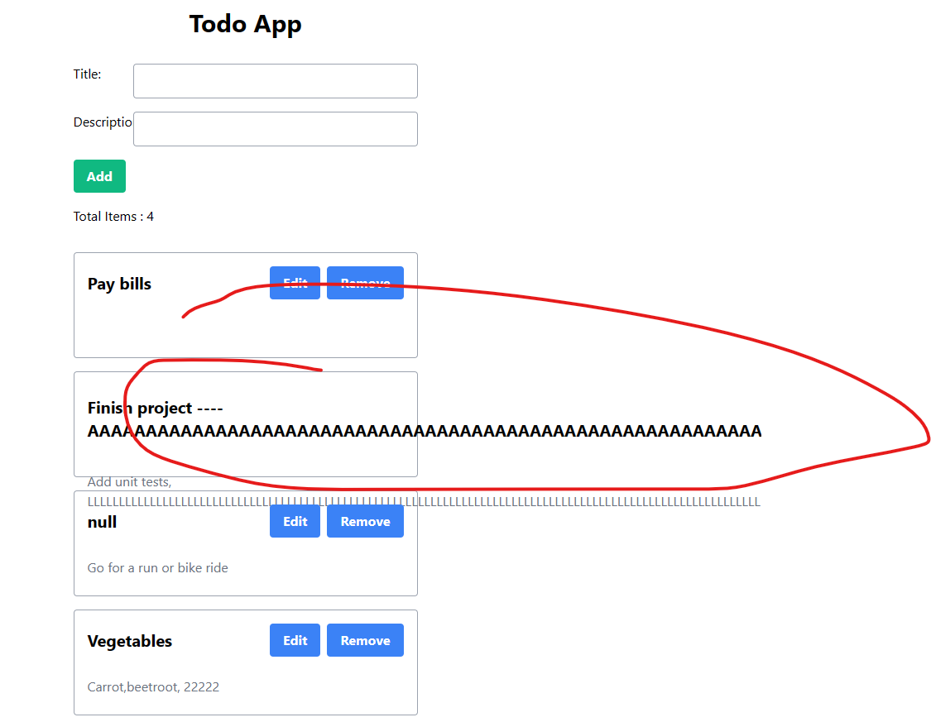

6) |  | Edit/Remove button getting misplaced

