Normalização início
UNF

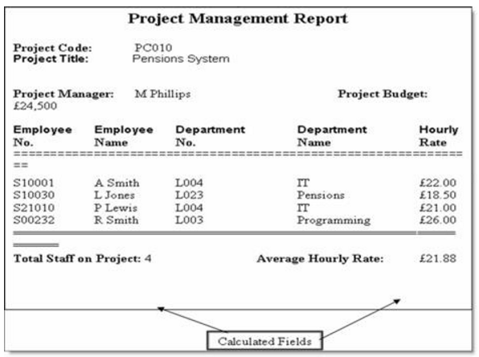
 | UNF |  |  |  |  |  |  |  |  | 1NF |  |  |  |  |  |  | 2NF
 |  |  |  |  |  |  |  |  |  |  |  |  |  |  |  |  |  |  |  |  |  |  |  |  |  |  |  |  |  |  |  |  |  | 3NF
 | Project |  |  |  |  |  |  |  |  | Project |  |  |  |  |  |  |  |  | Projects |  |  | Project managers |  |  | Employee |  |  | Departments No |  |  | Department Name

 | Project Code | Project Title | Project Manager | Project Budget | Employee No | Employee Name | Department No | Department Name | Hourly Rate | Project Code | Project Title | Project Manager | Employee No | Employee Name | Department No | Department Name | Project Code | Employee No | ProjectTitleID | Project Title | Project code | Project Manager ID | Project Manager | Project code | EmployeeID | Employee No | Employee Name | DepartmentNoID | Department No | Employee No | DepartmentNameID | Department Name | Employee No
 | PC010 | Pensions System | M Phillips | £24,500 | S10001,S10030,S21010,S00232 | A Smith,L Jones,P Lewis,R Smith | L004,L023,L004,L003 | IT,Pensions,Programming | 22,18,5,21,26 | PC010 | Pensions System | M Phillips | S10001 | A Smith | L004 | IT | PC010 | S10001 | 1 | Pensions System | PC010 | 1 | M Phillips | PC0010 | 1 | S10001 | A Smith | 1 | L004 | S10001 | 1 | IT | S10001
 |  |  |  |  |  |  |  |  |  | PC010 | Pensions System | M Phillips | S10030 | L Jones | L023 | Pensions | PC010 | S10030 |  |  |  |  |  |  | 2 | S10030 | L Jones | 2 | L023 | S10030 | 2 | Pensions | S10030
 |  |  |  |  |  |  |  |  |  | PC010 | Pensions System | M Phillips | S21010 | P Lewis | L004 | IT | PC010 | S21010 |  |  |  |  |  |  | 3 | S21010 | P Lewis | 3 | L003 | S21010 | 3 | Programming | S21010
 |  |  |  |  |  |  |  |  |  | PC010 | Pensions System | M Phillips | S00232 | R Smith | L003 | Programming | PC010 | S00232 |  |  |  |  |  |  | 4 | S00232 | R Smith

