Normalização início
UNF

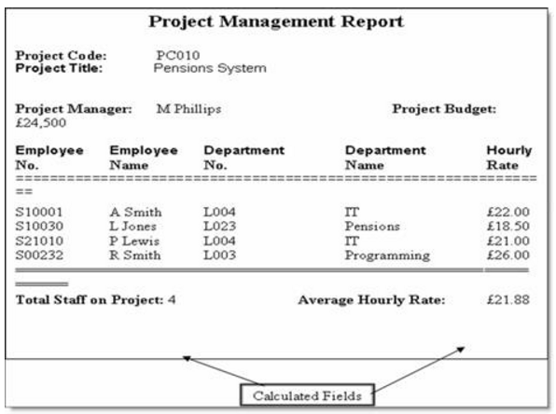
 | UNF |  |  |  |  |  |  |  |  | 1NF |  |  |  |  |  |  | 2NF |  |  |  |  |  |  |  |  | 3NF

 | Project |  |  |  |  |  |  |  |  | Project |  |  |  |  |  |  | project_employee |  | Projects |  |  | employees |  |  |  | project_employee |  | Projects |  |  | employees

 | Project Code | Project Title | Project Manager | Project Budget | Employee No | Employee Name | Department No | Department Name | Hourly Rate | Project Code | Project Title | Project Manager | Employee No | Employee Name | Department No | Department Name | Project Code | Employee No | Project Code | Project Title | Project Manager | Employee No | Employee Name | Department No | Department Name | Project Code | Employee No | Project Code | Project Title | Project Manager | Employee No | Department No | Employee Name | Department No | Department Name
 | PC010 | Pensions System | M Phillips | £24,500 | S10001,S10030,S21010,S00232 | A Smith,L Jones,P Lewis,R Smith | L004,L023,L004,L003 | IT,Pensions,Programming | 22,18.5,21,26 | PC010 | Pensions System | M Phillips | S10001 | A Smith | L004 | IT | PC010 | S10001 | PC010 | Pensions System | M Phillips | S10001 | A Smith | L004 | IT | PC010 | S10001 | PC010 | Pensions System | M Phillips | S10001 | L004 | A Smith | L004 | IT
 |  |  |  |  |  |  |  |  |  | PC010 | Pensions System | M Phillips | S10030 | L Jones | L023 | Pensions | PC010 | S10030 |  |  |  | S10030 | L Jones | L023 | Pensions | PC010 | S10030 |  |  |  | S10030 | L023 | L Jones | L023 | Pensions
 |  |  |  |  |  |  |  |  |  | PC010 | Pensions System | M Phillips | S21010 | P Lewis | L004 | IT | PC010 | S21010 |  |  |  | S21010 | P Lewis | L004 | IT | PC010 | S21010 |  |  |  | S21010 | L004 | P Lewis | L004 | IT
 |  |  |  |  |  |  |  |  |  | PC010 | Pensions System | M Phillips | S00232 | R Smith | L003 | Programming | PC010 | S00232 |  |  |  | S00232 | R Smith | L003 | Programming | PC010 | S00232 |  |  |  | S00232 | L003 | R Smith | L003 | Programming

