Sheet1
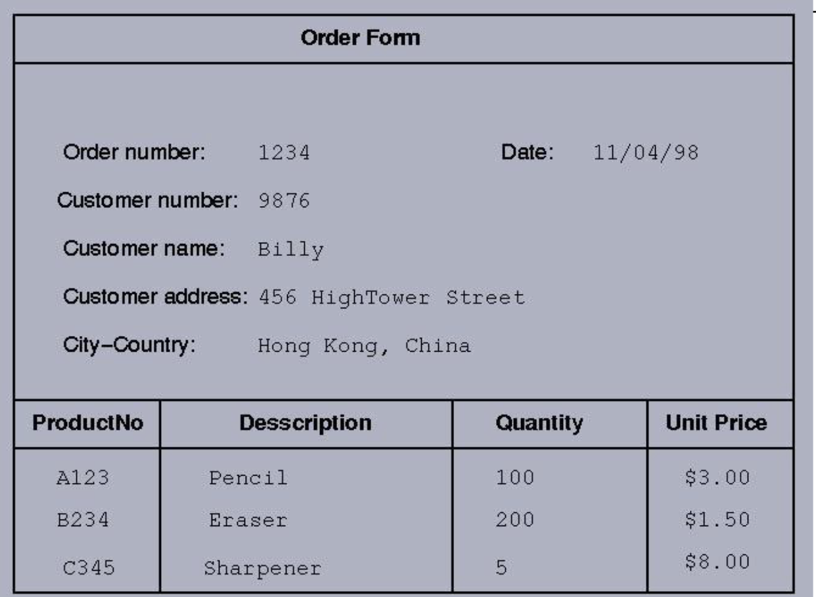

 |  |  |  |  |  |  |  |  |  | 1NF |  |  |  |  |  |  |  |  |  |  | 2NF |  |  |  |  |  |  |  |  |  |  | 2NF |  |  |  |  |  |  |  |  |  |  |  |  | 3NF

 |  |  |  |  |  |  |  |  |  |  |  |  |  |  |  |  |  |  |  |  |  |  |  |  |  |  |  |  |  |  |  |  |  |  |  |  |  |  |  |  |  |  |  |  | orders |  |  | customers |  |  |  |  |  |  |  | products
Order No | Customer No | Customer Name | Customer Address | City-country | Date | Product No | Description | Quantity | Unit Price | Order No | Customer No | Customer Name | Customer Address | City | Country | Date | Product No | Description | Quantity | Unit Price | Order No | Customer No | Customer Name | Customer Address | City | Country | Date | Product No | Description | Quantity | Unit Price | Order No | Customer No | Customer Name | Customer Address | City | Country | Date | Order No | Product No | Quantity | Product No | Description | Unit Price | Order No | Customer No | Date | Customer No | Customer Name | Customer Address | City | Country | Order No | Product No | Quantity | Product No | Description | Unit Price
1234 | 9876 | Billy | 456 HighTower Street | Hong Kong,China | 1998-04-11 | A123 | Pencil | 100 | 3.00 $ | 1234 | 9876 | Billy | 456 HighTower Street | Hong Kong | China | 1998-04-11 | A123 | Pencil | 100 | 3.00 $ | 1234 | 9876 | Billy | 456 HighTower Street | Hong Kong | China | 1998-04-11 | A123 | Pencil | 100 | 3.00 $ | 1234 | 9876 | Billy | 456 HighTower Street | Hong Kong | China | 1998-04-11 | 1234 | A123 | 100 | A123 | Pencil | 3.00 $ | 1234 | 9876 | 1998-04-11 | 9876 | Billy | 456 HighTower Street | Hong Kong | China | 1234 | A123 | 100 | A123 | Pencil | 3.00 $
1234 | 9876 | Billy | 456 HighTower Street | Hong Kong,China | 1998-04-11 | B234 | Eraser | 200 | 1.50 $ | 1234 | 9876 | Billy | 456 HighTower Street | Hong Kong | China | 1998-04-11 | B234 | Eraser | 200 | 1.50 $ | 1234 | 9876 | Billy | 456 HighTower Street | Hong Kong | China | 1998-04-11 | B234 | Eraser | 200 | 1.50 $ |  |  |  |  |  |  |  | 1234 | B234 | 200 | B234 | Eraser | 1.50 $ |  |  |  |  |  |  |  |  | 1234 | B234 | 200 | B234 | Eraser | 1.50 $
1234 | 9876 | Billy | 456 HighTower Street | Hong Kong,China | 1998-04-11 | C345 | Sharpner | 5 | 8.00 $ | 1234 | 9876 | Billy | 456 HighTower Street | Hong Kong | China | 1998-04-11 | C345 | Sharpner | 5 | 8.00 $ | 1234 | 9876 | Billy | 456 HighTower Street | Hong Kong | China | 1998-04-11 | C345 | Sharpner | 5 | 8.00 $ |  |  |  |  |  |  |  | 1234 | C345 | 5 | C345 | Sharpner | 8.00 $ |  |  |  |  |  |  |  |  | 1234 | C345 | 5 | C345 | Sharpner | 8.00 $

