Sheet1
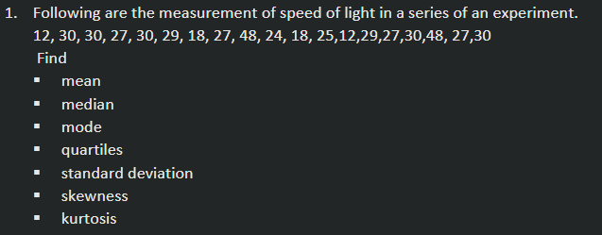

X(Data)
12
30
30
27
30 |  | Mean | 27.42105263
29 |  | Median | 27
18 |  | Mode | 30
27 | Quartiles | Q1 | 24.5
48 |  | Q2 | 27
24 |  | Q3 | 30
18 |  | Q4 | 48
25 |  | Standard deviation | 9.299437196
12 |  | Skewness | 0.6006022975 | ie positively skewed
29 |  | Kurtosis | 1.490533696 | i.e. too leptokurtic
27
30
48
27
30

