Compare
SS @ 66.8, Mar Retire @ 63 |  | SS @ 64.5 |  | SS @ 70 |  | SS @ 66.8, Mar Retire @ 62 |  | SS @ 66.8, spend 5% less |  | SS @ 66.8 Pay SL Now |  | SS @ 70 No RSUs 5% less |  | SS @ 66.8 Anuity |  | T Towe Price
Age | Assets | Age | Assets | Age | Assets | Age | Assets | Age | Assets | Age | Assets | Age | Assets | Age | Assets | Age | Assets
60.48 | $1,064,981 | 60.48 | $1,064,981 | 60.48 | $1,064,981 | 60.48 | $1,064,981 | 60.48 | $1,064,981 | 60.48 | $970,284 | 60.48 | $1,064,981 | 60.48 | $564,981 | 60.48 | $1,064,981
61.48 | $1,189,500 | 61.48 | $1,189,500 | 61.48 | $1,189,500 | 61.48 | $1,189,500 | 61.48 | $1,189,500 | 61.48 | $1,105,430 | 61.48 | $1,172,500 | 61.48 | $659,500 | 61.48 | $1,191,310
62.48 | $1,321,490 | 62.48 | $1,321,490 | 62.48 | $1,321,490 | 61.83 | $1,235,643 | 62.48 | $1,321,490 | 62.48 | $1,248,685 | 62.48 | $1,286,470 | 62.48 | $759,690 | 62.48 | $1,325,434
62.83 | $1,370,377 | 62.83 | $1,370,377 | 62.83 | $1,370,377 | 62.83 | $1,321,885 | 62.83 | $1,370,377 | 62.83 | $1,301,818 | 62.83 | $1,328,625 | 62.83 | $796,896 | 62.83 | $1,375,170
63.83 | $1,463,719 | 63.83 | $1,463,719 | 63.83 | $1,463,719 | 63.83 | $1,412,317 | 63.83 | $1,463,719 | 63.83 | $1,407,355 | 63.83 | $1,402,461 | 63.83 | $855,828 | 63.83 | $1,470,542
64.50 | $1,528,572 | 64.50 | $1,528,572 | 64.50 | $1,528,572 | 64.50 | $1,475,130 | 64.50 | $1,528,572 | 64.50 | $1,480,866 | 64.50 | $1,453,526 | 64.50 | $896,552 | 64.50 | $1,536,760
65.50 | $1,456,061 | 64.50 | $1,480,536 | 65.50 | $1,456,061 | 65.50 | $1,399,673 | 65.50 | $1,460,879 | 65.50 | $1,453,815 | 65.50 | $1,381,782 | 65.50 | $786,120 | 65.50 | $1,464,453
66.50 | $1,424,454 | 65.50 | $1,500,931 | 66.50 | $1,424,454 | 66.50 | $1,364,957 | 66.50 | $1,434,472 | 66.50 | $1,422,087 | 66.50 | $1,351,103 | 66.50 | $714,317 | 66.50 | $1,432,299
66.83 | $1,411,765 | 66.50 | $1,520,516 | 67.50 | $1,387,809 | 66.83 | $1,351,204 | 66.83 | $1,423,635 | 66.83 | $1,409,356 | 67.50 | $1,315,456 | 66.83 | $696,999 | 66.83 | $1,419,140
67.83 | $1,434,295 | 67.50 | $1,539,175 | 68.50 | $1,345,437 | 67.83 | $1,370,542 | 67.83 | $1,451,834 | 67.83 | $1,431,764 | 68.50 | $1,249,848 | 67.83 | $685,608 | 67.83 | $1,442,349
68.83 | $1,456,215 | 68.50 | $1,556,783 | 69.50 | $1,272,718 | 68.83 | $1,389,101 | 68.83 | $1,479,837 | 68.83 | $1,453,555 | 69.50 | $1,176,524 | 68.83 | $689,281 | 68.83 | $1,464,653
69.83 | $1,477,418 | 69.50 | $1,573,206 | 70.00 | $1,242,300 | 69.83 | $1,406,766 | 69.83 | $1,507,564 | 69.83 | $1,474,623 | 70.00 | $1,146,260 | 69.83 | $691,137 | 69.83 | $1,485,902
70.00 | $1,481,287 | 70.00 | $1,582,656 | 71.00 | $1,256,179 | 70.00 | $1,409,955 | 70.00 | $1,512,618 | 70.00 | $1,478,464 | 70.00 | $1,146,494 | 70.00 | $693,057 | 70.00 | $1,489,680
71.00 | $1,491,332 | 71.00 | $1,588,306 | 72.00 | $1,262,989 | 71.00 | $1,413,635 | 71.00 | $1,529,525 | 71.00 | $1,488,382 | 71.00 | $1,161,187 | 71.00 | $668,129 | 71.00 | $1,498,961
72.00 | $1,498,190 | 72.00 | $1,590,347 | 73.00 | $1,265,596 | 72.00 | $1,409,956 | 72.00 | $1,543,690 | 72.00 | $1,495,108 | 72.00 | $1,169,623 | 72.00 | $638,892 | 72.00 | $1,504,506
73.00 | $1,494,532 | 73.00 | $1,589,365 | 74.00 | $1,264,372 | 73.00 | $1,400,907 | 73.00 | $1,555,746 | 73.00 | $1,491,461 | 73.00 | $1,174,222 | 73.00 | $636,268 | 73.00 | $1,498,918
74.00 | $1,486,415 | 74.00 | $1,584,541 | 75.00 | $1,259,089 | 74.00 | $1,386,805 | 74.00 | $1,564,925 | 74.00 | $1,483,162 | 74.00 | $1,175,322 | 74.00 | $630,193 | 74.00 | $1,486,209
75.00 | $1,472,911 | 75.00 | $1,575,472 | 76.00 | $1,249,170 | 75.00 | $1,367,221 | 75.00 | $1,570,878 | 75.00 | $1,469,463 | 75.00 | $1,172,710 | 75.00 | $620,332 | 75.00 | $1,466,652
76.00 | $1,453,628 | 76.00 | $1,551,322 | 77.00 | $1,234,081 | 76.00 | $1,341,568 | 76.00 | $1,567,228 | 76.00 | $1,449,974 | 76.00 | $1,166,014 | 76.00 | $590,106 | 76.00 | $1,439,851
77.00 | $1,428,027 | 77.00 | $1,518,556 | 78.00 | $1,213,264 | 77.00 | $1,309,235 | 77.00 | $1,557,669 | 77.00 | $1,424,153 | 77.00 | $1,154,654 | 77.00 | $550,602 | 77.00 | $1,405,137
78.00 | $1,395,489 | 78.00 | $1,477,407 | 79.00 | $1,186,123 | 78.00 | $1,269,568 | 78.00 | $1,542,018 | 78.00 | $1,391,383 | 78.00 | $1,138,038 | 78.00 | $502,331 | 78.00 | $1,361,719
79.00 | $1,355,337 | 79.00 | $1,427,583 | 80.00 | $1,152,013 | 79.00 | $1,221,860 | 79.00 | $1,519,896 | 79.00 | $1,350,985 | 79.00 | $1,115,582 | 79.00 | $445,223 | 79.00 | $1,308,722
80.00 | $1,306,837 | 80.00 | $1,368,411 | 81.00 | $1,110,234 | 80.00 | $1,165,351 | 80.00 | $1,490,711 | 80.00 | $1,302,224 | 80.00 | $1,086,671 | 80.00 | $378,671 | 80.00 | $1,245,186
81.00 | $1,249,191 | 81.00 | $1,299,063 | 82.00 | $1,060,030 | 81.00 | $1,099,216 | 81.00 | $1,453,767 | 81.00 | $1,244,301 | 81.00 | $1,050,639 | 81.00 | $301,868 | 81.00 | $1,170,073
82.00 | $1,181,538 | 82.00 | $1,218,617 | 83.00 | $1,000,579 | 82.00 | $1,022,564 | 82.00 | $1,408,299 | 82.00 | $1,176,354 | 82.00 | $1,006,768 | 82.00 | $213,902 | 82.00 | $1,082,137
83.00 | $1,102,947 | 83.00 | $1,126,069 | 84.00 | $930,994 | 83.00 | $934,435 | 83.00 | $1,353,470 | 83.00 | $1,097,452 | 83.00 | $954,278 | 83.00 | $113,778 | 83.00 | $979,672
84.00 | $1,012,412 | 84.00 | $1,020,335 | 85.00 | $850,312 | 84.00 | $833,789 | 84.00 | $1,288,377 | 84.00 | $1,006,588 | 84.00 | $892,325 | 84.00 | $418 | 84.00 | $861,132
85.00 | $908,625 | 85.00 | $899,857 | 86.00 | $757,047 | 85.00 | $719,285 | 85.00 | $1,212,041 | 85.00 | $902,451 | 85.00 | $819,994 | 85.00 | $(127,564) | 85.00 | $724,941
86.00 | $790,045 | 86.00 | $763,100 | 87.00 | $649,828 | 86.00 | $589,345 | 86.00 | $1,123,220 | 86.00 | $783,501 | 86.00 | $736,294 | 86.00 | $(271,790) | 86.00 | $569,424
87.00 | $655,230 | 87.00 | $608,559 | 88.00 | $527,298 | 87.00 | $442,488 | 87.00 | $1,020,367 | 87.00 | $648,294 | 87.00 | $639,744 | 87.00 | $(433,791) | 87.00 | $392,779
88.00 | $502,697 | 88.00 | $434,657 | 89.00 | $388,036 | 88.00 | $277,190 | 88.00 | $902,055 | 88.00 | $495,345 | 88.00 | $528,904 | 88.00 | $(615,141) | 88.00 | $193,059
89.00 | $330,869 | 89.00 | $239,711 | 90.00 | $230,518 | 89.00 | $91,831 | 89.00 | $766,823 | 89.00 | $323,075 | 89.00 | $402,367 | 89.00 | $(817,515) | 89.00 | $(31,844)
90.00 | $138,052 | 90.00 | $21,913 | 91.00 | $53,104 | 90.00 | $(115,328) | 90.00 | $613,118 | 90.00 | $129,790 | 90.00 | $258,662 | 90.00 | $(1,042,710) | 90.00 | $(284,209)
91.00 | $(77,577) | 91.00 | $(220,684) | 92.00 | $(145,979) | 91.00 | $(346,160) | 91.00 | $439,274 | 91.00 | $(86,334) | 91.00 | $96,216 | 91.00 | $(1,292,660) | 91.00 | $(566,502)
92.00 | $(317,984) | 92.00 | $(490,177) | 93.00 | $(368,640) | 92.00 | $(602,681) | 92.00 | $243,492 | 92.00 | $(327,266) | 92.00 | $(86,666) | 92.00 | $(1,569,447) | 92.00 | $(881,387)
93.00 | $(585,286) | 93.00 | $(788,823) | 94.00 | $(616,945) | 93.00 | $(887,066) | 93.00 | $23,832 | 93.00 | $(595,126) | 93.00 | $(291,816) | 93.00 | $(1,875,313) | 93.00 | $(1,231,747)
94.00 | $(881,768) | 94.00 | $(1,119,055) | 95.00 | $(893,118) | 94.00 | $(1,201,654) | 94.00 | $(221,800) | 94.00 | $(892,198) | 94.00 | $(521,208) | 94.00 | $(2,212,671) | 94.00 | $(1,620,854)
95.00 | $(1,209,889) | 95.00 | $(1,483,488) | 95.00 | $(893,118) | 95.00 | $(1,548,968) | 95.00 | $(495,663) | 95.00 | $(1,220,944) | 95.00 | $(776,977) | 95.00 | $(2,584,122) | 95.00 | $(2,052,411)
95.00 | $(1,209,889) | 95.00 | $(1,483,488) | 95.00 | $- | 95.00 | $(1,548,968) | 95.00 | $(495,663) | 95.00 | $(1,220,944) | 95.00 | $(776,977) | 95.00 | $(2,584,122) | 95.00 | $(2,052,411)
95.00 | $- | 95.00 | $- | 95.00 | $- | 95.00 | $- | 95.00 | $- | 95.00 | $- | 95.00 | $- | 95.00 | $- | 95.00 | $-

Martha retire @ 63
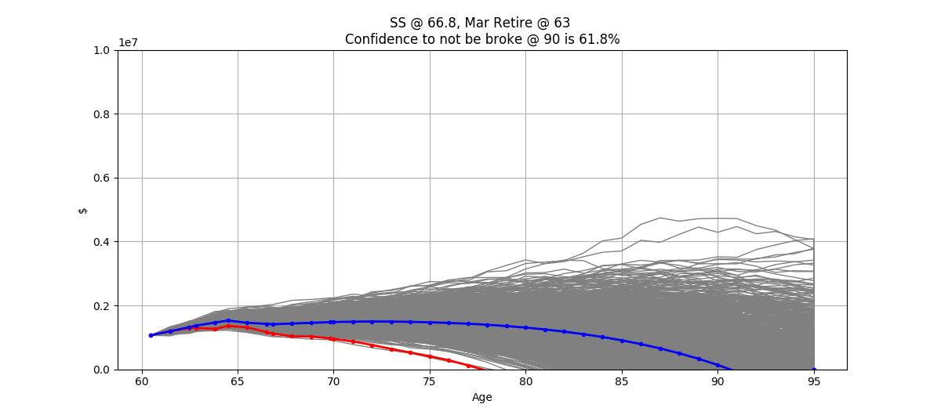
SS @ 66.8, Mar Retire @ 63
Start | Average Return | Return SD | CPI | Martha Take Home | 403B Contrib | John Take Home | 401K | ESPP | RSUs | Martha's BD | John's BD | Proj Expenses | FRA | Collect SS | Healthcare | Healthcare Increase | Martha Retire | John Retire | Qualifying Total | NonQualifying Total | Liabilities @ retirement
2020-04-22 | 6.00% | 3.90% | 2.50% | $37,498 | $9,120 | $79,240 | $26,000 | $8,500 | $17,000 | 1959-08-30 | 1959-10-31 | $85,181 | $56,754 | 2026-08-31 | $13,206 | 6.50% | 63 | 64.5 | $700,577 | $364,404 | $48,036

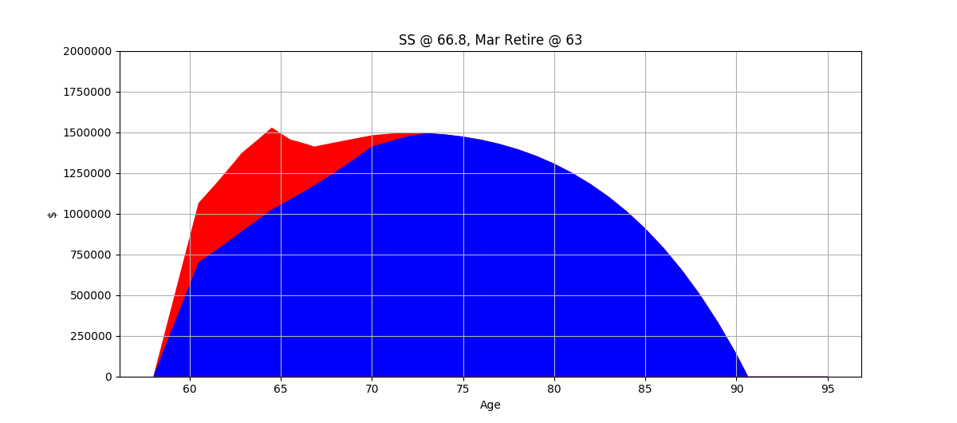
Date | Qual Total | Non-Q Total | RMD | SS Income | Expenses | NQ Taxable Income | Q Taxable Income | Taxes | Healthcare | Age | Total Expenses
2020-04-22 | $700,577 | $364,404 | $- | $- | $- | $- | $- | $- | $- | 60.48 | $-
2021-04-22 06:00:00 | $777,732 | $411,768 | $- | $- | $- | $- | $- | $- | $- | 61.48 | $-
2022-04-22 12:00:00 | $859,516 | $461,974 | $- | $- | $- | $- | $- | $- | $- | 62.48 | $-
2022-08-29 18:00:00 | $889,791 | $480,586 | $- | $- | $- | $- | $- | $- | $- | 62.83 | $-
2023-08-30 | $969,178 | $494,540 | $- | $- | $40,381 | $- | $- | $- | $- | 63.83 | $40,381
2024-04-30 15:00:00 | $1,025,017 | $503,554 | $- | $- | $27,651 | $- | $- | $- | $- | 64.50 | $27,651 | 2.70%
2025-04-30 21:00:00 | $1,086,518 | $369,543 | $- | $- | $96,374 | $30,213 | $- | $1,721 | $18,093 | 65.50 | $116,189 | 7.98%
2026-05-01 03:00:00 | $1,151,709 | $272,745 | $- | $- | $98,784 | $22,173 | $- | $917 | $19,269 | 66.50 | $118,971 | 8.35%
2026-08-31 | $1,174,157 | $237,607 | $- | $- | $33,543 | $5,421 | $- | $111 | $6,799 | 66.83 | $40,453 | 8.59%
2027-08-31 06:00:00 | $1,244,607 | $189,689 | $- | $67,463 | $101,253 | $71,600 | $- | $7,862 | $20,522 | 67.83 | $129,638 | 4.33%
2028-08-30 12:00:00 | $1,319,283 | $136,932 | $- | $69,149 | $103,785 | $70,158 | $- | $7,646 | $21,856 | 68.83 | $133,287 | 4.40%
2029-08-30 18:00:00 | $1,398,440 | $78,979 | $- | $70,878 | $106,379 | $68,462 | $- | $7,392 | $23,277 | 69.83 | $137,048 | 4.48%
2029-10-30 12:00:00 | $1,411,890 | $69,397 | $- | $11,643 | $17,912 | $778 | $- | $- | $4,072 | 70.00 | $21,984 | 8.14%
2030-10-30 18:00:00 | $1,445,075 | $46,258 | $51,529 | $72,650 | $109,039 | $65,916 | $- | $17,654 | $24,789 | 71.00 | $151,482 | 5.29%
2031-10-31 | $1,475,331 | $22,859 | $56,448 | $74,466 | $111,765 | $66,072 | $- | $18,922 | $26,401 | 72.00 | $157,088 | 5.51%
2032-10-30 06:00:00 | $1,494,532 | $- | $57,630 | $76,328 | $114,559 | $- | $150,149 | $25,830 | $28,117 | 73.00 | $168,506 | 6.17%
2033-10-30 12:00:00 | $1,486,415 | $- | $60,507 | $78,236 | $117,423 | $- | $161,462 | $28,658 | $29,944 | 74.00 | $176,025 | 6.58%
2034-10-30 18:00:00 | $1,472,911 | $- | $62,454 | $80,192 | $120,359 | $- | $168,879 | $30,631 | $31,891 | 75.00 | $182,881 | 6.97%
2035-10-31 | $1,453,628 | $- | $66,950 | $82,197 | $123,367 | $- | $175,633 | $32,523 | $33,964 | 76.00 | $189,854 | 7.41%
2036-10-30 06:00:00 | $1,428,027 | $- | $66,074 | $84,252 | $126,452 | $- | $182,508 | $34,448 | $36,171 | 77.00 | $197,071 | 7.90%
2037-10-30 12:00:00 | $1,395,489 | $- | $67,360 | $86,358 | $129,613 | $- | $189,630 | $36,442 | $38,523 | 78.00 | $204,577 | 8.47%
2038-10-30 18:00:00 | $1,355,337 | $- | $68,743 | $88,517 | $132,853 | $- | $197,044 | $38,518 | $41,026 | 79.00 | $212,398 | 9.14%
2039-10-31 | $1,306,837 | $- | $72,478 | $90,730 | $136,175 | $- | $204,776 | $40,683 | $43,693 | 80.00 | $220,551 | 9.93%
2040-10-30 06:00:00 | $1,249,191 | $- | $69,884 | $92,998 | $139,579 | $- | $212,845 | $42,942 | $46,533 | 81.00 | $229,054 | 10.89%
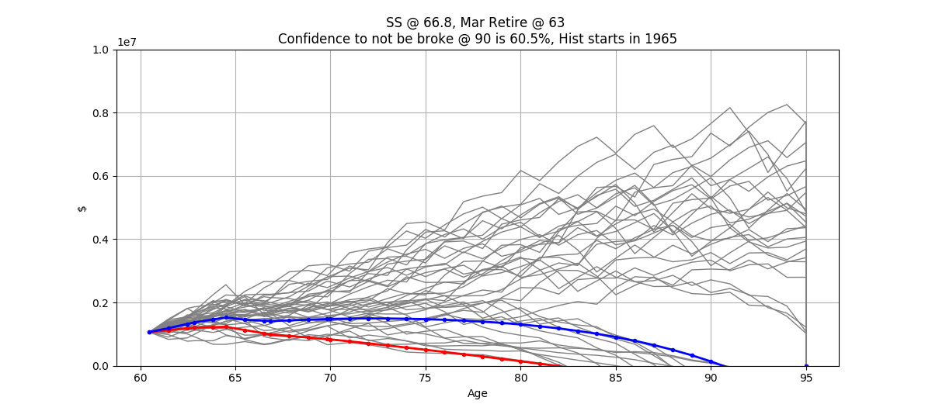
2041-10-30 12:00:00 | $1,181,538 | $- | $69,787 | $95,323 | $143,068 | $- | $221,270 | $45,301 | $49,558 | 82.00 | $237,928 | 12.07%
2042-10-30 18:00:00 | $1,102,947 | $- | $69,096 | $97,706 | $146,645 | $- | $230,070 | $47,765 | $52,779 | 83.00 | $247,189 | 13.55%
2043-10-31 | $1,012,412 | $- | $71,158 | $100,149 | $150,311 | $- | $239,264 | $50,339 | $56,210 | 84.00 | $256,860 | 15.48%
2044-10-30 06:00:00 | $908,625 | $- | $65,317 | $102,652 | $154,069 | $- | $248,874 | $53,251 | $59,863 | 85.00 | $267,184 | 18.11%
2045-10-30 12:00:00 | $790,045 | $- | $61,394 | $105,219 | $157,921 | $- | $259,144 | $56,641 | $63,755 | 86.00 | $278,316 | 21.91%
2046-10-30 18:00:00 | $655,230 | $- | $56,032 | $107,849 | $161,869 | $- | $270,231 | $60,299 | $67,899 | 87.00 | $290,067 | 27.81%
2047-10-31 | $502,697 | $- | $51,593 | $110,545 | $165,916 | $- | $281,945 | $64,165 | $72,312 | 88.00 | $302,392 | 38.16%
2048-10-30 06:00:00 | $330,869 | $- | $39,582 | $113,309 | $170,063 | $- | $294,244 | $68,224 | $77,012 | 89.00 | $315,299 | 61.05%
2049-10-30 12:00:00 | $138,052 | $- | $27,572 | $116,142 | $174,315 | $- | $307,135 | $72,478 | $82,018 | 90.00 | $328,811 | 154.05%
2050-10-30 18:00:00 | $(77,577) | $- | $12,110 | $119,045 | $178,673 | $- | $320,643 | $76,935 | $87,349 | 91.00 | $342,957 | -288.63%
2051-10-31 | $(317,984) | $- | $(7,606) | $122,021 | $183,140 | $- | $334,799 | $81,607 | $93,027 | 92.00 | $357,773 | -74.14%
2052-10-30 06:00:00 | $(585,286) | $- | $(31,175) | $125,072 | $187,718 | $- | $349,638 | $86,503 | $99,074 | 93.00 | $373,295 | -42.41%
2053-10-30 12:00:00 | $(881,768) | $- | $(60,967) | $128,199 | $192,411 | $- | $365,198 | $91,638 | $105,514 | 94.00 | $389,563 | -29.64%
2054-10-30 18:00:00 | $(1,209,889) | $- | $(96,898) | $131,404 | $197,221 | $- | $381,521 | $97,025 | $112,372 | 95.00 | $406,618 | -22.75%
2054-10-30 18:00:00 | $(1,209,889) | $- | $(96,898) | $- | $- | $- | $- | $- | $- | 95.00 | $- | #DIV/0!
2054-10-30 18:00:00 | $- | $- | $(96,898) | $- | $- | $- | $- | $- | $- | 95.00 | $-
Total |  |  |  | $2,700,692 | $4,350,587 | $400,794 | $5,746,902 | $1,325,073 | $1,573,683 |  | $7,249,343
 |  |  |  |  | 60.01% |  |  | 18.28% | 21.71%
 |  |  |  | 30.52% |  | 4.53% | 64.95%

SS @ 64.5
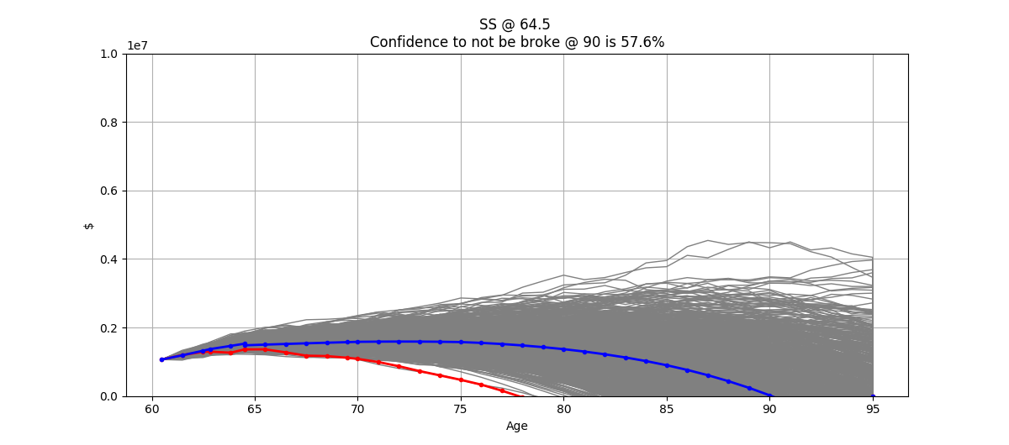
SS @ 64.5
Start | Average Return | Return SD | CPI | Martha Take Home | 403B Contrib | John Take Home | 401K | ESPP | RSUs | Martha's BD | John's BD | Proj Expenses | FRA | Collect SS | Healthcare | Healthcare Increase | Martha Retire | John Retire | Qualifying Total | NonQualifying Total | Liabilities @ retirement
2020-04-22 | 6.00% | 3.90% | 2.50% | $37,498 | $9,120 | $79,240 | $26,000 | $8,500 | $17,000 | 1959-08-30 | 1959-10-31 | $85,181 | $47,868 | 2024-05-01 | $13,206 | 6.50% | 63 | 64.5 | $700,577 | $364,404 | $48,036

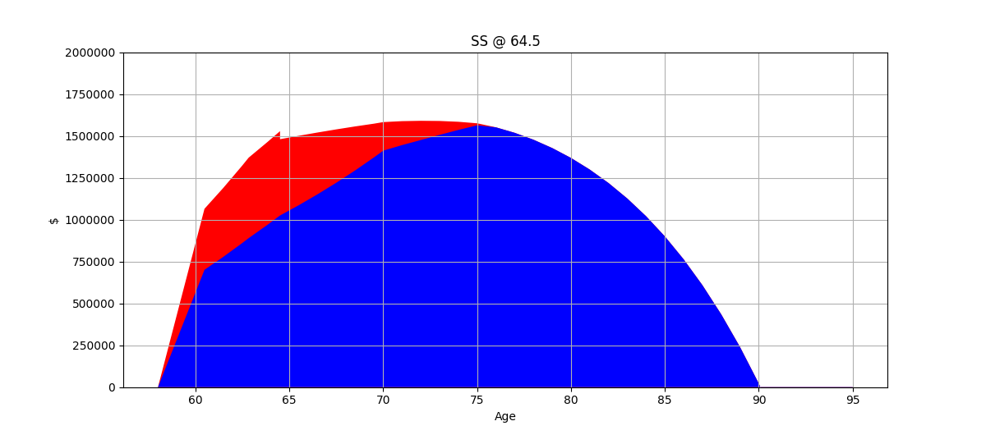
Date | Qual Total | Non-Q Total | RMD | SS Income | Expenses | NQ Taxable Income | Q Taxable Income | Taxes | Healthcare | Age | Total Expenses
2020-04-22 | $700,577 | $364,404 | $- | $- | $- | $- | $- | $- | $- | 60.48 | $-
2021-04-22 06:00:00 | $777,732 | $411,768 | $- | $- | $- | $- | $- | $- | $- | 61.48 | $-
2022-04-22 12:00:00 | $859,516 | $461,974 | $- | $- | $- | $- | $- | $- | $- | 62.48 | $-
2022-08-29 18:00:00 | $889,791 | $480,586 | $- | $- | $- | $- | $- | $- | $- | 62.83 | $-
2023-08-30 | $969,178 | $494,540 | $- | $- | $40,381 | $- | $- | $- | $- | 63.83 | $40,381
2024-04-30 15:00:00 | $1,025,017 | $503,554 | $- | $- | $27,651 | $- | $- | $- | $- | 64.50 | $27,651
2024-05-01 | $1,025,017 | $455,518 | $- | $- | $- | $- | $- | $- | $- | 64.50 | $-
2025-05-01 06:00:00 | $1,086,518 | $414,413 | $- | $54,158 | $96,374 | $73,366 | $- | $8,127 | $18,093 | 65.50 | $122,595
2026-05-01 12:00:00 | $1,151,709 | $368,806 | $- | $55,512 | $98,784 | $72,050 | $- | $7,930 | $19,269 | 66.50 | $125,983
2027-05-01 18:00:00 | $1,220,812 | $318,363 | $- | $56,900 | $101,253 | $70,493 | $- | $7,697 | $20,522 | 67.50 | $129,472
2028-05-01 | $1,294,061 | $262,723 | $- | $58,323 | $103,785 | $68,676 | $- | $7,424 | $21,856 | 68.50 | $133,065
2029-05-01 06:00:00 | $1,371,704 | $201,502 | $- | $59,781 | $106,379 | $66,577 | $- | $7,109 | $23,277 | 69.50 | $136,765
2029-10-30 12:00:00 | $1,412,115 | $170,541 | $- | $29,788 | $54,333 | $6,024 | $- | $- | $12,352 | 70.00 | $66,685
2030-10-30 18:00:00 | $1,445,305 | $143,001 | $51,537 | $61,275 | $109,039 | $62,316 | $- | $16,756 | $24,789 | 71.00 | $150,584
2031-10-31 | $1,475,566 | $114,781 | $56,457 | $62,807 | $111,765 | $61,966 | $- | $17,898 | $26,401 | 72.00 | $156,064
2032-10-30 06:00:00 | $1,506,461 | $82,905 | $57,639 | $64,377 | $114,559 | $61,607 | $- | $18,104 | $28,117 | 73.00 | $160,780
2033-10-30 12:00:00 | $1,535,858 | $48,683 | $60,990 | $65,987 | $117,423 | $61,063 | $- | $18,806 | $29,944 | 74.00 | $166,173
2034-10-30 18:00:00 | $1,563,478 | $11,994 | $64,532 | $67,636 | $120,359 | $60,412 | $- | $19,528 | $31,891 | 75.00 | $171,778
2035-10-31 | $1,551,322 | $- | $71,067 | $69,327 | $123,367 | $- | $166,461 | $29,954 | $33,964 | 76.00 | $187,286
2036-10-30 06:00:00 | $1,518,556 | $- | $70,515 | $71,060 | $126,452 | $- | $181,918 | $34,283 | $36,171 | 77.00 | $196,906
2037-10-30 12:00:00 | $1,477,407 | $- | $71,630 | $72,837 | $129,613 | $- | $191,493 | $36,963 | $38,523 | 78.00 | $205,099
2038-10-30 18:00:00 | $1,427,583 | $- | $72,779 | $74,658 | $132,853 | $- | $199,645 | $39,246 | $41,026 | 79.00 | $213,126
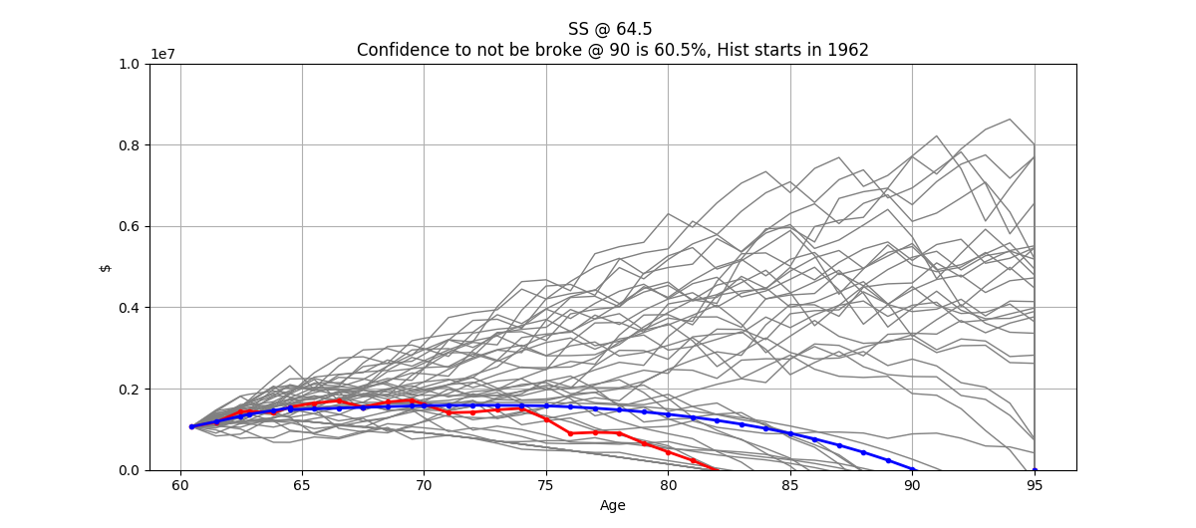
2039-10-31 | $1,368,411 | $- | $76,341 | $76,524 | $136,175 | $- | $207,635 | $41,483 | $43,693 | 80.00 | $221,351
2040-10-30 06:00:00 | $1,299,063 | $- | $73,177 | $78,437 | $139,579 | $- | $215,830 | $43,778 | $46,533 | 81.00 | $229,890
2041-10-30 12:00:00 | $1,218,617 | $- | $72,573 | $80,398 | $143,068 | $- | $224,345 | $46,162 | $49,558 | 82.00 | $238,788
2042-10-30 18:00:00 | $1,126,069 | $- | $71,264 | $82,408 | $146,645 | $- | $233,225 | $48,649 | $52,779 | 83.00 | $248,073
2043-10-31 | $1,020,335 | $- | $72,650 | $84,468 | $150,311 | $- | $242,499 | $51,245 | $56,210 | 84.00 | $257,766
2044-10-30 06:00:00 | $899,857 | $- | $65,828 | $86,580 | $154,069 | $- | $252,191 | $54,346 | $59,863 | 85.00 | $268,279
2045-10-30 12:00:00 | $763,100 | $- | $60,801 | $88,745 | $157,921 | $- | $262,710 | $57,817 | $63,755 | 86.00 | $279,493
2046-10-30 18:00:00 | $608,559 | $- | $54,121 | $90,963 | $161,869 | $- | $273,940 | $61,523 | $67,899 | 87.00 | $291,291
2047-10-31 | $434,657 | $- | $47,918 | $93,237 | $165,916 | $- | $285,765 | $65,426 | $72,312 | 88.00 | $303,653
2048-10-30 06:00:00 | $239,711 | $- | $34,225 | $95,568 | $170,063 | $- | $298,166 | $69,518 | $77,012 | 89.00 | $316,594
2049-10-30 12:00:00 | $21,913 | $- | $19,976 | $97,957 | $174,315 | $- | $311,157 | $73,805 | $82,018 | 90.00 | $330,138
2050-10-30 18:00:00 | $(220,684) | $- | $1,922 | $100,406 | $178,673 | $- | $324,766 | $78,296 | $87,349 | 91.00 | $344,318
2051-10-31 | $(490,177) | $- | $(21,636) | $102,917 | $183,140 | $- | $339,025 | $83,001 | $93,027 | 92.00 | $359,168
2052-10-30 06:00:00 | $(788,823) | $- | $(48,057) | $105,489 | $187,718 | $- | $353,970 | $87,933 | $99,074 | 93.00 | $374,725
2053-10-30 12:00:00 | $(1,119,055) | $- | $(82,169) | $108,127 | $192,411 | $- | $369,639 | $93,104 | $105,514 | 94.00 | $391,029
2054-10-30 18:00:00 | $(1,483,488) | $- | $(122,973) | $110,830 | $197,221 | $- | $386,073 | $98,527 | $112,372 | 95.00 | $408,120
2054-10-30 18:00:00 | $(1,483,488) | $- | $(122,973) | $- | $- | $- | $- | $- | $- | 95.00 | $-
2054-10-30 18:00:00 | $- | $- | $(122,973) | $- | $- | $- | $- | $- | $- | 95.00 | $-
Total |  |  |  | $2,407,481 | $4,353,465 | $664,551 | $5,320,453 | $1,324,439 | $1,575,164 |  | $7,253,068
 |  |  |  |  | 60.02% |  |  | 18.26% | 21.72%
 |  |  |  | 28.69% |  | 7.92% | 63.40%

SS @ 70
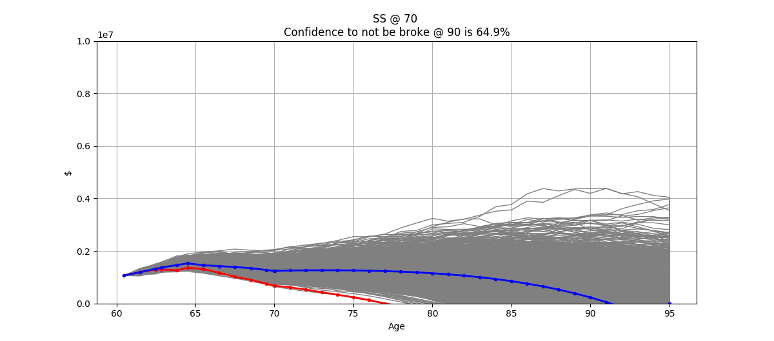
SS @ 70
Start | Average Return | Return SD | CPI | Martha Take Home | 403B Contrib | John Take Home | 401K | ESPP | RSUs | Martha's BD | John's BD | Proj Expenses | FRA | Collect SS | Healthcare | Healthcare Increase | Martha Retire | John Retire | Qualifying Total | NonQualifying Total | Liabilities @ retirement
2020-04-22 | 6.00% | 3.90% | 2.50% | $37,498 | $9,120 | $79,240 | $26,000 | $8,500 | $17,000 | 1959-08-30 | 1959-10-31 | $85,181 | $71,268 | 2029-10-31 | $13,206 | 6.50% | 63 | 64.5 | $700,577 | $364,404 | $48,036
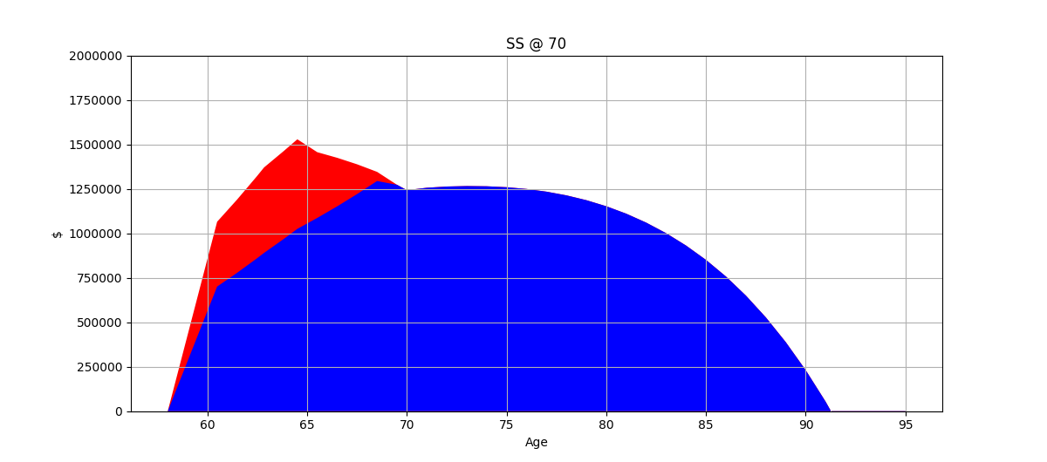
Date | Qual Total | Non-Q Total | RMD | SS Income | Expenses | NQ Taxable Income | Q Taxable Income | Taxes | Healthcare | Age | Total Expenses
2020-04-22 | $700,577 | $364,404 | $- | $- | $- | $- | $- | $- | $- | 60.48 | $-
2021-04-22 06:00:00 | $777,732 | $411,768 | $- | $- | $- | $- | $- | $- | $- | 61.48 | $-
2022-04-22 12:00:00 | $859,516 | $461,974 | $- | $- | $- | $- | $- | $- | $- | 62.48 | $-
2022-08-29 18:00:00 | $889,791 | $480,586 | $- | $- | $- | $- | $- | $- | $- | 62.83 | $-
2023-08-30 | $969,178 | $494,540 | $- | $- | $40,381 | $- | $- | $- | $- | 63.83 | $40,381
2024-04-30 15:00:00 | $1,025,017 | $503,554 | $- | $- | $27,651 | $- | $- | $- | $- | 64.50 | $27,651
2025-04-30 21:00:00 | $1,086,518 | $369,543 | $- | $- | $96,374 | $30,213 | $- | $1,721 | $18,093 | 65.50 | $116,189
2026-05-01 03:00:00 | $1,151,709 | $272,745 | $- | $- | $98,784 | $22,173 | $- | $917 | $19,269 | 66.50 | $118,971
2027-05-01 09:00:00 | $1,220,812 | $166,997 | $- | $- | $101,253 | $16,365 | $- | $336 | $20,522 | 67.50 | $122,112
2028-04-30 15:00:00 | $1,294,061 | $51,377 | $- | $- | $103,785 | $10,020 | $- | $- | $21,856 | 68.50 | $125,641
2029-04-30 21:00:00 | $1,272,718 | $- | $- | $- | $106,379 | $- | $129,656 | $20,706 | $23,277 | 69.50 | $150,362
2029-10-31 | $1,242,300 | $- | $- | $- | $54,631 | $- | $- | $13,491 | $12,420 | 70.00 | $80,542
2029-10-30 12:00:00 | $1,242,537 | $- | $- | $- | $(299) | $- | $- | $(69) | $(68) | 70.00 | $(435)
2030-10-30 18:00:00 | $1,256,179 | $- | $45,348 | $91,229 | $109,039 | $- | $120,075 | $18,311 | $24,789 | 71.00 | $152,140
2031-10-31 | $1,262,989 | $- | $49,069 | $93,510 | $111,765 | $- | $142,450 | $23,905 | $26,401 | 72.00 | $162,071
2032-10-30 06:00:00 | $1,265,596 | $- | $49,335 | $95,848 | $114,559 | $- | $152,204 | $26,343 | $28,117 | 73.00 | $169,019
2033-10-30 12:00:00 | $1,264,372 | $- | $51,239 | $98,244 | $117,423 | $- | $158,974 | $28,036 | $29,944 | 74.00 | $175,403
2034-10-30 18:00:00 | $1,259,089 | $- | $53,125 | $100,700 | $120,359 | $- | $165,180 | $29,596 | $31,891 | 75.00 | $181,845
2035-10-31 | $1,249,170 | $- | $57,231 | $103,217 | $123,367 | $- | $171,445 | $31,350 | $33,964 | 76.00 | $188,681
2036-10-30 06:00:00 | $1,234,081 | $- | $56,780 | $105,798 | $126,452 | $- | $178,103 | $33,214 | $36,171 | 77.00 | $195,837
2037-10-30 12:00:00 | $1,213,264 | $- | $58,211 | $108,443 | $129,613 | $- | $185,084 | $35,169 | $38,523 | 78.00 | $203,304
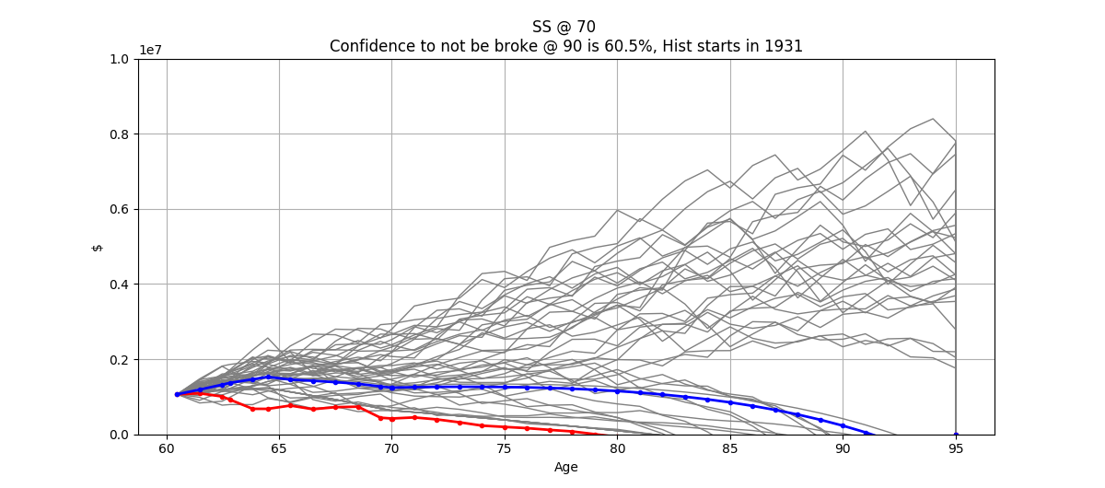
2038-10-30 18:00:00 | $1,186,123 | $- | $59,767 | $111,154 | $132,853 | $- | $192,376 | $37,211 | $41,026 | 79.00 | $211,090
2039-10-31 | $1,152,013 | $- | $63,429 | $113,933 | $136,175 | $- | $199,989 | $39,342 | $43,693 | 80.00 | $219,210
2040-10-30 06:00:00 | $1,110,234 | $- | $61,605 | $116,781 | $139,579 | $- | $207,937 | $41,568 | $46,533 | 81.00 | $227,680
2041-10-30 12:00:00 | $1,060,030 | $- | $62,024 | $119,700 | $143,068 | $- | $216,239 | $43,893 | $49,558 | 82.00 | $236,519
2042-10-30 18:00:00 | $1,000,579 | $- | $61,990 | $122,693 | $146,645 | $- | $224,913 | $46,321 | $52,779 | 83.00 | $245,745
2043-10-31 | $930,994 | $- | $64,554 | $125,760 | $150,311 | $- | $233,978 | $48,859 | $56,210 | 84.00 | $255,381
2044-10-30 06:00:00 | $850,312 | $- | $60,064 | $128,904 | $154,069 | $- | $243,456 | $51,513 | $59,863 | 85.00 | $265,446
2045-10-30 12:00:00 | $757,047 | $- | $57,454 | $132,127 | $157,921 | $- | $253,370 | $54,735 | $63,755 | 86.00 | $276,410
2046-10-30 18:00:00 | $649,828 | $- | $53,691 | $135,430 | $161,869 | $- | $264,188 | $58,305 | $67,899 | 87.00 | $288,072
2047-10-31 | $527,298 | $- | $51,168 | $138,816 | $165,916 | $- | $275,710 | $62,107 | $72,312 | 88.00 | $300,335
2048-10-30 06:00:00 | $388,036 | $- | $41,520 | $142,286 | $170,063 | $- | $287,840 | $66,110 | $77,012 | 89.00 | $313,186
2049-10-30 12:00:00 | $230,518 | $- | $32,336 | $145,843 | $174,315 | $- | $300,567 | $70,310 | $82,018 | 90.00 | $326,643
2050-10-30 18:00:00 | $53,104 | $- | $20,221 | $149,489 | $178,673 | $- | $313,909 | $74,713 | $87,349 | 91.00 | $340,735
2051-10-31 | $(145,979) | $- | $5,206 | $153,227 | $183,140 | $- | $327,896 | $79,329 | $93,027 | 92.00 | $355,495
2052-10-30 06:00:00 | $(368,640) | $- | $(14,312) | $157,057 | $187,718 | $- | $342,562 | $84,168 | $99,074 | 93.00 | $370,960
2053-10-30 12:00:00 | $(616,945) | $- | $(38,400) | $160,984 | $192,411 | $- | $357,946 | $89,245 | $105,514 | 94.00 | $387,170
2054-10-30 18:00:00 | $(893,118) | $- | $(67,796) | $165,008 | $197,221 | $- | $374,087 | $94,572 | $112,372 | 95.00 | $404,165
2054-10-30 18:00:00 | $(893,118) | $- | $(67,796) | $- | $- | $- | $- | $- | $- | 95.00 | $-
2054-10-30 18:00:00 | $- | $- | $(67,796) | $- | $- | $- | $- | $- | $- | 95.00 | $-
Total |  |  |  | $3,116,181 | $4,353,465 | $78,770 | $6,020,134 | $1,305,331 | $1,575,164 |  | $7,233,960
 |  |  |  |  | 60.18% |  |  | 18.04% | 21.77%
 |  |  |  | 33.82% |  | 0.85% | 65.33%

Martha ret @ 62
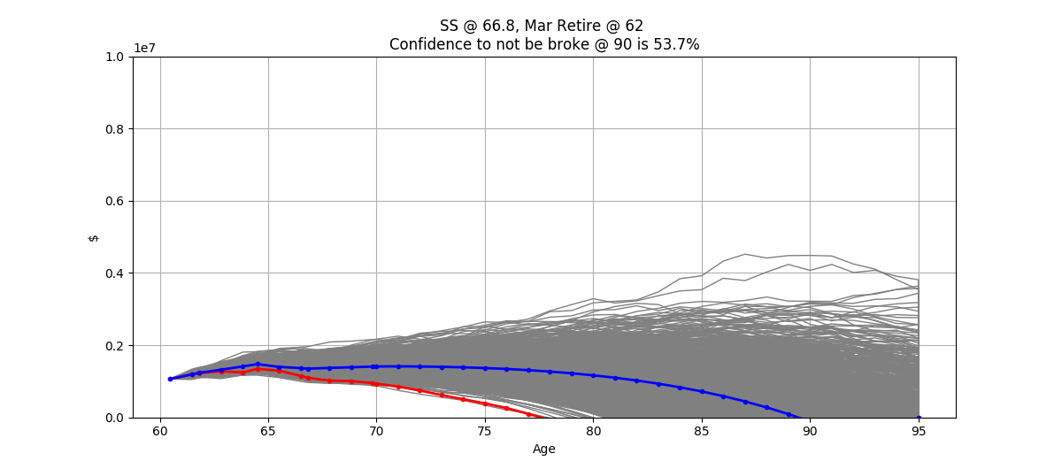
SS @ 66.8, Mar Retire @ 62
Start | Average Return | Return SD | CPI | Martha Take Home | 403B Contrib | John Take Home | 401K | ESPP | RSUs | Martha's BD | John's BD | Proj Expenses | FRA | Collect SS | Healthcare | Healthcare Increase | Martha Retire | John Retire | Qualifying Total | NonQualifying Total | Liabilities @ retirement
2020-04-22 | 6.00% | 3.90% | 2.50% | $37,498 | $9,120 | $79,240 | $26,000 | $8,500 | $17,000 | 1959-08-30 | 1959-10-31 | $85,181 | $56,754 | 2026-08-31 | $13,206 | 6.50% | 62 | 64.5 | $700,577 | $364,404 | $48,036
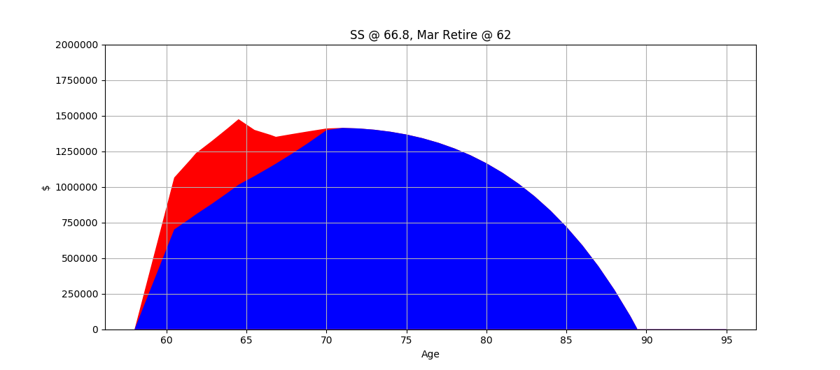
Date | Qual Total | Non-Q Total | SS Income | Expenses | NQ Taxable Income | Q Taxable Income | Taxes | Healthcare | Age | Total Expenses
2020-04-22 | $700,577 | $364,404 | $- | $- | $- | $- | $- | $- | 60.48 | $-
2021-04-22 06:00:00 | $777,732 | $411,768 | $- | $- | $- | $- | $- | $- | 61.48 | $-
2021-08-29 12:00:00 | $806,307 | $429,336 | $- | $- | $- | $- | $- | $- | 61.83 | $-
2022-08-29 18:00:00 | $880,685 | $441,200 | $- | $39,396 | $- | $- | $- | $- | 62.83 | $39,396
 | $959,526 | $452,791 | $- | $40,381 | $- | $- | $- | $- | 63.83 | $40,381
2024-04-30 15:00:00 | $1,014,982 | $460,148 | $- | $27,651 | $- | $- | $- | $- | 64.50 | $27,651
2025-04-30 21:00:00 | $1,075,881 | $323,792 | $- | $96,374 | $27,609 | $- | $1,461 | $18,093 | 65.50 | $115,929
2026-05-01 03:00:00 | $1,140,433 | $224,524 | $- | $98,784 | $19,428 | $- | $643 | $19,269 | 66.50 | $118,696
2026-08-31 | $1,162,661 | $188,542 | $- | $33,543 | $4,463 | $- | $16 | $6,799 | 66.83 | $40,357
2027-08-31 06:00:00 | $1,232,421 | $138,121 | $67,463 | $101,253 | $68,656 | $- | $7,421 | $20,522 | 67.83 | $129,196
2028-08-30 12:00:00 | $1,306,366 | $82,735 | $69,149 | $103,785 | $67,064 | $- | $7,182 | $21,856 | 68.83 | $132,823
2029-08-30 18:00:00 | $1,384,748 | $22,017 | $70,878 | $106,379 | $65,210 | $- | $6,904 | $23,277 | 69.83 | $136,560
2029-10-30 12:00:00 | $1,398,067 | $11,888 | $11,643 | $17,912 | $217 | $- | $- | $4,072 | 70.00 | $21,984
2030-10-30 18:00:00 | $1,413,635 | $- | $72,650 | $109,039 | $- | $122,931 | $19,025 | $24,789 | 71.00 | $152,854
2031-10-31 | $1,409,956 | $- | $74,466 | $111,765 | $- | $146,021 | $24,798 | $26,401 | 72.00 | $162,963
2032-10-30 06:00:00 | $1,400,907 | $- | $76,328 | $114,559 | $- | $156,024 | $27,299 | $28,117 | 73.00 | $169,974
2033-10-30 12:00:00 | $1,386,805 | $- | $78,236 | $117,423 | $- | $162,931 | $29,025 | $29,944 | 74.00 | $176,393
2034-10-30 18:00:00 | $1,367,221 | $- | $80,192 | $120,359 | $- | $169,246 | $30,734 | $31,891 | 75.00 | $182,984
2035-10-31 | $1,341,568 | $- | $82,197 | $123,367 | $- | $175,736 | $32,552 | $33,964 | 76.00 | $189,883
2036-10-30 06:00:00 | $1,309,235 | $- | $84,252 | $126,452 | $- | $182,537 | $34,456 | $36,171 | 77.00 | $197,079
2037-10-30 12:00:00 | $1,269,568 | $- | $86,358 | $129,613 | $- | $189,638 | $36,444 | $38,523 | 78.00 | $204,580
2038-10-30 18:00:00 | $1,221,860 | $- | $88,517 | $132,853 | $- | $197,046 | $38,518 | $41,026 | 79.00 | $212,398
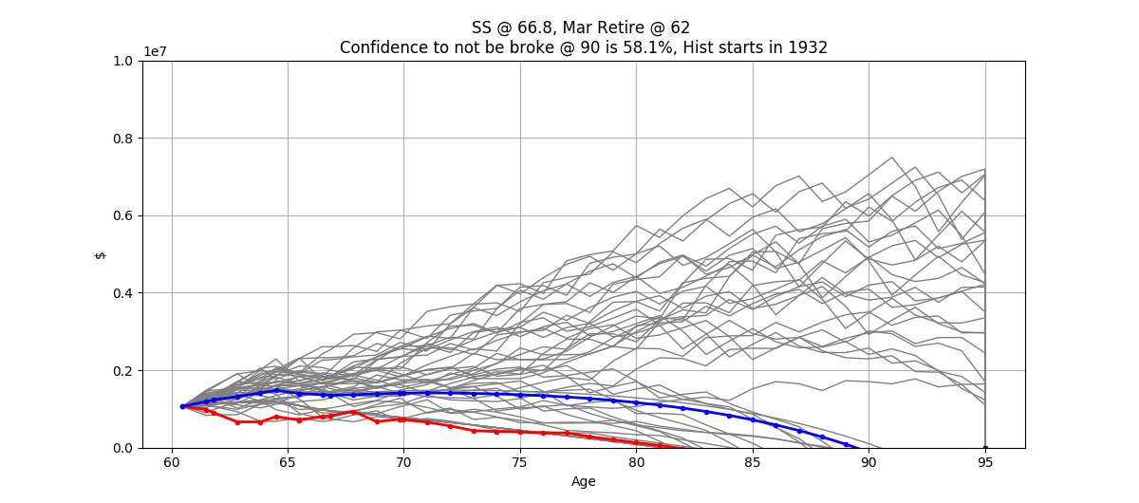
2039-10-31 | $1,165,351 | $- | $90,730 | $136,175 | $- | $204,777 | $40,683 | $43,693 | 80.00 | $220,551
2040-10-30 06:00:00 | $1,099,216 | $- | $92,998 | $139,579 | $- | $212,846 | $42,942 | $46,533 | 81.00 | $229,054
2041-10-30 12:00:00 | $1,022,564 | $- | $95,323 | $143,068 | $- | $221,270 | $45,301 | $49,558 | 82.00 | $237,928
2042-10-30 18:00:00 | $934,435 | $- | $97,706 | $146,645 | $- | $230,070 | $47,765 | $52,779 | 83.00 | $247,189
2043-10-31 | $833,789 | $- | $100,149 | $150,311 | $- | $239,264 | $50,339 | $56,210 | 84.00 | $256,861
2044-10-30 06:00:00 | $719,285 | $- | $102,652 | $154,069 | $- | $248,874 | $53,251 | $59,863 | 85.00 | $267,184
2045-10-30 12:00:00 | $589,345 | $- | $105,219 | $157,921 | $- | $259,144 | $56,641 | $63,755 | 86.00 | $278,316
2046-10-30 18:00:00 | $442,488 | $- | $107,849 | $161,869 | $- | $270,231 | $60,299 | $67,899 | 87.00 | $290,067
2047-10-31 | $277,190 | $- | $110,545 | $165,916 | $- | $281,945 | $64,165 | $72,312 | 88.00 | $302,392
2048-10-30 06:00:00 | $91,831 | $- | $113,309 | $170,063 | $- | $294,244 | $68,224 | $77,012 | 89.00 | $315,299
2049-10-30 12:00:00 | $(115,328) | $- | $116,142 | $174,315 | $- | $307,135 | $72,478 | $82,018 | 90.00 | $328,811
2050-10-30 18:00:00 | $(346,160) | $- | $119,045 | $178,673 | $- | $320,643 | $76,935 | $87,349 | 91.00 | $342,957
2051-10-31 | $(602,681) | $- | $122,021 | $183,140 | $- | $334,799 | $81,607 | $93,027 | 92.00 | $357,773
2052-10-30 06:00:00 | $(887,066) | $- | $125,072 | $187,718 | $- | $349,638 | $86,503 | $99,074 | 93.00 | $373,295
2053-10-30 12:00:00 | $(1,201,654) | $- | $128,199 | $192,411 | $- | $365,198 | $91,638 | $105,514 | 94.00 | $389,563
2054-10-30 18:00:00 | $(1,548,968) | $- | $131,404 | $197,221 | $- | $381,521 | $97,025 | $112,372 | 95.00 | $406,618
2054-10-30 18:00:00 | $(1,548,968) | $- | $- | $- | $- | $- | $- | $- | 95.00 | $-
2054-10-30 18:00:00 | $- | $- | $- | $- | $- | $- | $- | $- | 95.00 | $-
Total |  |  | $2,700,692 | $4,389,984 | $252,647 | $6,023,708 | $1,332,274 | $1,573,683 |  | $7,295,940
 |  |  |  | 60.17% |  |  | 18.26% | 21.57%
 |  |  | 30.08% |  | 2.81% | 67.10%

Spend Less
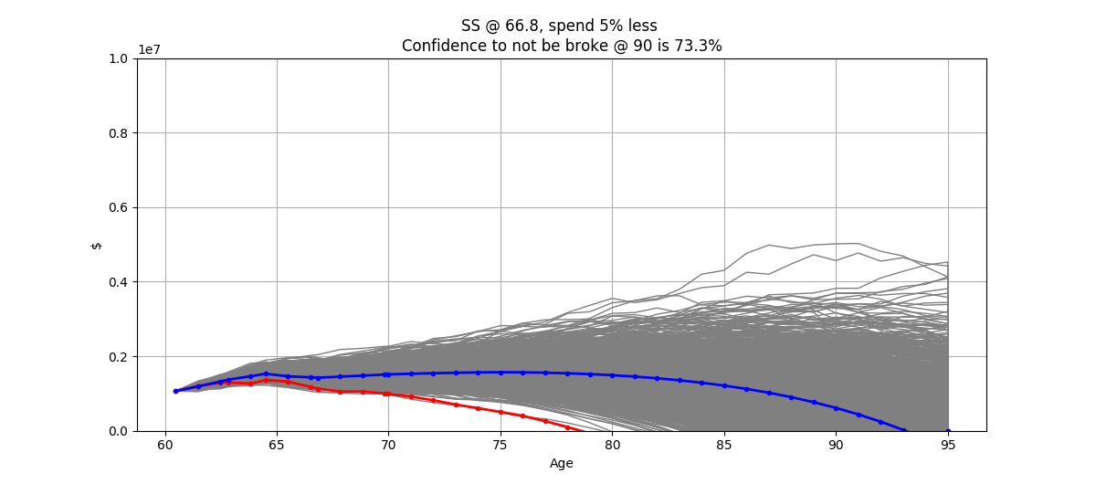
SS @ 66.8, spend 5% less
Start | Average Return | Return SD | CPI | Martha Take Home | 403B Contrib | John Take Home | 401K | ESPP | RSUs | Martha's BD | John's BD | Proj Expenses | FRA | Collect SS | Healthcare | Healthcare Increase | Martha Retire | John Retire | Qualifying Total | NonQualifying Total | Liabilities @ retirement
2020-04-22 | 6.00% | 3.90% | 2.50% | $37,498 | $9,120 | $79,240 | $26,000 | $8,500 | $17,000 | 1959-08-30 | 1959-10-31 | $80,922 | $56,754 | 2026-08-31 | $13,206 | 6.50% | 63 | 64.5 | $700,577 | $364,404 | $48,036
 |  |  |  |  |  |  |  |  |  |  |  | ($4,259)
Date | Qual Total | Non-Q Total | SS Income | Expenses | NQ Taxable Income | Q Taxable Income | Taxes | Healthcare | Age | Total Expenses |  | ($354.92)
2020-04-22 | $700,577 | $364,404 | $- | $- | $- | $- | $- | $- | 60.48 | $- |  | 5.00%
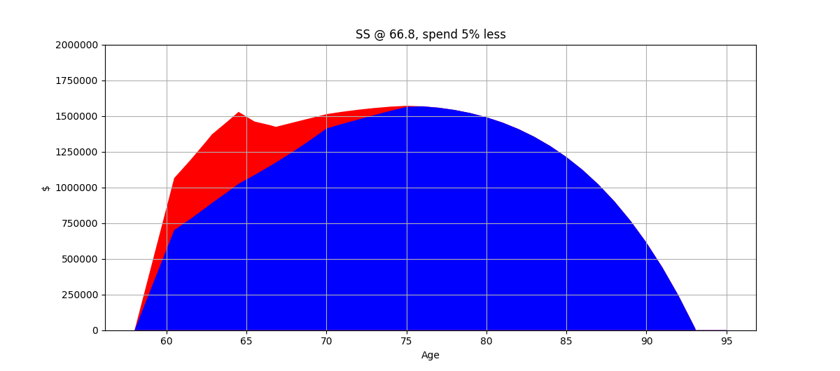
2021-04-22 06:00:00 | $777,732 | $411,768 | $- | $- | $- | $- | $- | $- | 61.48 | $-
2022-04-22 12:00:00 | $859,516 | $461,974 | $- | $- | $- | $- | $- | $- | 62.48 | $-
2022-08-29 18:00:00 | $889,791 | $480,586 | $- | $39,396 | $- | $- | $- | $- | 62.83 | $39,396
2023-08-30 | $969,178 | $494,540 | $- | $40,381 | $- | $- | $- | $- | 63.83 | $40,381
2024-04-30 15:00:00 | $1,025,017 | $503,554 | $- | $27,651 | $- | $- | $- | $- | 64.50 | $27,651
2025-04-30 21:00:00 | $1,086,518 | $374,361 | $- | $91,556 | $30,213 | $- | $1,721 | $18,093 | 65.50 | $111,371
2026-05-01 03:00:00 | $1,151,709 | $282,763 | $- | $93,845 | $22,462 | $- | $946 | $19,269 | 66.50 | $114,060
2026-08-31 | $1,174,157 | $249,478 | $- | $31,866 | $5,620 | $- | $131 | $6,799 | 66.83 | $38,796
2027-08-31 06:00:00 | $1,244,607 | $207,227 | $67,463 | $96,191 | $72,312 | $- | $7,969 | $20,522 | 67.83 | $124,682
2028-08-30 12:00:00 | $1,319,283 | $160,554 | $69,149 | $98,596 | $71,210 | $- | $7,804 | $21,856 | 68.83 | $128,256
2029-08-30 18:00:00 | $1,398,440 | $109,124 | $70,878 | $101,060 | $69,880 | $- | $7,604 | $23,277 | 69.83 | $131,941
2029-10-30 12:00:00 | $1,411,890 | $100,728 | $11,643 | $17,016 | $1,076 | $- | $- | $4,072 | 70.00 | $21,089
2030-10-30 18:00:00 | $1,445,075 | $84,451 | $72,650 | $103,587 | $67,796 | $- | $18,124 | $24,789 | 71.00 | $146,500
2031-10-31 | $1,475,331 | $68,359 | $74,466 | $106,177 | $68,363 | $- | $19,495 | $26,401 | 72.00 | $152,073
2032-10-30 06:00:00 | $1,506,220 | $49,526 | $76,328 | $108,831 | $68,980 | $- | $19,945 | $28,117 | 73.00 | $156,893
2033-10-30 12:00:00 | $1,535,613 | $29,312 | $78,236 | $111,552 | $69,472 | $- | $20,906 | $29,944 | 74.00 | $162,402
2034-10-30 18:00:00 | $1,563,228 | $7,649 | $80,192 | $114,341 | $69,922 | $- | $21,903 | $31,891 | 75.00 | $168,135
2035-10-31 | $1,567,228 | $- | $82,197 | $117,199 | $- | $160,737 | $28,477 | $33,964 | 76.00 | $179,640
2036-10-30 06:00:00 | $1,557,669 | $- | $84,252 | $120,129 | $- | $172,139 | $31,545 | $36,171 | 77.00 | $187,845
2037-10-30 12:00:00 | $1,542,018 | $- | $86,358 | $123,132 | $- | $180,246 | $33,814 | $38,523 | 78.00 | $195,469
2038-10-30 18:00:00 | $1,519,896 | $- | $88,517 | $126,211 | $- | $187,774 | $35,922 | $41,026 | 79.00 | $203,159
2039-10-31 | $1,490,711 | $- | $90,730 | $129,366 | $- | $195,372 | $38,050 | $43,693 | 80.00 | $211,109
2040-10-30 06:00:00 | $1,453,767 | $- | $92,998 | $132,600 | $- | $203,233 | $40,251 | $46,533 | 81.00 | $219,384
2041-10-30 12:00:00 | $1,408,299 | $- | $95,323 | $135,915 | $- | $211,425 | $42,545 | $49,558 | 82.00 | $228,018
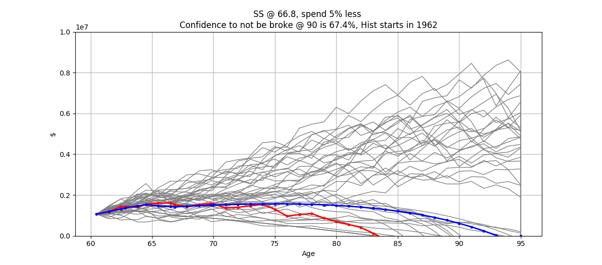
2042-10-30 18:00:00 | $1,353,470 | $- | $97,706 | $139,313 | $- | $219,981 | $44,940 | $52,779 | 83.00 | $237,032
2043-10-31 | $1,288,377 | $- | $100,149 | $142,796 | $- | $228,923 | $47,444 | $56,210 | 84.00 | $246,450
2044-10-30 06:00:00 | $1,212,041 | $- | $102,652 | $146,366 | $- | $238,275 | $50,063 | $59,863 | 85.00 | $256,292
2045-10-30 12:00:00 | $1,123,220 | $- | $105,219 | $150,025 | $- | $248,059 | $52,983 | $63,755 | 86.00 | $266,762
2046-10-30 18:00:00 | $1,020,367 | $- | $107,849 | $153,775 | $- | $258,479 | $56,421 | $67,899 | 87.00 | $278,095
2047-10-31 | $902,055 | $- | $110,545 | $157,620 | $- | $269,771 | $60,148 | $72,312 | 88.00 | $290,079
2048-10-30 06:00:00 | $766,823 | $- | $113,309 | $161,560 | $- | $281,724 | $64,092 | $77,012 | 89.00 | $302,665
2049-10-30 12:00:00 | $613,118 | $- | $116,142 | $165,599 | $- | $294,288 | $68,238 | $82,018 | 90.00 | $315,856
2050-10-30 18:00:00 | $439,274 | $- | $119,045 | $169,739 | $- | $307,470 | $72,588 | $87,349 | 91.00 | $329,677
2051-10-31 | $243,492 | $- | $122,021 | $173,983 | $- | $321,295 | $77,150 | $93,027 | 92.00 | $344,160
2052-10-30 06:00:00 | $23,832 | $- | $125,072 | $178,332 | $- | $335,796 | $81,936 | $99,074 | 93.00 | $359,342
2053-10-30 12:00:00 | $(221,800) | $- | $128,199 | $182,791 | $- | $351,010 | $86,956 | $105,514 | 94.00 | $375,261
2054-10-30 18:00:00 | $(495,663) | $- | $131,404 | $187,360 | $- | $366,978 | $92,226 | $112,372 | 95.00 | $391,958
2054-10-30 18:00:00 | $(495,663) | $- | $- | $- | $- | $- | $- | $- | 95.00 | $-
2054-10-30 18:00:00 | $- | $- | $- | $- | $- | $- | $- | $- | 95.00 | $-
Total |  |  | $2,700,692 | $4,175,858 | $617,307 | $5,032,977 | $1,232,337 | $1,573,683 |  | $6,981,878
 |  |  |  | 59.81% |  |  | 17.65% | 22.54%
 |  |  | 32.34% |  | 7.39% | 60.27%

Pay SL Now

SS @ 66.8 Pay SL Now
Start | Average Return | Return SD | CPI | Martha Take Home | 403B Contrib | John Take Home | 401K | ESPP | RSUs | Martha's BD | John's BD | Proj Expenses | FRA | Collect SS | Healthcare | Healthcare Increase | Martha Retire | John Retire | Qualifying Total | NonQualifying Total | Liabilities @ retirement
2020-04-22 | 6.00% | 3.90% | 2.50% | $37,498 | $9,120 | $79,240 | $26,000 | $24,809 | $17,000 | 1959-08-30 | 1959-10-31 | $85,181 | $56,754 | 2026-08-31 | $13,206 | 6.50% | 63 | 64.5 | $700,577 | $269,707 | $0

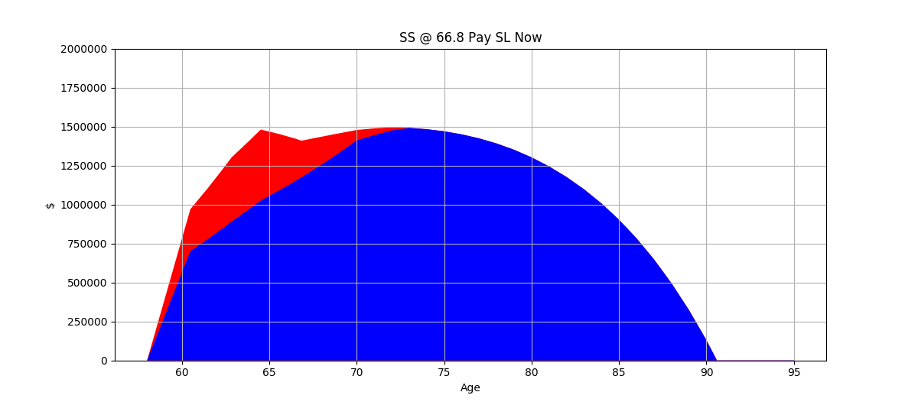
Date | Qual Total | Non-Q Total | SS Income | Expenses | NQ Taxable Income | Q Taxable Income | Taxes | Healthcare | Age | Total Expenses
2020-04-22 | $700,577 | $269,707 | $- | $- | $- | $- | $- | $- | 60.48 | $-
2021-04-22 06:00:00 | $777,732 | $327,698 | $- | $- | $- | $- | $- | $- | 61.48 | $-
2022-04-22 12:00:00 | $859,516 | $389,169 | $- | $- | $- | $- | $- | $- | 62.48 | $-
2022-08-29 18:00:00 | $889,791 | $412,027 | $- | $39,396 | $- | $- | $- | $- | 62.83 | $39,396
2023-08-30 | $969,178 | $438,177 | $- | $40,381 | $- | $- | $- | $- | 63.83 | $40,381
2024-04-30 15:00:00 | $1,025,017 | $455,849 | $- | $27,651 | $- | $- | $- | $- | 64.50 | $27,651
2025-04-30 21:00:00 | $1,086,518 | $367,297 | $- | $96,374 | $27,351 | $- | $1,435 | $18,093 | 65.50 | $115,903
2026-05-01 03:00:00 | $1,151,709 | $270,378 | $- | $98,784 | $22,038 | $- | $904 | $19,269 | 66.50 | $118,957
2026-08-31 | $1,174,157 | $235,199 | $- | $33,543 | $5,374 | $- | $107 | $6,799 | 66.83 | $40,449
2027-08-31 06:00:00 | $1,244,607 | $187,157 | $67,463 | $101,253 | $71,455 | $- | $7,841 | $20,522 | 67.83 | $129,616
2028-08-30 12:00:00 | $1,319,283 | $134,272 | $69,149 | $103,785 | $70,006 | $- | $7,623 | $21,856 | 68.83 | $133,264
2029-08-30 18:00:00 | $1,398,440 | $76,183 | $70,878 | $106,379 | $68,303 | $- | $7,368 | $23,277 | 69.83 | $137,024
2029-10-30 12:00:00 | $1,411,890 | $66,574 | $11,643 | $17,912 | $751 | $- | $- | $4,072 | 70.00 | $21,984
2030-10-30 18:00:00 | $1,445,075 | $43,308 | $72,650 | $109,039 | $65,747 | $- | $17,611 | $24,789 | 71.00 | $151,440
2031-10-31 | $1,475,331 | $19,777 | $74,466 | $111,765 | $65,895 | $- | $18,878 | $26,401 | 72.00 | $157,044
2032-10-30 06:00:00 | $1,491,461 | $- | $76,328 | $114,559 | $- | $150,105 | $25,819 | $28,117 | 73.00 | $168,495
2033-10-30 12:00:00 | $1,483,162 | $- | $78,236 | $117,423 | $- | $161,451 | $28,655 | $29,944 | 74.00 | $176,023
2034-10-30 18:00:00 | $1,469,463 | $- | $80,192 | $120,359 | $- | $168,876 | $30,631 | $31,891 | 75.00 | $182,880
2035-10-31 | $1,449,974 | $- | $82,197 | $123,367 | $- | $175,632 | $32,523 | $33,964 | 76.00 | $189,854
2036-10-30 06:00:00 | $1,424,153 | $- | $84,252 | $126,452 | $- | $182,508 | $34,448 | $36,171 | 77.00 | $197,071
2037-10-30 12:00:00 | $1,391,383 | $- | $86,358 | $129,613 | $- | $189,629 | $36,442 | $38,523 | 78.00 | $204,577
2038-10-30 18:00:00 | $1,350,985 | $- | $88,517 | $132,853 | $- | $197,044 | $38,518 | $41,026 | 79.00 | $212,398
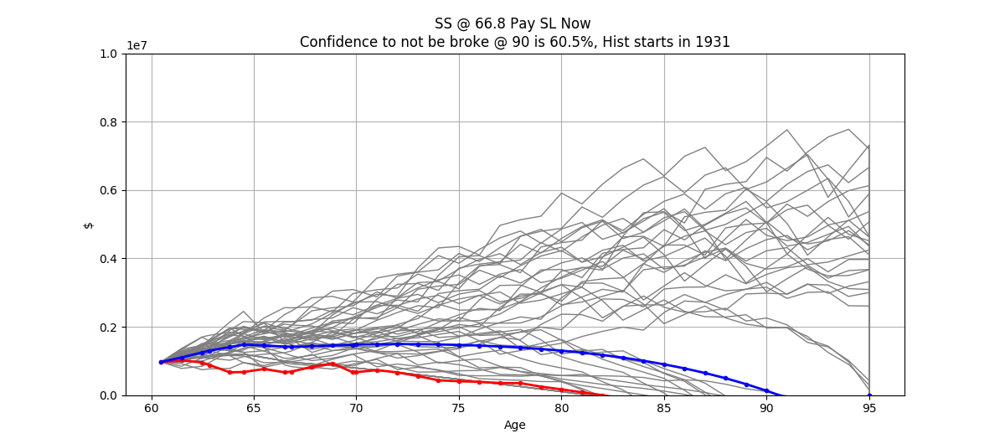
2039-10-31 | $1,302,224 | $- | $90,730 | $136,175 | $- | $204,776 | $40,683 | $43,693 | 80.00 | $220,551
2040-10-30 06:00:00 | $1,244,301 | $- | $92,998 | $139,579 | $- | $212,845 | $42,942 | $46,533 | 81.00 | $229,054
2041-10-30 12:00:00 | $1,176,354 | $- | $95,323 | $143,068 | $- | $221,270 | $45,301 | $49,558 | 82.00 | $237,928
2042-10-30 18:00:00 | $1,097,452 | $- | $97,706 | $146,645 | $- | $230,070 | $47,765 | $52,779 | 83.00 | $247,189
2043-10-31 | $1,006,588 | $- | $100,149 | $150,311 | $- | $239,264 | $50,339 | $56,210 | 84.00 | $256,860
2044-10-30 06:00:00 | $902,451 | $- | $102,652 | $154,069 | $- | $248,874 | $53,251 | $59,863 | 85.00 | $267,184
2045-10-30 12:00:00 | $783,501 | $- | $105,219 | $157,921 | $- | $259,144 | $56,641 | $63,755 | 86.00 | $278,316
2046-10-30 18:00:00 | $648,294 | $- | $107,849 | $161,869 | $- | $270,231 | $60,299 | $67,899 | 87.00 | $290,067
2047-10-31 | $495,345 | $- | $110,545 | $165,916 | $- | $281,945 | $64,165 | $72,312 | 88.00 | $302,392
2048-10-30 06:00:00 | $323,075 | $- | $113,309 | $170,063 | $- | $294,244 | $68,224 | $77,012 | 89.00 | $315,299
2049-10-30 12:00:00 | $129,790 | $- | $116,142 | $174,315 | $- | $307,135 | $72,478 | $82,018 | 90.00 | $328,811
2050-10-30 18:00:00 | $(86,334) | $- | $119,045 | $178,673 | $- | $320,643 | $76,935 | $87,349 | 91.00 | $342,957
2051-10-31 | $(327,266) | $- | $122,021 | $183,140 | $- | $334,799 | $81,607 | $93,027 | 92.00 | $357,773
2052-10-30 06:00:00 | $(595,126) | $- | $125,072 | $187,718 | $- | $349,638 | $86,503 | $99,074 | 93.00 | $373,295
2053-10-30 12:00:00 | $(892,198) | $- | $128,199 | $192,411 | $- | $365,198 | $91,638 | $105,514 | 94.00 | $389,563
2054-10-30 18:00:00 | $(1,220,944) | $- | $131,404 | $197,221 | $- | $381,521 | $97,025 | $112,372 | 95.00 | $406,618
2054-10-30 18:00:00 | $(1,220,944) | $- | $- | $- | $- | $- | $- | $- | 95.00 | $-
2054-10-30 18:00:00 | $- | $- | $- | $- | $- | $- | $- | $- | 95.00 | $-
Total |  |  | $2,700,692 | $4,389,984 | $396,920 | $5,746,843 | $1,324,598 | $1,573,683 |  | $7,288,265
 |  |  |  | 60.23% |  |  | 18.17% | 21.59%
 |  |  | 30.54% |  | 4.49% | 64.98%

No RSUs
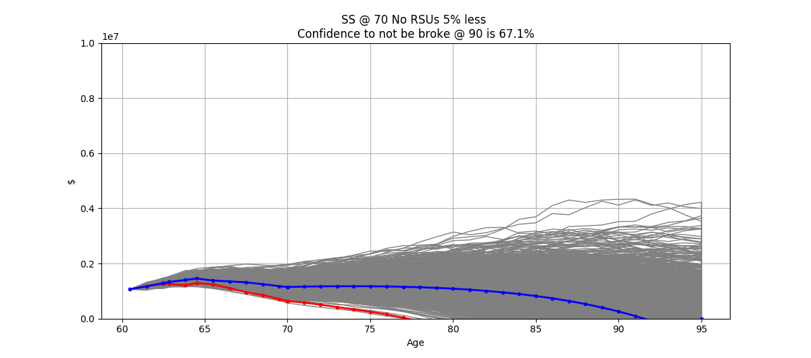
SS @ 70 No RSUs 5% less
Start | Average Return | Return SD | CPI | Martha Take Home | 403B Contrib | John Take Home | 401K | ESPP | RSUs | Martha's BD | John's BD | Proj Expenses | FRA | Collect SS | Healthcare | Healthcare Increase | Martha Retire | John Retire | Qualifying Total | NonQualifying Total | Liabilities @ retirement
2020-04-22 | 6.00% | 3.90% | 2.50% | $37,498 | $9,120 | $79,240 | $26,000 | $8,500 | $0 | 1959-08-30 | 1959-10-31 | $80,922 | $71,268 | 2029-10-31 | $13,206 | 6.50% | 63 | 64.5 | $700,577 | $364,404 | $48,036

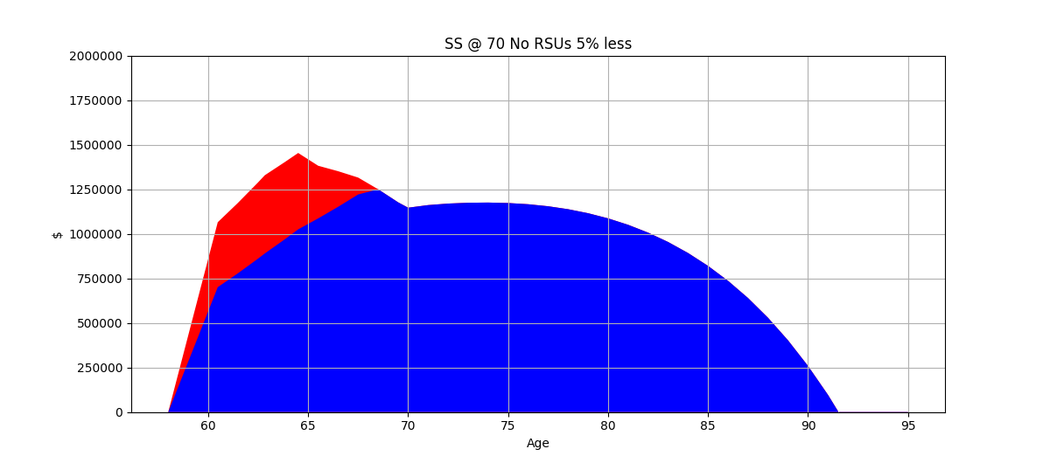
Date | Qual Total | Non-Q Total | SS Income | Expenses | NQ Taxable Income | Q Taxable Income | Taxes | Healthcare | Age | Total Expenses
2020-04-22 | $700,577 | $364,404 | $- | $- | $- | $- | $- | $- | 60.48 | $-
2021-04-22 06:00:00 | $777,732 | $394,768 | $- | $- | $- | $- | $- | $- | 61.48 | $-
2022-04-22 12:00:00 | $859,516 | $426,954 | $- | $- | $- | $- | $- | $- | 62.48 | $-
2022-08-29 18:00:00 | $889,791 | $438,834 | $- | $39,396 | $- | $- | $- | $- | 62.83 | $39,396
2023-08-30 | $969,178 | $433,283 | $- | $40,381 | $- | $- | $- | $- | 63.83 | $40,381
2024-04-30 15:00:00 | $1,025,017 | $428,509 | $- | $27,651 | $- | $- | $- | $- | 64.50 | $27,651
2025-04-30 21:00:00 | $1,086,518 | $295,263 | $- | $91,556 | $25,711 | $- | $1,271 | $18,093 | 65.50 | $110,920
2026-05-01 03:00:00 | $1,151,709 | $199,393 | $- | $93,845 | $17,716 | $- | $472 | $19,269 | 66.50 | $113,586
2027-05-01 09:00:00 | $1,220,812 | $94,644 | $- | $96,191 | $11,964 | $- | $- | $20,522 | 67.50 | $116,713
2028-04-30 15:00:00 | $1,249,848 | $- | $- | $98,596 | $- | $120,451 | $18,405 | $21,856 | 68.50 | $138,857
2029-04-30 21:00:00 | $1,176,524 | $- | $- | $101,060 | $- | $142,742 | $23,978 | $23,277 | 69.50 | $148,315
2029-10-31 | $1,146,260 | $- | $- | $51,900 | $- | $- | $13,218 | $12,420 | 70.00 | $77,538
2029-10-30 12:00:00 | $1,146,494 | $- | $- | $(284) | $- | $- | $(65) | $(68) | 70.00 | $(416)
2030-10-30 18:00:00 | $1,161,187 | $- | $91,229 | $103,587 | $- | $114,627 | $16,949 | $24,789 | 71.00 | $145,326
2031-10-31 | $1,169,623 | $- | $93,510 | $106,177 | $- | $135,500 | $22,168 | $26,401 | 72.00 | $154,745
2032-10-30 06:00:00 | $1,174,222 | $- | $95,848 | $108,831 | $- | $144,738 | $24,477 | $28,117 | 73.00 | $161,425
2033-10-30 12:00:00 | $1,175,322 | $- | $98,244 | $111,552 | $- | $151,237 | $26,102 | $29,944 | 74.00 | $167,598
2034-10-30 18:00:00 | $1,172,710 | $- | $100,700 | $114,341 | $- | $157,228 | $27,600 | $31,891 | 75.00 | $173,831
2035-10-31 | $1,166,014 | $- | $103,217 | $117,199 | $- | $163,280 | $29,112 | $33,964 | 76.00 | $180,275
2036-10-30 06:00:00 | $1,154,654 | $- | $105,798 | $120,129 | $- | $169,543 | $30,818 | $36,171 | 77.00 | $187,118
2037-10-30 12:00:00 | $1,138,038 | $- | $108,443 | $123,132 | $- | $176,206 | $32,683 | $38,523 | 78.00 | $194,338
2038-10-30 18:00:00 | $1,115,582 | $- | $111,154 | $126,211 | $- | $183,247 | $34,655 | $41,026 | 79.00 | $201,892
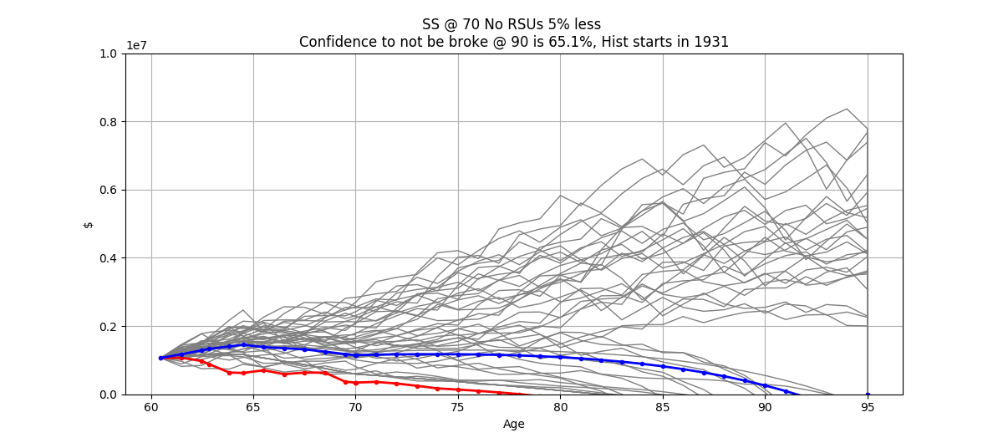
2039-10-31 | $1,086,671 | $- | $113,933 | $129,366 | $- | $190,624 | $36,720 | $43,693 | 80.00 | $209,779
2040-10-30 06:00:00 | $1,050,639 | $- | $116,781 | $132,600 | $- | $198,336 | $38,880 | $46,533 | 81.00 | $218,013
2041-10-30 12:00:00 | $1,006,768 | $- | $119,700 | $135,915 | $- | $206,398 | $41,137 | $49,558 | 82.00 | $226,610
2042-10-30 18:00:00 | $954,278 | $- | $122,693 | $139,313 | $- | $214,825 | $43,497 | $52,779 | 83.00 | $235,589
2043-10-31 | $892,325 | $- | $125,760 | $142,796 | $- | $223,638 | $45,964 | $56,210 | 84.00 | $244,970
2044-10-30 06:00:00 | $819,994 | $- | $128,904 | $146,366 | $- | $232,858 | $48,546 | $59,863 | 85.00 | $254,775
2045-10-30 12:00:00 | $736,294 | $- | $132,127 | $150,025 | $- | $242,506 | $51,247 | $63,755 | 86.00 | $265,027
2046-10-30 18:00:00 | $639,744 | $- | $135,430 | $153,775 | $- | $252,607 | $54,483 | $67,899 | 87.00 | $276,157
2047-10-31 | $528,904 | $- | $138,816 | $157,620 | $- | $263,593 | $58,109 | $72,312 | 88.00 | $288,041
2048-10-30 06:00:00 | $402,367 | $- | $142,286 | $161,560 | $- | $275,338 | $61,985 | $77,012 | 89.00 | $300,557
2049-10-30 12:00:00 | $258,662 | $- | $145,843 | $165,599 | $- | $287,726 | $66,072 | $82,018 | 90.00 | $313,690
2050-10-30 18:00:00 | $96,216 | $- | $149,489 | $169,739 | $- | $300,738 | $70,366 | $87,349 | 91.00 | $327,455
2051-10-31 | $(86,666) | $- | $153,227 | $173,983 | $- | $314,392 | $74,872 | $93,027 | 92.00 | $341,882
2052-10-30 06:00:00 | $(291,816) | $- | $157,057 | $178,332 | $- | $328,720 | $79,601 | $99,074 | 93.00 | $357,007
2053-10-30 12:00:00 | $(521,208) | $- | $160,984 | $182,791 | $- | $343,757 | $84,563 | $105,514 | 94.00 | $372,867
2054-10-30 18:00:00 | $(776,977) | $- | $165,008 | $187,360 | $- | $359,544 | $89,773 | $112,372 | 95.00 | $389,505
2054-10-30 18:00:00 | $(776,977) | $- | $- | $- | $- | $- | $- | $- | 95.00 | $-
2054-10-30 18:00:00 | $- | $- | $- | $- | $- | $- | $- | $- | 95.00 | $-
Total |  |  | $3,116,181 | $4,178,592 | $55,390 | $5,894,402 | $1,247,657 | $1,575,164 |  | $7,001,413
 |  |  |  | 59.68% |  |  | 17.82% | 22.50%
 |  |  | 34.37% |  | 0.61% | 65.02%

Annuity
SS @ 66.8 Anuity
Start | Average Return | Return SD | CPI | Martha Take Home | 403B Contrib | John Take Home | 401K | ESPP | RSUs | Martha's BD | John's BD | Proj Expenses | FRA | Collect SS | Healthcare | Healthcare Increase | Martha Retire | John Retire | Qualifying Total | NonQualifying Total | Liabilities @ retirement | Annuity Payment | Annuity Date
2020-04-22 | 6.00% | 3.90% | 2.50% | $37,498 | $9,120 | $79,240 | $26,000 | $8,500 | $17,000 | 1959-08-30 | 1959-10-31 | $85,181 | $56,754 | 2026-08-31 | $13,206 | 6.50% | 63 | 64.5 | $200,577 | $364,404 | $48,036 | $500,000 | 2025-09-23

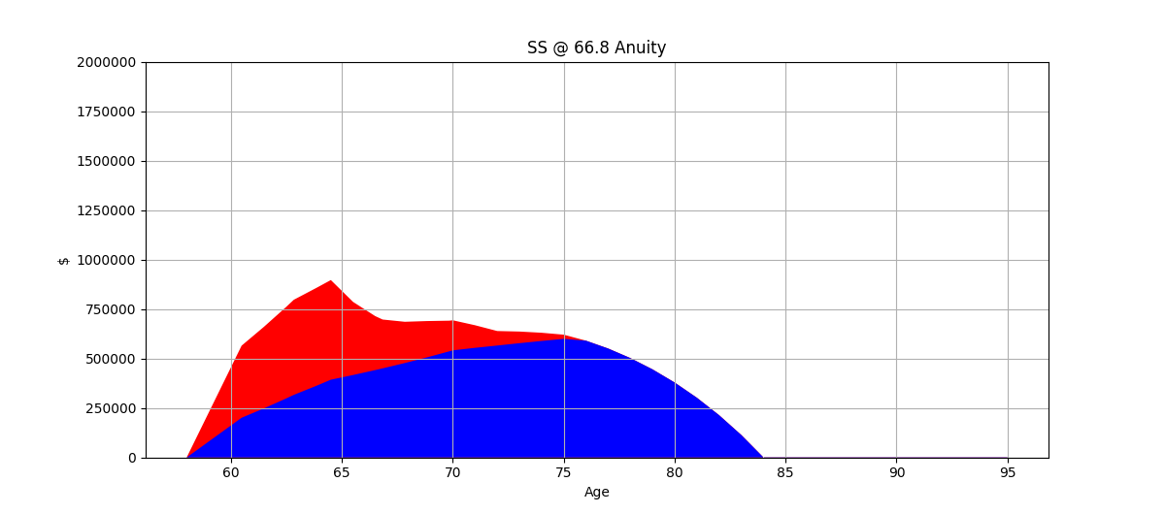
Date | Qual Total | Non-Q Total | SS Income | Expenses | NQ Taxable Income | Q Taxable Income | Taxes | Healthcare | Age | Total Expenses | Annuity AV | Annuity Pmt
2020-04-22 | $200,577 | $364,404 | $- | $- | $- | $- | $- | $- | 60.48 | $- | $500,000 | $-
2021-04-22 06:00:00 | $247,732 | $411,768 | $- | $- | $- | $- | $- | $- | 61.48 | $- | $530,000 | $-
2022-04-22 12:00:00 | $297,716 | $461,974 | $- | $- | $- | $- | $- | $- | 62.48 | $- | $561,800 | $-
2022-08-29 18:00:00 | $316,310 | $480,586 | $- | $39,396 | $- | $- | $- | $- | 62.83 | $39,396 | $573,481 | $-
2023-08-30 | $361,288 | $494,540 | $- | $40,381 | $- | $- | $- | $- | 63.83 | $40,381 | $607,890 | $-
2024-04-30 15:00:00 | $392,998 | $503,554 | $- | $27,651 | $- | $- | $- | $- | 64.50 | $27,651 | $632,019 | $-
2025-04-30 21:00:00 | $416,578 | $369,543 | $- | $96,374 | $30,213 | $- | $1,721 | $18,093 | 65.50 | $116,189 | $669,941 | $-
2026-05-01 03:00:00 | $441,572 | $272,745 | $- | $98,784 | $22,173 | $- | $917 | $19,269 | 66.50 | $118,971 | $676,405 | $31,822
2026-08-31 | $450,179 | $246,820 | $- | $23,001 | $5,421 | $- | $1,441 | $6,799 | 66.83 | $31,241 | $705,707 | $31,822
2027-08-31 06:00:00 | $477,190 | $208,418 | $67,463 | $90,610 | $72,152 | $- | $9,542 | $20,522 | 67.83 | $120,674 | $712,517 | $33,521
2028-08-30 12:00:00 | $505,821 | $183,459 | $69,149 | $70,264 | $71,282 | $- | $14,493 | $21,856 | 68.83 | $106,613 | $719,393 | $33,845
2029-08-30 18:00:00 | $536,170 | $154,967 | $70,878 | $72,535 | $71,254 | $- | $14,567 | $23,277 | 69.83 | $110,378 | $726,335 | $34,171
2029-10-30 12:00:00 | $541,327 | $151,729 | $11,643 | $12,299 | $1,527 | $- | $- | $4,072 | 70.00 | $16,371 | $768,938 | $34,171
2030-10-30 18:00:00 | $554,050 | $114,079 | $72,650 | $103,426 | $70,856 | $- | $10,946 | $24,789 | 71.00 | $139,161 | $776,358 | $36,525
2031-10-31 | $565,651 | $73,242 | $74,466 | $106,152 | $70,141 | $- | $11,238 | $26,401 | 72.00 | $143,791 | $784,224 | $36,525
2032-10-30 06:00:00 | $577,494 | $58,774 | $76,328 | $78,034 | $69,273 | $- | $11,135 | $28,117 | 73.00 | $117,286 | $792,561 | $36,525
2033-10-30 12:00:00 | $588,763 | $41,429 | $78,236 | $80,898 | $70,027 | $- | $11,644 | $29,944 | 74.00 | $122,487 | $801,399 | $36,525
2034-10-30 18:00:00 | $599,351 | $20,981 | $80,192 | $83,834 | $70,649 | $- | $12,139 | $31,891 | 75.00 | $127,864 | $810,767 | $36,525
2035-10-31 | $590,106 | $- | $82,197 | $86,843 | $- | $157,141 | $27,578 | $33,964 | 76.00 | $148,384 | $820,697 | $36,525
2036-10-30 06:00:00 | $550,602 | $- | $84,252 | $89,927 | $- | $177,563 | $33,063 | $36,171 | 77.00 | $159,162 | $831,223 | $36,525
2037-10-30 12:00:00 | $502,331 | $- | $86,358 | $93,088 | $- | $188,245 | $36,054 | $38,523 | 78.00 | $167,665 | $842,380 | $36,525
2038-10-30 18:00:00 | $445,223 | $- | $88,517 | $96,329 | $- | $196,656 | $38,409 | $41,026 | 79.00 | $175,764 | $854,207 | $36,525
2039-10-31 | $378,671 | $- | $90,730 | $99,650 | $- | $204,668 | $40,652 | $43,693 | 80.00 | $183,996 | $866,743 | $36,525
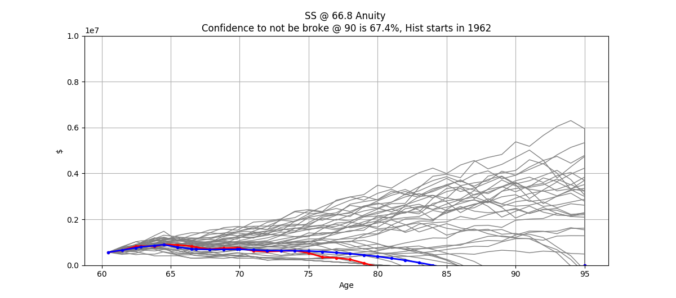
2040-10-30 06:00:00 | $301,868 | $- | $92,998 | $103,054 | $- | $212,815 | $42,934 | $46,533 | 81.00 | $192,521 | $880,032 | $36,525
2041-10-30 12:00:00 | $213,902 | $- | $95,323 | $106,544 | $- | $221,262 | $45,299 | $49,558 | 82.00 | $201,401 | $894,117 | $36,525
2042-10-30 18:00:00 | $113,778 | $- | $97,706 | $110,121 | $- | $230,067 | $47,764 | $52,779 | 83.00 | $210,664 | $909,048 | $36,525
2043-10-31 | $418 | $- | $100,149 | $113,787 | $- | $239,263 | $50,339 | $56,210 | 84.00 | $220,336 | $924,875 | $36,525
2044-10-30 06:00:00 | $(127,564) | $- | $102,652 | $117,545 | $- | $248,874 | $53,251 | $59,863 | 85.00 | $230,659 | $941,652 | $36,525
2045-10-30 12:00:00 | $(271,790) | $- | $105,219 | $121,396 | $- | $259,144 | $56,641 | $63,755 | 86.00 | $241,791 | $959,435 | $36,525
2046-10-30 18:00:00 | $(433,791) | $- | $107,849 | $125,344 | $- | $270,231 | $60,299 | $67,899 | 87.00 | $253,542 | $978,285 | $36,525
2047-10-31 | $(615,141) | $- | $110,545 | $129,391 | $- | $281,945 | $64,165 | $72,312 | 88.00 | $265,868 | $998,266 | $36,525
2048-10-30 06:00:00 | $(817,515) | $- | $113,309 | $133,539 | $- | $294,244 | $68,224 | $77,012 | 89.00 | $278,775 | $1,019,446 | $36,525
2049-10-30 12:00:00 | $(1,042,710) | $- | $116,142 | $137,790 | $- | $307,135 | $72,478 | $82,018 | 90.00 | $292,286 | $1,041,897 | $36,525
2050-10-30 18:00:00 | $(1,292,660) | $- | $119,045 | $142,148 | $- | $320,643 | $76,935 | $87,349 | 91.00 | $306,433 | $1,065,694 | $36,525
2051-10-31 | $(1,569,447) | $- | $122,021 | $146,615 | $- | $334,799 | $81,607 | $93,027 | 92.00 | $321,249 | $1,090,920 | $36,525
2052-10-30 06:00:00 | $(1,875,313) | $- | $125,072 | $151,194 | $- | $349,638 | $86,503 | $99,074 | 93.00 | $336,771 | $1,117,659 | $36,525
2053-10-30 12:00:00 | $(2,212,671) | $- | $128,199 | $155,887 | $- | $365,198 | $91,638 | $105,514 | 94.00 | $353,039 | $1,146,003 | $36,525
2054-10-30 18:00:00 | $(2,584,122) | $- | $131,404 | $160,697 | $- | $381,521 | $97,025 | $112,372 | 95.00 | $370,094 | $1,176,047 | $36,525
2054-10-30 18:00:00 | $(2,584,122) | $- | $- | $- | $- | $- | $- | $- | 95.00 | $- | $1,246,609 | $-
2054-10-30 18:00:00 | $- | $- | $- | $- | $- | $- | $- | $- | 95.00 | $- | $- | $-
Total |  |  | $2,700,692 | $3,444,527 | $624,969 | $5,241,052 | $1,270,643 | $1,573,683 |  | $6,288,853
 |  |  |  | 54.77% |  |  | 20.20% | 25.02%
 |  |  | 31.53% |  | 7.30% | 61.18%

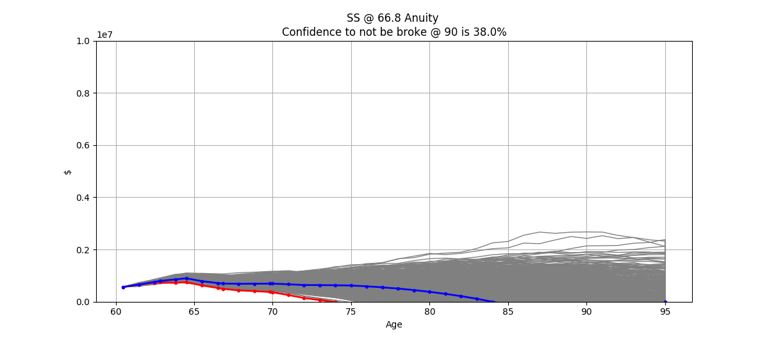
Age | Principal | 5% | Principal | 6% | Principal | 7%
60 | $500,000 |  | $500,000 |  | $500,000
61 | $525,000 |  | $530,000 |  | $535,000
62 | $551,250 |  | $561,800 |  | $572,450
63 | $578,813 |  | $595,508 |  | $612,522
64 | $607,753 |  | $631,238 | $23,750 | $655,398 | $23,750
65 | $638,141 |  | $645,363 | $25,175 | $677,526 | $25,413
66 | $670,048 | $31,827 | $658,910 | $26,686 | $699,540 | $27,191
67 | $671,723 | $31,907 | $671,759 | $28,287 | $721,317 | $29,095
68 | $673,402 | $28,868 | $683,778 | $29,984 | $742,714 | $31,131
69 | $678,204 | $30,312 | $694,820 | $30,655 | $763,573 | $32,182
70 | $681,803 | $31,827 | $705,855 | $31,298 | $784,840 | $33,228
71 | $684,065 | $31,907 | $716,908 | $31,909 | $806,551 | $34,263
72 | $686,362 | $31,987 | $728,014 | $32,479 | $828,747 | $35,279
73 | $688,693 | $32,215 | $739,215 | $33,004 | $851,480 | $36,270
74 | $690,913 | $32,215 | $750,564 | $33,004 | $874,814 | $36,270
75 | $693,244 | $32,215 | $762,594 | $33,004 | $899,781 | $36,270
76 | $695,692 | $32,215 | $775,346 | $33,004 | $926,496 | $36,270
77 | $698,262 | $32,215 | $788,863 | $33,004 | $955,081 | $36,270
78 | $700,960 | $32,215 | $803,190 | $33,004 | $985,667 | $36,270
79 | $703,793 | $32,215 | $818,378 | $33,004 | $1,018,395 | $36,270
80 | $706,768 | $32,215 | $834,476 | $33,004 | $1,053,412 | $36,270
81 | $709,892 | $32,215 | $851,541 | $33,004 | $1,090,882 | $36,270
82 | $713,172 | $32,215 | $869,630 | $33,004 | $1,130,974 | $36,270
83 | $716,616 | $32,215 | $888,803 | $33,004 | $1,173,872 | $36,270
84 | $720,232 | $32,215 | $909,128 | $33,004 | $1,219,773 | $36,270
85 | $724,029 | $32,215 | $930,671 | $33,004 | $1,268,888 | $36,270
86 | $728,016 | $32,215 | $953,508 | $33,004 | $1,321,440 | $36,270
87 | $732,202 | $32,215 | $977,714 | $33,004 | $1,377,671 | $36,270
88 | $736,597 | $32,215 | $1,003,373 | $33,004 | $1,437,839 | $36,270
89 | $741,212 | $32,215 | $1,030,571 | $33,004 | $1,502,218 | $36,270
90 | $746,058 | $32,215 | $1,059,402 | $33,004 | $1,571,103 | $36,270

T Rowe Price
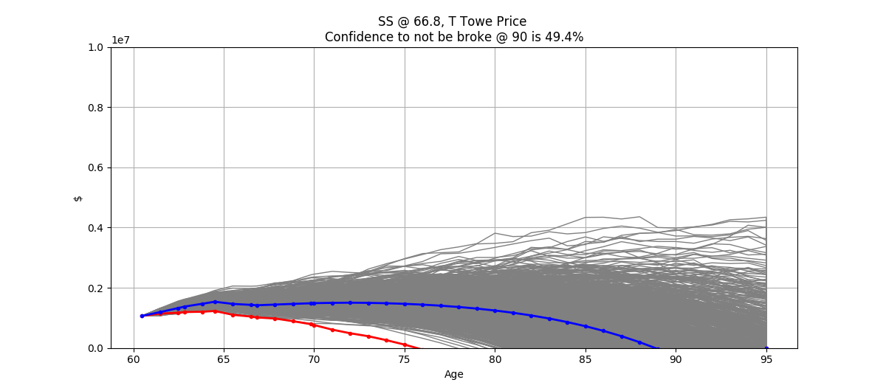
T Towe Price
Start | Average Return | Return SD | CPI | Martha Take Home | 403B Contrib | John Take Home | 401K | ESPP | RSUs | Martha's BD | John's BD | Proj Expenses | FRA | Collect SS | Healthcare | Healthcare Increase | Martha Retire | John Retire | Qualifying Total | NonQualifying Total | Liabilities @ retirement | Annuity Payment | Annuity Date
2020-04-22 | 6.17% | 3.90% | 3.00% | 3749800.00% | 912000.00% | 7924000.00% | 2600000.00% | 850000.00% | 1700000.00% | 2179200.00% | 2185400.00% | 8518100.00% | 5675400.00% | 4626500.00% | 1320600.00% | 3.00% | 6300.00% | 6450.00% | 70057700.00% | 36440400.00% | 4803600.00% | 0.00% | 4592300.00%

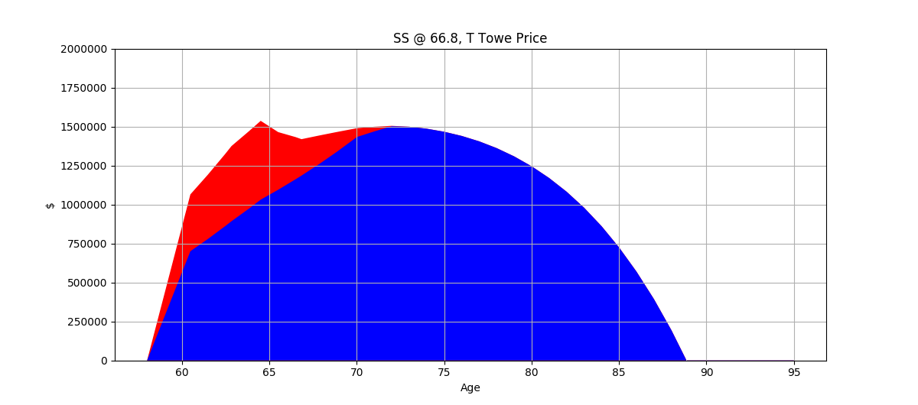
Date | Qual Total | Non-Q Total | SS Income | Expenses | NQ Taxable Income | Q Taxable Income | Taxes | Healthcare | Age | Total Expenses
2020-04-22 | $700,577 | $364,404 | $- | $- | $- | $- | $- | $- | 60.48 | $-
2021-04-22 06:00:00 | $778,923 | $412,388 | $- | $- | $- | $- | $- | $- | 61.48 | $-
2022-04-22 12:00:00 | $862,102 | $463,332 | $- | $- | $- | $- | $- | $- | 62.48 | $-
2022-08-29 18:00:00 | $892,930 | $482,240 | $- | $39,396 | $- | $- | $- | $- | 62.83 | $39,396
2023-08-30 | $974,023 | $496,519 | $- | $40,975 | $- | $- | $- | $- | 63.83 | $40,975
2024-04-30 15:00:00 | $1,031,139 | $505,621 | $- | $28,194 | $- | $- | $- | $- | 64.50 | $28,194
2025-04-30 21:00:00 | $1,094,760 | $369,692 | $- | $98,748 | $31,197 | $- | $1,820 | $18,522 | 65.50 | $119,090
2026-05-01 03:00:00 | $1,162,307 | $269,992 | $- | $101,711 | $22,810 | $- | $981 | $19,819 | 66.50 | $122,510
2026-08-31 | $1,185,591 | $233,549 | $- | $34,706 | $5,519 | $- | $121 | $7,025 | 66.83 | $41,852
2027-08-31 06:00:00 | $1,258,742 | $183,608 | $69,800 | $104,762 | $73,740 | $- | $8,184 | $21,206 | 67.83 | $134,151
2028-08-30 12:00:00 | $1,336,406 | $128,247 | $71,894 | $107,905 | $72,439 | $- | $7,988 | $22,690 | 68.83 | $138,583
2029-08-30 18:00:00 | $1,418,862 | $67,040 | $74,051 | $111,142 | $70,856 | $- | $7,751 | $24,279 | 69.83 | $143,172
2029-10-30 12:00:00 | $1,432,886 | $56,794 | $12,164 | $18,805 | $679 | $- | $- | $4,267 | 70.00 | $23,073
2030-10-30 18:00:00 | $1,469,000 | $29,961 | $76,273 | $114,476 | $68,336 | $- | $18,450 | $25,978 | 71.00 | $158,905
2031-10-31 | $1,502,254 | $2,252 | $78,561 | $117,910 | $68,625 | $- | $19,795 | $27,797 | 72.00 | $165,502
2032-10-30 06:00:00 | $1,498,918 | $- | $80,918 | $121,448 | $- | $158,847 | $28,004 | $29,742 | 73.00 | $179,194
2033-10-30 12:00:00 | $1,486,209 | $- | $83,345 | $125,091 | $- | $172,418 | $31,623 | $31,824 | 74.00 | $188,538
2034-10-30 18:00:00 | $1,466,652 | $- | $85,846 | $128,844 | $- | $181,642 | $34,205 | $34,052 | 75.00 | $197,101
2035-10-31 | $1,439,851 | $- | $88,421 | $132,709 | $- | $190,087 | $36,570 | $36,436 | 76.00 | $205,715
2036-10-30 06:00:00 | $1,405,137 | $- | $91,074 | $136,690 | $- | $198,586 | $38,949 | $38,986 | 77.00 | $214,626
2037-10-30 12:00:00 | $1,361,719 | $- | $93,806 | $140,791 | $- | $207,385 | $41,413 | $41,715 | 78.00 | $223,920
2038-10-30 18:00:00 | $1,308,722 | $- | $96,620 | $145,015 | $- | $216,571 | $43,985 | $44,635 | 79.00 | $233,636

2039-10-31 | $1,245,186 | $- | $99,518 | $149,365 | $- | $226,183 | $46,677 | $47,760 | 80.00 | $243,802
2040-10-30 06:00:00 | $1,170,073 | $- | $102,504 | $153,846 | $- | $236,250 | $49,496 | $51,103 | 81.00 | $254,445
2041-10-30 12:00:00 | $1,082,137 | $- | $105,579 | $158,462 | $- | $246,801 | $52,567 | $54,680 | 82.00 | $265,709
2042-10-30 18:00:00 | $979,672 | $- | $108,747 | $163,216 | $- | $257,979 | $56,256 | $58,508 | 83.00 | $277,979
2043-10-31 | $861,132 | $- | $112,009 | $168,112 | $- | $270,170 | $60,279 | $62,603 | 84.00 | $290,995
2044-10-30 06:00:00 | $724,941 | $- | $115,369 | $173,155 | $- | $283,115 | $64,551 | $66,986 | 85.00 | $304,692
2045-10-30 12:00:00 | $569,424 | $- | $118,830 | $178,350 | $- | $296,751 | $69,051 | $71,675 | 86.00 | $319,076
2046-10-30 18:00:00 | $392,779 | $- | $122,395 | $183,701 | $- | $311,084 | $73,781 | $76,692 | 87.00 | $334,173
2047-10-31 | $193,059 | $- | $126,067 | $189,212 | $- | $326,143 | $78,750 | $82,060 | 88.00 | $350,022
2048-10-30 06:00:00 | $(31,844) | $- | $129,849 | $194,888 | $- | $341,965 | $83,972 | $87,805 | 89.00 | $366,664
2049-10-30 12:00:00 | $(284,209) | $- | $133,745 | $200,735 | $- | $358,595 | $89,459 | $93,951 | 90.00 | $384,145
2050-10-30 18:00:00 | $(566,502) | $- | $137,757 | $206,757 | $- | $376,080 | $95,229 | $100,527 | 91.00 | $402,513
2051-10-31 | $(881,387) | $- | $141,890 | $212,959 | $- | $394,470 | $101,298 | $107,564 | 92.00 | $421,822
2052-10-30 06:00:00 | $(1,231,747) | $- | $146,146 | $219,348 | $- | $413,818 | $107,683 | $115,094 | 93.00 | $442,125
2053-10-30 12:00:00 | $(1,620,854) | $- | $150,531 | $225,929 | $- | $434,182 | $114,560 | $123,150 | 94.00 | $463,639
2054-10-30 18:00:00 | $(2,052,411) | $- | $155,047 | $232,706 | $- | $455,780 | $122,119 | $131,771 | 95.00 | $486,596
2054-10-30 18:00:00 | $(2,052,411) | $- | $- | $- | $- | $- | $- | $- | 95.00 | $-
2054-10-30 18:00:00 | $- | $- | $- | $- | $- | $- | $- | $- | 95.00 | $-
Total |  |  | $3,008,754 | $4,860,059 | $414,201 | $6,554,902 | $1,585,567 | $1,760,905 |  | $8,206,531
 |  |  |  | 59.22% |  |  | 19.32% | 21.46%
 |  |  | 30.15% |  | 4.15% | 65.69%

Hist
60 / 40
 | 60-40 |  | 10 yr |  | 30 yr |  | Assumption
1928 | 0.266208814 | 1937 | 0.024133418232 | 1957 | 0.06616889604 | 1920 | 6.00%
1929 | -0.032972463 | 1938 | 0.018013705088 | 1958 | 0.065822458487 | 2030 | 6.00%
1930 | -0.132578092 | 1939 | 0.022557152012 | 1959 | 0.06914763209
1931 | -0.273260717 | 1940 | 0.032717953023 | 1960 | 0.07592833816
1932 | -0.016692959 | 1941 | 0.056815995886 | 1961 | 0.093082698415
1933 | 0.307314441 | 1942 | 0.071064618684 | 1962 | 0.092582805104
1934 | 0.024722376 | 1943 | 0.058365657948 | 1963 | 0.087683156604
1935 | 0.298330717 | 1944 | 0.068244956758 | 1964 | 0.09069662215
1936 | 0.211731963 | 1945 | 0.06249750624 | 1965 | 0.083931791775
1937 | -0.206503788 | 1946 | 0.038250141141 | 1966 | 0.075243148962
1938 | 0.192548918 | 1947 | 0.066194558054 | 1967 | 0.088196798348
1939 | 0.011063657 | 1948 | 0.051905994755 | 1968 | 0.084539473089
1940 | -0.042427313 | 1949 | 0.063526236914 | 1969 | 0.081541587775
1941 | -0.084717524 | 1950 | 0.086574970748 | 1970 | 0.086167810235
1942 | 0.124222051 | 1951 | 0.11078125268 | 1971 | 0.093645935278
1943 | 0.160327861 | 1952 | 0.11016275711 | 1972 | 0.09363244084
1944 | 0.124494506 | 1953 | 0.09479229847 | 1973 | 0.085548474963
1945 | 0.230144175 | 1954 | 0.11320060893 | 1974 | 0.075576237699
1946 | -0.038061387 | 1955 | 0.10953555444 | 1975 | 0.075757880255
1947 | 0.034878787 | 1956 | 0.11775411653 | 1976 | 0.083924312856
1948 | 0.042031599 | 1957 | 0.10990300215 | 1977 | 0.08133705131
1949 | 0.128473283 | 1958 | 0.13063922126 | 1978 | 0.081125928363
1950 | 0.186551617 | 1959 | 0.12376948848 | 1979 | 0.080654364469
1951 | 0.140889523 | 1960 | 0.10996328855 | 1980 | 0.080407673266
1952 | 0.117977917 | 1961 | 0.1125797249 | 1981 | 0.075835144799
1953 | 0.009326133 | 1962 | 0.096884140256 | 1982 | 0.079953969137
1954 | 0.328539141 | 1963 | 0.11055414372 | 1983 | 0.084561250847
1955 | 0.190238235 | 1964 | 0.091107693502 | 1984 | 0.077489826926
1956 | 0.035613976 | 1965 | 0.080280956139 | 1985 | 0.080391849568
1957 | -0.03555611 | 1966 | 0.071202988001 | 1986 | 0.085954219716
1958 | 0.253923657 | 1967 | 0.088932209018 | 1987 | 0.087806481582
1959 | 0.061752218 | 1968 | 0.072593381824 | 1988 | 0.084107435131
1960 | 0.048577227 | 1969 | 0.058532572749 | 1989 | 0.090300640895
1961 | 0.168069961 | 1970 | 0.062484178737 | 1990 | 0.088815180702
1962 | -0.030094587 | 1971 | 0.058450486554 | 1991 | 0.091028041374
1963 | 0.142408211 | 1972 | 0.074154475333 | 1992 | 0.095026540629
1964 | 0.113404995 | 1973 | 0.052146449936 | 1993 | 0.094194314708
1965 | 0.077270875 | 1974 | 0.024430602645 | 1994 | 0.089393653639
1966 | -0.048193962 | 1975 | 0.038641484133 | 1995 | 0.096716993348
1967 | 0.136495315 | 1976 | 0.063601203254 | 1996 | 0.10339063893
1968 | 0.077987655 | 1977 | 0.046158245279 | 1997 | 0.10655282912
1969 | -0.069504424 | 1978 | 0.042004727628 | 1998 | 0.11142072437
1970 | 0.088385818 | 1979 | 0.060911049203 | 1999 | 0.1173760243
1971 | 0.124474488 | 1980 | 0.069379595434 | 2000 | 0.11468482379
1972 | 0.123805974 | 1981 | 0.057390719127 | 2001 | 0.10848379001
1973 | -0.071213626 | 1982 | 0.069025920329 | 2002 | 0.10145900669
1974 | -0.14745628 | 1983 | 0.091808121977 | 2003 | 0.11002025052
1975 | 0.236391837 | 1984 | 0.11915276959 | 2004 | 0.11888864209
1976 | 0.206924237 | 1985 | 0.12393582107 | 2005 | 0.11247282354
1977 | -0.036718382 | 1986 | 0.12404566798 | 2006 | 0.10908921265
...
Year | S&P 500 | 3-month T.Bill | 10-year T. Bond | 60/40 | CPI | 60/40 mult | 10 yr | 30 yr | CPI mult | 10 yr | 30 yr
1928 | 0.438111552 | 0.0308 | 0.008354709 | 0.266208814 | 0.0308 | 1.266208814 |  |  | 1.0308
1929 | -0.082979466 | 0.0316 | 0.042038042 | -0.032972463 | 0.0316 | 0.967027537 |  |  | 1.0316
1930 | -0.251236364 | 0.0455 | 0.045409314 | -0.132578092 | 0.0455 | 0.867421908 |  |  | 1.0455 |  |  | 1920 | 6.00%
1931 | -0.438375489 | 0.0231 | -0.02558856 | -0.273260717 | 0.0231 | 0.726739283 |  |  | 1.0231 |  |  | 2030 | 6.00%
1932 | -0.086423645 | 0.0107 | 0.08790307 | -0.016692959 | 0.0107 | 0.983307041 |  |  | 1.0107
1933 | 0.499822254 | 0.0096 | 0.018552721 | 0.307314441 | 0.0096 | 1.307314441 |  |  | 1.0096
1934 | -0.011885657 | 0.002783333 | 0.079634426 | 0.024722376 | 0.002783333 | 1.024722376 |  |  | 1.002783333
1935 | 0.467404211 | 0.001675 | 0.044720477 | 0.298330717 | 0.001675 | 1.298330717 |  |  | 1.001675
1936 | 0.319434103 | 0.001725 | 0.050178754 | 0.211731963 | 0.001725 | 1.211731963 |  |  | 1.001725
1937 | -0.353367288 | 0.002758333 | 0.013791461 | -0.206503788 | 0.002758333 | 0.793496212 | 2.41% |  | 1.002758333 | 1.59%
1938 | 0.29282654 | 0.00065 | 0.042132485 | 0.192548918 | 0.00065 | 1.192548918 | 1.80% |  | 1.00065 | 1.29%
1939 | -0.010975647 | 0.000458333 | 0.044122614 | 0.011063657 | 0.000458333 | 1.011063657 | 2.26% |  | 1.000458333 | 0.98%
1940 | -0.106728732 | 0.000358333 | 0.054024816 | -0.042427313 | 0.000358333 | 0.957572687 | 3.27% |  | 1.000358333 | 0.54%
1941 | -0.127714556 | 0.001291667 | -0.020221976 | -0.084717524 | 0.001291667 | 0.915282476 | 5.68% |  | 1.001291667 | 0.32%
1942 | 0.191737629 | 0.003425 | 0.022948682 | 0.124222051 | 0.003425 | 1.124222051 | 7.11% |  | 1.003425 | 0.25%
1943 | 0.250613101 | 0.0038 | 0.0249 | 0.160327861 | 0.0038 | 1.160327861 | 5.84% |  | 1.0038 | 0.19%
1944 | 0.190306769 | 0.0038 | 0.025776112 | 0.124494506 | 0.0038 | 1.124494506 | 6.82% |  | 1.0038 | 0.20%
1945 | 0.358210843 | 0.0038 | 0.038044173 | 0.230144175 | 0.0038 | 1.230144175 | 6.25% |  | 1.0038 | 0.22%
1946 | -0.084291475 | 0.0038 | 0.031283745 | -0.038061387 | 0.0038 | 0.961938613 | 3.83% |  | 1.0038 | 0.24%
1947 | 0.052 | 0.006008333 | 0.009196968 | 0.034878787 | 0.006008333 | 1.034878787 | 6.62% |  | 1.006008333 | 0.27%
1948 | 0.057045752 | 0.01045 | 0.019510369 | 0.042031599 | 0.01045 | 1.042031599 | 5.19% |  | 1.01045 | 0.37%
CPI
 | CPI |  | 10 yr |  | 30 yr
1928 | 0.0308 | 1937 | 0.015916047841 | 1957 | 0.011859128648
1929 | 0.0316 | 1938 | 0.012904731123 | 1958 | 0.011428106677
1930 | 0.0455 | 1939 | 0.0098046515772 | 1959 | 0.011501834482
1931 | 0.0231 | 1940 | 0.0053575011146 | 1960 | 0.010960159644
1932 | 0.0107 | 1941 | 0.0031936495872 | 1961 | 0.010974704153
1933 | 0.0096 | 1942 | 0.0024692029877 | 1962 | 0.01153806056
1934 | 0.002783333 | 1943 | 0.0018918052682 | 1963 | 0.012264899393
1935 | 0.001675 | 1944 | 0.0019933352687 | 1964 | 0.013347681866
1936 | 0.001725 | 1945 | 0.0022057001462 | 1965 | 0.014600217132
1937 | 0.002758333 | 1946 | 0.0024131064609 | 1966 | 0.01614887517
1938 | 0.00065 | 1947 | 0.0027375216995 | 1967 | 0.017484652135
1939 | 0.000458333 | 1948 | 0.0037152647949 | 1968 | 0.019227990051
1940 | 0.000358333 | 1949 | 0.0047827883377 | 1969 | 0.021407397797
1941 | 0.001291667 | 1950 | 0.0059493385042 | 1970 | 0.023506801356
1942 | 0.003425 | 1951 | 0.0073355028075 | 1971 | 0.02491071464
1943 | 0.0038 | 1952 | 0.0087123809918 | 1972 | 0.026158394786
1944 | 0.0038 | 1953 | 0.010220421978 | 1973 | 0.028355414208
1945 | 0.0038 | 1954 | 0.010780924938 | 1974 | 0.030812444002
1946 | 0.0038 | 1955 | 0.012127181175 | 1975 | 0.032612823785
1947 | 0.006008333 | 1956 | 0.014370811815 | 1976 | 0.034154332262
1948 | 0.01045 | 1957 | 0.016986236486 | 1977 | 0.035719157063
1949 | 0.01115 | 1958 | 0.017714414216 | 1978 | 0.03775881766
1950 | 0.012033333 | 1959 | 0.019977214925 | 1979 | 0.040698116615
1951 | 0.015175 | 1960 | 0.021657885067 | 1980 | 0.04404420471
1952 | 0.017225 | 1961 | 0.022496788127 | 1981 | 0.048095507034
1953 | 0.018908333 | 1962 | 0.023548188978 | 1982 | 0.051027267793
1954 | 0.009383333 | 1963 | 0.024815216789 | 1983 | 0.053267259652
1955 | 0.01725 | 1964 | 0.027433127807 | 1984 | 0.056136758871
1956 | 0.026275 | 1965 | 0.029657758007 | 1985 | 0.058075629807
1957 | 0.03225 | 1966 | 0.031878448089 | 1986 | 0.059209391448
1958 | 0.017708333 | 1967 | 0.032954660347 | 1987 | 0.060071342606
1959 | 0.033858333 | 1968 | 0.03651972364 | 1988 | 0.061733173737
1960 | 0.028833333 | 1969 | 0.039762953802 | 1989 | 0.06331621836
1961 | 0.023541667 | 1970 | 0.043255296591 | 1990 | 0.064870971264
1962 | 0.027733333 | 1971 | 0.045254406298 | 1991 | 0.06590391384
1963 | 0.031591667 | 1972 | 0.046568264882 | 1992 | 0.066130806888
1964 | 0.035466667 | 1973 | 0.050432155519 | 1993 | 0.066075071483
1965 | 0.039491667 | 1974 | 0.054698567149 | 1994 | 0.066314520672
1966 | 0.048625 | 1975 | 0.056536629021 | 1995 | 0.066837646501
1967 | 0.043066667 | 1976 | 0.056649084342 | 1996 | 0.066886221994
1968 | 0.053383333 | 1977 | 0.057620092408 | 1997 | 0.067142457259
1969 | 0.066666667 | 1978 | 0.059463014875 | 1998 | 0.066952299076
1970 | 0.063916667 | 1979 | 0.06279498361 | 1999 | 0.066269712576
1971 | 0.043325 | 1980 | 0.06772785208 | 2000 | 0.066077118439
1972 | 0.040725 | 1981 | 0.077255247513 | 2001 | 0.065754117952
1973 | 0.070316667 | 1982 | 0.083842295512 | 2002 | 0.064901741077
1974 | 0.0783 | 1983 | 0.085430899057 | 2003 | 0.062848570127
1975 | 0.05775 | 1984 | 0.087122676472 | 2004 | 0.060662689216
1976 | 0.049741667 | 1985 | 0.088861595877 | 2005 | 0.0597734394
1977 | 0.052691667 | 1986 | 0.089898727319 | 2006 | 0.059690055936
...
1949 | 0.183032237 | 0.01115 | 0.046634852 | 0.128473283 | 0.01115 | 1.128473283 | 6.35% |  | 1.01115 | 0.48%
1950 | 0.30805539 | 0.012033333 | 0.004295957 | 0.186551617 | 0.012033333 | 1.186551617 | 8.66% |  | 1.012033333 | 0.59%
1951 | 0.23678463 | 0.015175 | -0.002953139 | 0.140889523 | 0.015175 | 1.140889523 | 11.08% |  | 1.015175 | 0.73%
1952 | 0.181509886 | 0.017225 | 0.022679962 | 0.117977917 | 0.017225 | 1.117977917 | 11.02% |  | 1.017225 | 0.87%
1953 | -0.012082047 | 0.018908333 | 0.041438403 | 0.009326133 | 0.018908333 | 1.009326133 | 9.48% |  | 1.018908333 | 1.02%
1954 | 0.525633212 | 0.009383333 | 0.032898035 | 0.328539141 | 0.009383333 | 1.328539141 | 11.32% |  | 1.009383333 | 1.08%
1955 | 0.325973319 | 0.01725 | -0.013364391 | 0.190238235 | 0.01725 | 1.190238235 | 10.95% |  | 1.01725 | 1.21%
1956 | 0.074395119 | 0.026275 | -0.022557738 | 0.035613976 | 0.026275 | 1.035613976 | 11.78% |  | 1.026275 | 1.44%
1957 | -0.104573602 | 0.03225 | 0.067970128 | -0.03555611 | 0.03225 | 0.96444389 | 10.99% | 6.62% | 1.03225 | 1.70% | 1.19%
1958 | 0.43719955 | 0.017708333 | -0.020990182 | 0.253923657 | 0.017708333 | 1.253923657 | 13.06% | 6.58% | 1.017708333 | 1.77% | 1.14%
1959 | 0.120564572 | 0.033858333 | -0.026466313 | 0.061752218 | 0.033858333 | 1.061752218 | 12.38% | 6.91% | 1.033858333 | 2.00% | 1.15%
1960 | 0.003365353 | 0.028833333 | 0.116395037 | 0.048577227 | 0.028833333 | 1.048577227 | 11.00% | 7.59% | 1.028833333 | 2.17% | 1.10%
1961 | 0.26637713 | 0.023541667 | 0.020609208 | 0.168069961 | 0.023541667 | 1.168069961 | 11.26% | 9.31% | 1.023541667 | 2.25% | 1.10%
1962 | -0.088114605 | 0.027733333 | 0.056935441 | -0.030094587 | 0.027733333 | 0.969905413 | 9.69% | 9.26% | 1.027733333 | 2.35% | 1.15%
1963 | 0.226119271 | 0.031591667 | 0.016841621 | 0.142408211 | 0.031591667 | 1.142408211 | 11.06% | 8.77% | 1.031591667 | 2.48% | 1.23%
1964 | 0.164154559 | 0.035466667 | 0.037280649 | 0.113404995 | 0.035466667 | 1.113404995 | 9.11% | 9.07% | 1.035466667 | 2.74% | 1.33%
1965 | 0.123992425 | 0.039491667 | 0.007188551 | 0.077270875 | 0.039491667 | 1.077270875 | 8.03% | 8.39% | 1.039491667 | 2.97% | 1.46%
1966 | -0.099709542 | 0.048625 | 0.029079409 | -0.048193962 | 0.048625 | 0.951806038 | 7.12% | 7.52% | 1.048625 | 3.19% | 1.61%
1967 | 0.238029665 | 0.043066667 | -0.01580621 | 0.136495315 | 0.043066667 | 1.136495315 | 8.89% | 8.82% | 1.043066667 | 3.30% | 1.75%
1968 | 0.108148627 | 0.053383333 | 0.032746197 | 0.077987655 | 0.053383333 | 1.077987655 | 7.26% | 8.45% | 1.053383333 | 3.65% | 1.92%
1969 | -0.082413711 | 0.066666667 | -0.050140493 | -0.069504424 | 0.066666667 | 0.930495576 | 5.85% | 8.15% | 1.066666667 | 3.98% | 2.14%
1970 | 0.035611449 | 0.063916667 | 0.167547372 | 0.088385818 | 0.063916667 | 1.088385818 | 6.25% | 8.62% | 1.063916667 | 4.33% | 2.35%
10 Year Trailing Average
 | CPI 10 year | 60/40 10 Year
1937 | 0.015916047841 | 0.024133418232
1938 | 0.012904731123 | 0.018013705088
1939 | 0.0098046515772 | 0.022557152012
1940 | 0.0053575011146 | 0.032717953023
1941 | 0.0031936495872 | 0.056815995886
1942 | 0.0024692029877 | 0.071064618684
1943 | 0.0018918052682 | 0.058365657948
1944 | 0.0019933352687 | 0.068244956758
1945 | 0.0022057001462 | 0.06249750624
1946 | 0.0024131064609 | 0.038250141141
1947 | 0.0027375216995 | 0.066194558054
1948 | 0.0037152647949 | 0.051905994755
1949 | 0.0047827883377 | 0.063526236914
1950 | 0.0059493385042 | 0.086574970748
1951 | 0.0073355028075 | 0.11078125268
1952 | 0.0087123809918 | 0.11016275711
1953 | 0.010220421978 | 0.09479229847
1954 | 0.010780924938 | 0.11320060893
1955 | 0.012127181175 | 0.10953555444
1956 | 0.014370811815 | 0.11775411653
1957 | 0.016986236486 | 0.10990300215
1958 | 0.017714414216 | 0.13063922126
1959 | 0.019977214925 | 0.12376948848
1960 | 0.021657885067 | 0.10996328855
1961 | 0.022496788127 | 0.1125797249
1962 | 0.023548188978 | 0.096884140256
1963 | 0.024815216789 | 0.11055414372
1964 | 0.027433127807 | 0.091107693502
1965 | 0.029657758007 | 0.080280956139
1966 | 0.031878448089 | 0.071202988001
1967 | 0.032954660347 | 0.088932209018
1968 | 0.03651972364 | 0.072593381824
1969 | 0.039762953802 | 0.058532572749
1970 | 0.043255296591 | 0.062484178737
1971 | 0.045254406298 | 0.058450486554
1972 | 0.046568264882 | 0.074154475333
1973 | 0.050432155519 | 0.052146449936
1974 | 0.054698567149 | 0.024430602645
1975 | 0.056536629021 | 0.038641484133
1976 | 0.056649084342 | 0.063601203254
1977 | 0.057620092408 | 0.046158245279
1978 | 0.059463014875 | 0.042004727628
1979 | 0.06279498361 | 0.060911049203
1980 | 0.06772785208 | 0.069379595434
1981 | 0.077255247513 | 0.057390719127
1982 | 0.083842295512 | 0.069025920329
1983 | 0.085430899057 | 0.091808121977
1984 | 0.087122676472 | 0.11915276959
1985 | 0.088861595877 | 0.12393582107
1986 | 0.089898727319 | 0.12404566798
...
1971 | 0.142211503 | 0.043325 | 0.097868966 | 0.124474488 | 0.043325 | 1.124474488 | 5.85% | 9.36% | 1.043325 | 4.53% | 2.49%
1972 | 0.187553629 | 0.040725 | 0.028184491 | 0.123805974 | 0.040725 | 1.123805974 | 7.42% | 9.36% | 1.040725 | 4.66% | 2.62%
1973 | -0.143080474 | 0.070316667 | 0.036586646 | -0.071213626 | 0.070316667 | 0.928786374 | 5.21% | 8.55% | 1.070316667 | 5.04% | 2.84%
1974 | -0.259017858 | 0.0783 | 0.019886087 | -0.14745628 | 0.0783 | 0.85254372 | 2.44% | 7.56% | 1.0783 | 5.47% | 3.08%
1975 | 0.369951371 | 0.05775 | 0.036052536 | 0.236391837 | 0.05775 | 1.236391837 | 3.86% | 7.58% | 1.05775 | 5.65% | 3.26%
1976 | 0.23830999 | 0.049741667 | 0.159845607 | 0.206924237 | 0.049741667 | 1.206924237 | 6.36% | 8.39% | 1.049741667 | 5.66% | 3.42%
1977 | -0.069797041 | 0.052691667 | 0.012899606 | -0.036718382 | 0.052691667 | 0.963281618 | 4.62% | 8.13% | 1.052691667 | 5.76% | 3.57%
1978 | 0.065092839 | 0.071883333 | -0.007775807 | 0.035945381 | 0.071883333 | 1.035945381 | 4.20% | 8.11% | 1.071883333 | 5.95% | 3.78%
1979 | 0.185194902 | 0.100691667 | 0.006707203 | 0.113799822 | 0.100691667 | 1.113799822 | 6.09% | 8.07% | 1.100691667 | 6.28% | 4.07%
1980 | 0.317352455 | 0.114341667 | -0.029897443 | 0.178452496 | 0.114341667 | 1.178452496 | 6.94% | 8.04% | 1.114341667 | 6.77% | 4.40%
1981 | -0.047023902 | 0.14025 | 0.081992153 | 0.00458252 | 0.14025 | 1.00458252 | 5.74% | 7.58% | 1.14025 | 7.73% | 4.81%
1982 | 0.204190551 | 0.106141667 | 0.328145495 | 0.253772528 | 0.106141667 | 1.253772528 | 6.90% | 8.00% | 1.106141667 | 8.38% | 5.10%
1983 | 0.223371559 | 0.086108333 | 0.032002094 | 0.146823773 | 0.086108333 | 1.146823773 | 9.18% | 8.46% | 1.086108333 | 8.54% | 5.33%
1984 | 0.06146142 | 0.095225 | 0.137333643 | 0.091810309 | 0.095225 | 1.091810309 | 11.92% | 7.75% | 1.095225 | 8.71% | 5.61%
1985 | 0.312351495 | 0.074791667 | 0.257124882 | 0.29026085 | 0.074791667 | 1.29026085 | 12.39% | 8.04% | 1.074791667 | 8.89% | 5.81%
1986 | 0.184945788 | 0.059783333 | 0.242842151 | 0.208104333 | 0.059783333 | 1.208104333 | 12.40% | 8.60% | 1.059783333 | 8.99% | 5.92%
1987 | 0.058127216 | 0.05775 | -0.049605089 | 0.015034294 | 0.05775 | 1.015034294 | 12.99% | 8.78% | 1.05775 | 9.04% | 6.01%
1988 | 0.165371928 | 0.066675 | 0.082235958 | 0.13211754 | 0.066675 | 1.13211754 | 14.00% | 8.41% | 1.066675 | 8.99% | 6.17%
1989 | 0.314751836 | 0.081116667 | 0.176936472 | 0.25962569 | 0.081116667 | 1.25962569 | 15.41% | 9.03% | 1.081116667 | 8.79% | 6.33%
1990 | -0.030644516 | 0.074933333 | 0.062353753 | 0.006554792 | 0.074933333 | 1.006554792 | 13.61% | 8.88% | 1.074933333 | 8.40% | 6.49%
1991 | 0.302348431 | 0.05375 | 0.1500451 | 0.241427099 | 0.05375 | 1.241427099 | 16.04% | 9.10% | 1.05375 | 7.55% | 6.59%
1992 | 0.07493728 | 0.034316667 | 0.093616373 | 0.082408917 | 0.034316667 | 1.082408917 | 14.35% | 9.50% | 1.034316667 | 6.83% | 6.61%
30 Year Trailing Average
 | CPI 30 year | 60/40 30 Year
1957 | 0.011859128648 | 0.06616889604
1958 | 0.011428106677 | 0.065822458487
1959 | 0.011501834482 | 0.06914763209
1960 | 0.010960159644 | 0.07592833816
1961 | 0.010974704153 | 0.093082698415
1962 | 0.01153806056 | 0.092582805104
1963 | 0.012264899393 | 0.087683156604
1964 | 0.013347681866 | 0.09069662215
1965 | 0.014600217132 | 0.083931791775
1966 | 0.01614887517 | 0.075243148962
1967 | 0.017484652135 | 0.088196798348
1968 | 0.019227990051 | 0.084539473089
1969 | 0.021407397797 | 0.081541587775
1970 | 0.023506801356 | 0.086167810235
1971 | 0.02491071464 | 0.093645935278
1972 | 0.026158394786 | 0.09363244084
1973 | 0.028355414208 | 0.085548474963
1974 | 0.030812444002 | 0.075576237699
1975 | 0.032612823785 | 0.075757880255
1976 | 0.034154332262 | 0.083924312856
1977 | 0.035719157063 | 0.08133705131
1978 | 0.03775881766 | 0.081125928363
1979 | 0.040698116615 | 0.080654364469
1980 | 0.04404420471 | 0.080407673266
1981 | 0.048095507034 | 0.075835144799
1982 | 0.051027267793 | 0.079953969137
1983 | 0.053267259652 | 0.084561250847
1984 | 0.056136758871 | 0.077489826926
1985 | 0.058075629807 | 0.080391849568
1986 | 0.059209391448 | 0.085954219716
1987 | 0.060071342606 | 0.087806481582
1988 | 0.061733173737 | 0.084107435131
1989 | 0.06331621836 | 0.090300640895
1990 | 0.064870971264 | 0.088815180702
1991 | 0.06590391384 | 0.091028041374
1992 | 0.066130806888 | 0.095026540629
1993 | 0.066075071483 | 0.094194314708
1994 | 0.066314520672 | 0.089393653639
1995 | 0.066837646501 | 0.096716993348
1996 | 0.066886221994 | 0.10339063893
1997 | 0.067142457259 | 0.10655282912
1998 | 0.066952299076 | 0.11142072437
1999 | 0.066269712576 | 0.1173760243
2000 | 0.066077118439 | 0.11468482379
2001 | 0.065754117952 | 0.10848379001
2002 | 0.064901741077 | 0.10145900669
2003 | 0.062848570127 | 0.11002025052
2004 | 0.060662689216 | 0.11888864209
2005 | 0.0597734394 | 0.11247282354
2006 | 0.059690055936 | 0.10908921265
...
1993 | 0.099670515 | 0.029975 | 0.142109576 | 0.116646139 | 0.029975 | 1.116646139 | 14.04% | 9.42% | 1.029975 | 6.27% | 6.61%
1994 | 0.013259207 | 0.042466667 | -0.080366556 | -0.024191098 | 0.042466667 | 0.975808902 | 12.77% | 8.94% | 1.042466667 | 5.74% | 6.63%
1995 | 0.371951989 | 0.0549 | 0.234807801 | 0.317094314 | 0.0549 | 1.317094314 | 13.00% | 9.67% | 1.0549 | 5.55% | 6.68%
1996 | 0.22680966 | 0.050058333 | 0.014286078 | 0.141800227 | 0.050058333 | 1.141800227 | 12.36% | 10.34% | 1.050058333 | 5.45% | 6.69%
1997 | 0.331036531 | 0.050608333 | 0.099391303 | 0.23837844 | 0.050608333 | 1.23837844 | 14.62% | 10.66% | 1.050608333 | 5.38% | 6.71%
1998 | 0.283379533 | 0.047766667 | 0.149214319 | 0.229713447 | 0.047766667 | 1.229713447 | 15.57% | 11.14% | 1.047766667 | 5.19% | 6.70%
1999 | 0.20885351 | 0.046383333 | -0.082542148 | 0.092295247 | 0.046383333 | 1.092295247 | 13.94% | 11.74% | 1.046383333 | 4.85% | 6.63%
2000 | -0.09031819 | 0.058166667 | 0.166552671 | 0.012430155 | 0.058166667 | 1.012430155 | 14.00% | 11.47% | 1.058166667 | 4.68% | 6.61%
2001 | -0.118497591 | 0.033883333 | 0.055721812 | -0.04880983 | 0.033883333 | 0.95119017 | 11.01% | 10.85% | 1.033883333 | 4.48% | 6.58%
2002 | -0.21966048 | 0.016041667 | 0.151164004 | -0.071330686 | 0.016041667 | 0.928669314 | 9.32% | 10.15% | 1.016041667 | 4.30% | 6.49%
2003 | 0.283558001 | 0.010108333 | 0.003753186 | 0.171636075 | 0.010108333 | 1.171636075 | 9.85% | 11.00% | 1.010108333 | 4.09% | 6.28%
2004 | 0.107427759 | 0.013716667 | 0.044906837 | 0.08241939 | 0.013716667 | 1.08241939 | 10.99% | 11.89% | 1.013716667 | 3.80% | 6.07%
2005 | 0.048344775 | 0.031466667 | 0.02867533 | 0.040476997 | 0.031466667 | 1.040476997 | 8.41% | 11.25% | 1.031466667 | 3.57% | 5.98%
2006 | 0.15612558 | 0.047266667 | 0.019610012 | 0.101519353 | 0.047266667 | 1.101519353 | 8.02% | 10.91% | 1.047266667 | 3.54% | 5.97%
2007 | 0.054847352 | 0.043533333 | 0.102099219 | 0.073748099 | 0.043533333 | 1.073748099 | 6.49% | 11.31% | 1.043533333 | 3.47% | 5.94%
2008 | -0.365523441 | 0.01365 | 0.201012799 | -0.138908945 | 0.01365 | 0.861091055 | 2.76% | 10.63% | 1.01365 | 3.13% | 5.74%
2009 | 0.259352339 | 0.0015 | -0.111166953 | 0.111144622 | 0.0015 | 1.111144622 | 2.93% | 10.62% | 1.0015 | 2.68% | 5.41%
2010 | 0.148210923 | 0.001366667 | 0.084629339 | 0.122778289 | 0.001366667 | 1.122778289 | 4.01% | 10.44% | 1.001366667 | 2.11% | 5.03%
2011 | 0.020983747 | 0.000525 | 0.16035335 | 0.076731588 | 0.000525 | 1.076731588 | 5.30% | 10.70% | 1.000525 | 1.78% | 4.58%
2012 | 0.158905852 | 0.000858333 | 0.02971572 | 0.107229799 | 0.000858333 | 1.107229799 | 7.17% | 10.24% | 1.000858333 | 1.63% | 4.23%
2013 | 0.321450859 | 0.000583333 | -0.091045688 | 0.15645224 | 0.000583333 | 1.15645224 | 7.03% | 10.27% | 1.000583333 | 1.53% | 3.94%
2014 | 0.135244216 | 0.000325 | 0.107461805 | 0.124131252 | 0.000325 | 1.124131252 | 7.44% | 10.38% | 1.000325 | 1.39% | 3.63%
2015 | 0.013599495 | 0.000525 | 0.012842997 | 0.013296896 | 0.000525 | 1.013296896 | 7.15% | 9.49% | 1.000525 | 1.09% | 3.38%
2016 | 0.135955771 | 0.003175 | 0.006905505 | 0.084335664 | 0.003175 | 1.084335664 | 6.98% | 9.10% | 1.003175 | 0.65% | 3.19%
2017 | 0.2164 | 0.0139 | 0.028 | 0.14104 | 0.0139 | 1.14104 | 7.64% | 9.52% | 1.0139 | 0.36% | 3.05%

