设备规划
设备名称 | 设备SN | 带内地址 | 带外地址

智邦 Wedge100BF-32X | AJ29068863 | 10.217.12.228 | 10.216.12.228
智邦 Wedge100BF-32X | AJ29068866 | 10.217.12.229 | 10.216.12.229
智邦 Wedge100BF-32X | AJ29068864 | 10.217.12.230 | 10.216.12.230
智邦 Wedge100BF-32X | AJ29068865 | 10.217.12.231 | 10.216.12.231
ACS | A1K7-048-0022 |  | 10.216.12.232
BJS26_F0509_C14_POD000_BGW_100G_001 | 2102351RFH10J9000038 | 10.217.12.233 | 10.216.12.233
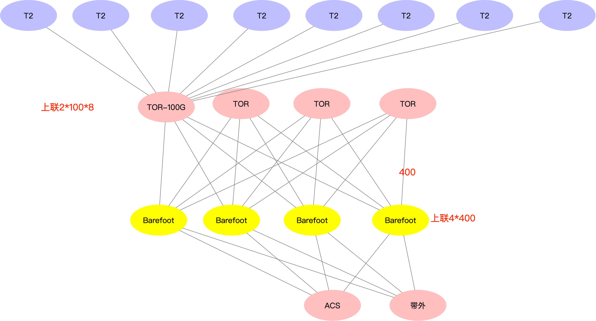
BJS26_F0509_C15_POD000_BGW_100G_002 | 2102351RFH10L7000235 | 10.217.12.234 | 10.216.12.234
BJS26_F0509_C17_POD000_BGW_100G_003 | 2102351RFH10L7000127 | 10.217.12.235 | 10.216.12.235
BJS26_F0509_D18_POD000_BGW_100G_004 | 2102351RFH10L7000209 | 10.217.12.236 | 10.216.12.236

 | 业务互联IP | 11.180.253.0/25

