Figure S1 (RI Component graphic
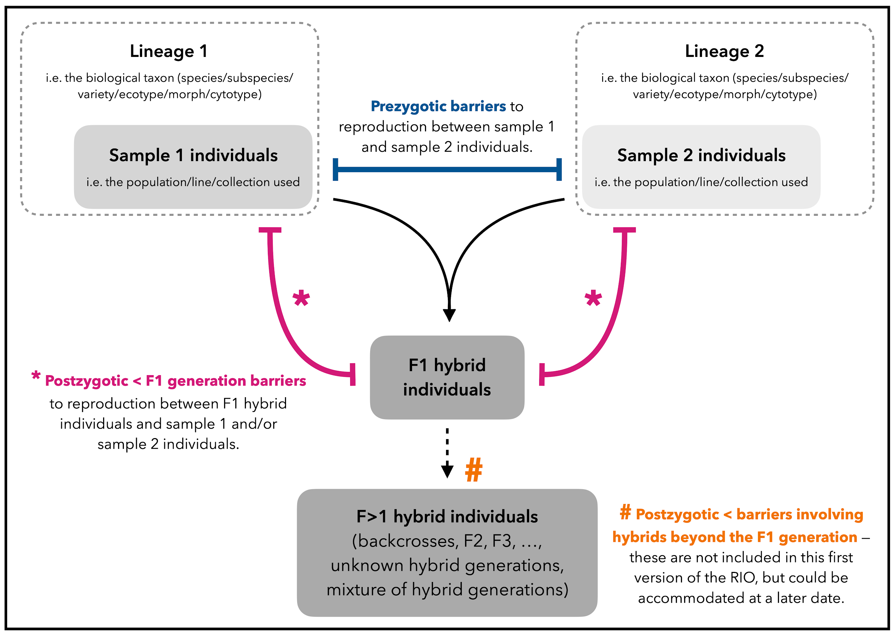
Supplementary Figure S1: Graphical abstract summarising how the RI Component classification handles different generations. Please refer to Supplementary Table S4 for specific values in this classification.

Figure S2 (RI Direction graphic
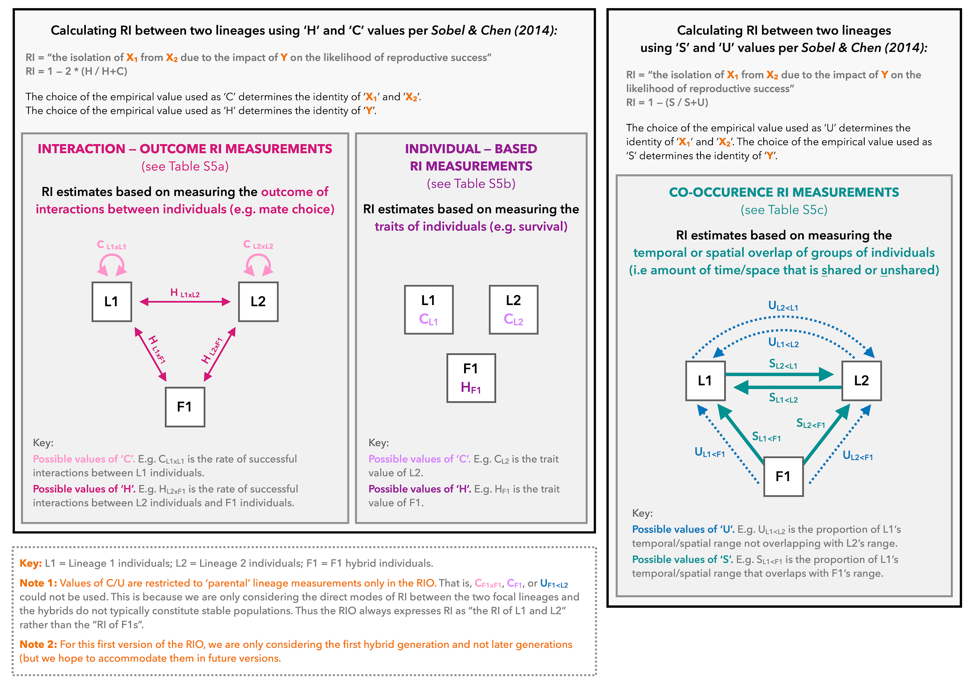
Supplementary Figure S2: Graphical abstract summarising how the RI Direction classification handles different types of RI measurements within the framework of Sobel & Chen (2014). Please refer to Supplementary Tables S5a, S5b, and S5c for specific values in this classification.

