Sheet2
PSYCHOMETRIC

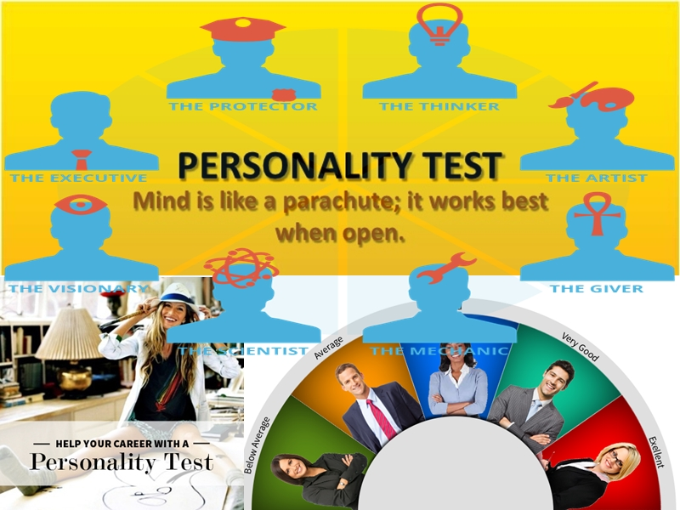

 |  | WELCOME

Name: |  | Anushka Saumya
DOB: |  | 2011-04-23
Email: |  | saumyaanushka24@gmail.com
Contact No: |  | 9987638617
Address: |  | 901/13B Income Tax Quarter Rambaugh powai

City: |  | Mumbai

Multiple Intelligence Theory
There are eight vital kinds of Intelligences by which one person differs from another. Though we have eight intelligences but each one is developed in a particular way that makes us unique and different from each other. Multiple intelligence theory asserts that individuals with a high level of aptitude in a particular type of intelligence do not necessarily have a similar aptitude in any other type of intelligence. In 1983, Harvard University (USA) professor Howard Gardner started writing his book Frames of Mind: the Theory of Multiple Intelligences with some simple but very powerful questions, viz., Are talented chess players, violinists, and athletes 'intelligent' in their respective disciplines? Why these and other abilities are not accounted for on traditional IQ tests? Why is the term intelligence limited to such a narrow range of human endeavors of Mathematical, Logical & Linguistic talents? So, According to this theory human intelligences can be broadly divided into eight (8) categories.

 |  | Intelligence type | Scores |  | Percent | Rank
 |  | Logical-Mathematical | 24 |  | 12.00 | 5
 |  | Musical | 26 |  | 13.00 | 3
 |  | Naturalist | 23 |  | 11.50 | 6
 |  | Verbal Linguistic | 22 |  | 11.00 | 7
 |  | Interpersonal | 25 |  | 12.50 | 4
 |  | Bodily-Kinesthetic | 19 |  | 9.50 | 8
 |  | Spatial-Visual | 29 |  | 14.50 | 2
 |  | Intrapersonal | 32 |  | 16.00 | 1
 |  |  | 200

 | High Dominant |  | Dominant | Less Dominant | Need Attention
 | 13% < |  | 9 - 12.99 | 7 - 8.99 | < 7

Report #
10
 |  | Mackenzie's Theory

Walter Mackenzie (Multiple Intelligence Survey: 1999 - 2013) breaks down the eight intelligences suggested by Dr. Howard Gardner and categorises them into three domains that serve as an organiser for understanding the fluid relationship of the intelligences and how the intelligences work in combination with one another.


 | 36.50

 | The Analytical domain consists of the logical, musical and naturalist intelligence. These are the intelligences that promote the processes of analysing and incorporating data in accumulating knowledge.


 | 33.00

 | The interactive domain consists of the verbal, interpersonal and kinesthetic intelligence. These are the intelligences that learners typically employ to express themselves and explore their environment.


 | 30.50

 | The introspective domain consists of the intrapersonal and visual intelligences. These are the intelligences that promote learning through own experiences and beliefs.

10
 |  | Gardner's Multiple Intelligences

Descriptions, Preferences, Personal potential, Related tasks and tests

Intelligence type | Intelligence description |  | Preferred learning style | Typical roles, preferences, potential |  | Rrelated tasks, activities or tests
Linguistic | words and language, written and spoken; retention, interpretation and explanation of ideas and information via language, understands relationship between communication and meaning |  | words and language | writers, lawyers, journalists, speakers, trainers, copy-writers, English teachers, poets, editors, linguists, translators, PR consultants, media consultants, TV and radio presenters, voice-over artistes |  | write a set of instructions; speak on a subject; edit a written piece or work; write a speech; commentate on an event; apply positive or negative 'spin' to a story
Logical - mathmatical | logical thinking, detecting patterns, scientific reasoning and deduction; analyse problems, perform mathematical calculations, understands relationship between cause and effect towards a tangible outcome or result |  | numbers and logic | scientists, engineers, computer experts, accountants, statisticians, researchers, analysts, traders, bankers bookmakers, insurance brokers, negotiators, deal-makers, trouble-shooters, directors |  | perform a mental arithmetic calculation; create a process to measure something difficult; analyse how a machine works; create a process; devise a strategy to achieve an aim; assess the value of a business or a proposition
Musical | musical ability, awareness, appreciation and use of sound; recognition of tonal and rhythmic patterns, understands relationship between sound and feeling |  | music, sounds, rhythm | musicians, singers, composers, DJ's, music producers, piano tuners, acoustic engineers, entertainers, party-planners, environment and noise advisors, voice coaches |  | perform a musical piece; sing a song; review a musical work; coach someone to play a musical instrument; specify mood music for telephone systems and receptions
Bodily - Kinesthetic | body movement control, manual dexterity, physical agility and balance; eye and body coordination |  | physical experience and movement, touch and feel | dancers, demonstrators, actors, athletes, divers, sports-people, soldiers, fire-fighters, PTI's, performance artistes; ergonomists, osteopaths, fishermen, drivers, crafts-people; gardeners, chefs, acupuncturists, healers, adventurers |  | juggle; demonstrate a sports technique; flip a beer-mat; create a mime to explain something; toss a pancake; fly a kite; coach workplace posture, assess work-station ergonomics

10
 |  | Gardner's Multiple Intelligences

Spatial - Visual | visual and spatial perception; interpretation and creation of visual images; pictorial imagination and expression; understands relationship between images and meanings, and between space and effect |  | pictures, shapes, images, 3D space | artists, designers, cartoonists, story-boarders, architects, photographers, sculptors, town-planners, visionaries, inventors, engineers, cosmetics and beauty consultants |  | design a costume; interpret a painting; create a room layout; create a corporate logo; design a building; pack a suitcase or the boot of a car
Interpersonal | perception of other people's feelings; ability to relate to others; interpretation of behaviour and communications; understands the relationships between people and their situations, including other people |  | human contact, communications, cooperation, teamwork | therapists, HR professionals, mediators, leaders, counsellors, politicians, educators, sales-people, clergy, psychologists, teachers, doctors, healers, organisers, carers, advertising professionals, coaches and mentors; (there is clear association between this type of intelligence and what is now termed 'Emotional Intelligence' or EQ) |  | interpret moods from facial expressions; demonstrate feelings through body language; affect the feelings of others in a planned way; coach or counsel another person
Intrapersonal | self-awareness, personal cognisance, personal objectivity, the capability to understand oneself, one's relationship to others and the world, and one's own need for, and reaction to change |  | self-reflection, self-discovery | arguably anyone who is self-aware and involved in the process of changing personal thoughts, beliefs and behaviour in relation to their situation, other people, their purpose and aims - in this respect there is a similarity to Maslow's Self-Actualisation level, and again there is clear association between this type of intelligence and what is now termed 'Emotional Intelligence' or EQ |  | consider and decide one's own aims and personal changes required to achieve them (not necessarily reveal this to others); consider one's own 'Johari Window', and decide options for development; consider and decide one's own position in relation to the Emotional Intelligence model
Naturalistic | Exploring nature, making collections of objects, studying them, and grouping them. have been sensory skill-sight, sound, smell, taste and touch, makes keen observations about natural changes, interconnections and patterns. |  | Smell, taste, gardening, plantation, observing closely natural changes,animal behaviour | Veterinary Animal Scholar, Archaeologist, Plants Scholar, Chef, Courtyard Designer, Weather Researcher, Documentary Producer, Environment Researcher, Animals Protection Activist, Forest Rangers, Nature Guides, Landscape Designers, Animal Trainers, Zoo Keepers, Horticulturists, Botanists, Florists, Scientists Investigating the Biological and Physical worlds, Bird Researchers, Veterinarians, Farmers, Outdoor Activities Instructor Planner, Meteorologists and Conservationists.

10
 |  | R.I.A.S.E.C Theory

Holland Codes represent a set of personality types described in a theory of careers and vocational choice formulated by psychologist John L. Holland. Holland’s Theory argued that ‘the choice of a vocation is an expression of personality’ and that the six factor typology he articulated could be used to describe both persons and work environments. His typology provides an interpretative structure for a number of different vocational interest surveys, including the two measures he developed: The Vocational Preference Inventory and the Self Directed Search. His model has been adopted by the U.S. Department of Labor for categorizing jobs relative to interests.

The six personality and work environment types described by Holland are usually referred to by their first letters, taken together – RIASEC: Realistic, Investigative, Artistic, Social, Enterprising and Conventional. The six dimensions of this RIASEC model are actually derived from evaluation of the following 12 factors. Recognising your main interests should enable you to better understand your aspirations and professional potential

 |  |  | Score/ 10
REALISTIC: | R
Physical and outdoor activities |  |  | 5.25
Hands-on, Tool oriented knowledge

INVESTIGATIVE: | I
Reasearch, Intellectual curiosity & |  |  | 6.50
Learning
Science and Technology

ARTISTIC: | A
Aesthetic sense & expression, |  |  | 7.00
Feeling, Passion
Creativity & Design

SOCIAL: | S
Conveying, Understanding others |  |  | 6.00
Personal relationships

ENTERPRISING: | E
Taking action, Undertaking projects |  |  | 5.67
Leading, Managing

CONVENTIONAL: | C
Planning, Structuring |  |  | 7.00
Processing data & figures

10
 |  | R.I.A.S.E.C Theory

Recognizing your main interests should enable you to better understand your aspirations and professional potential.
However, it is possible that your current job does not give you the opportunity to take full advantage of these potentialities. Therefore, you should not hesitate to use this analysis to help you target activities (of leisure or other social activities) that will allow you to develop your full potential!

REALISTIC: Hands-on knowledge, Building, Physical activity, Outdoors |  |  |  |  |  | 5.25 | AVERAGE DOMINANT

Personality: “Realistic” types tend to be tough, genuine, natural and practical. They love action.

Values: Common sense, pragmatism and effort.

Potential aptitudes: Dexterity, comfortable with technical tasks, mechanical intelligence and physical stamina.

Learning style: Learn through a concrete and practical approach by applying examples.

Environment: Realistic types are most comfortable in environments which allow them to obtain concrete results, to use technical equipment or to work onsite. They tend to dislike being confined to an office.

INVESTIGATIVE: Research, Learning, Science, Technology |  |  |  |  |  | 6.50 | DOMINANT

Personality: “Investigative” types tend to be curious about everything: they are constantly seeking to learn about and understand their environment. They are precise, intellectual and have a scientific mindset.

Values: Intellectual curiosity, critical thinking and logic.

Potential aptitudes: Research, logical reasoning, learning and analytical capabilities.

Learning style: Learn by theory and systematic research.

Environment: Investigative types are most comfortable in changing and thought-orientated environments that favor expertise over productivity.

ARTISTIC: Feeling, Passion, Design, Creation |  |  |  |  |  | 7.00 | DOMINANT

Personality: “Artistic” types tend to be intuitive, creative, idealistic and independent. They are attuned to art and aesthetics.

Values: Beauty, originality, imagination and freedom.

Potential aptitudes: Creativity, artistic expression and intuition.

Learning style:Learn by intuition and experiment action.

Environment: Artistic types are comfortable in nonconformist environments that favor informal communication and require creativity and innovation.

10

 |  | R.I.A.S.E.C Theory

SOCIAL: Conveying, Understanding others, Communicating, Relationships |  |  |  |  |  | 6.00 | DOMINANT

Personality: “Social” types are generally patient, understanding and attentive to others. They also tend to be kind, warm and welcoming.

Values: Altruism, cooperation and generosity.

Potential aptitudes: Empathy, listening and communication.

Learning style: Learn by sharing with others, by working as a team.

Environment: Social types are comfortable in social environments which encourage personal contact, collaboration and communication.

ENTERPRISING: Taking action, Undertaking projects, Leading, Managing |  |  |  |  |  | 5.67 | AVERAGE DOMINANT

Personality: "Enterprising” types tend to be open, dynamic, assertive and entrepreneurial.

Values: Risk taking, status and competition.

Potential aptitudes: Initiative, ability to lead and motivate others.

Learning style: Learn by doing and by putting themselves in the action.

Environment: Enterprising types are comfortable in competitive environments where they can take risks and move up quickly.

CONVENTIONAL: Planning, Structuring, Processing data, figures |  |  |  |  |  | 7.00 | DOMINANT

Personality: “Conventional” types tend to be meticulous, perfectionist, conformist and rather introverted.

Values: Accuracy, stability and efficiency.

Potential aptitudes: Data analysis, attention to detail and ability to work with numbers.

Learning style: Learn by following the rules, instructions and established procedures.

Environment: Conventional types feel at home in structured and hierarchical environments where rules and procedures are clearly defined.

10

 |  | Career Suggessions Based on MI

MUSIC :
Singing |  | 57.01 |  | Composing |  | 65.76
Playing Instrument |  | 64.83 |  | Dancing |  | 61.24

MEDICAL :
General Physician |  | 67.77 |  | Surgeon |  | 69.64
Veterinary Doctor |  | 66.52 |  | Nurse |  | 71.01

ENGINEERING :
IT |  | 70.09 |  | Non-IT |  | 64.77
Architect |  | 62.07

DESIGNING :
Graphics |  | 69.29 |  | Fashion Designer |  | 69.69
Sculpture, Jwewellery, Furniture, Shoe etc |  | 68.39 |  | Interior Decorator |  | 61.83

MANAGEMENT :
HR & Admin. |  | 64.28 |  | Operation |  | 64.98
Finance |  | 65.76 |  | Marketing |  | 57.10
Hotel Management |  | 59.87

ACCOUNTS :
Accountant, Auditor etc. |  | 66.70

EDUCATION/ TEACHING/ TRAINING :

Teacher/ Corporate Trainer |  | 60.92 |  | Counselor |  | 60.72

SPORTS :
Player - Individual game |  | 59.59 |  | Player - Team Game |  | 58.75
 |  |  |  | Coach |  | 59.42
Sports Management |  | 57.89

MEDIA & MASS COM. :
Journalist |  | 60.10 |  | News Anchor/ Tv Anchor |  | 56.97
Radio Anouncer |  | 62.12
ACTING/ MODELING :
Stage/ Film Actor |  | 59.14

Best three prefferred careers is highlighted with colour code

10

