Comments_TextBox
Comments, Notes & Text Boxes

Sr. No. | Name | Marks
1 | Mandeep | 21
2 | Sandeep | 34
3 | Anita | -10
4 | Mehak | 44
5 | Khushi | -11

Coditional Formating & Charts
Comments, Notes & Text Boxes
Text Box
Student Score (Scatter Plot)

Conditional Formating
Sr. No. | Name | Marks | Icon Sets
1 | Mandeep | 21 | Data Bars
2 | Sandeep | 34 | Colour Scale
3 | Anita | 55
Notes
4 | Mehak | 44
5 | Khushi | 11

Comments

Practise - Exercise4
Exercise 1 : Load the Wall Mart Data Apply Filter and Uncover New Insights About the Wallmart Retail Business
- Please Do not use Pivote Table consolidations or Pivot Charts
- Apply Charts, Slicers, Text Boxes, Table formats and Create a Beautiful and Professional Dashboard in Excel.
Please Apply password abcdef123 to the Workbookbook and Worksheets.

Exercise 2 : Create A Data Entry Sheet with Column Validations in Each Columns
1. No Columns can be Left Blank
2. All Numeric Columns Must be Numeric Between 1-100
3. Apply Data Blocking in the Fields
Please Freeze Sheet Range in the Entered Table Range

Syllabus
Class 4 | 4th May 2024

- Remove Table Format
- Composite Function Text Function : Left(Find()),Left(search())
- Trace Dependence/ TRACE PRECEDENCE
- Comment/ Notes
- Conditional Formating - Icons/Data Bars/Colour Sets
- Charts- Line/Area/Scatter/Whisker/Histogram/Funnel
- Refresh
- Pivot Table
- Pivot Table Chart
- Append Sheets using V-Stack AND Power Query
- Subtotals, Group and Ungroup
- Practise Excercise 4

Class 5 | 05th May 2024

- Revise Power Query Append Function
- Revise Text Function Left(),right(),find(),search(),mid() doubt for Exercise Questions
- Revise Subtotals & Groups
- Revise all topics Class 4
- Custom Sorting
- Mathematical Functions (sin(),cos(),tan(),cot(),log(),mean(),median(),mode(),stdev(),var(),rank(),sqrt(),rand(),rand()
randarray(),randbetween())
- Practise Exercise 4 by all Students (Pivot Table & Pivot Charts).

Class 6 | 12th, May 2024

- Clean Data
- Lookup()/Vlookup()/Hlookup()/Xlookup()
- Merge in Power Query
- Views in Excel

Mathematical Functions
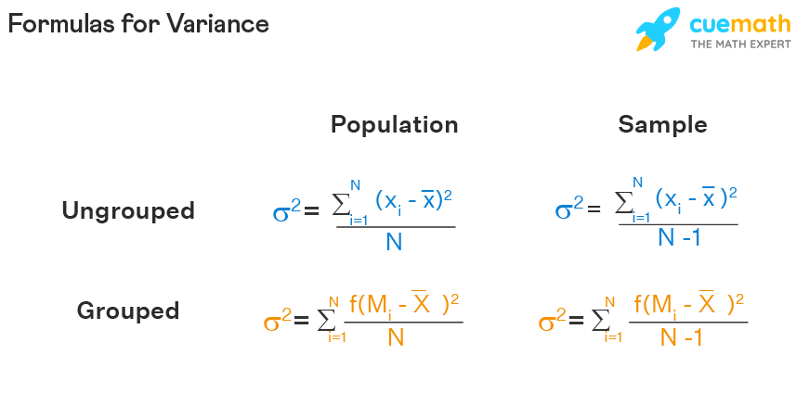
 |  |  |  | Degree | Sine | Cos | Tan | LOG base 10 | 100 Log Base 10 | Column1 | Column2 | Column3
Name | Marks |  |  | 0 | 0 | 1 | 0 | 1 | 2 | 1 | 3.1666666667 | Mean
Amit | 32 |  |  | 15 | 0.65028784016 | -0.75968791286 | -0.85599340091 |  |  | 2 | 2.5 | Median
Sumit | 33 |  |  | 30 | -0.98803162409 | 0.15425144989 | -6.4053311966 |  |  | 2 | 2 | Mode
Anita | 55 |  |  | 45 | 0.85090352453 | 0.52532198882 | 1.6197751905 |  |  | 3
 |  |  |  | 60 | -0.3048106211 | -0.95241298042 | 0.32004038938 |  |  | 5
 |  |  |  | 90 | 0.8939966636 | -0.44807361613 | -1.9952004122 |  |  | 6
 |  |  |  |  |  |  |  |  |  | VAR |  | Sample | x-xbar | sq(x-xbar)
 |  | Random Number | Rand No. B/w Range | SQRT | Random Array |  |  | RANK |  | 2.5 |  | 1 | -2 | 4
 |  | 0.25929019868 | 6 | 2 | 99.37544517 | 99.409069293 |  | 22 | 4 | Sd. Deviation |  | 2 | -1 | 1
 |  |  |  |  | 99.629588493 | 99.834839633 |  | 88 | 1 | 1.5811388301 |  | 3 | 0 | 0
 |  |  |  |  | 99.027775581 | 99.651658553 |  | 66 | 3 |  |  | 4 | 1 | 1
 |  |  |  |  |  |  |  | 86 | 2 |  |  | 5 | 2 | 4
 |  |  |  |  |  |  |  |  |  |  |  |  | 0 | 2.5 | N=4
 |  |  |  |  |  |  |  |  |  |  |  |  | S.Deviation | 1.5811388301

Append_Tables_VSTACK
REFER FORMULAE HERE
 |  |  |  |  |  | STACK VERTICALLY
 |  |  |  |  |  | VSTACK
STACK TABLES HORIZONTALLY |  |  |  |  |  | Name | Marks
HSTACK |  |  |  |  |  | Anil | 212
Anil | 212 | Amit | 32 | Amit | 32 | Anil | 168
Anil | 168 | Sumit | 33 | Sumit | 33 | Anil | 124
Anil | 124 | Anita | 55 | Anita | 55 | Anil | 80
Anil | 80 | #N/A | #N/A | #N/A | #N/A | Anil | 36
Anil | 36 | #N/A | #N/A | #N/A | #N/A | Anita | 190
Anita | 190 | #N/A | #N/A | #N/A | #N/A | Anita | 146
Anita | 146 | #N/A | #N/A | #N/A | #N/A | Anita | 102
Anita | 102 | #N/A | #N/A | #N/A | #N/A | Anita | 58
Anita | 58 | #N/A | #N/A | #N/A | #N/A | Amit | 32
 |  |  |  |  |  | Sumit | 33
 |  |  |  |  |  | Anita | 55
 |  |  |  |  |  | Amit | 32
 |  |  |  |  |  | Sumit | 33
 |  |  |  |  |  | Anita | 55

Pivot Table + Pivot Charts
Sl.No. | School | Student Roll | Average
1 | Number 1 | 101 | 52.58 | Average of Average | Sl.No.
6 | Number 1 | 104 | 87 | School | 1 | 2 | 3 | 4 | 5 | 6 | 7 | 8 | Grand Total
3 | Number 2 | 106 |  | Number 1 | 52.58 |  |  |  |  | 87 |  |  | 69.79
5 | Number 2 | 105 | 55 | Number 2 |  |  |  |  | 55 |  | 22 |  | 38.5
7 | Number 2 | 107 | 22 | Number 3 |  | 62 |  | 64 |  |  |  | 36 | 54
2 | Number 3 | 105 | 62 | Grand Total | 52.58 | 62 |  | 64 | 55 | 87 | 22 | 36 | 54.082857143
School Average Score Comparision
 | 1 | 2 | 3 | 4 | 5 | 6 | 7 | 8
Number 1 | 52.58 |  |  |  |  | 87
Number 2 |  |  |  |  | 55 |  | 22
Number 3 |  | 62 |  | 64 |  |  |  | 36
4 | Number 3 | 103 | 64
8 | Number 3 | 108 | 36

