5_Data_Visualization
TASK 5: Data Visualization — Charts & Conditional Formatting

Inventory Status Distribution
Warehouse-wise Total Quantity
Category vs Total Value |  | Status Distribution |  | Warehouse Quantities
Category | Total Value (₹) | Status | Count | Warehouse | Total Qty
Furniture | 6,439,552,848 | In Stock | 29954 | WH-Mumbai | 4206580
Toys | 6,423,270,551 | Low Stock | 10013 | WH-Delhi | 4189114
Electronics | 6,387,365,023 | Out of Stock | 7408 | WH-Kolkata | 4174136
Sports | 6,359,389,756 | Discontinued | 2625 | WH-Chennai | 4168713
Automotive | 6,354,331,589 |  |  | WH-Bangalore | 4159854
Tools | 6,227,196,046 |  |  | WH-Ahmedabad | 4121307
Cosmetics | 6,198,518,556
Category-wise Total Inventory Value (₹)
Books | 6,159,807,591
Clothing | 6,017,286,156
Food & Beverage | 6,003,284,621

Dashboard
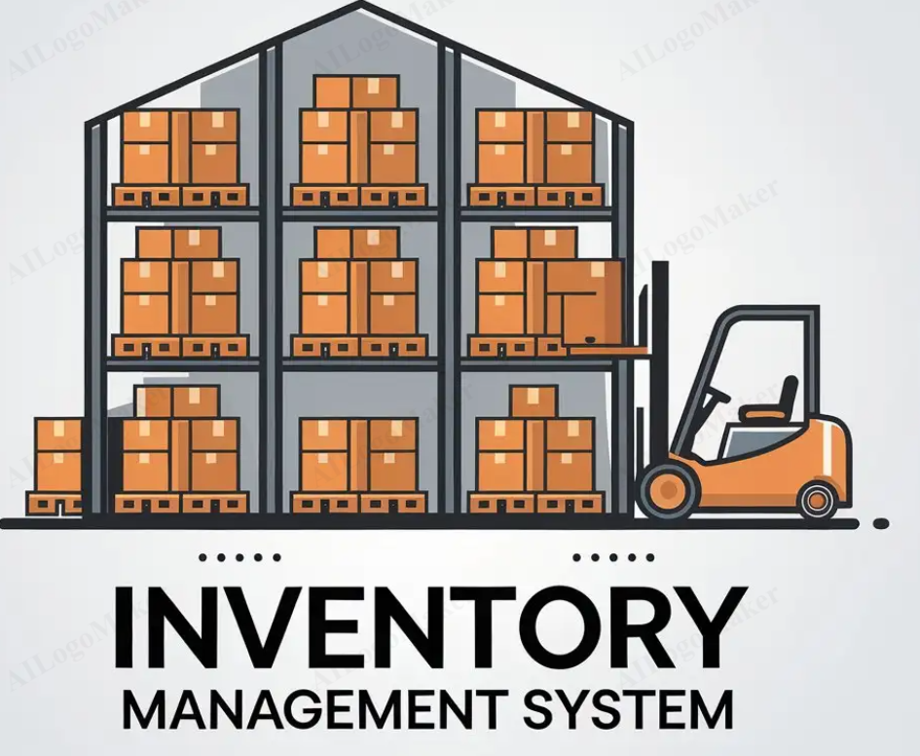
salse management Dashboard

 | Total Value (₹)
Furniture | 6,439,552,848
Toys | 6,423,270,551
Electronics | 6,387,365,023
Sports | 6,359,389,756
Automotive | 6,354,331,589
Tools | 6,227,196,046
Cosmetics | 6,198,518,556
Books | 6,159,807,591
Clothing | 6,017,286,156
Food & Beverage | 6,003,284,621
Inventory Status Distribution
 | Count
In Stock | 29954
Low Stock | 10013
Out of Stock | 7408
Discontinued | 2625

Warehouse-wise Total Quantity
 | Total Qty
WH-Mumbai | 4206580
WH-Delhi | 4189114
WH-Kolkata | 4174136
WH-Chennai | 4168713
WH-Bangalore | 4159854
WH-Ahmedabad | 4121307

