Cover
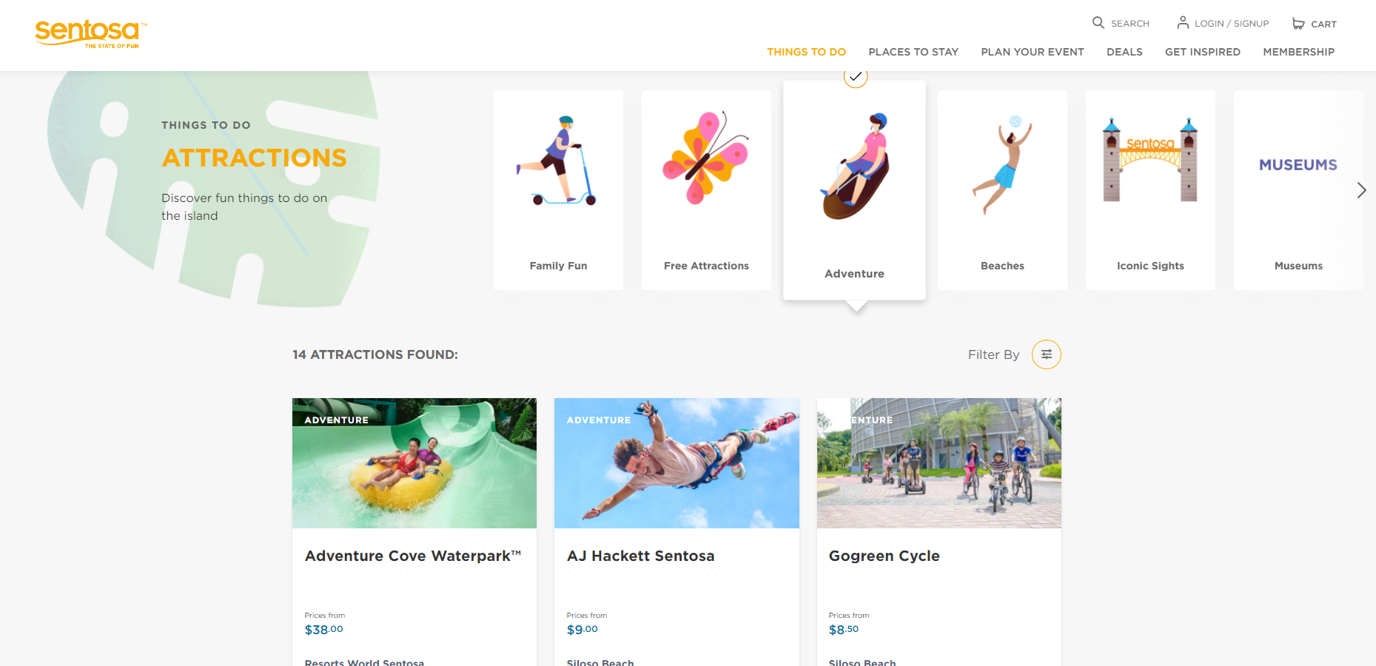
 | Enhanced Ecommerce Google Analytics Tagging Guide

This document outlines the tagging requirements for GTM implementation for Sentosa Enhanced Ecommerce part only |  | Wireframe Url:
This is reference sheet for developer's and stakeholder for understanding the tracking method/Metrics in GA |  | https://uat.sentosa.com.sg/en
Mar-21

Product Impressions
 |  | Enhanced Ecommerce Google Analytics Tagging Guide
*Note: Populate the dataLayer for impressions for number of products currently viewed and displayed to the user, fire the dataLayer again if user scrolls and views another set of products
Functionality | When to set | Code snippet to be integrated | Notes/Developer Instruction
Impression Event | Once the product cards are visible to the user | <script> dataLayer.push({ 'event': 'productImpressions', 'ecommerce': { 'currencyCode': 'SGD', 'impressions': [ { 'name': '<<dynamic>>', 'id': '<<dynamic>>', 'price': '<<dynamic>>', //Pass with decimal values 'brand': 'Sentosa', 'category': '<<dynamic>>', 'list': '<<dynamic>>', 'position': <<dynamic>> //Pass as Integer 'dimension4': <<'Product Type'>>, 'dimension5': '<<'Secondary Categogry'>> , 'dimension6': <<'Product Card Type'>> }, { 'name': '<<dynamic>>', 'id': '<<dynamic>>', 'price': '<<dynamic>>', //Pass with decimal values 'brand': 'Sentosa', 'category': '<<dynamic>>', 'list': '<<dynamic>>', 'position': <<dynamic>> //Pass as Integer 'dimension4': <<'Product Type'>>, 'dimension5': '<<'Secondary Categogry'>> , 'dimension6': <<'Product Card Type'>> }] } }); </script> | Values to be populated dynamically for: name: name of the product listed id: Unique Id / Sku Id of the product price: Price of the product category: Pass product categories like Attractions, Dining, Events, Spas, Shops and Services list: Filter title to be passed if applicable for example: If user filtered by locations pass pipe (|) seperated filter values: 'list':'Imbiah Station|Resorts World Sentosa' position:Pass position of the product card displayed to the user in a numeric order. If a user scrolls down and views more products then the order must continue and not start again (if the initial list contains position is 1,2,3 after scrolling it should be passed as 4,5,6) dimension4: Should populate the type of product, whether it is free or paid dimension5: Should populate secondary category of the products for example: Family Fun, Adventure, Museums, etc. (refer to image in cell e3) dimension6: Pass the card type of the product for example - Example values: Iconic Sights, Trials, Beaches, etc. | 

Tags

'name': '<<dynamic>>',
id': '<<dynamic>>',
price': '<<dynamic>>', //Pass with decimal values
brand': 'Sentosa',
category': '<<dynamic>>',
list': '<<dynamic>>',
position': <<dynamic>> //Pass as Integer
dimension4': <<'Product Type'>>,
dimension5': '<<'Secondary Categogry'>> ,
dimension6': <<'Product Card Type'>>

Add-Remove from Cart
 |  | Enhanced Ecommerce Google Analytics Tagging Guide
*Note: Populate the dataLayer for cart additions/removals accordingly as described below, fire remove from cart only on order summary page not on product detail
Functionality | When to set | Code snippet to be integrated | Notes/Developer Instruction
Add to Cart Event | Once the user clicks on add to cart button to purchase product. | <script> dataLayer.push({ 'event': 'addToCart', 'ecommerce': { 'currencyCode': 'SGD', 'add': { 'products': [{ 'name': '<<dynamic>>', 'id': '<<dynamic>>', 'price': <<dynamic>>, // Pass with decimal values 'brand': 'Sentosa', 'category': '<<dynamic>>', 'variant': '<<dynamic>>', 'quantity': <<dynamic>>, // Pass as Integer 'dimension4': <<'Product Type'>>, 'dimension5': '<<'Secondary Categogry'>> , 'dimension6': <<'Product Card Type'>> }] } } }); </script> | Values to be populated dynamically for: name: name of the product listed id: Unique Id / Sku Id of the product price: Price of the product category: Pass product categories like Attractions, Dining, Events, Spas, Shops and Services variant: Pass product variants wherever applicable, the values should type of tickets purchased. For ex: Adult, Senior, Child or any other variants of tickets purchased (Refer Screenshot in E3) quantity: Enter no of items added for product quantity will be pass as integer value dimension5: Should populate the type of product, whether it is free or paid dimension6: Should populate secondary category of the products for example: Family Fun, Adventure, Museums, etc. dimension7: Pass the card type of the product for example - Example values: Iconic Sights, Trials, Beaches, etc. | 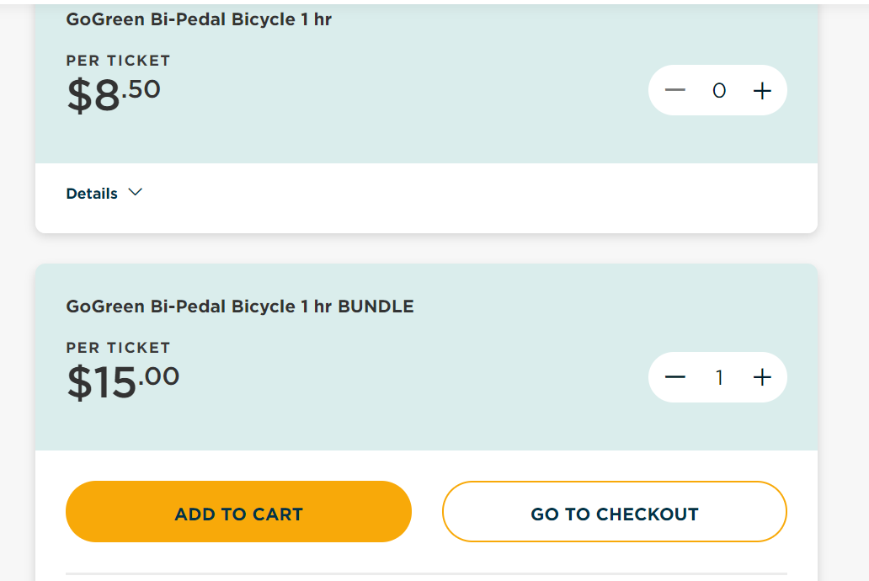
Remove to Cart Event | Once the user clicks on remove/delete button from purchase product. | <script> dataLayer.push({ 'event': 'removeFromCart', 'ecommerce': { 'currencyCode': 'SGD', 'remove': { 'products': [{ 'name': '<<dynamic>>', 'id': '<<dynamic>>', 'price': <<dynamic>>, // Pass with decimal values 'brand': 'Sentosa', 'category': '<<dynamic>>', 'variant': '<<dynamic>>', 'quantity': <<dynamic>>, // Pass as Integer 'dimension4': <<'Product Type'>>, 'dimension5': '<<'Secondary Categogry'>> , 'dimension6': <<'Product Card Type'>> }] } } }); </script> | Values to be populated dynamically for: name: name of the product listed id: Unique Id / Sku Id of the product price: Price of the product category: Pass product categories like Attractions, Dining, Events, Spas, Shops and Services variant: Pass product variants wherever applicable, the values should type of tickets purchased. For ex: Adult, Senior, Child or any other variants of tickets purchased (Refer Screenshot in E3) quantity: Enter no of items added for this product quantity will be pass as integer value. dimension4: Should populate the type of product, whether it is free or paid dimension5: Should populate secondary category of the products for example: Family Fun, Adventure, Museums, etc. dimension6: Pass the card type of the product for example - Example values: Iconic Sights, Trials, Beaches, etc.

Tags

Add to cart

'name': '<<dynamic>>', |  | Done
id': '<<dynamic>>', |  | Done
price': <<dynamic>>, |  | Done
brand': 'Sentosa', |  | Done
category': '<<dynamic>>', |  | not found
variant': '<<dynamic>>', |  | not fisible
quantity': <<dynamic>>, |  | Done
dimension4': <<'Product Type'>>, |  | Done
dimension5': '<<'Secondary Categogry'>> , |  | not found
dimension6': <<'Product Card Type'>> |  | not fisible

Remove from cart

'name': '<<dynamic>>', |  | Done
id': '<<dynamic>>', |  | Done
price': <<dynamic>>, |  | Done
brand': 'Sentosa', |  | Done
category': '<<dynamic>>', |  | not found
variant': '<<dynamic>>', |  | not fisible
quantity': <<dynamic>>, |  | Done
dimension4': <<'Product Type'>>, |  | Done
dimension5': '<<'Secondary Categogry'>> , |  | not found
dimension6': <<'Product Card Type'>> |  | not fisible

Checkout step-1
 |  | Enhanced Ecommerce Google Analytics Tagging Guide
*Note: Populate the dataLayer for checkout pages this should be passed as step 1 - Order Summary Page (Refer Screenshot in E3)
Functionality | When to set | Code snippet to be integrated | Notes/Developer Instruction
Checkout event | Once user landed on this page, on pageview. | <script> dataLayer.push({ 'event': 'checkout', 'ecommerce': { 'checkout': { 'actionField': {'step': 1, 'option': 'Cart Summary'}, 'products': [{ 'name': '<<dynamic>>', 'id': '<<dynamic>>', 'price': <<dynamic>>, // Pass as numeric 'brand': 'Sentosa', 'category': '<<dynamic>>', 'variant': '<<dynamic>>', 'quantity': <<dynamic>> , // Pass as interger 'dimension4': <<'Product Type'>>, 'dimension5': '<<'Secondary Categogry'>> , 'dimension6': <<'Product Card Type'>> }] } } }); </script> | Values to be populated dynamically for: step: indicate which stage of the checkout process is being measured. option:This field to provide a piece of additional data about the page, such as the payment type that was selected by the user e.g. visa name: name of the product listed id: Unique Id / Sku Id of the product price: Price of the product category: Pass product categories like Attractions, Dining, Events, Spas, Shops and Services variant: Pass product variants wherever applicable, the values should type of tickets purchased. For ex: Adult, Senior, Child or any other variants of tickets purchased quantity: Enter no of items added for product quantity will be pass as integer value dimension4: Should populate the type of product, whether it is free or paid dimension5: Should populate secondary category of the products for example: Family Fun, Adventure, Museums, etc. dimension6: Pass the card type of the product for example - Example values: Iconic Sights, Trials, Beaches, etc. | 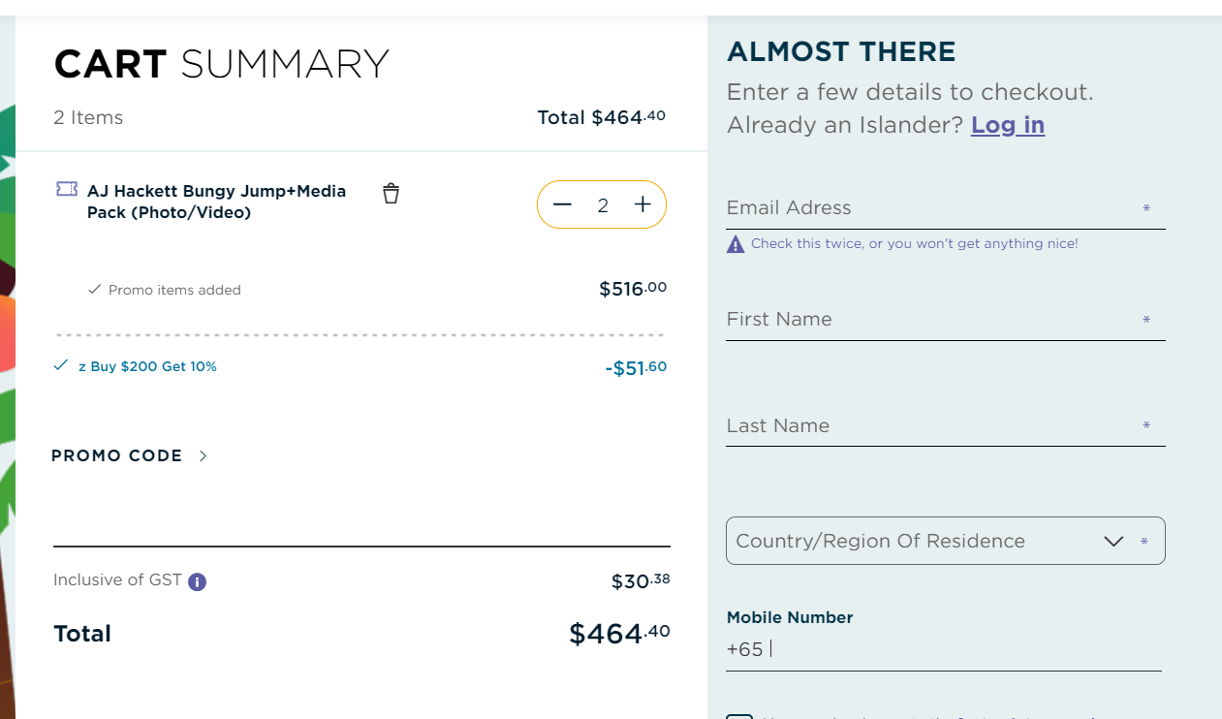

Tags

name': '<<dynamic>>',
id': '<<dynamic>>',
price': <<dynamic>>, // Pass as numeric
brand': 'Sentosa',
category': '<<dynamic>>',
variant': '<<dynamic>>',
quantity': <<dynamic>> , // Pass as interger
dimension4': <<'Product Type'>>,
dimension5': '<<'Secondary Categogry'>> ,
dimension6': <<'Product Card Type'>>

