Dashboard
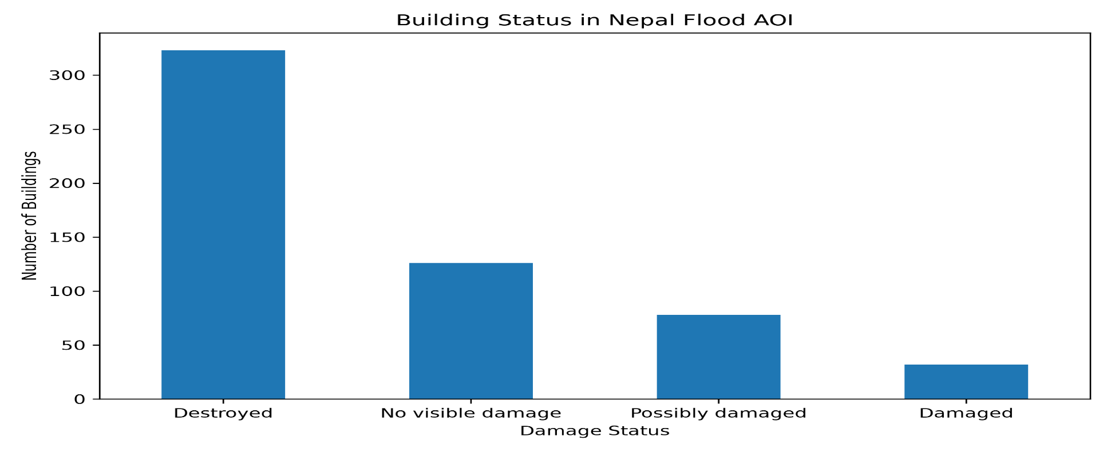
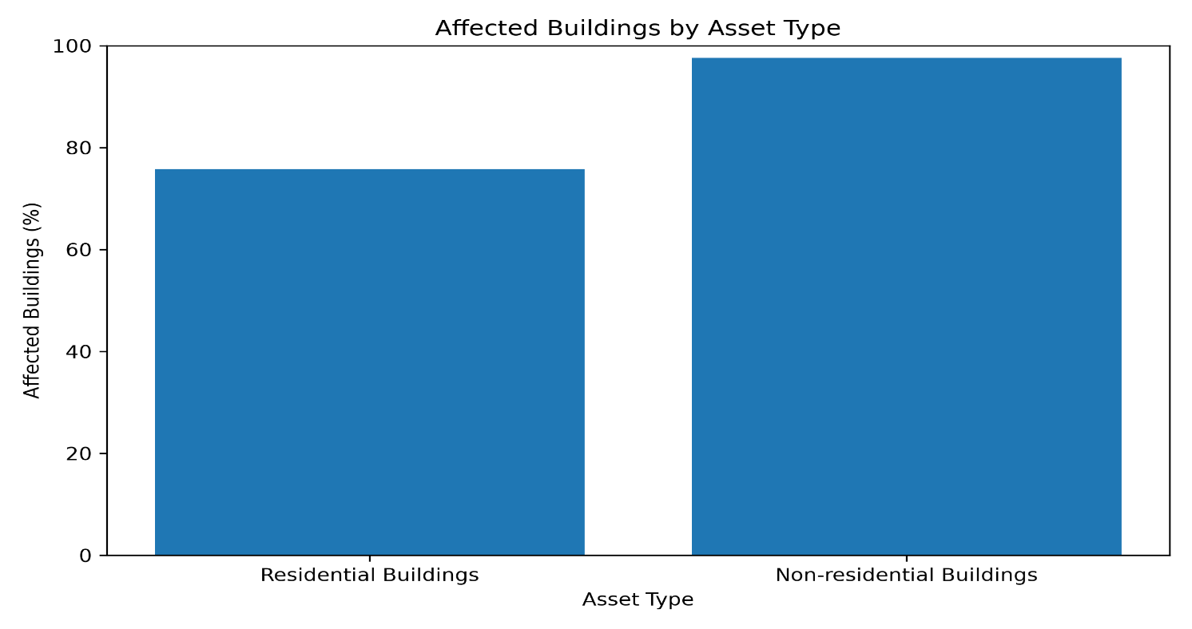
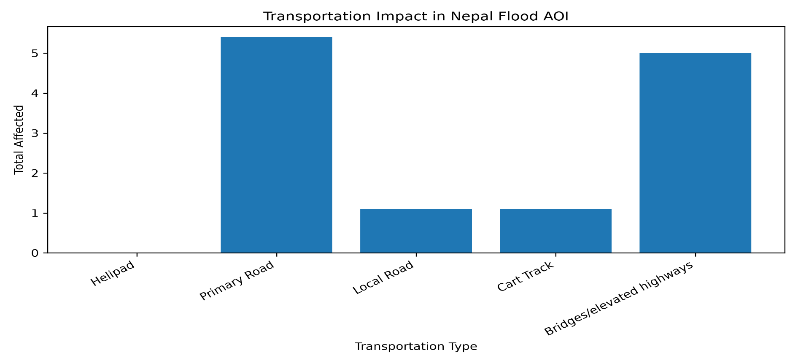
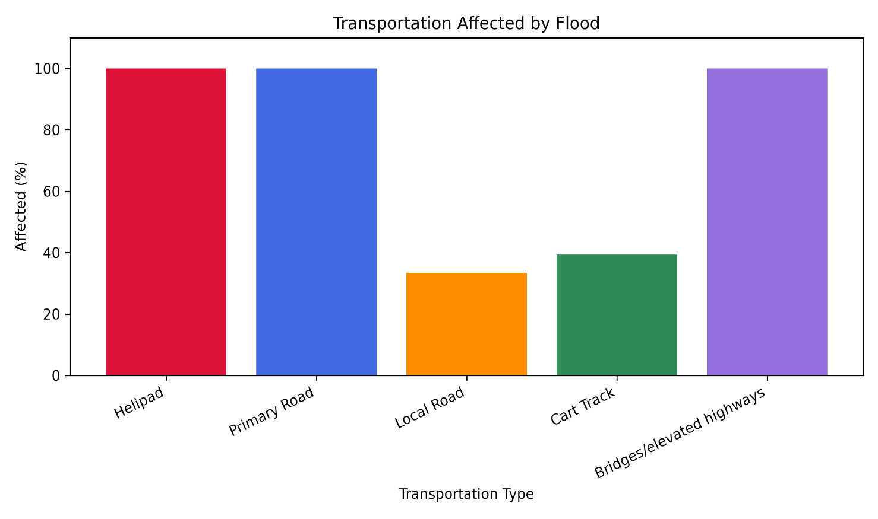
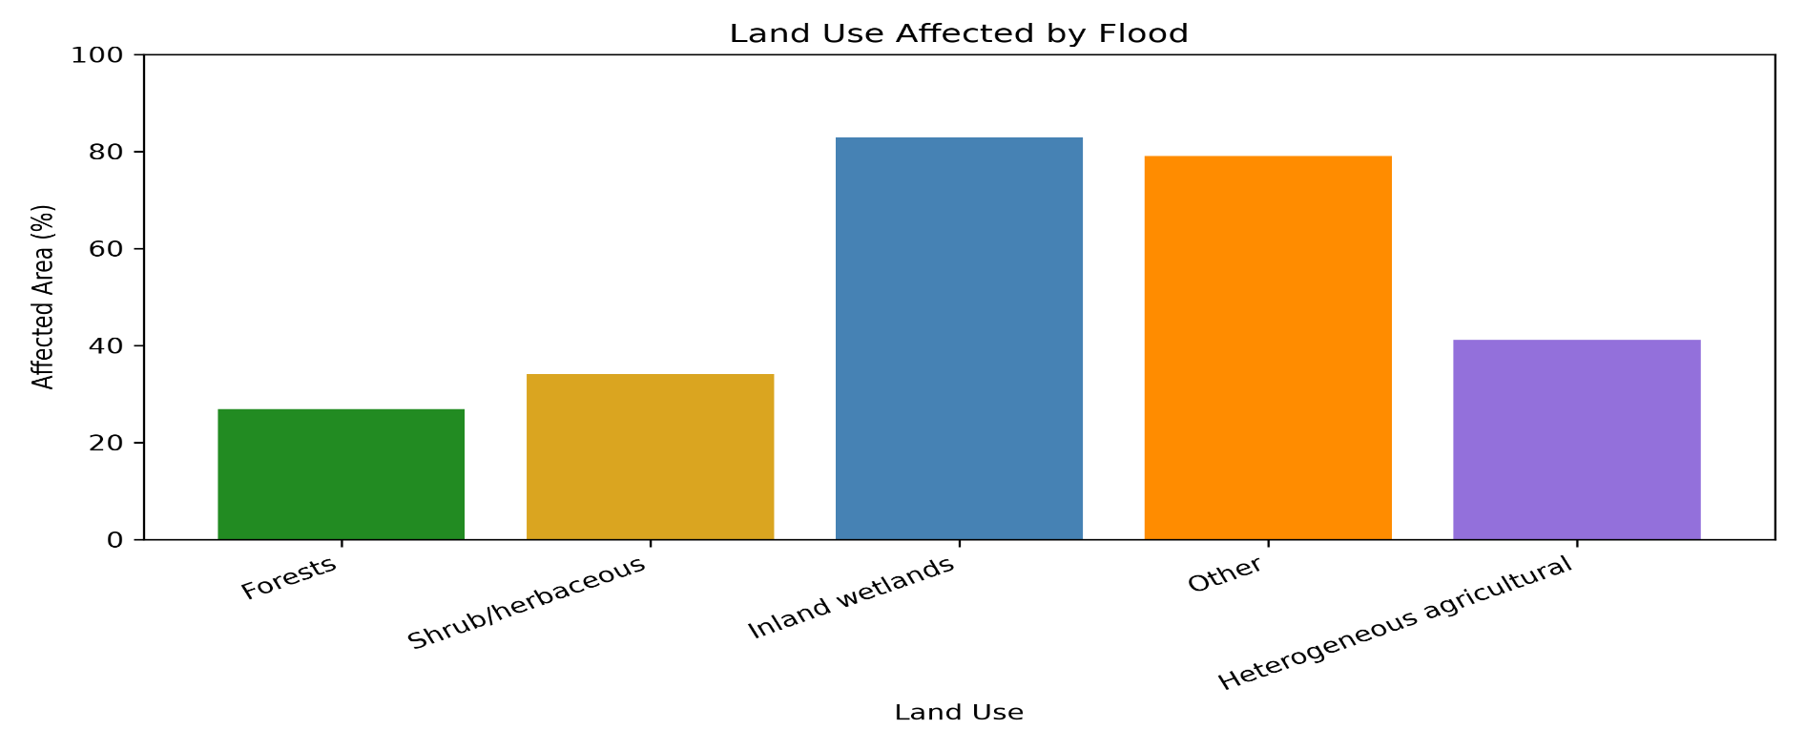
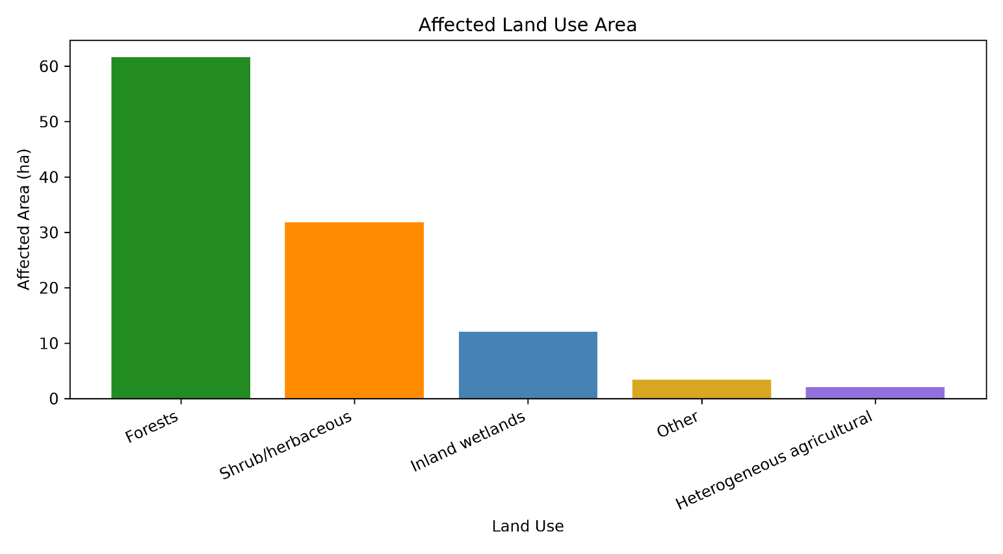
NEPAL 2026 FLOOD IMPACT DASHBOARD
Syapru Besi, Rasuwa, Nepal
Satellite-based flood impact assessment

TOTAL BUILDINGS | AFFECTED BUILDINGS | AFFECTED RATE | AFFECTED LAND | BRIDGES AFFECTED | ROADS AFFECTED
559 | 433 | 77.46% | 111.0 ha | 5 | 8.6 km

Grading
EMSR927 AOI: 01 Syapru Besi Grading

Consequences within the AOI
 |  |  |  | LATEST IMPACT
 |  |  | Unit of measurement | Imagery-based observation
Crisis information | Landslide |  | ha |  |  |  | 111.1

 |  |  |  | Destroyed | Damaged | Possibly damaged* | Total affected** | Total in AOI
Estimated population |  | Inhabitants | No. |  |  |  | ~ 450 | ~ 750
Assets | Built-up | Residential Buildings | No. | 283 | 31 | 78 | 392 | 517
 |  | Institutional | No. | 1 | 0 | 0 | 1 | 1
 |  | School, university and research buildings | No. | 0 | 1 | 0 | 1 | 1
 |  | Other non-residential buildings | No. | 37 | 0 | 0 | 37 | 38
 |  | Buildings used as places of worship and for religious activities | No. | 2 | 0 | 0 | 2 | 2
 | Transportation | Helipad | ha | 0.01 | 0 | 0 | 0.01 | 0.01
 |  | Primary Road | km | 4.7 | 0 | 0.7 | 5.4 | 5.4
 |  | Local Road | km | 0.4 | 0 | 0.6 | 1.1 | 3.3
 |  | Cart Track | km | 1.0 | 0 | 0.1 | 1.1 | 2.8
 |  | Bridges and elevated highways | No. | 5 | 0 | 0 | 5 | 5
 | Facilities | Power plant constructions | ha | 0.8 | 0 | 0 | 0.8 | 0.8
 | Land use | Forests | ha |  |  |  | 61.6 | 228.8
 |  | Shrub and/or herbaceous vegetation association | ha |  |  |  | 31.8 | 93.1
 |  | Inland wetlands | ha |  |  |  | 12.1 | 14.6
 |  | Other | ha |  |  |  | 3.4 | 4.3
 |  | Heterogeneous agricultural areas | ha |  |  |  | 2.1 | 5.1

* Presence of damage proxies and proximity with destroyed/damaged asset
** Sum of all damage classes

Disclaimer:
Full disclaimer and other helpful information available in the online manual:
https://mapping.emergency.copernicus.eu/about/rapid-mapping-manual/ |  |  |  | Access to the portal

© European Union / Copernicus Emergency Management Service

Data Access:
All data displayed on the map(s), as well as Land Use - Land Cover layer(s),
are available in the Crisis Information Package and the Base Layer Package (for reference data).
The table above is available in editable format in the Crisis Information Package.
All products and data are also available for download on the portal.

Estimated Population:
Estimated population is based on Copernicus Global Human Settlement Layer (GHSL) dataset.
Additional population datasets and analysis are available in the summary table.

Data Sources:
Base Vector Layers: OpenStreetMap © OpenStreetMap contributors (2026); Wikimapia.org; GeoNames 2015;
© EuroGeographics, © TurkStat. Source: European Commission – Eurostat/GISCO, 2024.
Globe Land 30 (2010), Copernicus Global Land Service: Land Cover (2019).

Inset Maps: Natural Earth 2023; HydroLAKES 2016 by HydroSHEDS;
© EuroGeographics, © TurkStat. Source: European Commission – Eurostat/GISCO, 2024.

Digital Elevation Model:
FABDEM (ForestAndBuildingsremovedCopernicusDEM) removes building and tree height biases from the Copernicus GLO 30
Digital Elevation Model (DEM) (Airbus, 2020).

