HowToUse
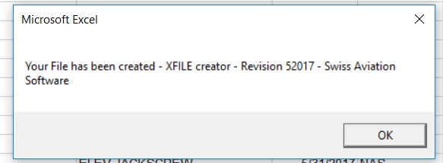
1. Open the File

2. Enter the Header of each Column from the XFILE Layout

3. Type in the Column Size of Each Column

4. Past in your Data
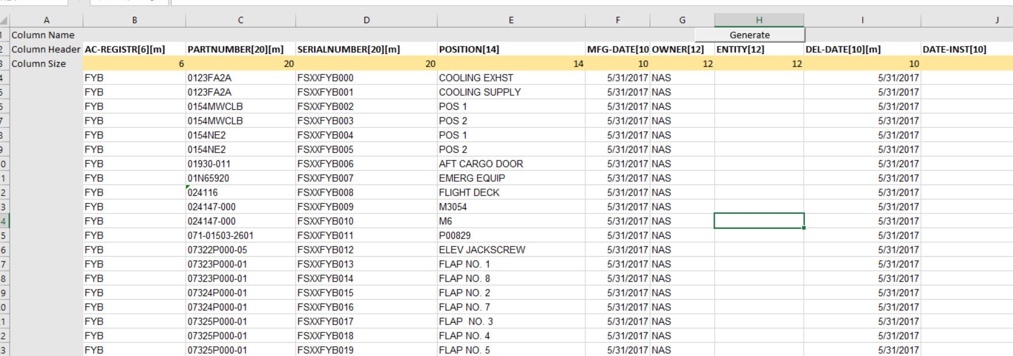

5. Hit Generate

6. Decide if you want to truncate if the entries in your data exceed the column legth or if the file should stop and report an error

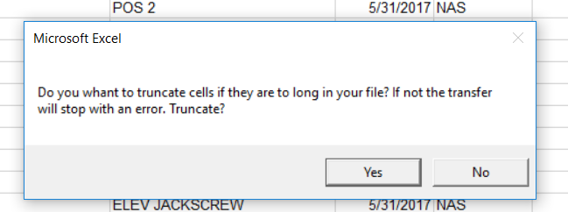

7. Select the file destination where you want to save
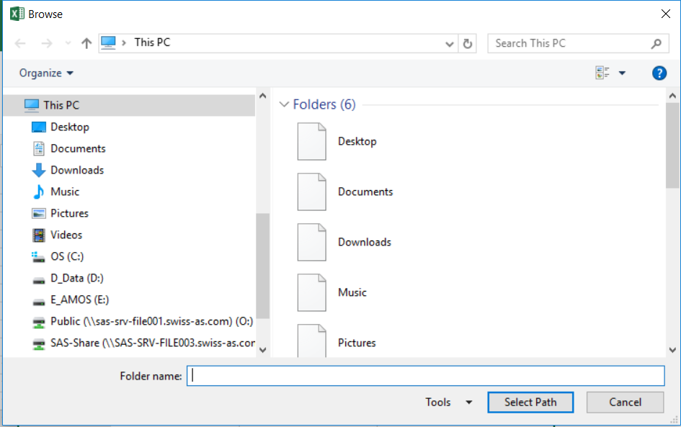

8. Select the Filename. If you type in a Filename of a already existing file it will overwrite. You do NOT have to enter the file ending ".txt"
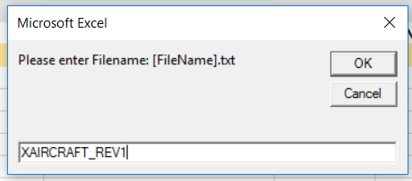

9. File has been created.

