工作表1
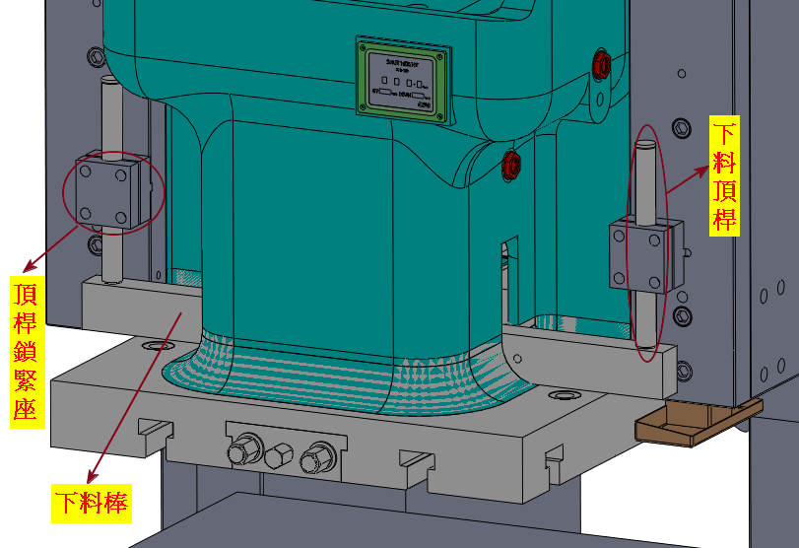
機種 | 機型 | 下料棒 | 下料頂桿 | 頂桿鎖緊座
SN1-25 | S | Y30G3901 | YGAA3850 | Y32G4402
 | H | Y30G3901 | Y30G0003 | Y32G4402
 | P | Y30G3901 | Y30G0003 | Y32G4402
SN1-35 | S | Y32G3901 | YGAA3850 | Y32G4402
 | H | Y32G3901 | Y30G0003 | Y32G4402
 | P | Y32G3901 | Y30G0003 | Y32G4402
SN1-45 | S | Y342G01 | YGAA3850 | Y32G4402
 | H | Y342G01 | Y30G0003 | Y32G4402
 | P | Y342G01 | Y30G0003S01 | Y32G4402
SN1-60 | S | Y372G01 | YGAA3854S01 | Y37G4402
 | H | Y372G01 | Y39G0002 | Y37G4402
 | P | Y372G01 | Y39G0002S01 | Y37G4402
SN1-80 | S | Y392G01 | YGAA3854S01 | Y37G4402
 | H | Y392G01 | Y39G0002S01 | Y37G4402
 | P | Y392G01 | Y39G0002S01 | Y37G4402
SN1-110 | S | Y412G01 | YGAA3854S01 | Y37G4402
 | H | Y412G01 | Y39G0002S01 | Y37G4402
 | P | Y412G01 | Y412G02S01 | Y37G4402
SN1-160 | S | Y43G3901 | YGAA3859 | Y45G4402
 | H | Y43G3901 | Y43G0004S01 | Y45G4402
 | P | Y43G3901 | Y43G0004S01 | Y45G4402
SN1-200 | S | Y452G01 | YGAA3859 | Y45G4402
 | H | Y452G01 | Y43G0004S01 | Y45G4402
 | P | Y452G01 | Y47G0005 | Y45G4402
SN1-250 | S | Y47G0001 | Y43G0004 | Y472G02
 | H | Y47G0001 | Y47G0005 | Y472G02
 | P | Y47G0001 | Y472G05 | Y472G02

