photo id proof
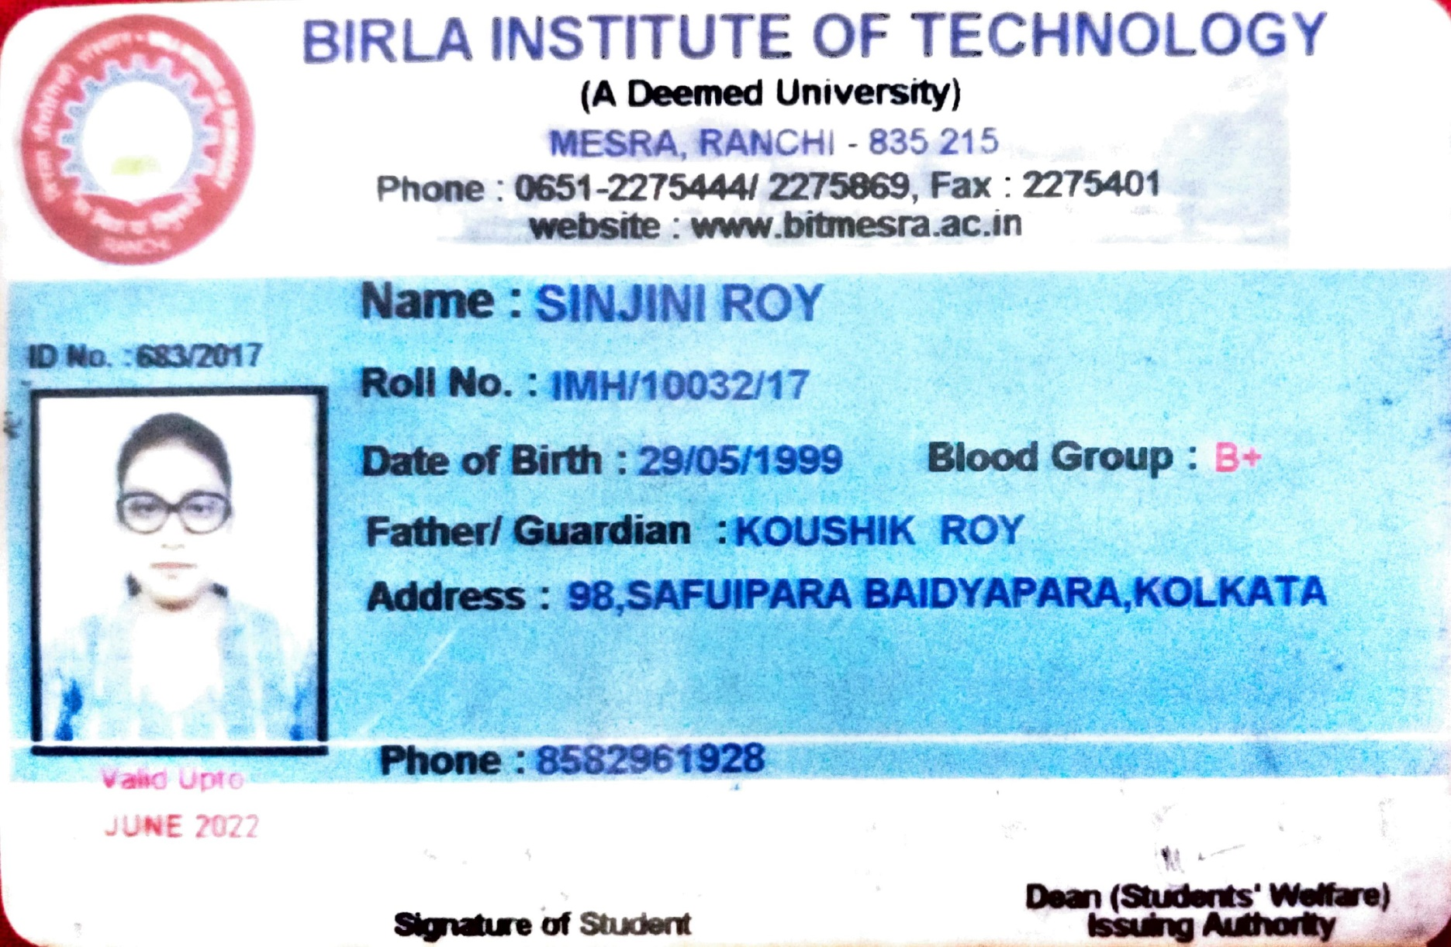
Photo ID Proof

 | Name : Aditya Shenoy
 | Roll No : IMH/10004/17

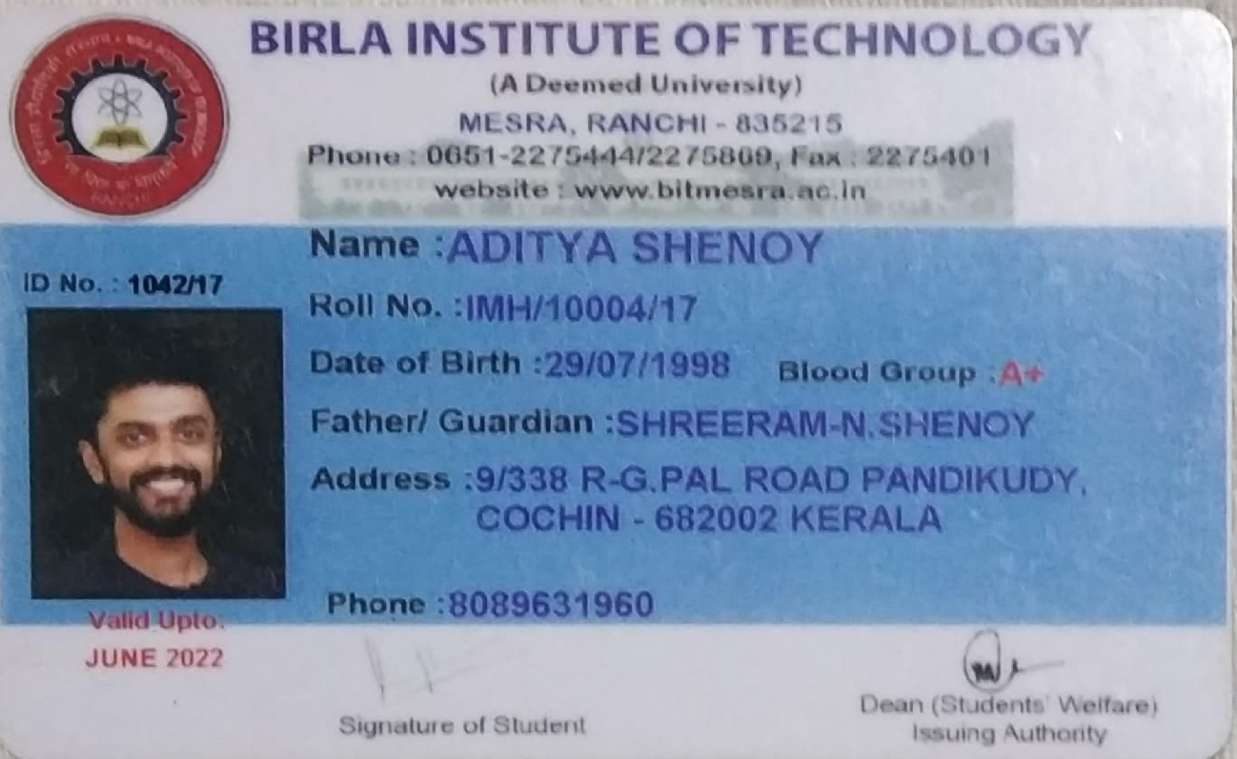

 | Name : Sinjini Roy
 | Roll No : IMH/10032/17

