unequal varaince
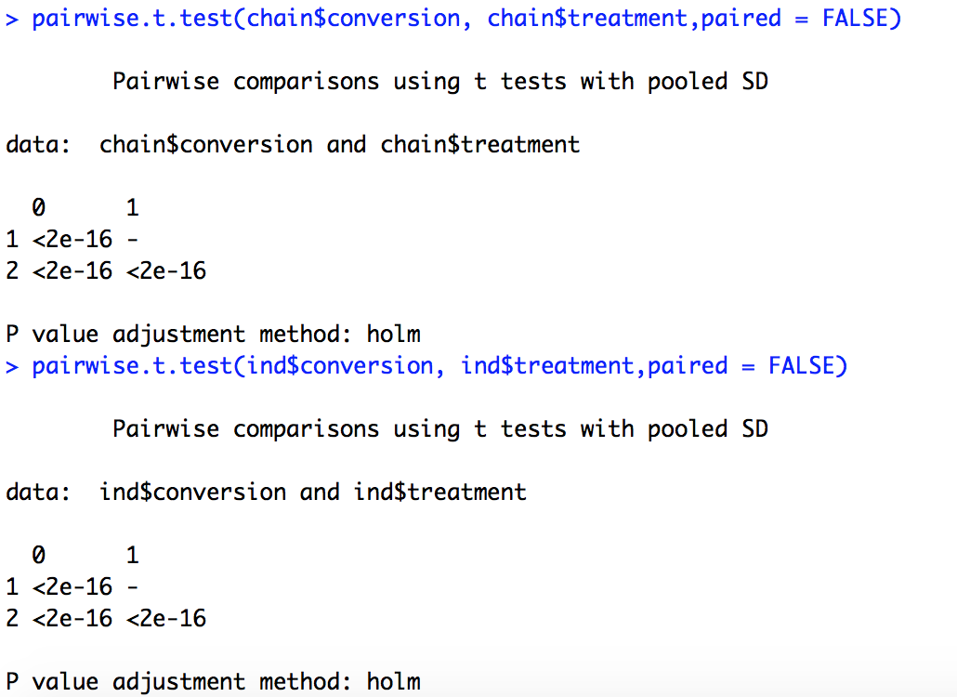
t-Test: Two-Sample Assuming Unequal Variances |  |  | t-Test: Two-Sample Assuming Unequal Variances |  |  | t-Test: Two-Sample Assuming Unequal Variances

 | Treatment 0 | Treantment 1 |  | Treatment 0 | Treatment 2 |  | Treatment 1 | Treatment 2
Mean | 0.087376226173 | 0.071681757874 | Mean | 0.087376226173 | 0.093575719268 | Mean | 0.071681757874 | 0.093575719268
Variance | 0.00044962585438 | 0.0002072410681 | Variance | 0.00044962585438 | 0.00055293414804 | Variance | 0.0002072410681 | 0.00055293414804
Observations | 10000 | 10000 | Observations | 10000 | 10000 | Observations | 10000 | 10000
Hypothesized Mean Difference | 0 |  | Hypothesized Mean Difference | 0 |  | Hypothesized Mean Difference | 0
df | 17601 |  | df | 19788 |  | df | 16571
t Stat | 61.236154587 |  | t Stat | -19.579472791 |  | t Stat | -79.408591864
P(T<=t) one-tail | 0 |  | P(T<=t) one-tail | 7.3044926053E-85 |  | P(T<=t) one-tail | 0
t Critical one-tail | 1.6449402044 |  | t Critical one-tail | 1.6449306353 |  | t Critical one-tail | 1.6449455861
P(T<=t) two-tail | 0 |  | P(T<=t) two-tail | 1.4608985211E-84 |  | P(T<=t) two-tail | 0
t Critical two-tail | 1.9600987741 |  | t Critical two-tail | 1.9600838761 |  | t Critical two-tail | 1.9601071528

