Sprint 1
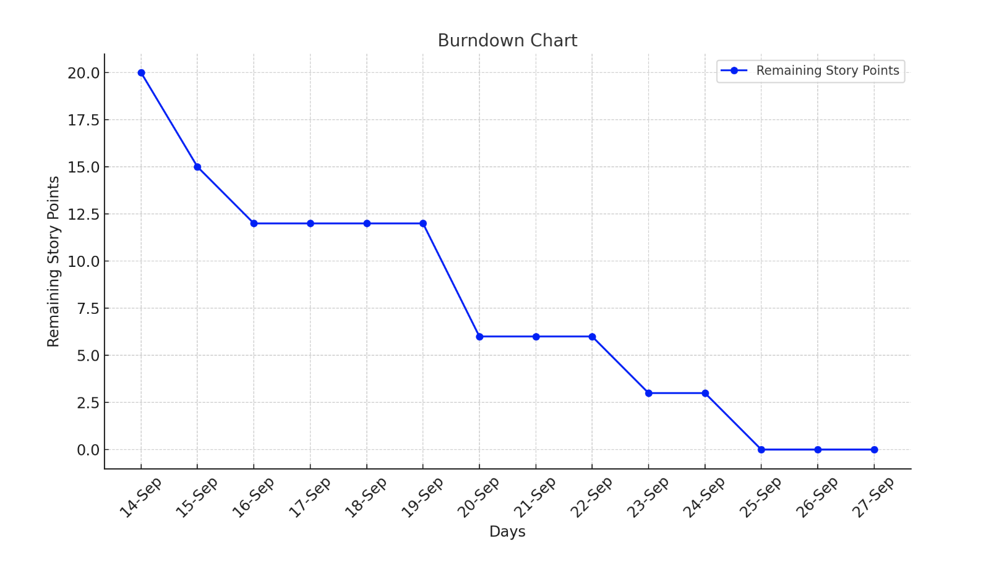
 |  |  | 2024-09-14 | 2024-09-15 | 2024-09-16 | 2024-09-17 | 2024-09-18 | 2024-09-19 | 2024-09-20 | 2024-09-21 | 2024-09-22 | 2024-09-23 | 2024-09-24 | 2024-09-25 | 2024-09-26 | 2024-09-27
Task | Names | Story Points | Day 1 | Day 2 | Day 3 | Day. 4 | Day 5 | Day 6 | Day 7 | Day 8 | Day 9 | Day 10 | Day 11 | Day 12 | Day 13 | Day 14
Set up Private GitHub Repository with Git Classroom Invite for Team | Puneeth | 1 | 1
Setup Separate Environments for Testing and Production | Siri | 3 | 3
Create UML Diagrams for Project Setup | Vineela | 1 | 1
Create UI Wireframes for home, restaurant, business owner, admin pages | Vyshanvi | 3 |  |  |  |  |  | 3
Set up the React project with a structured folder layout and implemented routing for pages. | Siri | 3 |  |  |  |  |  | 3
Configured PostgreSQL and integrated it with the Spring Boot backend | Vineela | 3 |  |  |  |  |  |  |  |  | 3
Database schema for Admin, Reviews | Vyshnavi | 3 |  |  |  |  |  |  |  |  |  |  | 3
Databse schema design for User, business owner | Vineela | 3 |  | 3
Established the Spring Boot backend with a clear folder structure | Puneeth | 1 |  | 1
Database schema for restaurant | Puneeth | 3 |  |  |  |  |  | 3
 |  | 20 | 15 | 12 | 12 | 12 | 12 | 6 | 6 | 6 | 3 | 3 | 0 | 0 | 0 | 0

Sprint 2
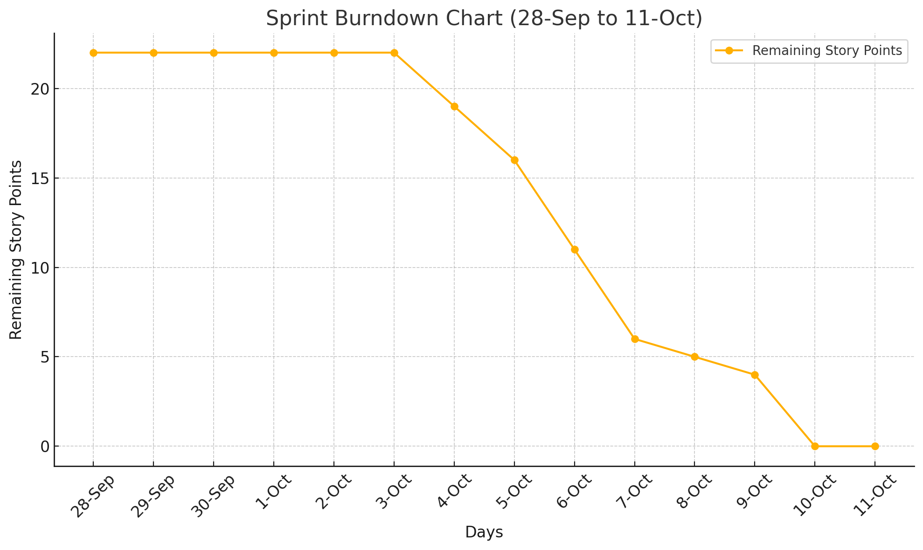
 |  |  | 2024-09-28 | 2024-09-29 | 2024-09-30 | 2024-10-01 | 2024-10-02 | 2024-10-03 | 2024-10-04 | 2024-10-05 | 2024-10-06 | 2024-10-07 | 2024-10-08 | 2024-10-09 | 2024-10-10 | 2024-10-11
Task | Names | Story Points | Day 1 | Day 2 | Day 3 | Day. 4 | Day 5 | Day 6 | Day 7 | Day 8 | Day 9 | Day 10 | Day 11 | Day 12 | Day 13 | Day 14
Design and develop APIs for business owner functionalities | Siri | 3 |  |  |  |  |  | 3
Develop review API's and Admin API's | Vyshnavi | 3 |  |  |  |  |  |  | 3
Develop APIs for User functionalities (Registration, Login, and Profile) | Vineela | 5 |  |  |  |  |  |  |  |  | 5
Create reusable navigation bar and footer components | Siri | 1 |  |  |  |  |  |  |  |  |  | 1
Integrate business owner API's with databse schema | Siri | 1 |  |  |  |  |  |  |  |  |  |  | 1
Design and implement Restaurants API's and home page displaying restaurants | Puneeth | 5 |  |  |  |  |  |  |  | 5
Develop UI components for login and registration | Vineela | 1 |  |  |  |  |  |  |  |  |  |  |  | 1
Build restaurant page componets and finalize datbase schema | Vyshnavi | 3 |  |  |  |  |  |  |  |  |  |  |  | 3
 |  | 22 | 22 | 22 | 22 | 22 | 22 | 19 | 16 | 11 | 6 | 5 | 4 | 0 | 0 | 0

Sprint 3
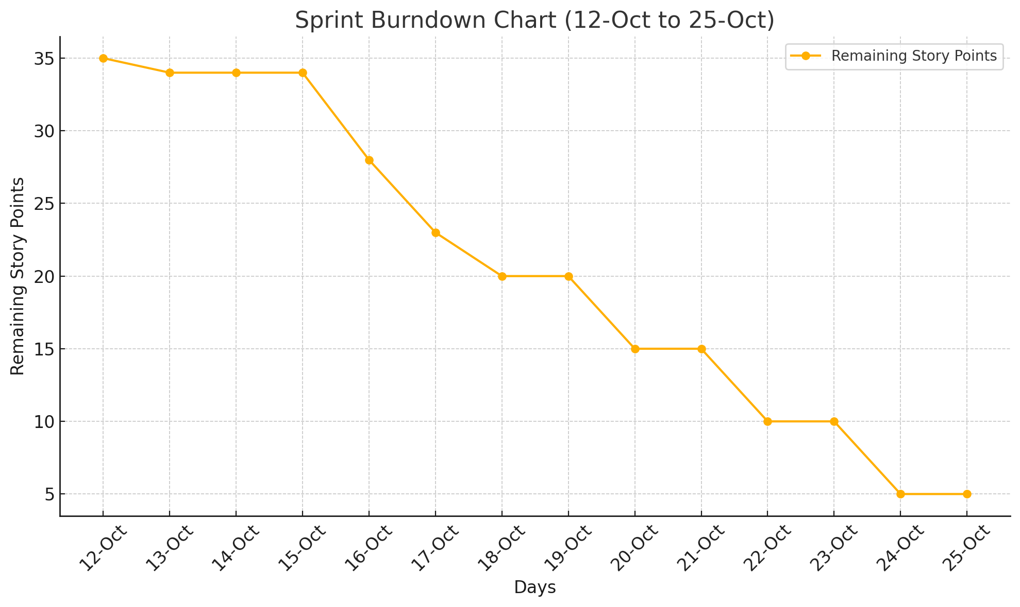
 |  |  | 2024-10-12 | 2024-10-13 | 2024-10-14 | 2024-10-15 | 2024-10-16 | 2024-10-17 | 2024-10-18 | 2024-10-19 | 2024-10-20 | 2024-10-21 | 2024-10-22 | 2024-10-23 | 2024-10-24 | 2024-10-25
Task | Names | Story Points | Day 1 | Day 2 | Day 3 | Day. 4 | Day 5 | Day 6 | Day 7 | Day 8 | Day 9 | Day 10 | Day 11 | Day 12 | Day 13 | Day 14
Implementation of add reastaurants API and also adding photos to Database. | Puneeth | 3 |  |  |  | 3
Implement API's for admin dashboard to check duplicate listings. | Vineela | 3 |  |  |  |  |  | 3
Build Review submission form with dynamic display and validation to enhance user interactivity | Vyshnavi | 5 |  |  |  |  |  |  |  |  |  |  |  | 5
Develop advanced filtering search API to fetch restaurant lists based on zip code enterd. | Puneeth | 5 |  |  |  |  |  |  |  |  |  |  |  |  |  | 5
Integrate Google maps on homepage and create API's to fetch restaurant details using google Maps API by ZIP code | Vyshnavi | 5 |  |  |  |  | 5
Research for implemetation of photos in database | Siri | 1 | 1
Build Add Restaurants form for business Owners, allowing them to input details | Siri | 3 |  |  |  | 3
Design Admin dashboard pages | Vineela | 5 |  |  |  |  |  |  |  |  |  | 5
Integrate the Add Restaurants APi with the business owner form, connecting UI to backend. | Siri | 5 |  |  |  |  |  |  |  | 5
 |  | 35 | 34 | 34 | 34 | 28 | 23 | 20 | 20 | 15 | 15 | 10 | 10 | 5 | 5 | 0

Sprint 4
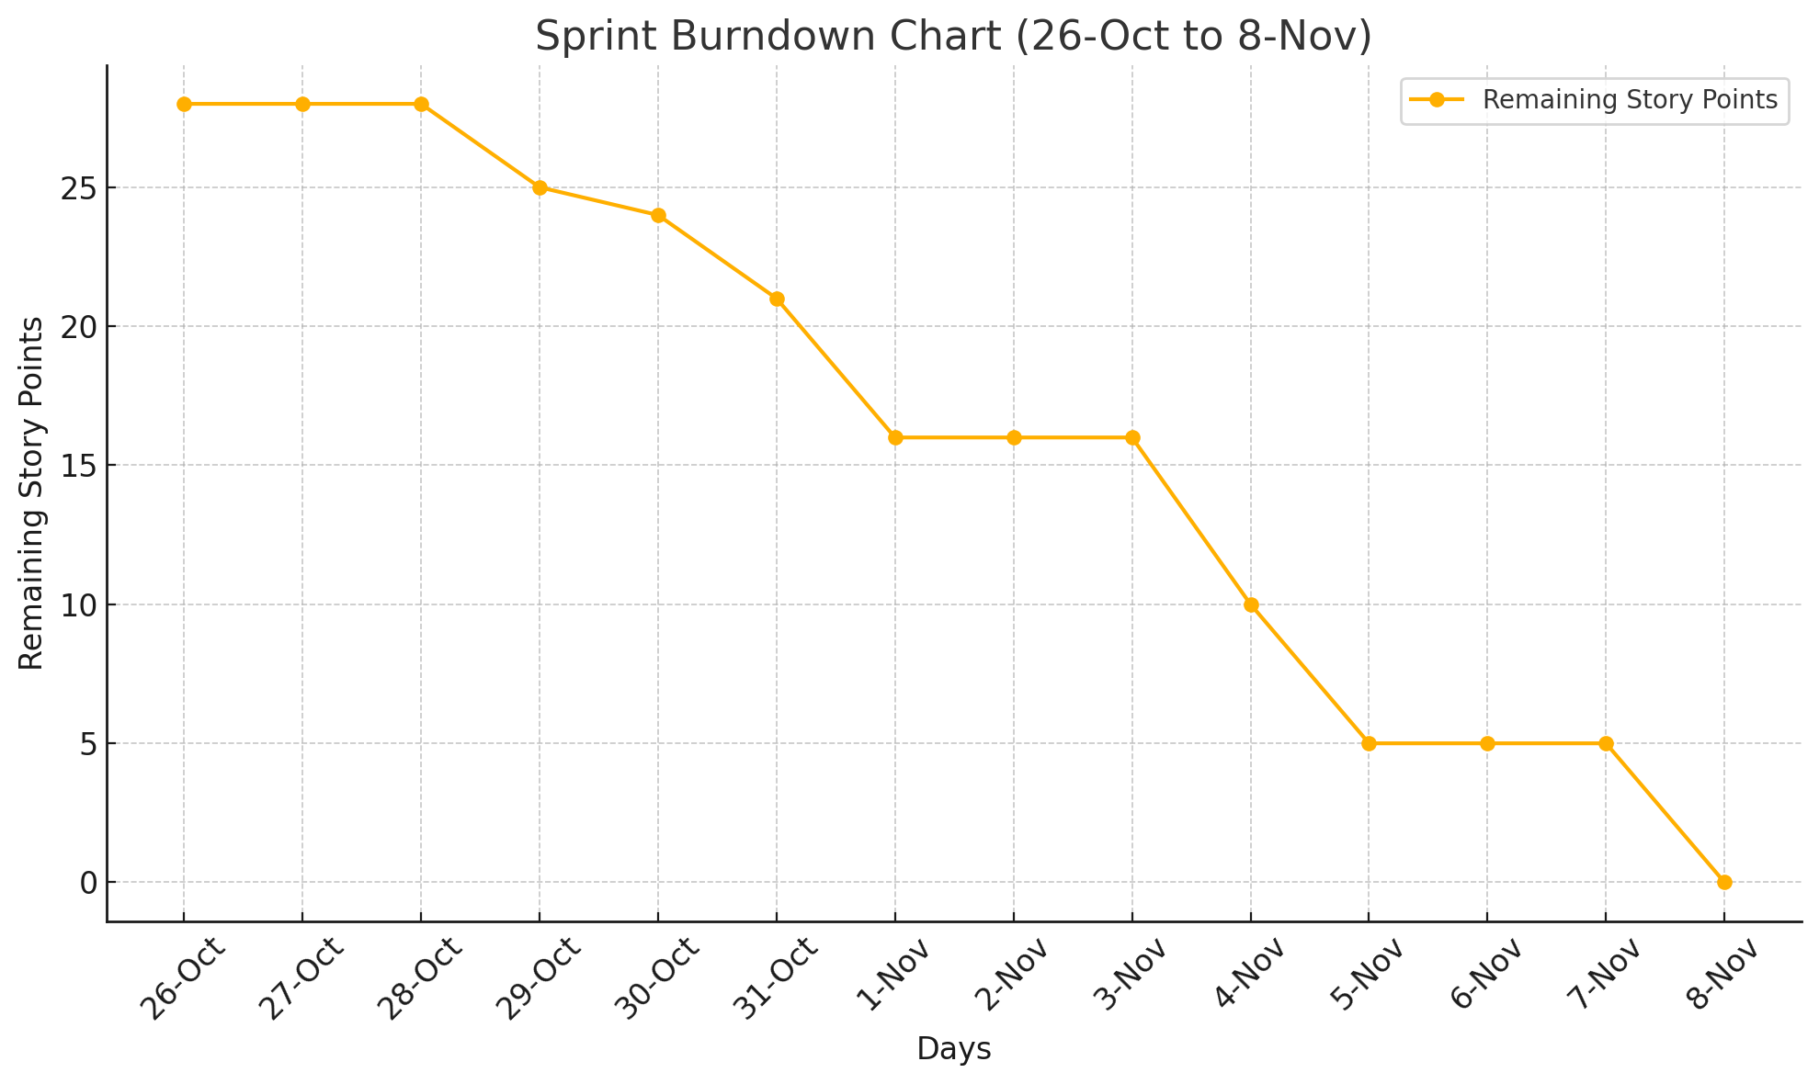
 |  |  | 2024-10-26 | 2024-10-27 | 2024-10-28 | 2024-10-29 | 2024-10-30 | 2024-10-31 | 2024-11-01 | 2024-11-02 | 2024-11-03 | 2024-11-04 | 2024-11-05 | 2024-11-06 | 2024-11-07 | 2024-11-08
Task | Names | Story Points | Day 1 | Day 2 | Day 3 | Day. 4 | Day 5 | Day 6 | Day 7 | Day 8 | Day 9 | Day 10 | Day 11 | Day 12 | Day 13 | Day 14
Functionality check for add restaurants and edit restaurants. | Puneeth | 1 |  |  |  | 1
Implement API's for submitting reviews and linking them to specific restaurants records in the database | Vyshnavi | 3 |  |  | 3
Develop backend API's for edit restaurants and delete reastaurants features | Siri | 3 |  |  |  |  |  |  |  |  | 3
Create advanced filtering search restaurants by cusisine, price range and ratings, integrating them with the home page. | Puneeth | 5 |  |  |  |  |  | 5
Develop edit restaurant page and delete restaurant feature. | Siri | 3 |  |  |  |  | 3
Implement user Authentication including role based control with JWT tokens | Vineela | 5 |  |  |  |  |  |  |  |  |  | 5
Implement backend API and integration with frontend for review submisision | Vyshnavi | 5 |  |  |  |  |  |  |  |  |  |  |  |  | 5
Create API's for fetching business Owners restaurant listings based on logged in sessions. | Vineela | 3 |  |  |  |  |  |  |  |  | 3
 |  | 28 | 28 | 28 | 25 | 24 | 21 | 16 | 16 | 16 | 10 | 5 | 5 | 5 | 0 | 0

Sprint 5
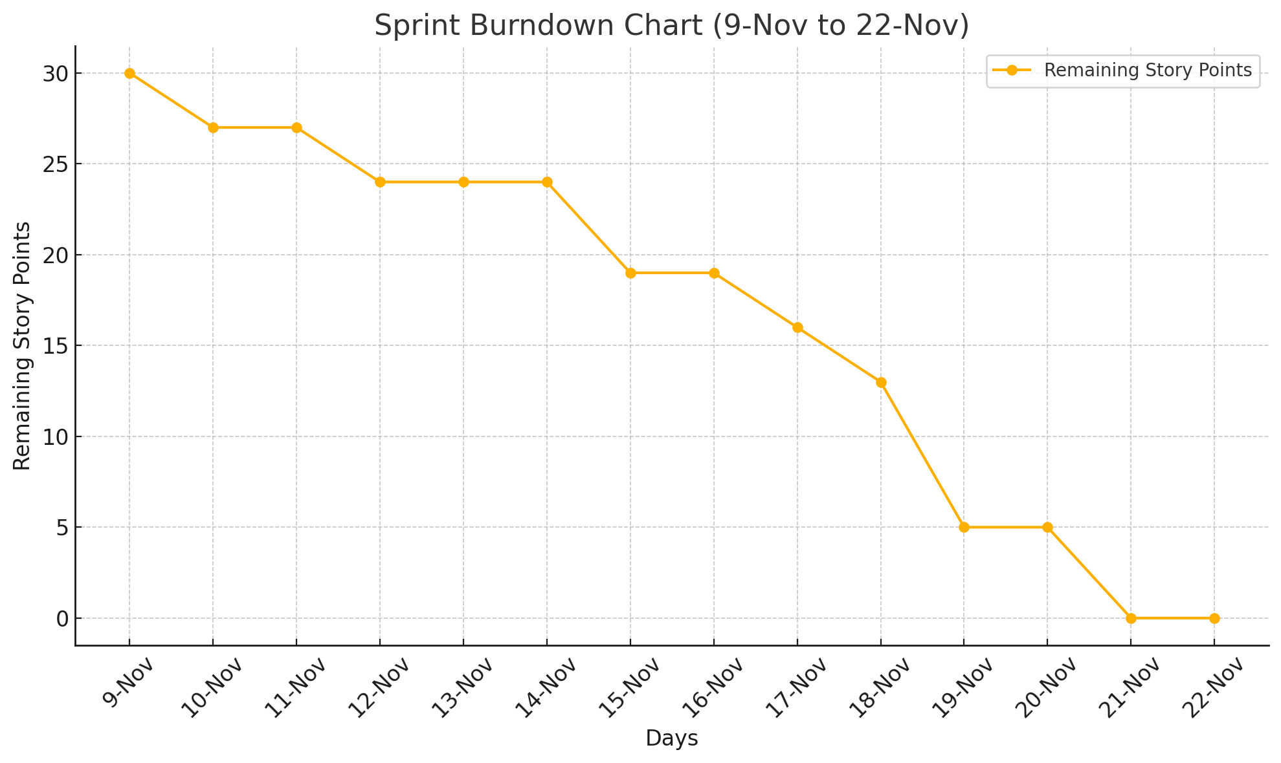
 |  |  | 2024-11-09 | 2024-11-10 | 2024-11-11 | 2024-11-12 | 2024-11-13 | 2024-11-14 | 2024-11-15 | 2024-11-16 | 2024-11-17 | 2024-11-18 | 2024-11-19 | 2024-11-20 | 2024-11-21 | 2024-11-22
Task | Names | Story Points | Day 1 | Day 2 | Day 3 | Day. 4 | Day 5 | Day 6 | Day 7 | Day 8 | Day 9 | Day 10 | Day 11 | Day 12 | Day 13 | Day 14
Develop API for submitting reviews | Vineela | 3 | 3
Integrate business owners dashboard with backend | Vyshnavi | 3 |  |  | 3
Add robust validations and error handling to the Add/Edit restaurant forms for business owners. | Siri | 3 |  |  |  |  |  |  |  |  | 3
Add input validations and error handling for login/registration and also for add/edit restaurant forms in business owner | Puneeth | 5 |  |  |  |  |  | 5
Add validations for search inputs in home screen and remove listings for closed business. | Puneeth | 3 |  |  |  |  |  |  |  |  |  | 3
Enable users to view detailed restaurant information, including dynamic reviews and aggregated ratings | Vyshnavi | 5 |  |  |  |  |  |  |  |  |  | 5
Develop functionality for businessowners to edit restaurant details and implement the update restaurant API | Siri | 5 |  |  |  |  |  |  |  |  |  |  |  | 5
Develop admin owner functionalities and integrate with front end | Vineela | 3 |  |  |  |  |  |  |  | 3
 |  | 30 | 27 | 27 | 24 | 24 | 24 | 19 | 19 | 16 | 13 | 5 | 5 | 0 | 0 | 0

Sprint 6
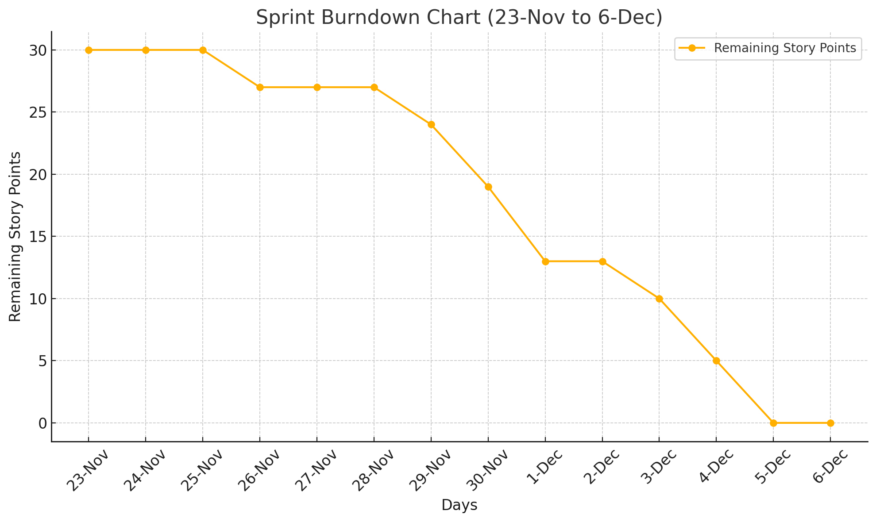
 |  |  | 2024-11-23 | 2024-11-24 | 2024-11-25 | 2024-11-26 | 2024-11-27 | 2024-11-28 | 2024-11-29 | 2024-11-30 | 2024-12-01 | 2024-12-02 | 2024-12-03 | 2024-12-04 | 2024-12-05 | 2024-12-06
Task | Names | Story Points | Day 1 | Day 2 | Day 3 | Day. 4 | Day 5 | Day 6 | Day 7 | Day 8 | Day 9 | Day 10 | Day 11 | Day 12 | Day 13 | Day 14
Improve the app responsiveness for desktop devices, ensuring compatibility across screen sizes | Siri | 3 |  |  |  |  |  | 3
Add functionality for business owners to upload and update restaurant photos | Puneeth | 3 |  |  | 3
Finalize the review submission form with validation and polish the app design for a consistent user experience | Vyshnavi | 3 |  |  |  |  |  |  |  | 3
Deploy the backend to AWS with auto scaling EC2 instances and postgreSQL on RDS, ensuring production readiness. | Puneeth | 5 |  |  |  |  |  |  | 5
Conduct UI/UX tetsting scross all roles, identifying and resolving issues. | Vineela | 3 |  |  |  |  |  |  |  |  |  | 3
Conduct end to end tetsting workflows, ensuring seamless integration and work on component diagram | Vineela | 5 |  |  |  |  |  |  |  |  |  |  | 5
Deploy the frontend to AWS S3 and create a deployment architecture diagram for documentation | Vyshnavi | 5 |  |  |  |  |  |  |  |  |  |  |  | 5
Develop Feature for Student Role to View Announcements | Siri | 3 |  |  |  |  |  |  |  | 3
 |  | 30 | 30 | 30 | 27 | 27 | 27 | 24 | 19 | 13 | 13 | 10 | 5 | 0 | 0 | 0

