Dashboard
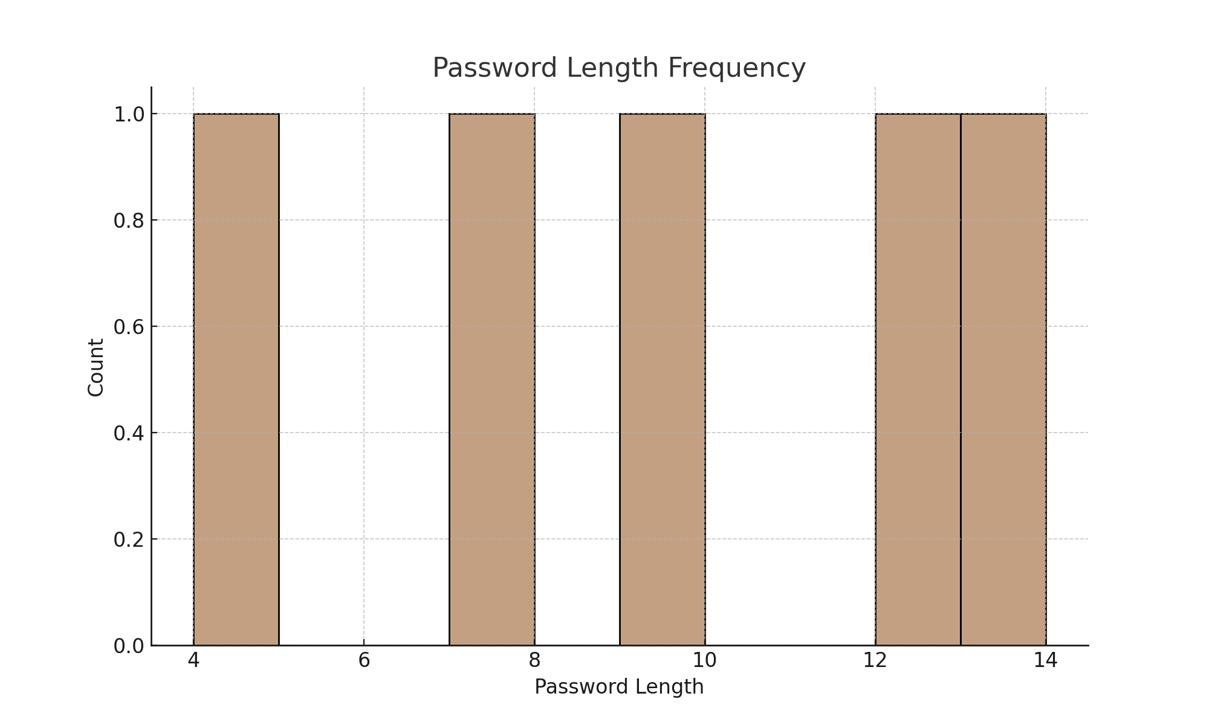
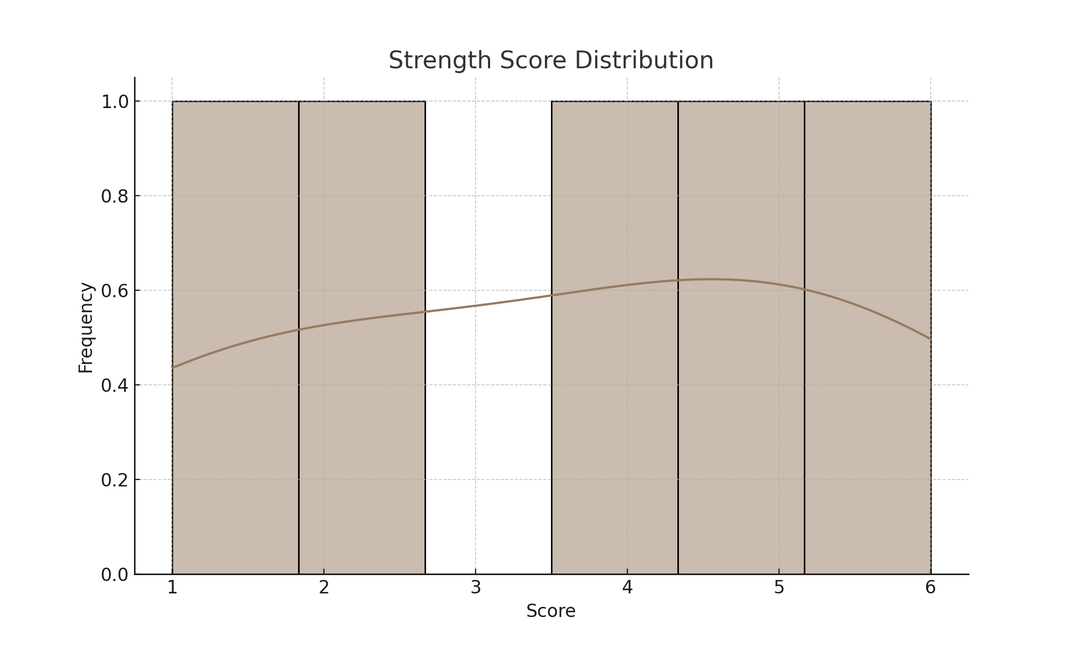
🔐 Password Strength Analyzer Dashboard

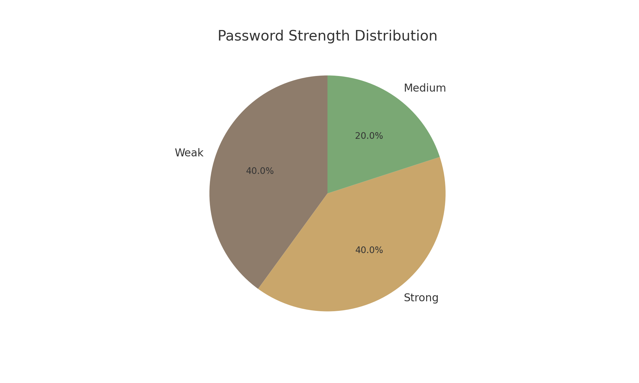
Total Passwords | 5
Weak Passwords | 2
Medium Passwords | 1
Strong Passwords | 2

