Test-Cases-Run
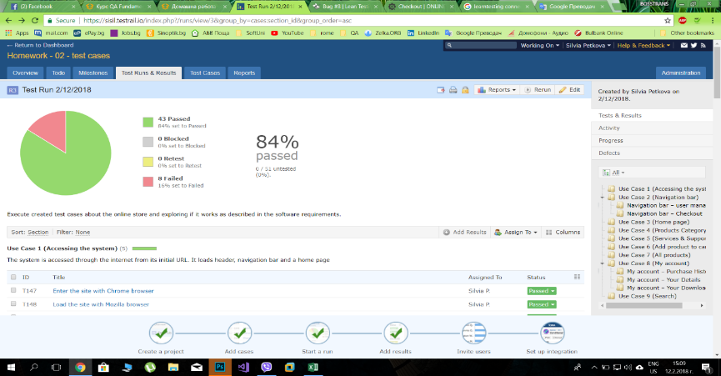
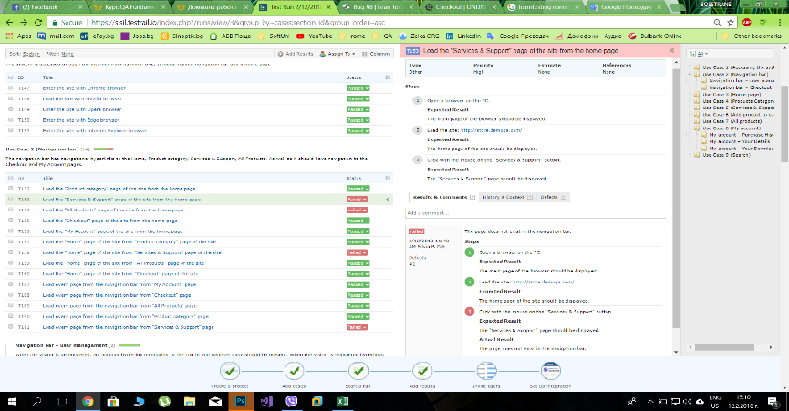
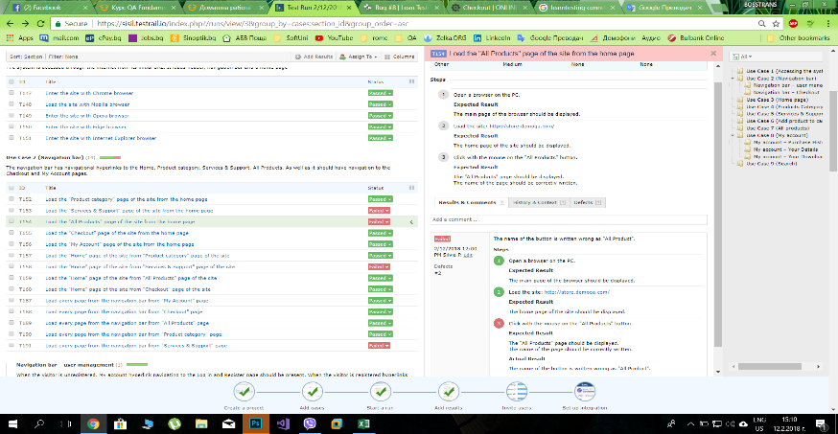
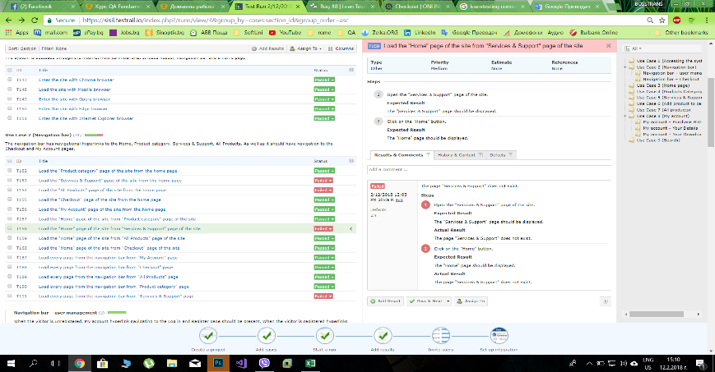
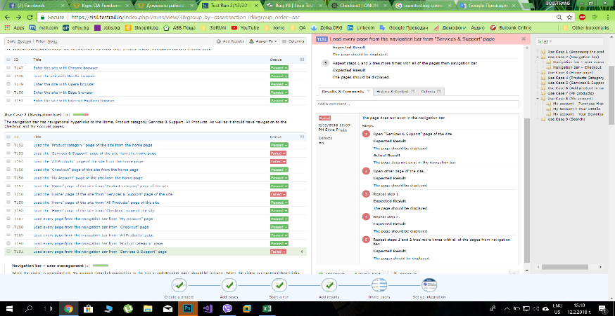
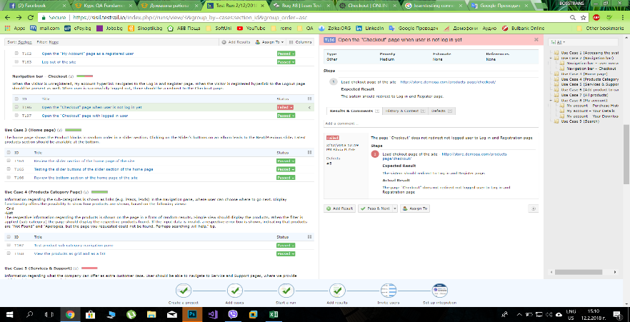
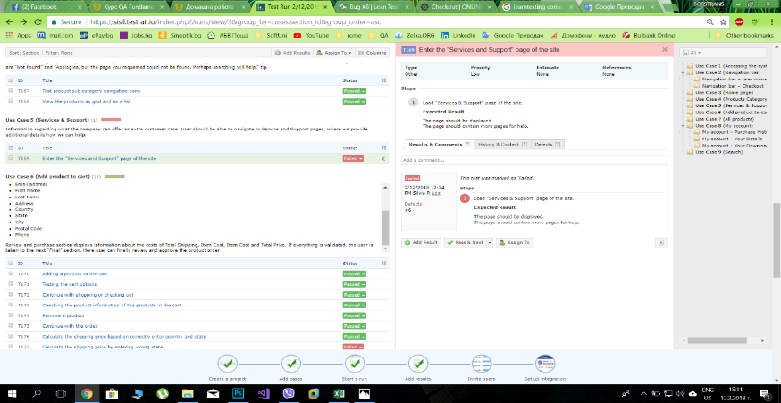
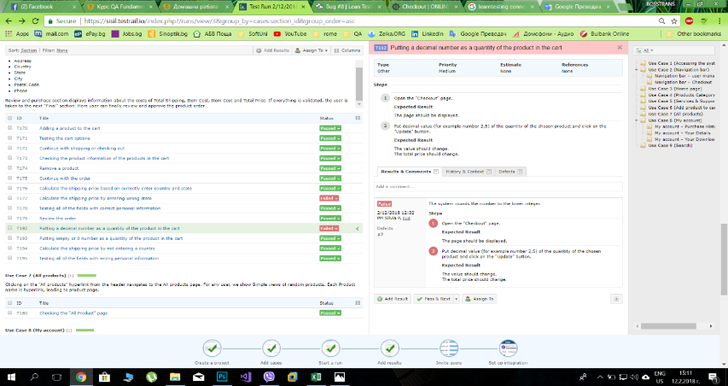
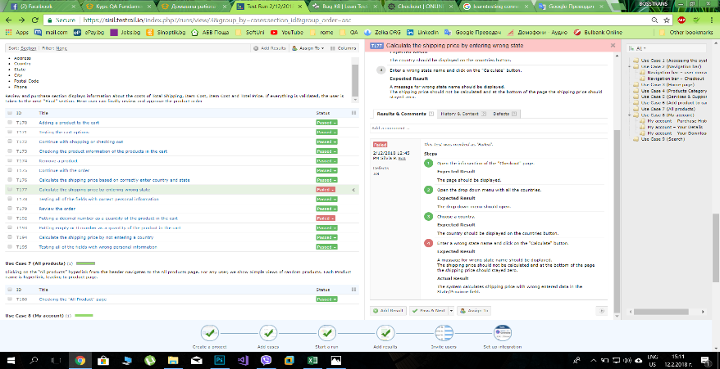
Здравейте, използвала съм сайта на TestRail за работа по тест кейсовете и Bug tracking системата в сайта на Lean Testing (https://leantesting.com/), за да опиша бъговете . Bug report-а е тук, в дясно от листа озаглавен Test-Cases-Run. След таблиците има Screenshots.

Test Case Run from 12.02.2018 - Silvia Petkova
ID | Title | Assigned To | Comment | Defects | Priority | Section | Steps (Step) | Status | Steps (Expected Result) | Steps (Actual Result) | Tested By | Tested On
TC147 | Enter the site with Chrome browser | Silvia Petkova |  |  | Critical | Use Case 1 (Accessing the system) | 1. Open the Chrome browser on the PC. 2. Load the web address of the site: http://store.demoqa.com/ | Passed | 1. The main page of the browser should be displayed. 2. The home page of the site should be displayed. | As expected | Silvia Petkova | 12/2/18
TC148 | Load the site with Mozilla browser | Silvia Petkova |  |  | Critical | Use Case 1 (Accessing the system) | 1. Open the Mozilla browser on the PC. 2. Load the web address of the online shop: http://store.demoqa.com/ | Passed | 1. The main page of the browser should be displayed. 2. The home page of the site should be displayed. | As expected | Silvia Petkova | 12/2/18
TC149 | Enter the site with Opera browser | Silvia Petkova |  |  | Critical | Use Case 1 (Accessing the system) | 1. Open the Opera browser on the PC. 2. Load the web address of the online shop: http://store.demoqa.com/ | Passed | 1. The main page of the browser should be displayed. 2. The home page of the site should be displayed. | As expected | Silvia Petkova | 12/2/18
TC150 | Enter the site with Edge browser | Silvia Petkova |  |  | Critical | Use Case 1 (Accessing the system) | 1. Open the Edge browser on the PC. 2. Load the web address of the online shop: http://store.demoqa.com/ | Passed | 1. The main page of the browser should be displayed. 2. The home page of the site should be displayed. | As expected | Silvia Petkova | 12/2/18
TC151 | Enter the site with Internet Explorer browser | Silvia Petkova |  |  | Critical | Use Case 1 (Accessing the system) | 1. Open the Internet Explorer browser on the PC. 2. Load the web address of the online shop: http://store.demoqa.com/ | Passed | 1. The main page of the browser should be displayed. 2. The home page of the site should be displayed. | As expected | Silvia Petkova | 12/2/18
TC152 | Load the "Product category" page of the site from the home page | Silvia Petkova |  |  | High | Use Case 2 (Navigation bar) | 1. Open a browser on the PC. 2. Load the site: http://store.demoqa.com/ 3. Click with the mouse on the "Product category" button. | Passed | 1. The main page of the browser should be displayed. 2. The home page of the site should be displayed. 3. The "Product category" page should be displayed. | As expected | Silvia Petkova | 12/2/18
TC153 | Load the "Services & Support" page of the site from the home page | Silvia Petkova | The page does not exist in the navigation bar. | #1 | High | Use Case 2 (Navigation bar) | 1. Open a browser on the PC. 2. Load the site: http://store.demoqa.com/ 3. Click with the mouse on the "Services & Support" button. | Failed | 1. The main page of the browser should be displayed. 2. The home page of the site should be displayed. 3. The "Services & Support" page should be displayed. | 1. As expected 2. As expected 3. The page does not exist in the navigation bar. | Silvia Petkova | 12/2/18
TC154 | Load the "All Products" page of the site from the home page | Silvia Petkova | The name of the button is written wrong as "All Product". | #2 | Medium | Use Case 2 (Navigation bar) | 1. Open a browser on the PC. 2. Load the site: http://store.demoqa.com/ 3. Click with the mouse on the "All Products" button. | Failed | 1. The main page of the browser should be displayed. 2. The home page of the site should be displayed. 3. The "All Products" page should be displayed. The name of the page should be correctly written. | 1. As expected 2. As expected 3. The name of the button is written wrong as "All Product". | Silvia Petkova | 12/2/18
TC155 | Load the "Checkout" page of the site from the home page | Silvia Petkova |  |  | Medium | Use Case 2 (Navigation bar) | 1. Load the site: http://store.demoqa.com/ 2. Click with the mouse on the "Checkout" button. | Passed | 1. The home page of the site should be displayed. 2. The "Checkout" page should be displayed. | As expected | Silvia Petkova | 12/2/18
TC156 | Load the "My Account" page of the site from the home page | Silvia Petkova |  |  | Medium | Use Case 2 (Navigation bar) | 1. Load the site: http://store.demoqa.com/ 2. Click with the mouse on the "My Account" button. | Passed | 1. The home page of the site should be displayed. 2. The "My Account" page should be displayed. | As expected | Silvia Petkova | 12/2/18
TC157 | Load the "Home" page of the site from "Product category" page of the site | Silvia Petkova |  |  | High | Use Case 2 (Navigation bar) | 1. Open the "Product category" page of the site. 2. Click on the "Home" button. | Passed | 1. The "Product category" page should be displayed. 2. The "Home" page should be displayed. | As expected | Silvia Petkova | 12/2/18
TC158 | Load the "Home" page of the site from "Services & Support" page of the site | Silvia Petkova | The page "Services & Support" does not exist. | #3 | Medium | Use Case 2 (Navigation bar) | 1. Open the "Services & Support" page of the site. 2. Click on the "Home" button. | Failed | 1. The "Services & Support" page should be displayed. 2. The "Home" page should be displayed. | 1. The page "Services & Support" does not exist. 2. The page "Services & Support" does not exist. | Silvia Petkova | 12/2/18
TC159 | Load the "Home" page of the site from "All Products" page of the site | Silvia Petkova |  |  | Medium | Use Case 2 (Navigation bar) | 1. Open the "All Products" page of the site. 2. Click on the "Home" button. | Passed | 1. The "All Products" page should be displayed. 2.The "Home" page should be displayed. | As expected | Silvia Petkova | 12/2/18
TC160 | Load the "Home" page of the site from "Checkout" page of the site | Silvia Petkova |  |  | Medium | Use Case 2 (Navigation bar) | 1. Open the "Checkout" page of the site. 2. Click on the "Home" button. | Passed | 1. The "Checkout" page should be displayed. 2.The "Home" page should be displayed. | As expected | Silvia Petkova | 12/2/18
TC187 | Load every page from the navigation bar from "My Account" page | Silvia Petkova |  |  | Medium | Use Case 2 (Navigation bar) | 1. Open "My Account" page. 2. Open other page of the site. 3. Repeat step 1. 4. Repeat step 2. 5. Repeat steps 1 and 2 tree more times with all of the pages from navigation bar. | Passed | 1. The page should be displayed. 2. The page should be displayed. 3. The page should be displayed. 4. The page should be displayed. 5. The pages should be displayed. | As expected | Silvia Petkova | 12/2/18
TC188 | Load every page from the navigation bar from "Checkout" page | Silvia Petkova |  |  | Medium | Use Case 2 (Navigation bar) | 1. Open "Checkout" page. 2. Open other page of the site. 3. Repeat step 1. 4. Repeat step 2. 5. Repeat steps 1 and 2 tree more times with all of the pages from navigation bar. | Passed | 1. The page should be displayed. 2. The page should be displayed. 3. The page should be displayed. 4. The page should be displayed. 5. The pages should be displayed. | As expected | Silvia Petkova | 12/2/18
TC189 | Load every page from the navigation bar from "All Products" page | Silvia Petkova |  |  | Medium | Use Case 2 (Navigation bar) | 1. Open "All Products" page. 2. Open other page of the site. 3. Repeat step 1. 4. Repeat step 2. 5. Repeat steps 1 and 2 tree more times with all of the pages from navigation bar. | Passed | 1. The page should be displayed. 2. The page should be displayed. 3. The page should be displayed. 4. The page should be displayed. 5. The page should be displayed. | As expected | Silvia Petkova | 12/2/18
TC190 | Load every page from the navigation bar from "Product category" page | Silvia Petkova |  |  | Medium | Use Case 2 (Navigation bar) | 1. Open "Product category" page of the site. 2. Open other page of the site. 3. Repeat step 1. 4. Repeat step 2. 5. Repeat steps 1 and 2 tree more times with all of the pages from navigation bar. | Passed | 1. The page should be displayed. 2. The page should be displayed. 3. The page should be displayed. 4. The page should be displayed. 5. The page should be displayed. | As expected | Silvia Petkova | 12/2/18
TC191 | Load every page from the navigation bar from "Services & Support" page | Silvia Petkova | The page does not exist in the navigation bar. | #4 | Medium | Use Case 2 (Navigation bar) | 1. Open "Services & Support" page of the site. 2. Open other page of the site. 3. Repeat step 1. 4. Repeat step 2. 5. Repeat steps 1 and 2 tree more times with all of the pages from navigation bar. | Failed | 1. The page should be displayed. 2. The page should be displayed. 3. The page should be displayed. 4. The page should be displayed. 5. The pages should be displayed. | 1. The page does not exist in the navigation bar. 2. 3. 4. 5. | Silvia Petkova | 12/2/18
TC161 | Open the "My Account" page as not registered user | Silvia Petkova |  |  | High | Navigation bar вЂ“ user management | 1. Load the "My Account" page. | Passed | 1. The Log in and Register page should be display. | 1 | Silvia Petkova | 12/2/18
TC162 | Open the "My Account" page as a registered user | Silvia Petkova |  |  | High | Navigation bar вЂ“ user management | 1. Load the "My Account" page. | Passed | 1. The menu of the account should be displayed. The "Log out" button should be displayed. | 1 | Silvia Petkova | 12/2/18
TC163 | Log out of the site | Silvia Petkova |  |  | Medium | Navigation bar вЂ“ user management | 1. Click on the "(logout)" button. | Passed | 1. The Log in and Register page should be displayed. | 1 | Silvia Petkova | 12/2/18
TC196 | Open the "Checkout" page when user is not log in yet | Silvia Petkova | The page "Checkout" does not redirect not logged user to Log in and Registration page | #5 | Medium | Navigation bar вЂ“ Checkout | 1. Load chekout page of the site - http://store.demoqa.com/products-page/checkout/ | Failed | 1. The sistem should redirect to Log in and Register page. | 1. The page "Checkout" does not redirect not logged user to Log in and Registration page | Silvia Petkova | 12/2/18
TC197 | Open the "Checkout" page with logged in user | Silvia Petkova |  |  | Medium | Navigation bar вЂ“ Checkout | 1. Load site http://store.demoqa.com/ 2. Open "My Account" page. 3. Enter valid data to log in. 4. Load "Checkout" page of the site - http://store.demoqa.com/products-page/checkout/ | Passed | 1. The site should open. 2. The Log in and Registration page should appear. 3. The "My Account" page should appear. 4. Empty cart message should appear. | As expected | Silvia Petkova | 12/2/18
TC164 | Review the slider section of the home page of the site | Silvia Petkova |  |  | Medium | Use Case 3 (Home page) | 1. Open the "Home" page of the site. | Passed | 1. The home page should be displayed. The slider section should shows the Product blocks in random order. | As expected | Silvia Petkova | 12/2/18
TC165 | Testing the slider buttons of the slider section of the home page | Silvia Petkova |  |  | Medium | Use Case 3 (Home page) | 1. Open the home page of the site. 2. Click on the slider buttons. | Passed | 1. The home page should be displayed. 2. The next/previous slide should be displayed. | As expected | Silvia Petkova | 12/2/18
TC166 | Review the bottom section of the home page of the site | Silvia Petkova |  |  | Medium | Use Case 3 (Home page) | 1. Open the home page of the site. 2. Scroll to the bottom of the home page. | Passed | 1. The home page should be displayed. 2. Latest products section should be displayed. | As expected | Silvia Petkova | 12/2/18
TC167 | Test product sub category navigation pane | Silvia Petkova |  |  | Medium | Use Case 4 (Products Category Page) | 1. Put the mouse over the "Product category" button. 2. Click on the one of the categories to open it. 3. Repeat step 2 with all of the categories. | Passed | 1. The drop down menu with the product categories should be shown. 2. A page with the products of the chosen category should be displayed. 3. A page with the products of the chosen category should be displayed. | As expected | Silvia Petkova | 12/2/18
TC168 | View the products as grid and as a list | Silvia Petkova |  |  | Medium | Use Case 4 (Products Category Page) | 1. Open chosen product category from the drop down menu with all product categories. 2. Click on the Grid view button. 3. Click on the List view button. | Passed | 1. The page with all of the products from the chosen category should be displayed. 2. The products should arrange in a grid. 3. The products should arrange in a list. | As expected | Silvia Petkova | 12/2/18
TC169 | Enter the "Services and Support" page of the site | Silvia Petkova |  | #6 | Low | Use Case 5 (Services & Support) | 1. Load "Services & Support" page of the site. | Failed | 1. The page should be displayed. The page should contain more pages for help. | 1 | Silvia Petkova | 12/2/18
TC170 | Adding a product to the cart | Silvia Petkova |  |  | Medium | Use Case 6 (Add product to cart) | 1. Open the page with the chosen product for shopping. 2. Click on the "Add To Cart" button. 3. Open the "Checkout" page. | Passed | 1. The page with the product should be displayed. 2. A massage for successfully added product to the cart should be displayed. 3. The page should be displayed. The chosen product short information should be shown. | As expected | Silvia Petkova | 12/2/18
TC171 | Testing the cart options | Silvia Petkova |  |  | Medium | Use Case 6 (Add product to cart) | 1. Open the "Checkout" page. 2. Put different value of the quantity of the chosen product and click on the "Update" button. | Passed | 1. The page should be displayed. 2. The value should change. The total price should change. | As expected | Silvia Petkova | 12/2/18
TC172 | Continue with shopping or checking out | Silvia Petkova |  |  | Medium | Use Case 6 (Add product to cart) | 1. Open the cart with a product in. 2. Click the "Continue Shopping" button. 3. Repeat step 1. 4. Click the "Go To Checkout" button. | Passed | 1. The page should be displayed. 2. The home page should be displayed. 3. The page should be displayed. 4. Continue with checking out should be next. | As expected | Silvia Petkova | 12/2/18
TC173 | Checking the product information of the products in the cart | Silvia Petkova |  |  | Medium | Use Case 6 (Add product to cart) | 1. Open the "Checkout" page with a product in it. 2. Click on the product's name. | Passed | 1. The page should be displayed. 2. The page with the information of the product should be displayed. | As expected | Silvia Petkova | 12/2/18
TC174 | Remove a product | Silvia Petkova |  |  | Medium | Use Case 6 (Add product to cart) | 1. Open the "Checkout" page with a product in it. 2. Click on the "Remove" button. | Passed | 1. The page should be displayed. 2. The product should be removed and a massage for an empty cart should be displayed. | As expected | Silvia Petkova | 12/2/18
TC175 | Continue with the order | Silvia Petkova |  |  | Medium | Use Case 6 (Add product to cart) | 1. Open "Checkout" page with a product in it. 2. Click on the "Continue" button. | Passed | 1. The page should be displayed. "Your cart" part of the chekout to finish the order should be marked. 2. The "Info" part of the checkout to finishing the order should be displayed. | As expected | Silvia Petkova | 12/2/18
TC176 | Calculate the shipping price based on correctly enter country and state | Silvia Petkova |  |  | Medium | Use Case 6 (Add product to cart) | 1. Open the info section of the "Checkout" page. 2. Open the drop down menu with all the countries. 3. Choose a country. 4. Enter a valid state name and click on the "Calculate" button. | Passed | 1. The page should be displayed. 2. The drop down menu should open. 3. The country should be displayed on the countries button. 4. At the bottom of the page the calculated shipping price should be displayed. | As expected | Silvia Petkova | 12/2/18
TC177 | Calculate the shipping price by entering wrong state | Silvia Petkova |  | #8 | Medium | Use Case 6 (Add product to cart) | 1. Open the info section of the "Checkout" page. 2. Open the drop down menu with all the countries. 3. Choose a country. 4. Enter a wrong state name and click on the "Calculate" button. | Failed | 1. The page should be displayed. 2. The drop down menu should open. 3. The country should be displayed on the countries button. 4. A massage for wrong state name should be displayed. The shipping price should not be calculated and at the bottom of the page the shipping price should stayed zero. | 1. As expected 2. As expected 3. As expected 4. The system calculates shipping price with wrong entered data in the State/Province field. | Silvia Petkova | 12/2/18
TC178 | Testing all of the fields with correct personal information | Silvia Petkova |  |  | Medium | Use Case 6 (Add product to cart) | 1. Open the info section of the "Checkout" page. 2. Enter all the fields with correct information and click "Purchase". | Passed | 1. The page should be displayed. 2. All of the information should be accepted and the page should move to the final part of finishing the order. | As expected | Silvia Petkova | 12/2/18
TC179 | Review the order | Silvia Petkova |  |  | Medium | Use Case 6 (Add product to cart) | 1. Open the info section of the "Checkout" page. 2. Fill all the information and click on the "Purchase" button. | Passed | 1. The page should be displayed. 2. All of the information should be accepted and the page should move to the final part of finishing the order. A massage with short information about the price and product, and the delivery should appear. | As expected | Silvia Petkova | 12/2/18
TC192 | Putting a decimal number as a quantity of the product in the cart | Silvia Petkova | The system rounds the number to the lower integer. | #7 | Medium | Use Case 6 (Add product to cart) | 1. Open the "Checkout" page. 2. Put decimal value (for example number 2,5) of the quantity of the chosen product and click on the "Update" button. | Failed | 1. The page should be displayed. 2. The value should change. The total price should change. | 1. 2. | Silvia Petkova | 12/2/18
TC193 | Putting empty or 0 number as a quantity of the product in the cart | Silvia Petkova |  |  | Medium | Use Case 6 (Add product to cart) | 1. Open the "Checkout" page. 2. Put zero value (for example number 0) of the quantity of the chosen product and click on the "Update" button. 3. Repeat step 1. 4. Delete the value from the quantity box of the product so the box become empty and click the "Update" button. | Passed | 1. The page should be displayed. 2. The product should be removed and a massage for an empty cart should be displayed. 3. The page should be displayed. 4. The product should be removed and a massage for an empty cart should be displayed. | As expected | Silvia Petkova | 12/2/18
TC194 | Calculate the shipping price by not entering a country | Silvia Petkova |  |  | Medium | Use Case 6 (Add product to cart) | 1. Open the info section of the "Checkout" page. 2. Do not choose a country. 3. Click on the "Calculate" button. | Passed | 1. The page should be displayed. 2. The county button should stayed with a massage to choose one. 3. A massage for not choosing a country should be displayed. The shipping price should not be calculated and at the bottom of the page the shipping price should stayed zero. | As expected | Silvia Petkova | 12/2/18
TC195 | Testing all of the fields with wrong personal information | Silvia Petkova |  |  | Medium | Use Case 6 (Add product to cart) | 1. Open the info section of the "Checkout" page. 2. Enter all the fields with correct information and click "Purchase". | Passed | 1. The page should be displayed. 2. It should appear a massage for all of the wrong fill in fields to enter a valid information. The page should not move to the final part of finishing the order until filling the wright information. | As expected | Silvia Petkova | 12/2/18
TC180 | Checking the "All Product" page | Silvia Petkova |  |  | High | Use Case 7 (All products) | 1. Open the "All Product" page. 2. Click on the chosen other page. 3. Repeat step 1. 4. Click on the name of a product. | Passed | 1. The page should be displayed. The page should displayed random products. 2. The page should be displayed. 3. The page should be displayed. The page should displayed random products, different from those in the result in step 1. 4. A page with information about that product should be displayed. | As expected | Silvia Petkova | 12/2/18
TC181 | Review the "My Account" page | Silvia Petkova |  |  | Medium | Use Case 8 (My account) | 1. Open "My account" page. | Passed | 1. The page should be displayed. The page should contain hyperlinks to information of the account. | As expected | Silvia Petkova | 12/2/18
TC182 | Checking the purchase history of the account | Silvia Petkova |  |  | Low | My account вЂ“ Purchase History | 1. Open "My account" page. 2. Click on the "Purchase History" hyperlink. | Passed | 1. The page should be displayed. The page should contain hyperlinks to information of the account. 2. Information about the history of purchases should be displayed. If there is no such information, a massage should appear. | As expected | Silvia Petkova | 12/2/18
TC183 | Checking the user details of the account | Silvia Petkova |  |  | Low | My account вЂ“ Your Details | 1. Open "My account" page. 2. Click on the "Your Details" hyperlink. | Passed | 1. The page should be displayed. The page should contain hyperlinks to information of the account. 2. Information for the personal details should be displayed. | As expected | Silvia Petkova | 12/2/18
TC184 | Checking the downloads of the account | Silvia Petkova |  |  | Low | My account вЂ“ Your Downloads | 1. Open "My account" page. 2. Click on the "Your Downloads" hyperlink. | Passed | 1. The page should be displayed. The page should contain hyperlinks to information of the account. 2. Information about the history of downloaded products should be displayed. If there is no such information, a massage should appear. | As expected | Silvia Petkova | 12/2/18
TC185 | Searching for available product in the site | Silvia Petkova |  |  | Low | Use Case 9 (Search) | 1. Enter a valid name of a available product in the search field ("mouse"). | Passed | 1. The product should appear on the page. | As expected | Silvia Petkova | 12/2/18
TC186 | Searching for product, which is not in the site | Silvia Petkova |  |  | Low | Use Case 9 (Search) | 1. Enter a invalid or different from the content of the site word in the search field ("sun"). | Passed | 1. A massage with asking to try again should be displayed. A massage with explaining that the product doesn't exist or can't be found should appear. | As expected | Silvia Petkova | 12/2/18

Bug-Report
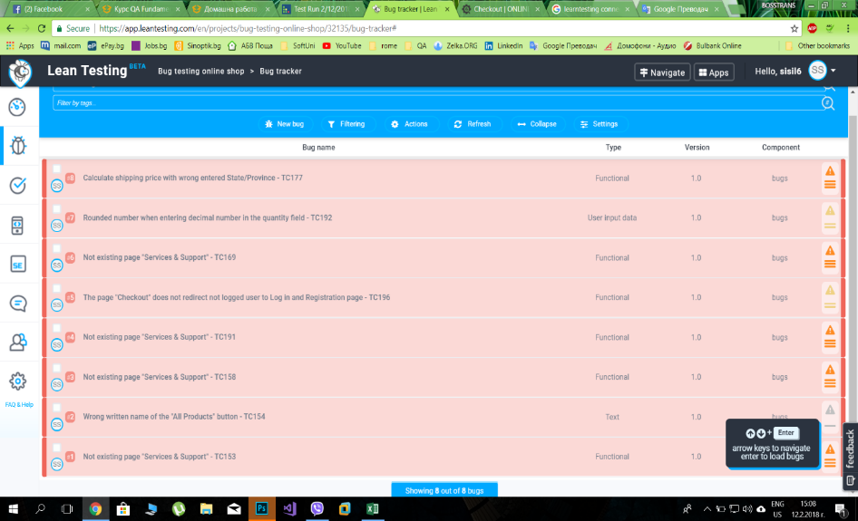
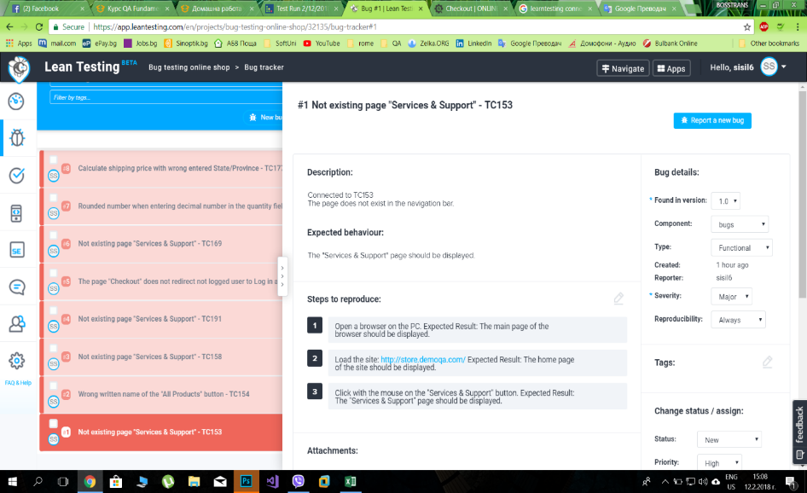
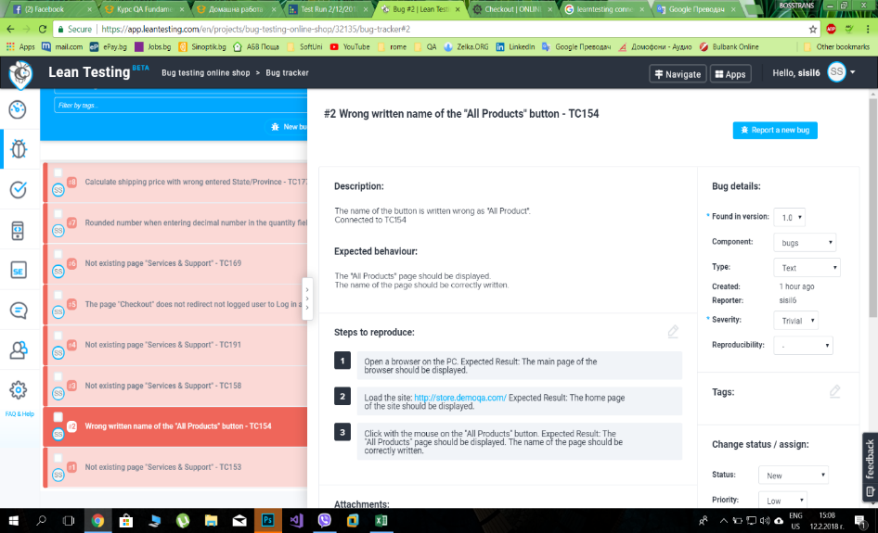
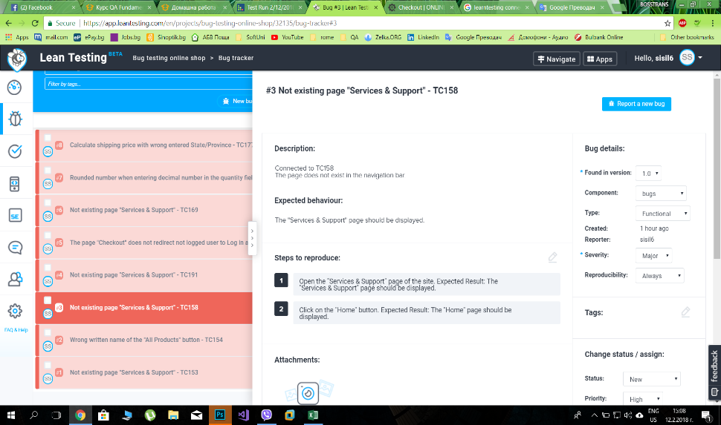
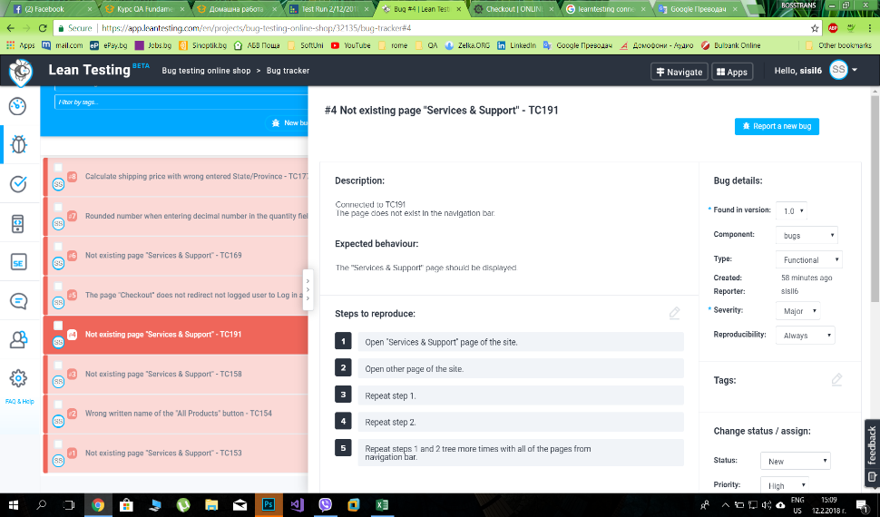
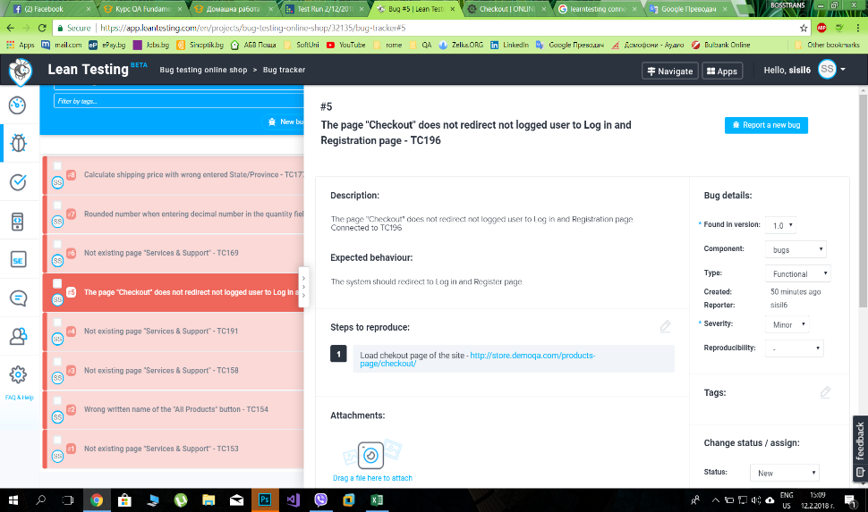
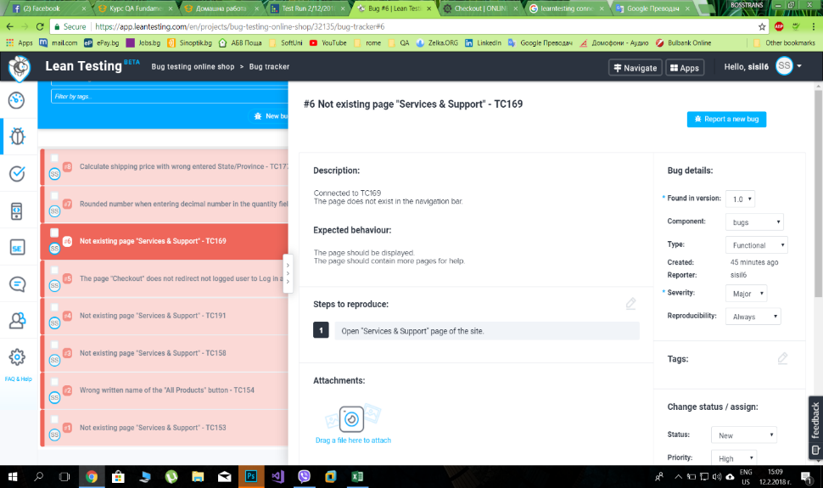
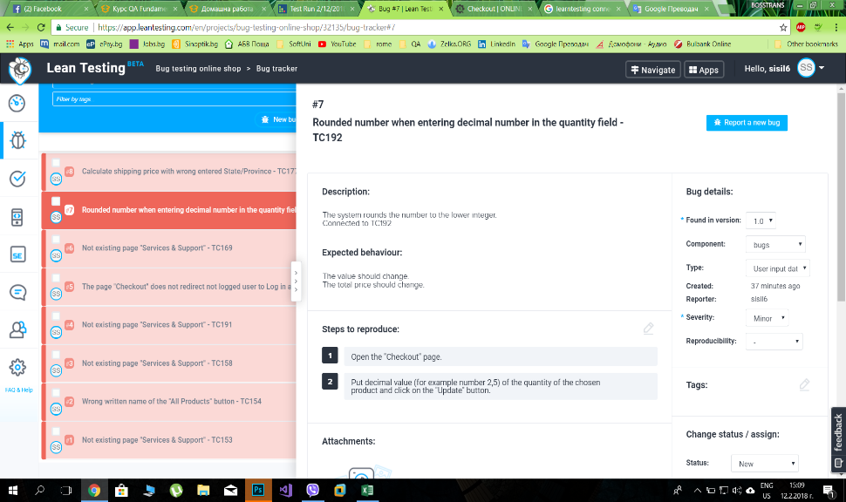
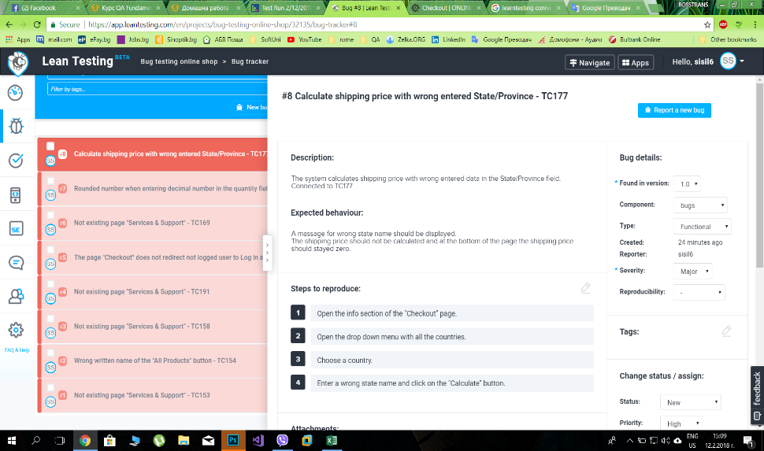
Bug report of Test Run from 12.02.2018 - Silvia Petkova
ID | Title | Priority | Severity | Type | Reproducibility | Description | Expected results | Steps to reproduce | Created at
1 | Not existing page "Services & Support" - TC153 | High | Major | Functional | Always | Connected to TC153 The page does not exist in the navigation bar. | The "Services & Support" page should be displayed. | 1. Open a browser on the PC. Expected Result: The main page of the browser should be displayed.; 2. Load the site: http://store.demoqa.com/ Expected Result: The home page of the site should be displayed.; 3. Click with the mouse on the "Services & Support" button. Expected Result: The "Services & Support" page should be displayed. | 12/02/2018 11:45:29
2 | Wrong written name of the "All Products" button - TC154 | Low | Trivial | Text | Always | The name of the button is written wrong as "All Product". Connected to TC154 | The "All Products" page should be displayed. The name of the page should be correctly written. | 1. Open a browser on the PC. Expected Result: The main page of the browser should be displayed.; 2. Load the site: http://store.demoqa.com/ Expected Result: The home page of the site should be displayed.; 3. Click with the mouse on the "All Products" button. Expected Result: The "All Products" page should be displayed. The name of the page should be correctly written. | 12/02/2018 12:00:11
3 | Not existing page "Services & Support" - TC158 | High | Major | Functional | Always | Connected to TC158 The page does not exist in the navigation bar. | The "Services & Support" page should be displayed. | 1. Open the "Services & Support" page of the site. Expected Result: The "Services & Support" page should be displayed.; 2. Click on the "Home" button. Expected Result: The "Home" page should be displayed. | 12/02/2018 12:05:48
4 | Not existing page "Services & Support" - TC191 | High | Major | Functional | Always | Connected to TC191 The page does not exist in the navigation bar. | The "Services & Support" page should be displayed. | 1. Open "Services & Support" page of the site.; 2. Open other page of the site.; 3. Repeat step 1.; 4. Repeat step 2.; 5. Repeat steps 1 and 2 tree more times with all of the pages from navigation bar. | 12/02/2018 12:10:56
5 | The page "Checkout" does not redirect not logged user to Log in and Registration page - TC196 | Medium | Minor | Functional | Always | The page "Checkout" does not redirect not logged user to Log in and Registration page. Connected to TC196 | The system should redirect to Log in and Register page. | 1. Load chekout page of the site - http://store.demoqa.com/products-page/checkout/ | 12/02/2018 12:18:35
6 | Not existing page "Services & Support" - TC169 | High | Major | Functional | Always | Connected to TC169 The page does not exist in the navigation bar. | The page should be displayed. The page should contain more pages for help. | 1. Open "Services & Support" page of the site. | 12/02/2018 12:23:55
7 | Rounded number when entering decimal number in the quantity field - TC192 | Medium | Minor | User input data | Always | The system rounds the number to the lower integer. Connected to TC192 | The value should change. The total price should change. | 1. Open the "Checkout" page.; 2. Put decimal value (for example number 2,5) of the quantity of the chosen product and click on the "Update" button. | 12/02/2018 12:32:06
8 | Calculate shipping price with wrong entered State/Province - TC177 | High | Major | Functional | Always | The system calculates shipping price with wrong entered data in the State/Province field. Connected to TC177. | A massage for wrong state name should be displayed. The shipping price should not be calculated and at the bottom of the page the shipping price should stayed zero. | 1. Open the info section of the "Checkout" page.; 2. Open the drop down menu with all the countries.; 3. Choose a country.; 4. Enter a wrong state name and click on the "Calculate" button. | 12/02/2018 12:44:25

