Sheet1
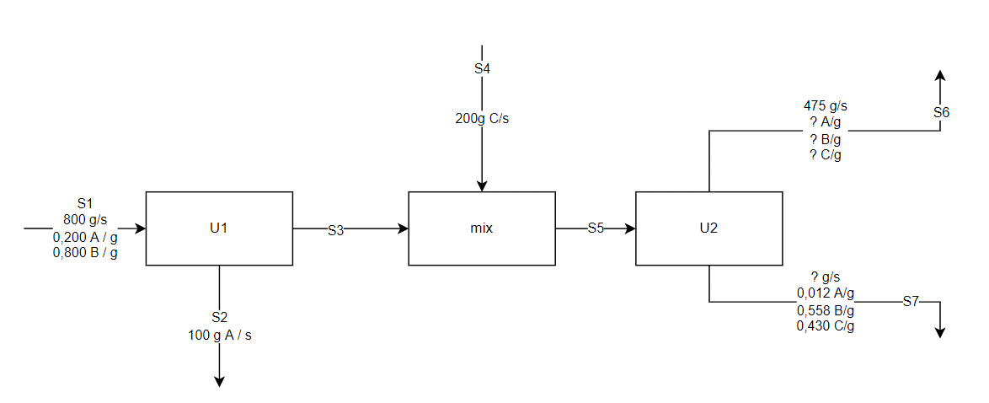
 | %A | %B | %C | TOTAL | A | B | C
S1
S2
S3
S4
S5
S6
S7

