data_dictionary
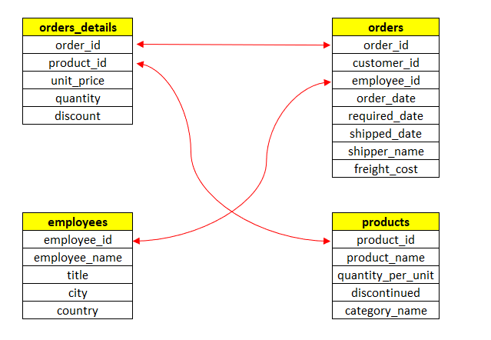
Table | Field | Description | Entity Relationship Diagram (ERD)
orders | order_id | Unique identifier for each order
orders | customer_id | The customer who placed the order
orders | employee_id | The employee who processed the order
orders | order_date | The date when the order was placed
orders | required_date | The date when the customer requested the order to be delivered
orders | shipped_date | The date when the order was shipped
orders | shipper_name | The name of the shipping company used for the order
orders | freight_cost | The shipping cost for the order (USD)
order_details | order_id | The ID of the order this detail belongs to
order_details | product_id | The ID of the product being ordered
order_details | unit_price | The price per unit of the product at the time the order was placed (USD - discount not included)
order_details | quantity | The number of units being ordered
order_details | discount | The discount percentage applied to the price per unit
products | product_id | Unique identifier for each product
products | product_name | The name of the product
products | quantity_per_unit | The quantity of the product per package
products | discontinued | Indicates with a 1 if the product has been discontinued
products | category_name | The name of the category
employees | employee_id | Unique identifier for each employee
employees | employee_name | Full name of the employee
employees | title | The employee's job title
employees | city | The city where the employee works
employees | country | The country where the employee works

