decimal place
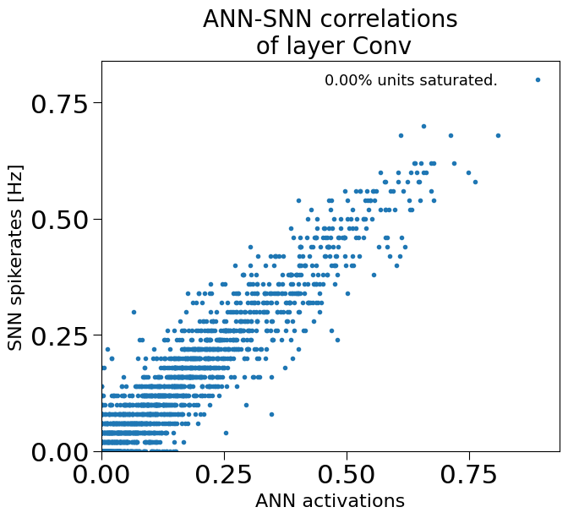
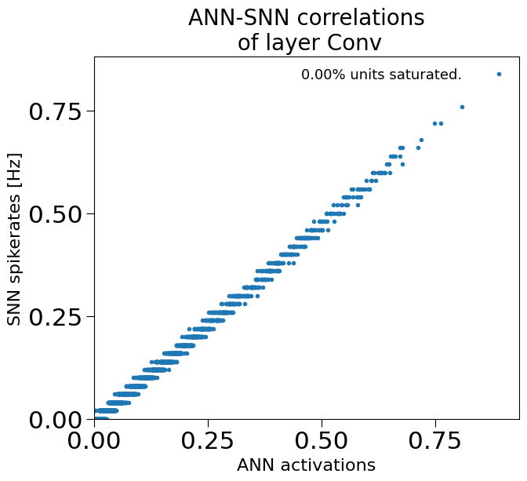

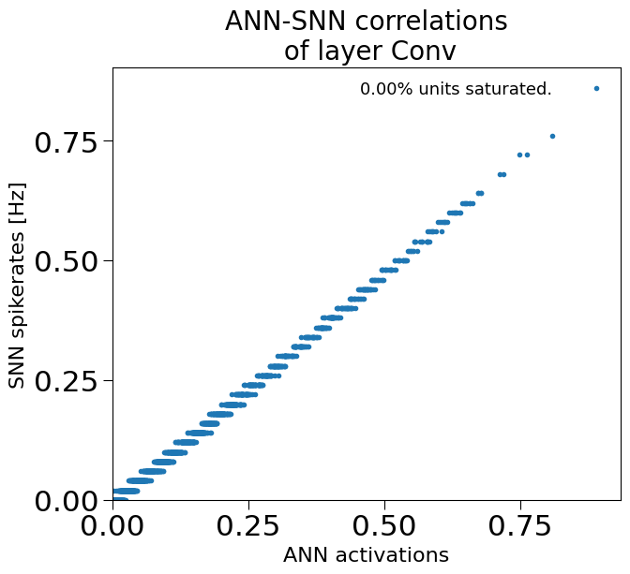
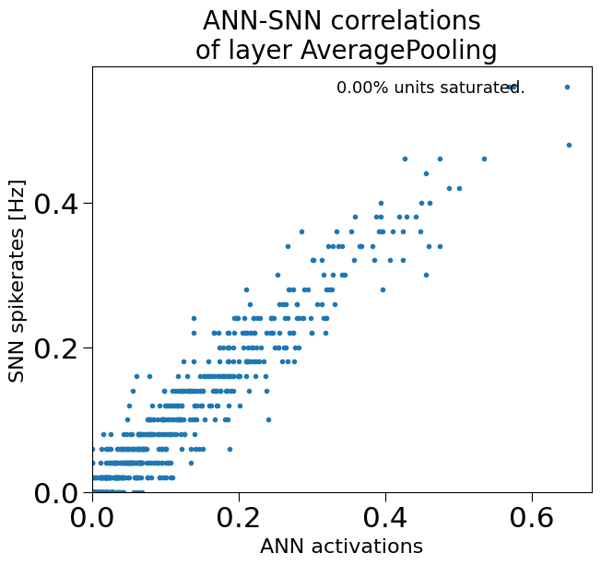
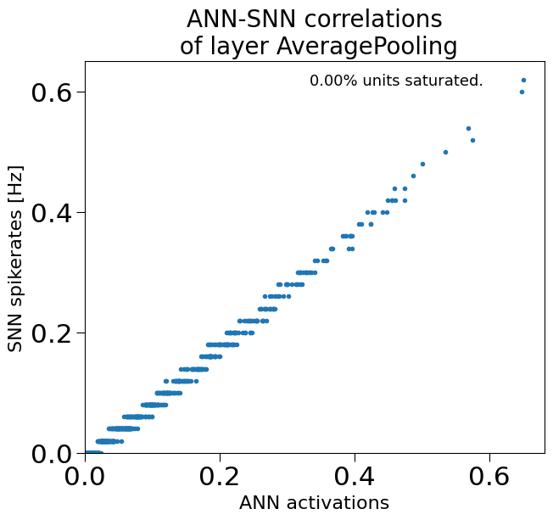
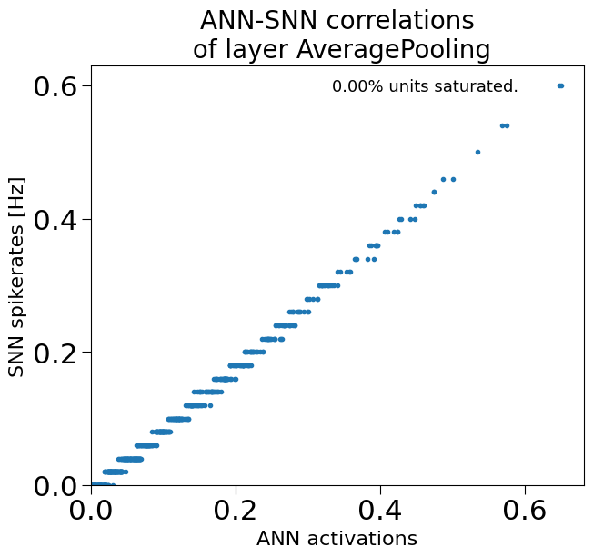

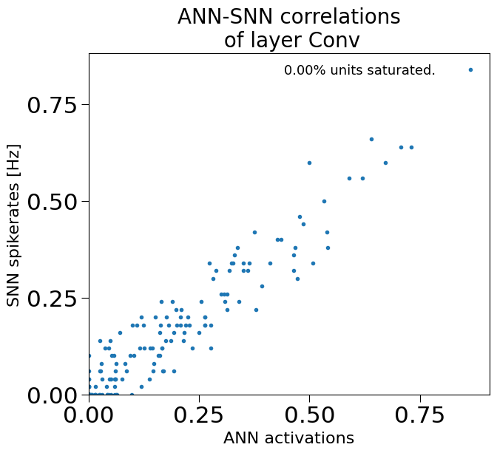
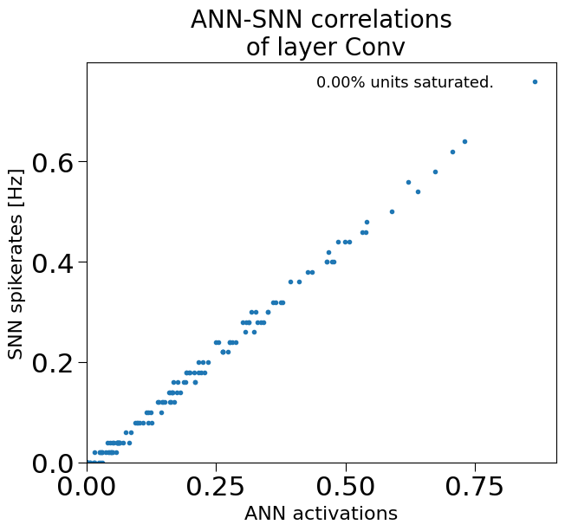
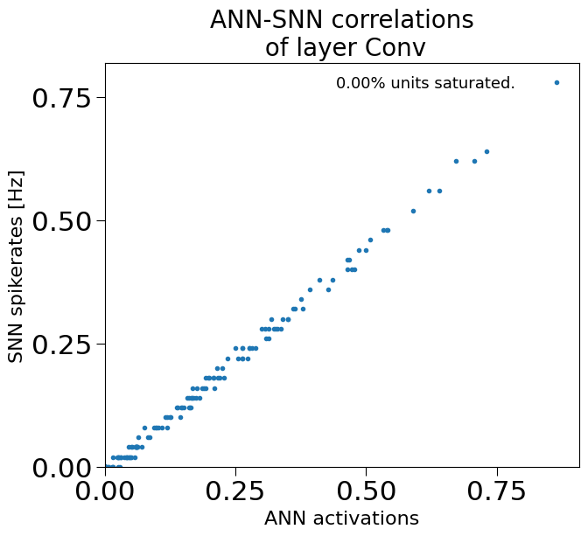

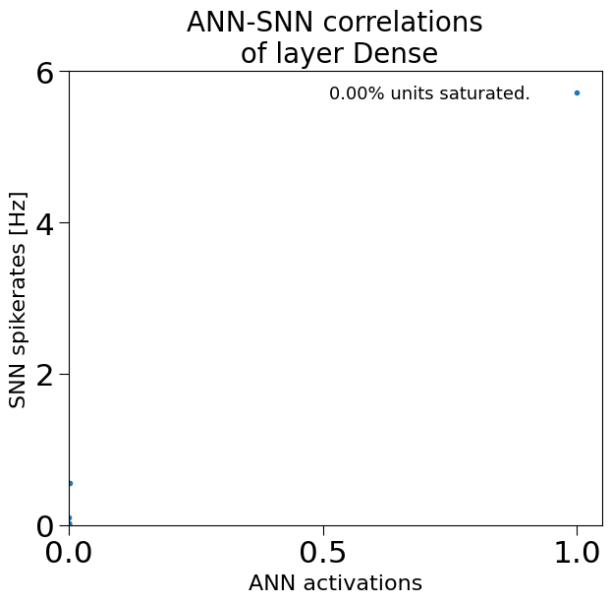
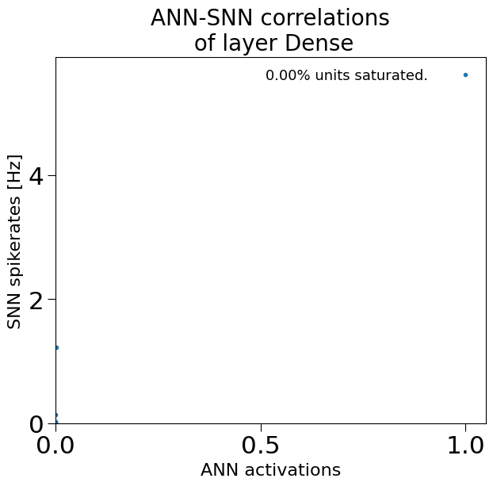


1 | 2 | 4 | 8

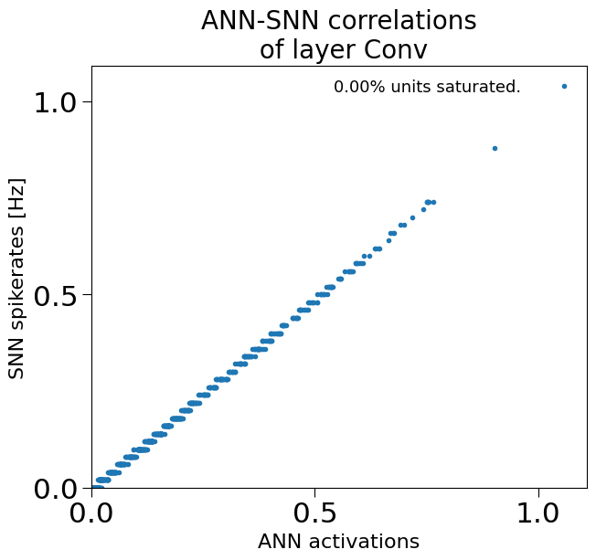
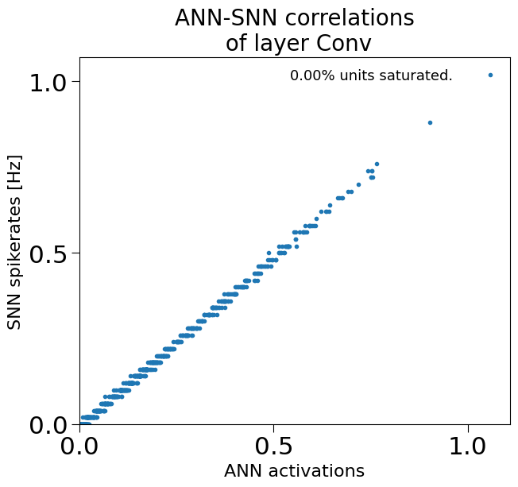

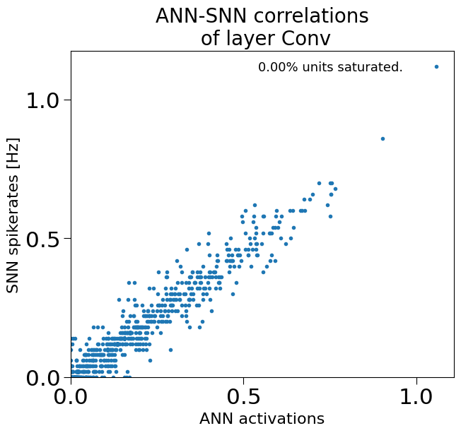

 |  |  |  | 1 | 98.33
 |  |  |  | 2 | 100
 |  |  |  | 4 | 100
 |  |  |  | 8 | 100

input rate
0 | 1 | 5 | 10 |  |  | 50 | 1000 | 3000 | 5000 | 10000

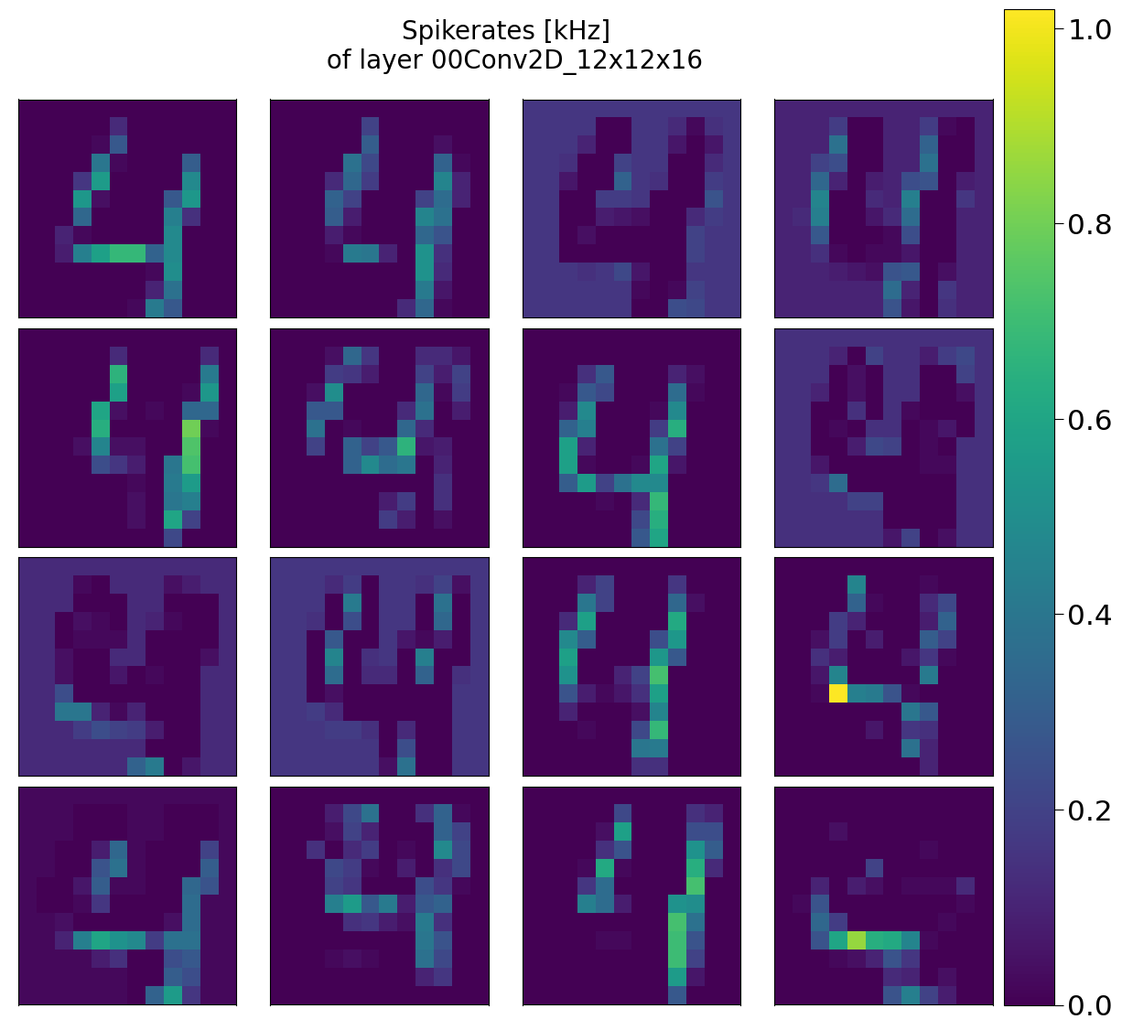
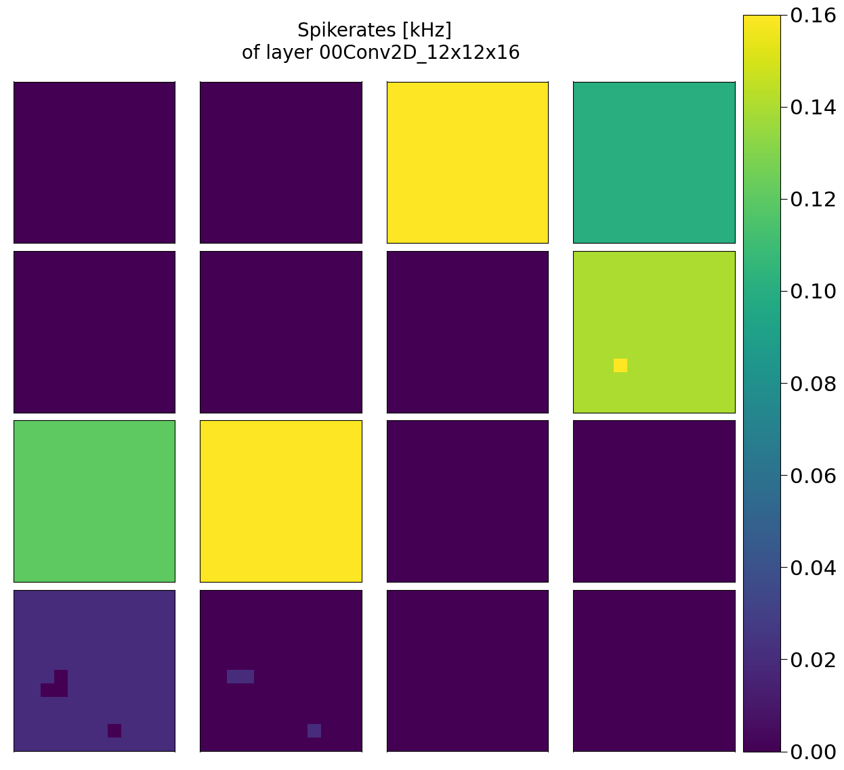


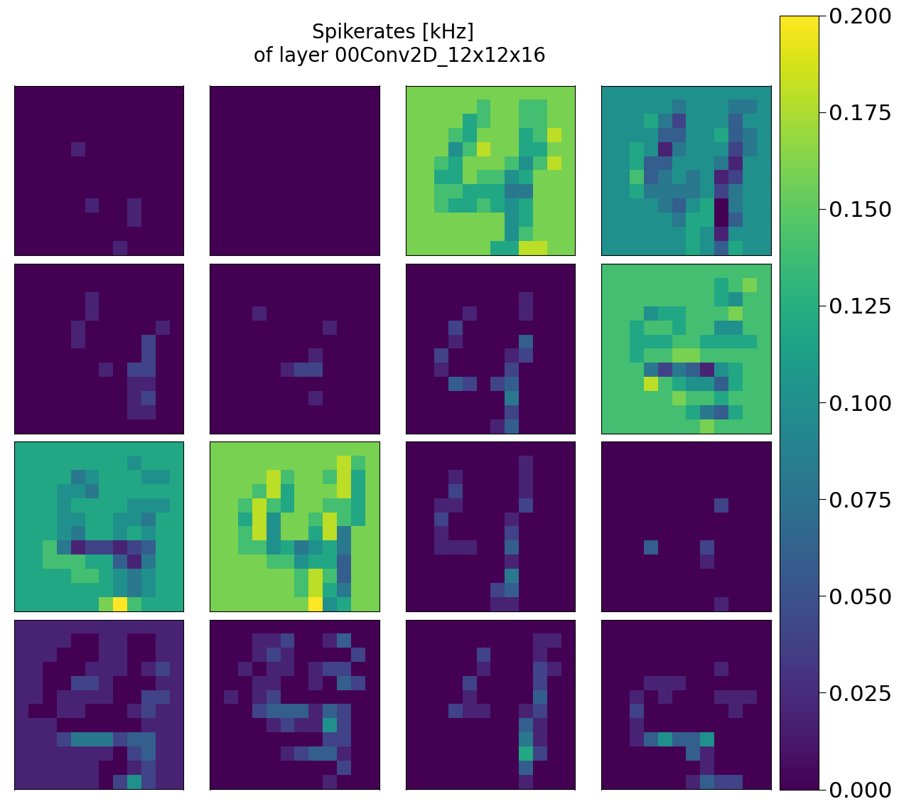
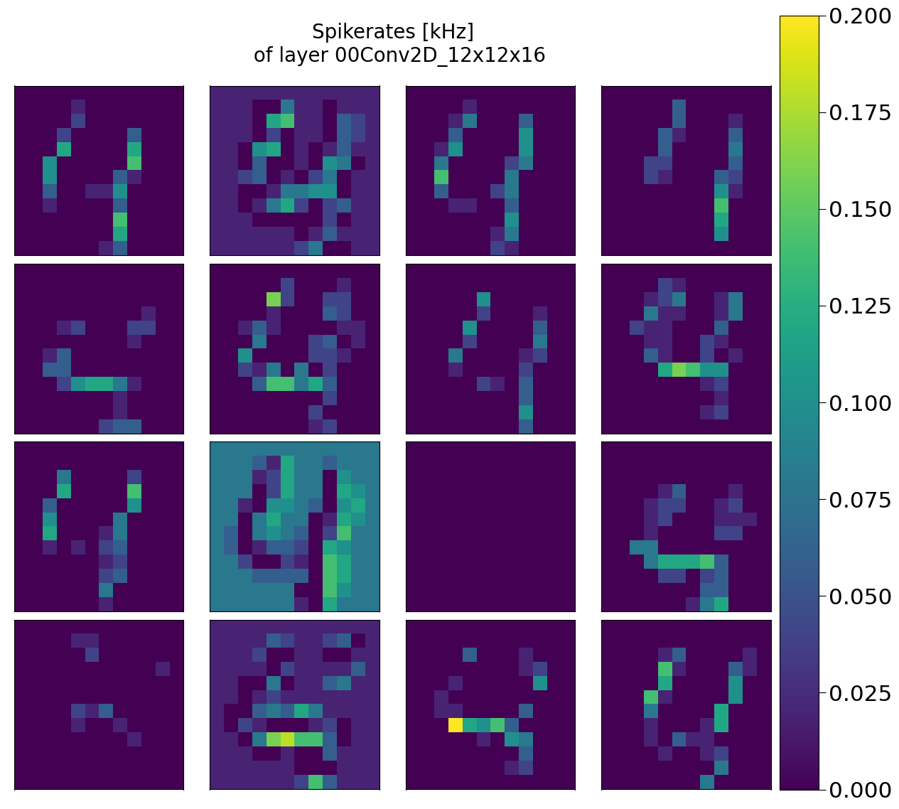
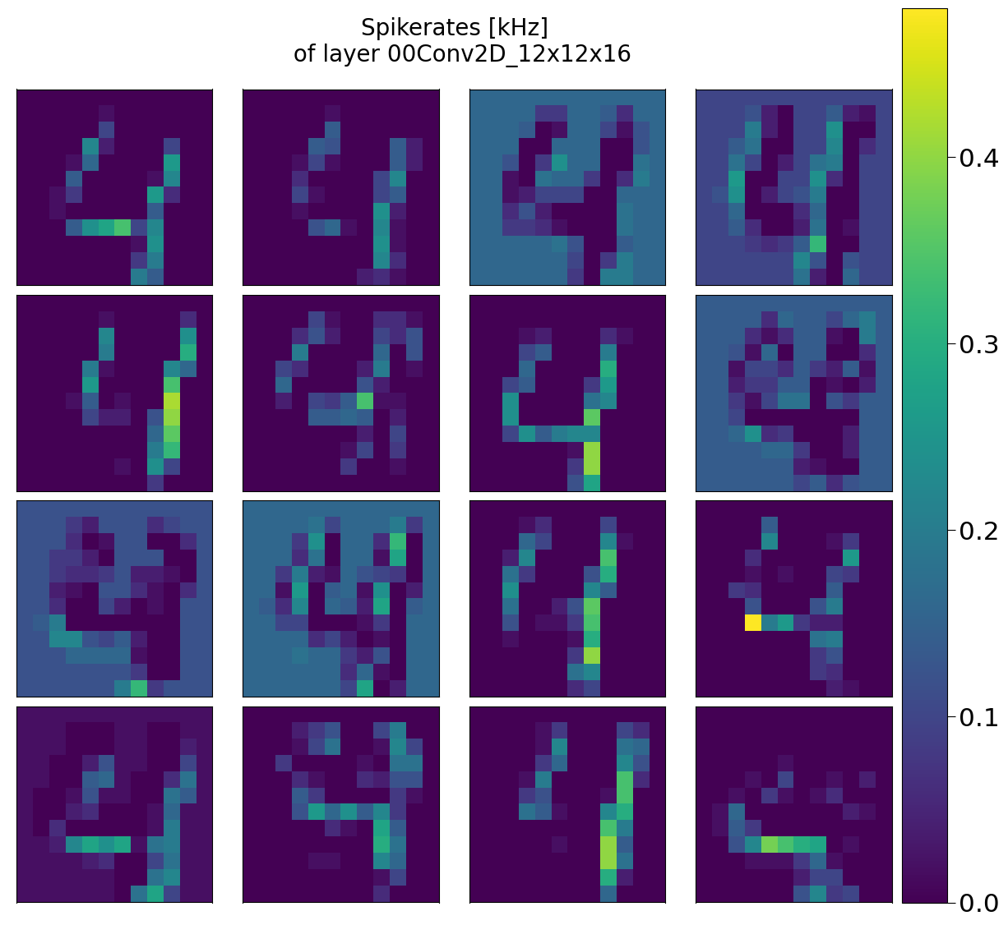



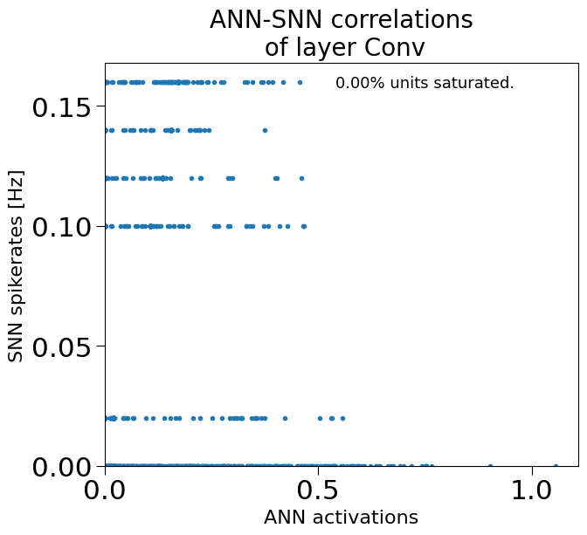
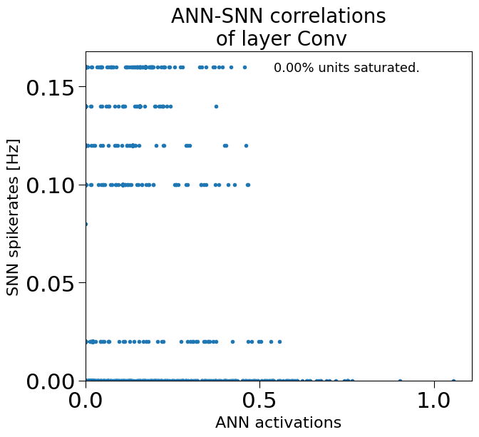
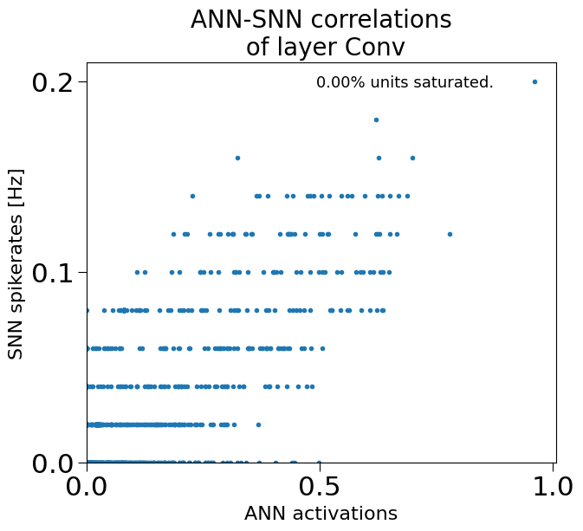
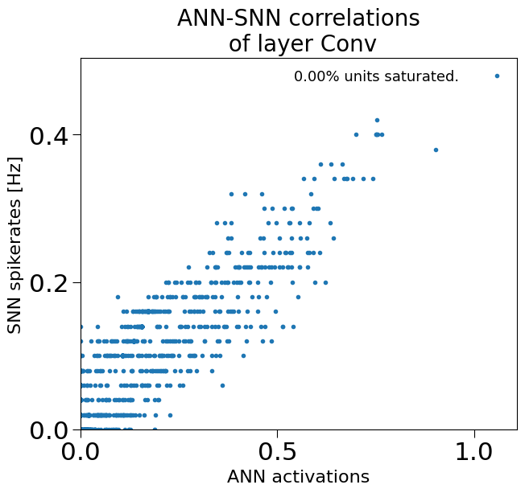
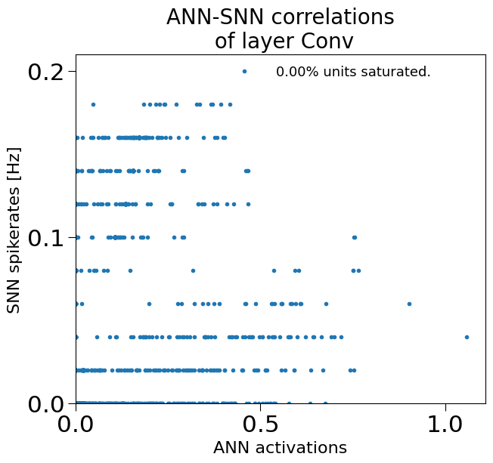
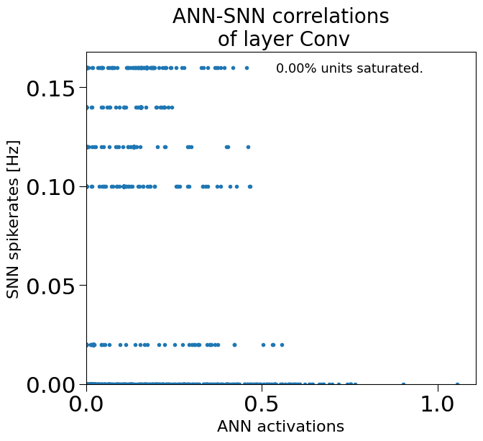
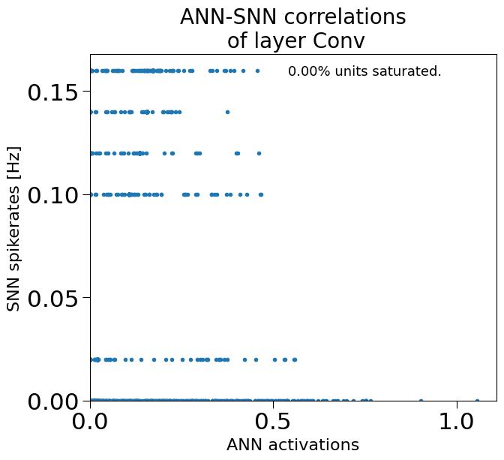

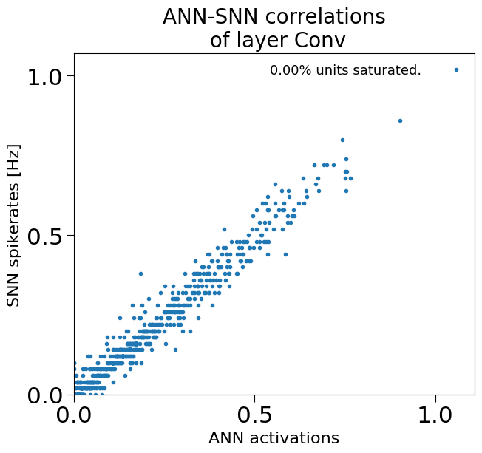

Accuracy vs Input Rate

 |  |  |  | input rate | accuracy
 |  |  |  | 10 | 0
 |  |  |  | 1000 | 45.67
 |  |  |  | 3000 | 84.33
 |  |  |  | 5000 | 100
 |  |  |  | 10000 | 100

ini
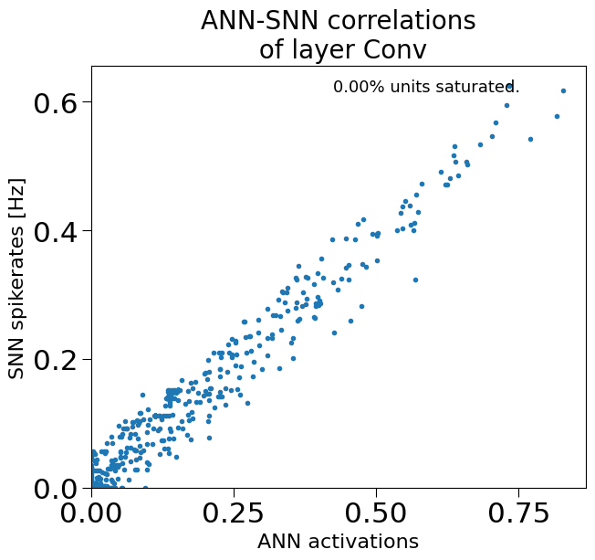
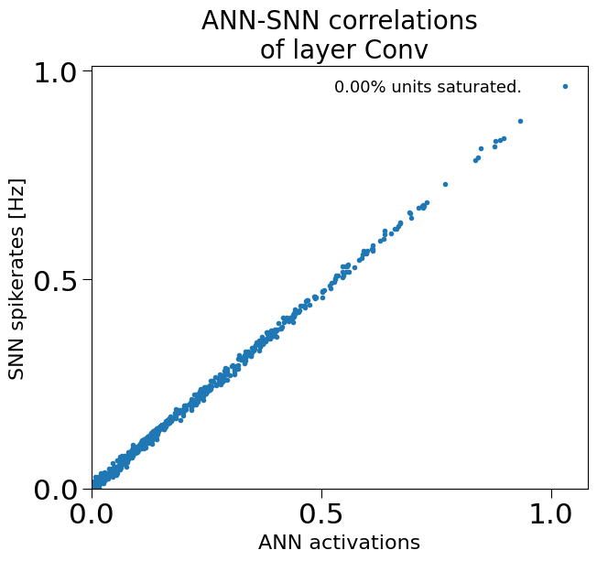
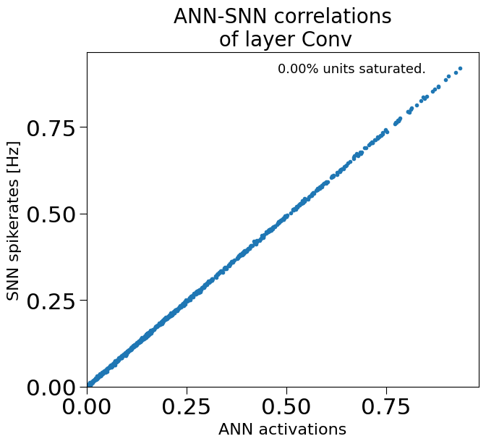
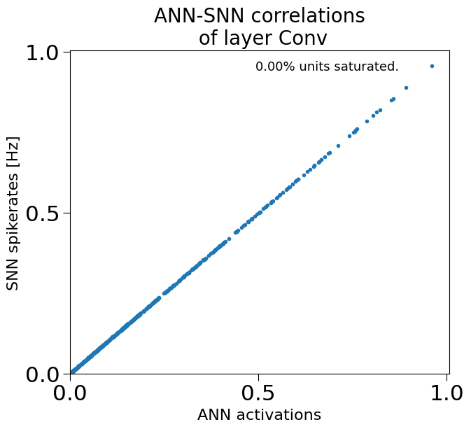

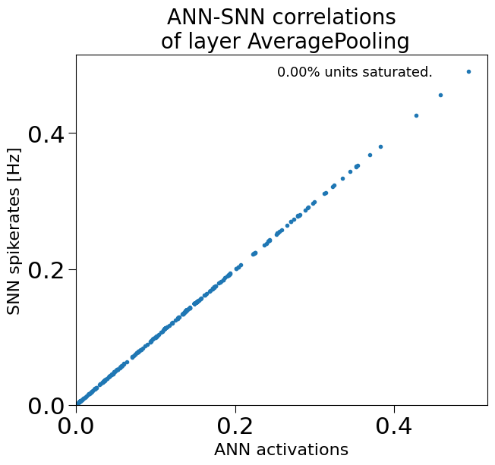
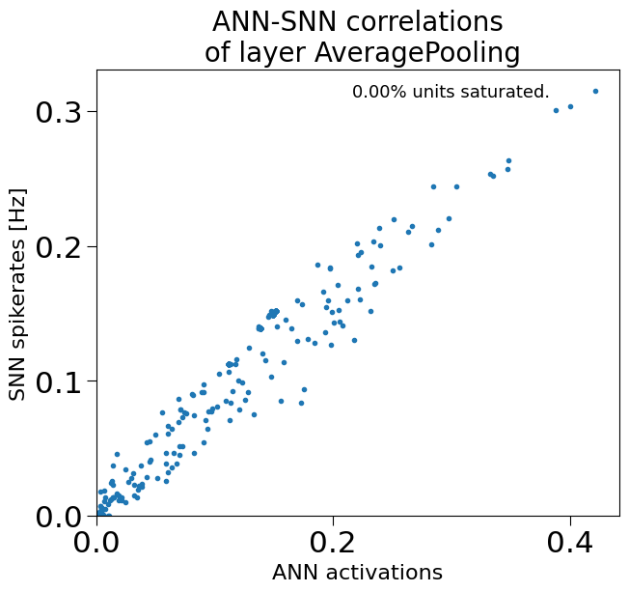
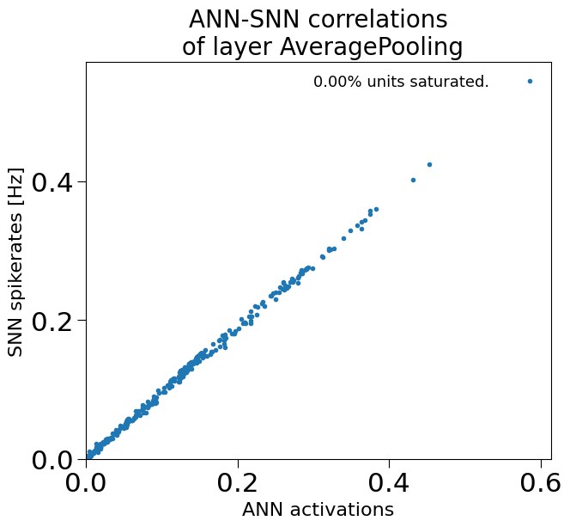
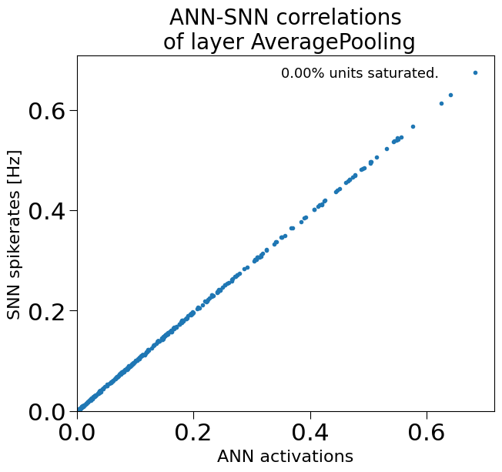

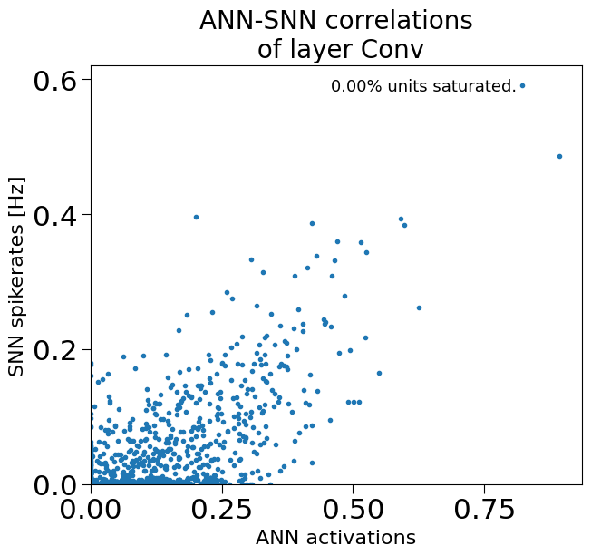
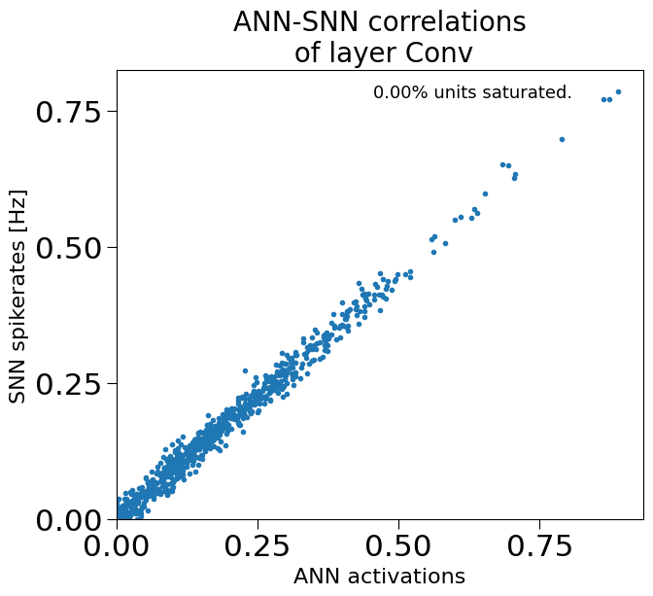

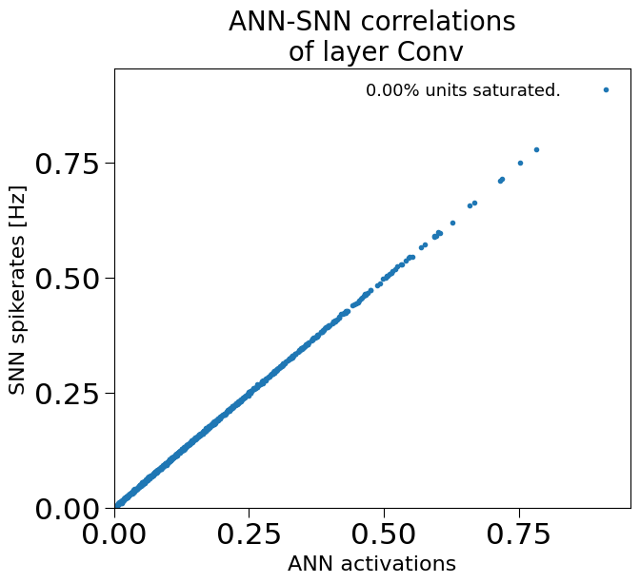

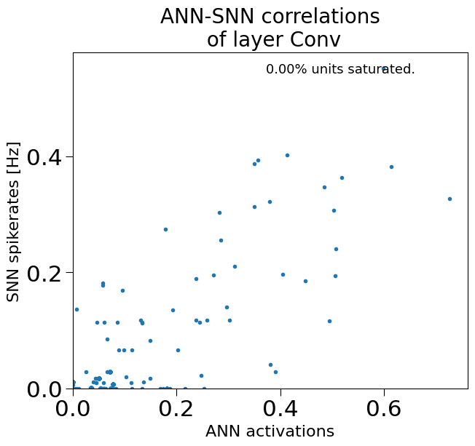
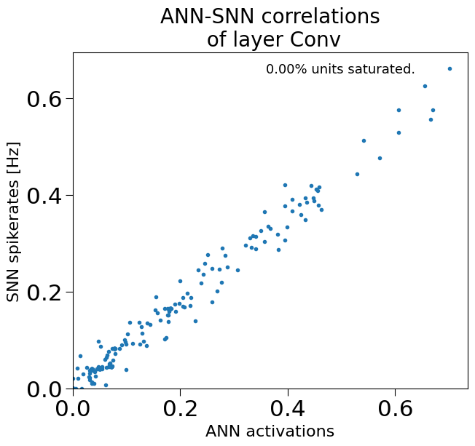

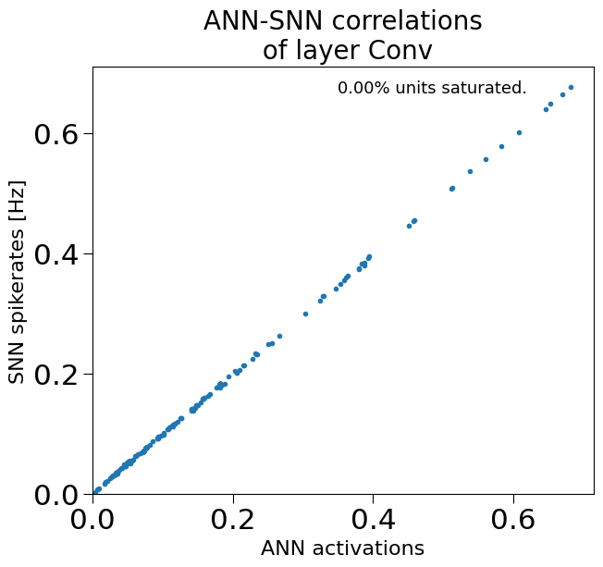

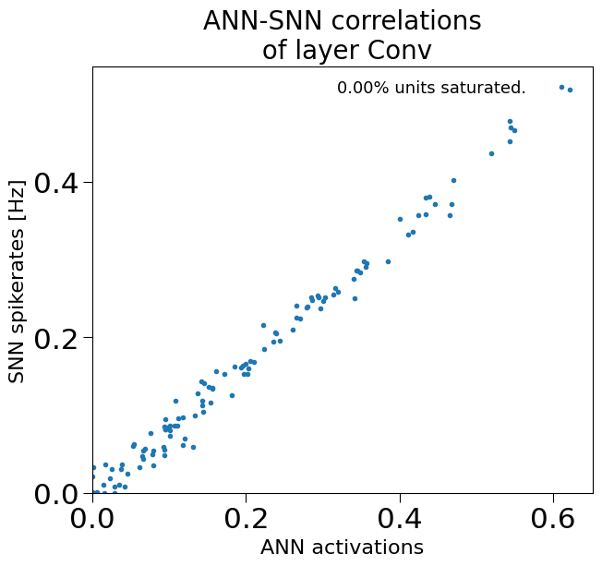
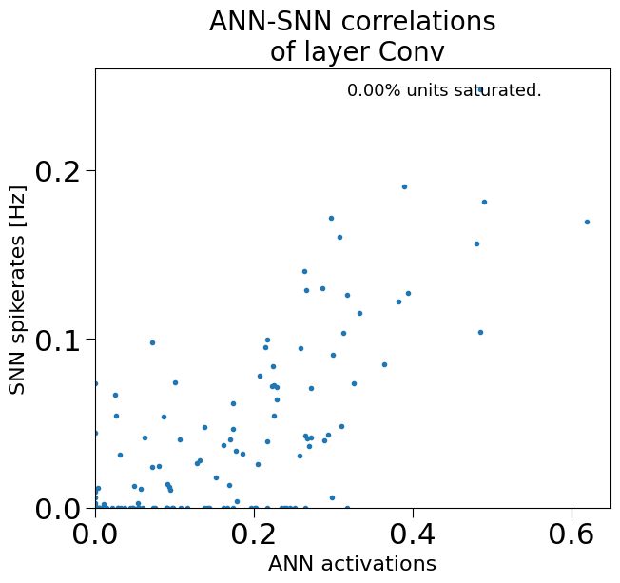
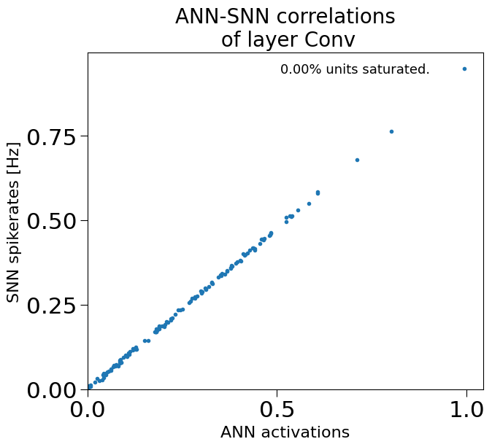
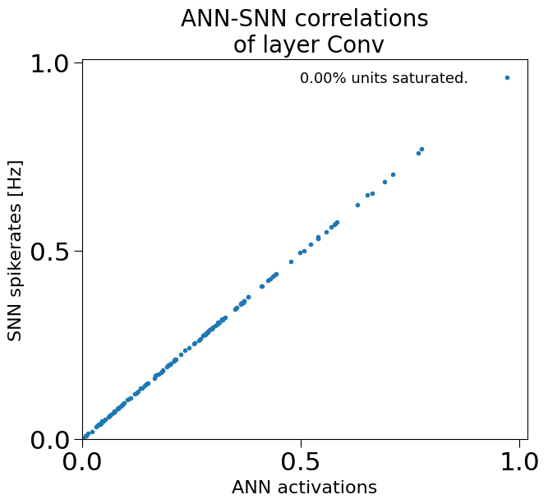

Accuracy across bit resolution and digits
digit | 2 bits | 4bits | 6bits | 8bits
0 | 100 | 100.00 | 100.00 | 100.00
1 | 79.31 | 100.00 | 100.00 | 100.00
2 | 81.33 | 96.16 | 100.00 | 100.00
3 | 63.95 | 100.00 | 100.00 | 100.00
4 | 80.21 | 100.00 | 100.00 | 100.00
5 | 90.64 | 100.00 | 100.00 | 100.00
6 | 89.13 | 97.82 | 97.82 | 100.00
7 | 81.94 | 100.00 | 100.00 | 100.00
8 | 39.03 | 100.00 | 100.00 | 100.00
9 | 77.64 | 99.31 | 95.89 | 96.16

brian2
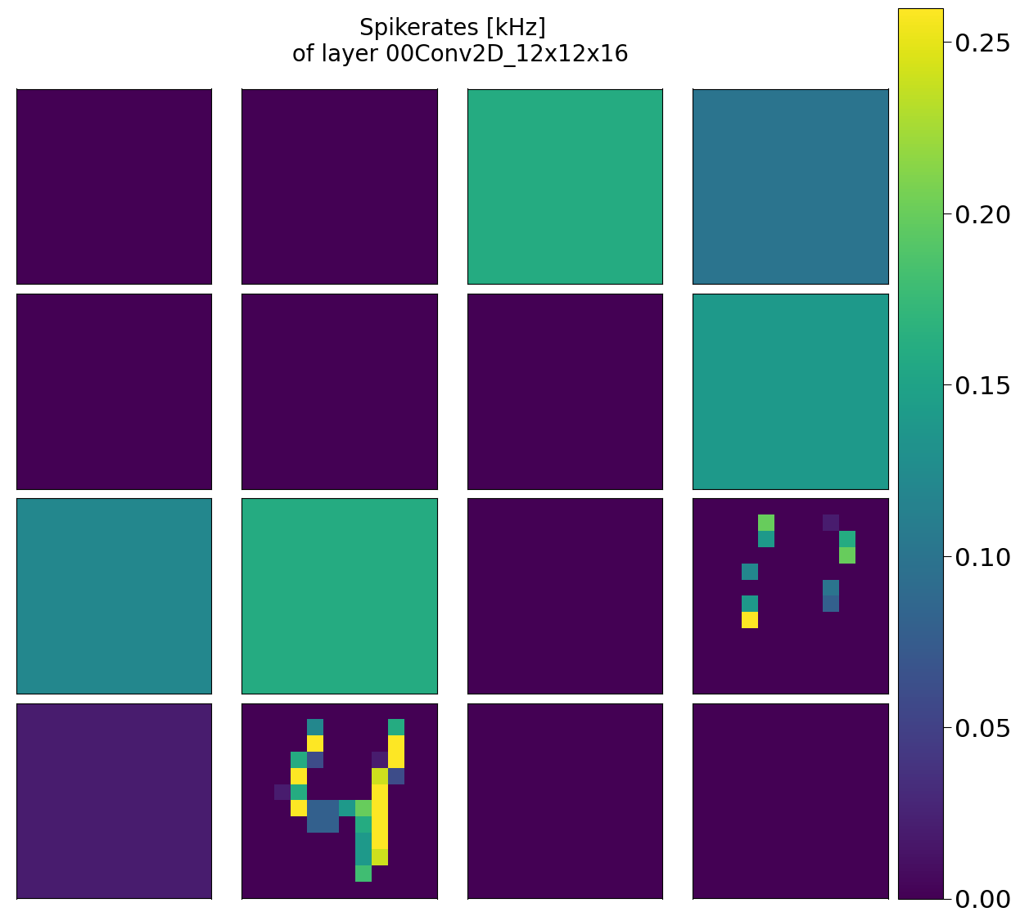
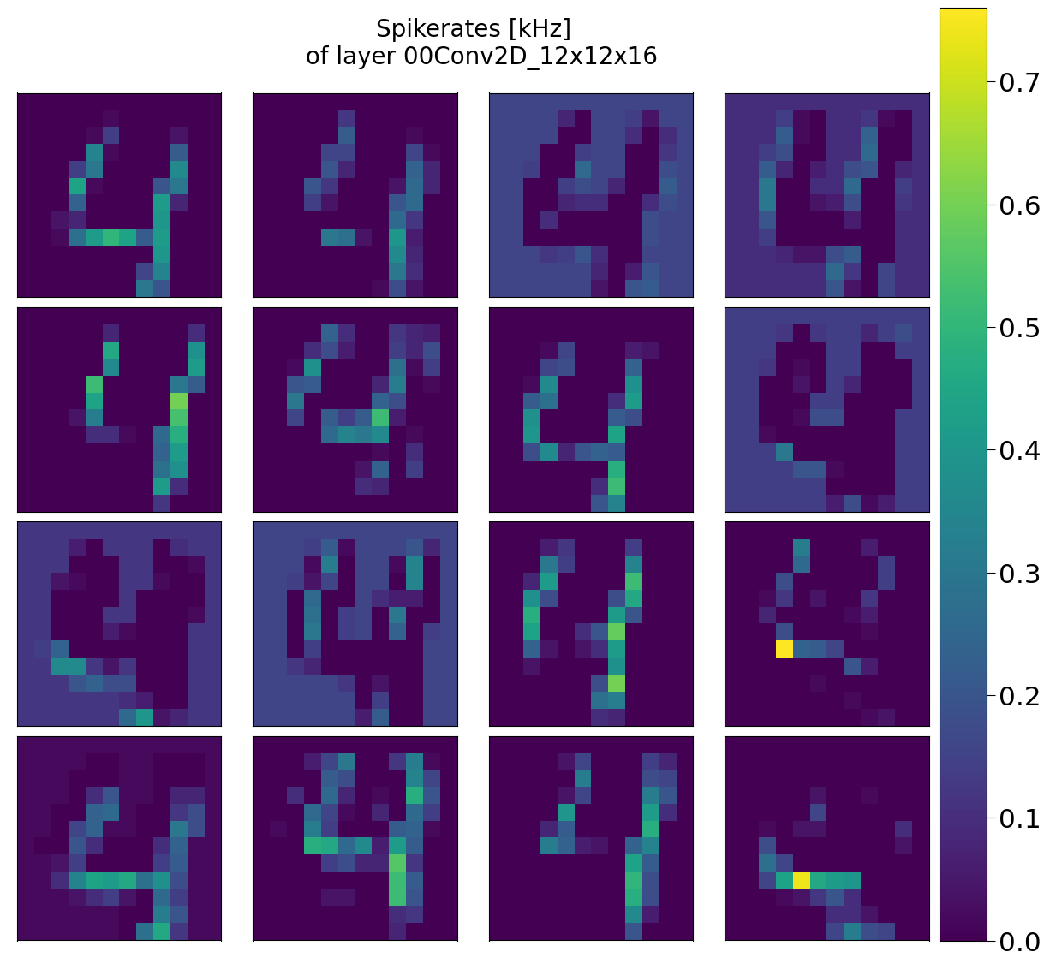
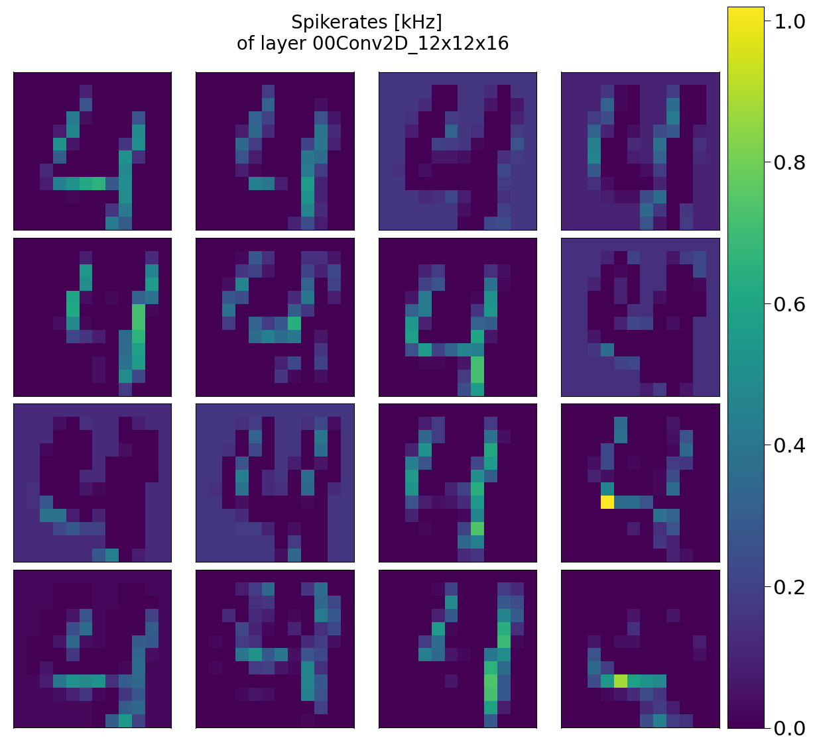
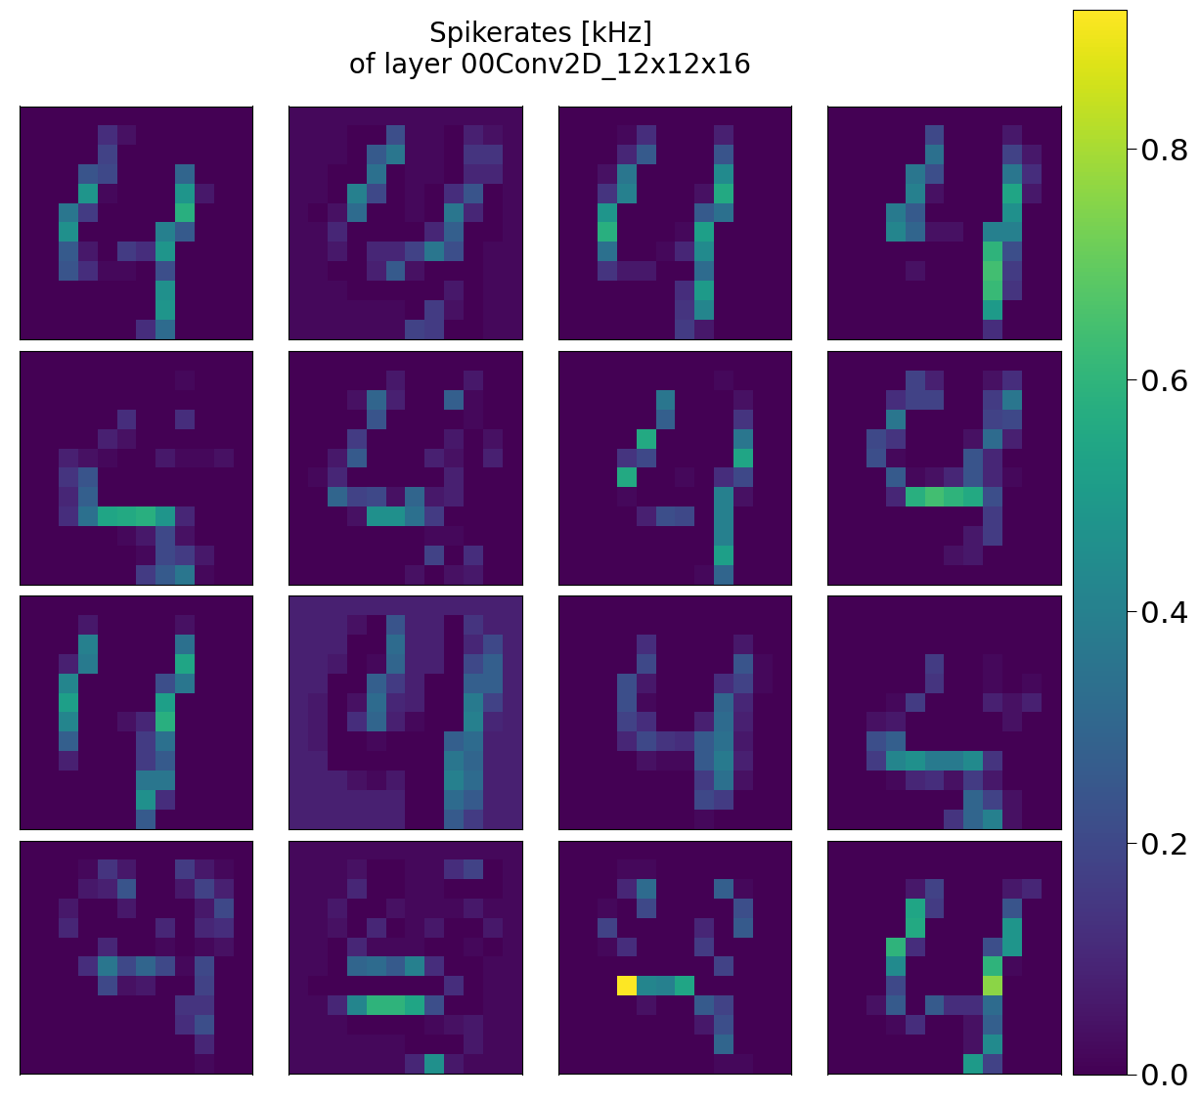
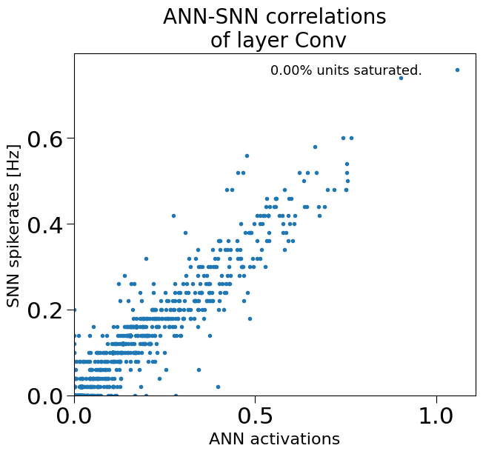



2 bits | 4 bits | 6 bits | 8 bits

by value
ann accuracy across digits
0
2bits | 0
4bits | 100 |  | digit | ann accuracy
6bits | 100 |  | 0 | 100
8bits | 100 |  | 1 | 100
 |  |  | 2 | 100
 |  |  | 3 | 86.21
1 |  |  | 4 | 94.29
2bits | 0 |  | 5 | 100
4bits |  |  | 6 | 98.99
6bits | 100 |  | 7 | 100
8bits | 100 |  | 8 | 96.11
 |  |  | 9 | 94.85

2
2bits | 0
4bits
6bits | 96.75
8bits | 100
snn accuracy across digits and bit resolutions

 |  |  |  | digit | 4bits | 6bits | 8bits
3 |  |  |  | 0 | 100.00 | 100.00 | 100.00
2bits | 0 | ann |  | 1 | 100.00 | 100.00 | 100.00
4bits |  | 86.21 |  | 2 | 83.81 | 96.75 | 100.00
6bits | 86.68 |  |  | 3 | 82.05 | 86.68 | 86.21
8bits | 86.68 |  |  | 4 | 92.25 | 94.29 | 94.29
 |  |  |  | 5 | 100.00 | 100.00 | 100.00
 |  |  |  | 6 | 98.52 | 98.99 | 98.99
4 |  |  |  | 7 | 100.00 | 100.00 | 100.00
2bits | 0 | ann |  | 8 | 88.93 | 96.11 | 96.11
4bits |  | 94.29 |  | 9 | 98.68 | 98.68 | 94.85
6bits | 94.29
8bits | 94.29

5
2bits | 0
4bits | 100
6bits | 100
8bits | 100

6
2bits | 0 | ann
4bits | 98.52 | 98.99
6bits | 98.99
8bits | 98.99

7
2bits | 0
4bits | 100
6bits | 100
8bits | 100

8
2bits | 0
4bits | 88.93 | ann
6bits | 96.11 | 96.11
8bits | 96.11

9
2bits | 0
4bits | 98.68 | ann
6bits |  | 94.85
8bits | 94.85

