Categories
Below categories to be displayed on home screen in - 2 coloumns and slideable

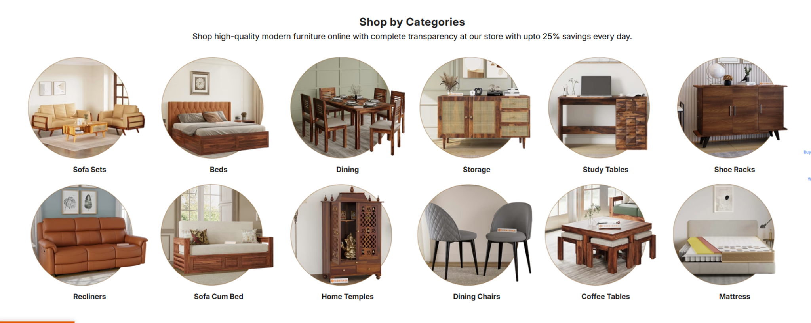
1 | AF Luxe
2 | Sofa sets
3 | Recliners
4 | Tables
5 | Beds
6 | Mattress
7 | Dining Sets
8 | Storage Units
9 | Outdoor furniture
10 | Study & Office
11 | Bean Bags & Pouffes
12 | Décor

