Sheet1
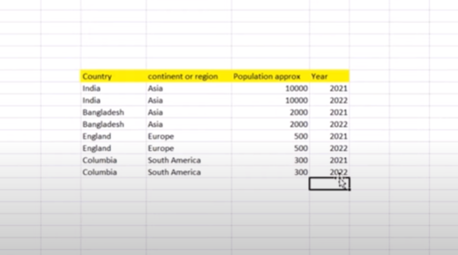
Walmart Scenario

S NO | REGION | COUNTRY | YEAR
1 | BANGLADESH | INDIA | 2000
2 | ENGLAND | CHAINA | 1500
3 | ASIA | JAPAN | 1400
4 | COLUMBIA | SWITZERLAND | 1890
5 | NAIDUPET | CANADA | 1457
6 | PUDUR | SOUTH AMERICA | 2010 | OUTPUT

