Sheet1
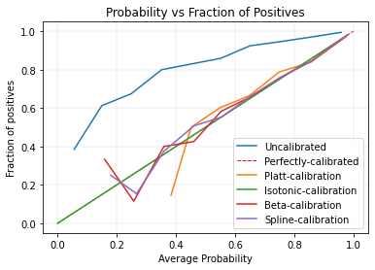
Baseline Model NIH RSNA Cardiomegaly dataset: vgg16_nihrsnanormal_baseline.02-0.8143.h5 |  |  |  |  |  |  | Spline configuration:

Metric | Before | Platts | Beta | Spline (l2) | Isotonic | Ensemble | splinecalib = mli.SplineCalib(penalty='l2',
Accuracy | 0.8143 | 0.8998 | 0.9031 | 0.9004 | 0.9038 |  | knot_sample_size=40,
AUC | 0.889 | 0.889 | 0.889 | 0.89 | 0.8936 |  | cv_spline=5,
Precision | 0.9017 | 0.8823 | 0.8856 | 0.8813 | 0.8869 |  | unity_prior=False,
Recall | 0.8143 | 0.9 | 0.9031 | 0.9004 | 0.9038 |  | unity_prior_weight=128)
F-score | 0.8425 | 0.8857 | 0.8841 | 0.8822 | 0.8831
Log-loss | 0.3996 | 0.2365 | 0.2323 | 0.2314 | NAN
Brier Loss | 0.1291 | 0.0718 | 0.0709 | 0.071 | 0.0694
ECE | 0.0249 | 0.0102 | 0.006 | 0.0049 | 1.25E-08

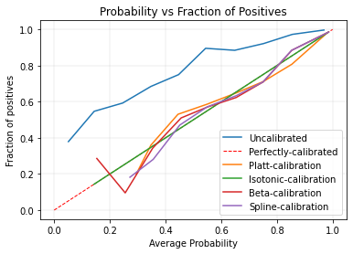
Class weights NIH RSNA Cardiomegaly dataset:vgg16_nihrsnanormal_classweightsonly.04-0.8558.h5

Metric | Before | Platts | Beta | Spline (l2) | Isotonic | Ensemble
Accuracy | 0.8558 | 0.9018 | 0.9031 | 0.9031 | 0.9054
AUC | 0.9162 | 0.9162 | 0.9162 | 0.9166 | 0.9192
Precision | 0.915 | 0.8926 | 0.8885 | 0.888 | 0.8898
Recall | 0.8558 | 0.9018 | 0.9031 | 0.9031 | 0.9055
F-score | 0.8748 | 0.8961 | 0.8918 | 0.8911 | 0.8856
Log-loss | 0.3271 | 0.215 | 0.2096 | 0.2092 | NAN
Brier Loss | 0.1031 | 0.0666 | 0.0657 | 0.0658 | 0.0642
ECE | 0.022 | 0.007 | 0.0058 | 0.0052 | 1.33E-08

Online augmentation only NIH RSNA Cardiomegaly dataset: vgg16_nihrsnanormal_onlineaugonly.03-0.8612.h5
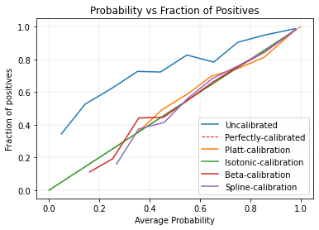
Metric | Before | Platts | Beta | Spline (l2) | Isotonic | Ensemble
Accuracy | 0.8612 | 0.9021 | 0.9031 | 0.9051 | 0.9055
AUC | 0.8984 | 0.8984 | 0.8984 | 0.899 | 0.9029
Precision | 0.9017 | 0.8904 | 0.8862 | 0.8895 | 0.89
Recall | 0.8612 | 0.9021 | 0.9031 | 0.9051 | 0.9055
F-score | 0.8758 | 0.8942 | 0.8875 | 0.8906 | 0.8911
Log-loss | 0.3012 | 0.2336 | 0.2246 | 0.2244 | NAN
Brier Loss | 0.0964 | 0.07 | 0.0688 | 0.0689 | 0.0673
ECE | 0.0297 | 0.0066 | 3.30E-03 | 0.0057 | 2.64E-09

Class weights and Online augmentation NIH RSNA Cardiomegaly dataset: vgg16_nihrsnanormal_classweights_onlineaug.10-0.8857.h5

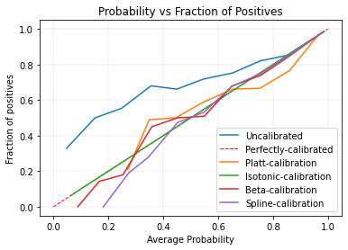
Metric | Before | Platts | Beta | Spline (l2) | Isotonic | Ensemble
Accuracy | 0.8857 | 0.9038 | 0.9021 | 0.9038 | 0.9065
AUC | 0.9089 | 0.9088 | 0.9089 | 0.9098 | 0.9121
Precision | 0.9009 | 0.893 | 0.8865 | 0.8877 | 0.8912
Recall | 0.8857 | 0.9038 | 0.9021 | 0.9038 | 0.9065
F-score | 0.892 | 0.8967 | 0.8896 | 0.8896 | 0.8889
Log-loss | 0.2587 | 0.2333 | 0.2156 | 0.2151 | NAN
Brier Loss | 0.0808 | 0.0691 | 0.0666 | 0.0667 | 0.0653
ECE | 0.0336 | 0.0113 | 0.0048504165815 | 0.004926 | 5.00E-04

