Dashboard
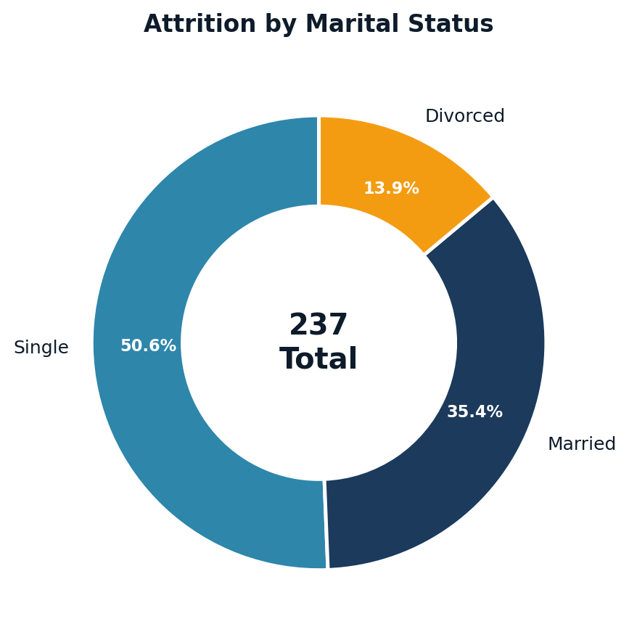
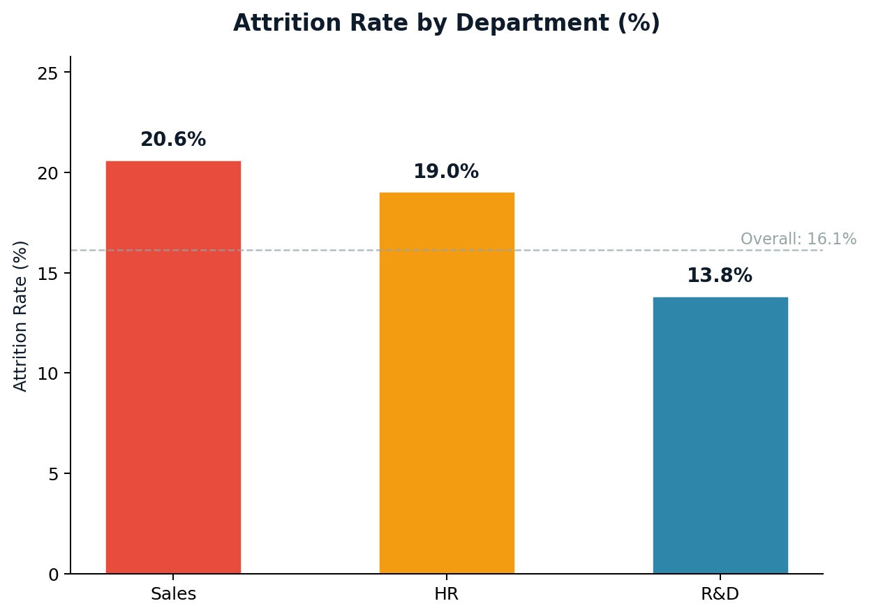
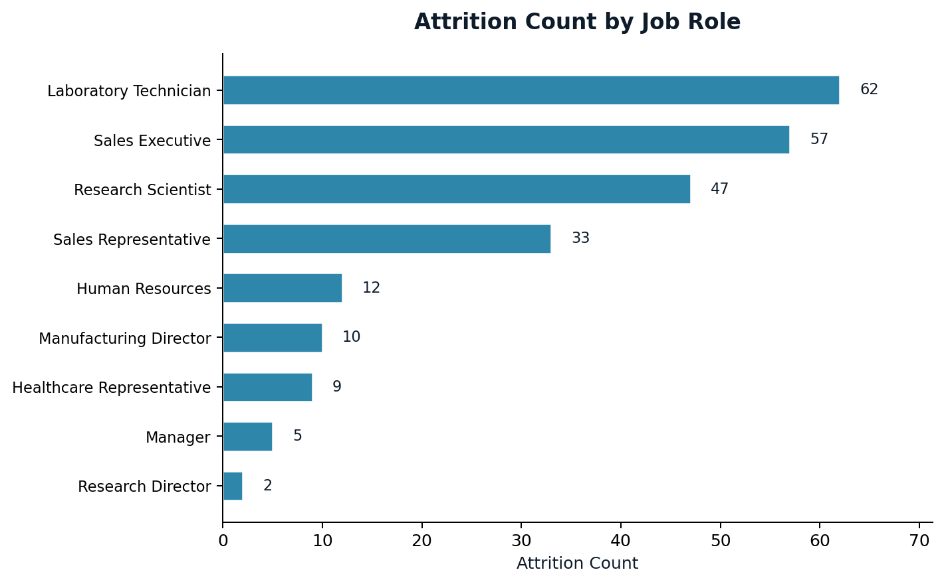
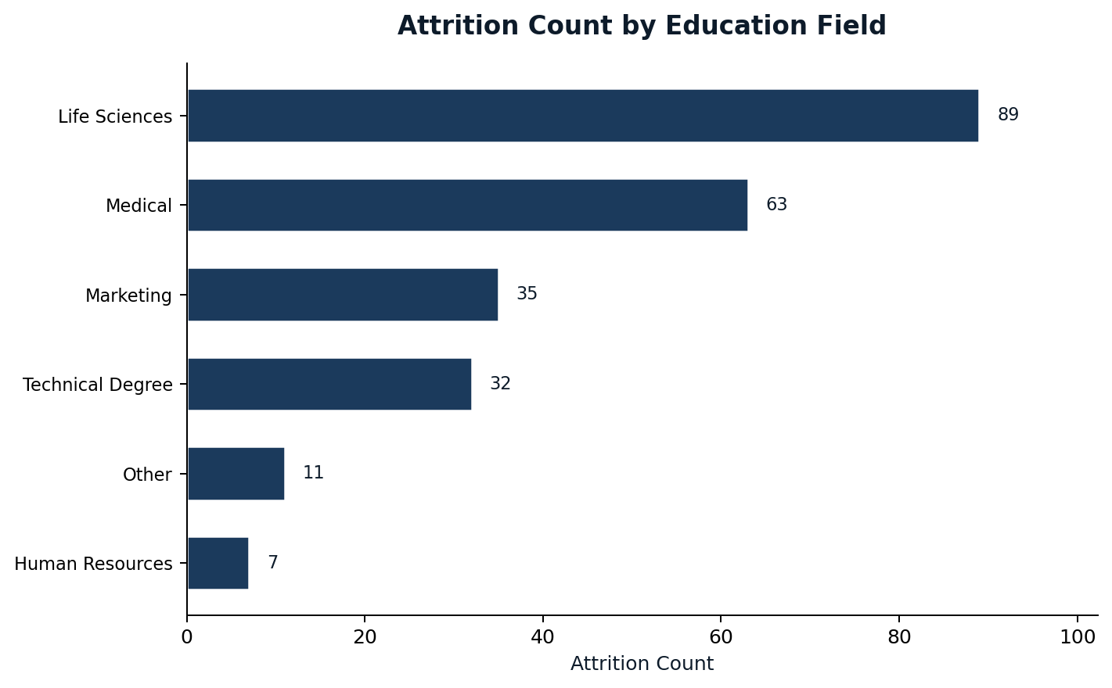
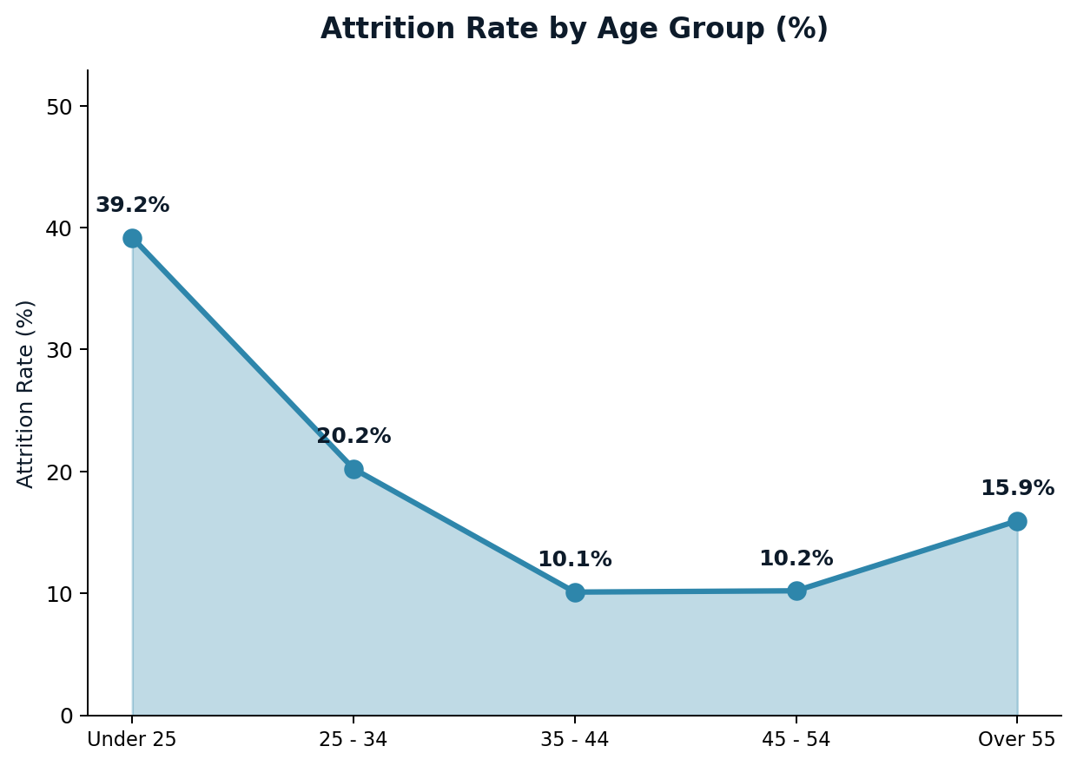
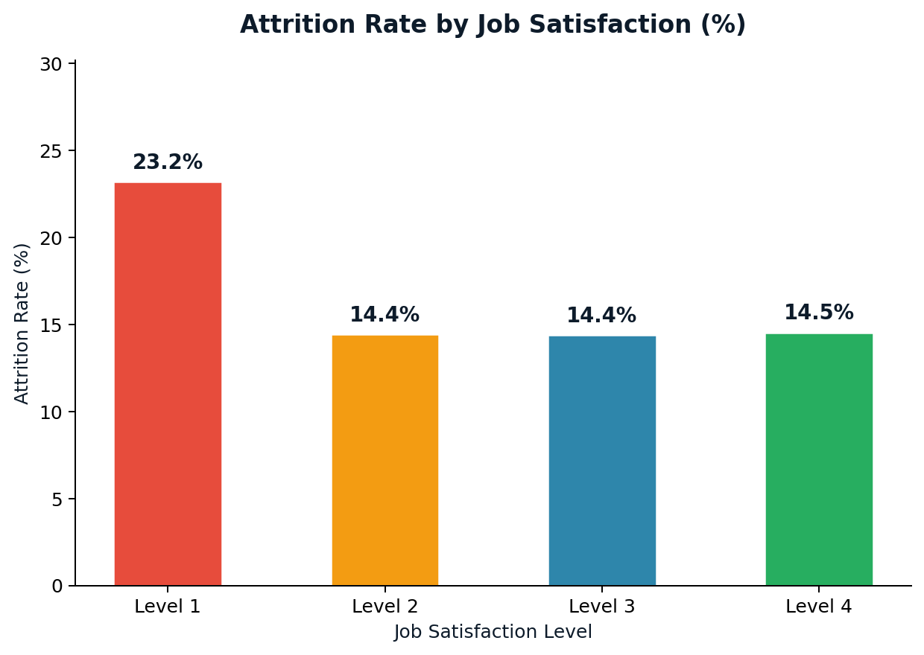
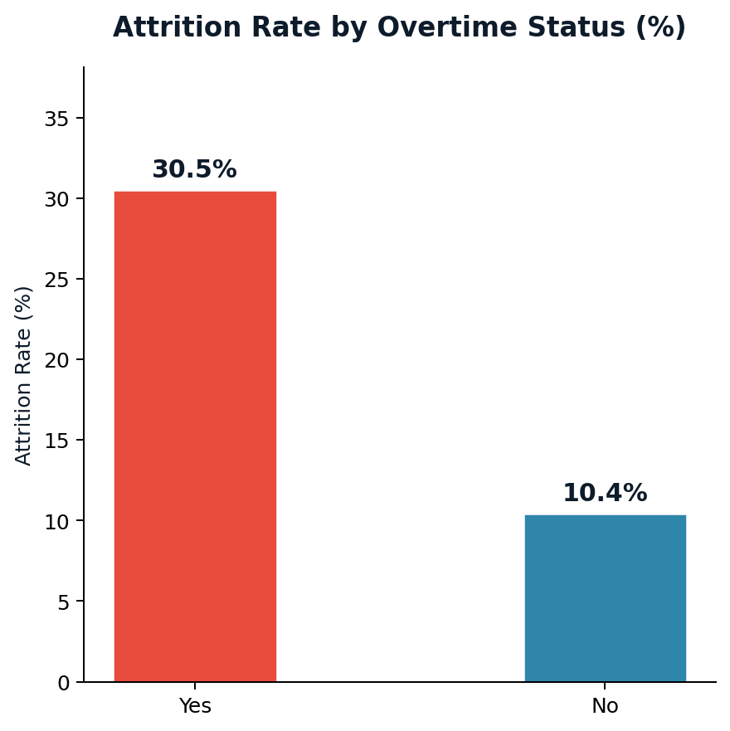
HR Analytics Dashboard

Total Headcount | Active Employees | Attrition Count | Attrition Rate
1,470 | 1,233 | 237 | 16.1%

Attrition Analysis Visualizations

Analysis
Attrition Analysis

Attrition Share by Department
Attrition by Department |  |  |  |  | Attrition by Age Band
Department | Total | Attrition Count | Attrition Rate | Active | Age Band | Total | Attrition Count | Attrition Rate | Active
Sales | 446 | 92 | 20.6% | 354 | Under 25 | 97 | 38 | 39.2% | 59
R&D | 961 | 133 | 13.8% | 828 | 25 - 34 | 554 | 112 | 20.2% | 442
HR | 63 | 12 | 19.0% | 51 | 35 - 44 | 505 | 51 | 10.1% | 454
Total | 1,470 | 237 | 16.1% | 1,233 | 45 - 54 | 245 | 25 | 10.2% | 220
 |  |  |  |  | Over 55 | 69 | 11 | 15.9% | 58
 |  |  |  |  | Total | 1,470 | 237 | 16.1% | 1,233
Attrition by Job Role
Job Role | Total | Attrition Count | Attrition Rate | Active
Sales Executive | 326 | 57 | 17.5% | 269 | Attrition by Marital Status
Attrition Count by Job Role
Research Scientist | 292 | 47 | 16.1% | 245 | Marital Status | Total | Attrition Count | Attrition Rate | Active
Laboratory Technician | 259 | 62 | 23.9% | 197 | Single | 470 | 120 | 25.5% | 350
Manufacturing Director | 145 | 10 | 6.9% | 135 | Married | 673 | 84 | 12.5% | 589
Healthcare Representative | 131 | 9 | 6.9% | 122 | Divorced | 327 | 33 | 10.1% | 294
Manager | 102 | 5 | 4.9% | 97 | Total | 1,470 | 237 | 16.1% | 1,233
Sales Representative | 83 | 33 | 39.8% | 50
Research Director | 80 | 2 | 2.5% | 78
Human Resources | 52 | 12 | 23.1% | 40 | Attrition by Gender
Total | 1,470 | 237 | 16.1% | 1,233 | Gender | Total | Attrition Count | Attrition Rate | Active
 |  |  |  |  | Female | 588 | 87 | 14.8% | 501
 |  |  |  |  | Male | 882 | 150 | 17.0% | 732
Attrition by Education Field |  |  |  |  | Total | 1,470 | 237 | 16.1% | 1,233
Education Field | Total | Attrition Count | Attrition Rate | Active
Life Sciences | 606 | 89 | 14.7% | 517
Attrition by Education Field
Other | 82 | 11 | 13.4% | 71 | Attrition by Over Time
Medical | 464 | 63 | 13.6% | 401 | Over Time | Total | Attrition Count | Attrition Rate | Active
Marketing | 159 | 35 | 22.0% | 124 | Yes | 416 | 127 | 30.5% | 289
Technical Degree | 132 | 32 | 24.2% | 100 | No | 1,054 | 110 | 10.4% | 944
Human Resources | 27 | 7 | 25.9% | 20 | Total | 1,470 | 237 | 16.1% | 1,233
Total | 1,470 | 237 | 16.1% | 1,233

 |  |  |  |  | Attrition by Environment Satisfaction
Attrition by Business Travel |  |  |  |  | Environment Satisfaction | Total | Attrition Count | Attrition Rate | Active
Business Travel | Total | Attrition Count | Attrition Rate | Active | Level 1 | 264 | 66 | 25.0% | 198
Travel_Rarely | 1,043 | 156 | 15.0% | 887 | Level 2 | 269 | 40 | 14.9% | 229
Travel_Frequently | 277 | 69 | 24.9% | 208 | Level 3 | 419 | 57 | 13.6% | 362
Non-Travel | 150 | 12 | 8.0% | 138 | Level 4 | 518 | 74 | 14.3% | 444
Total | 1,470 | 237 | 16.1% | 1,233

Attrition by Job Satisfaction Level
Job Satisfaction | Total | Attrition Count | Attrition Rate | Active
Level 1 | 280 | 65 | 23.2% | 215
Level 2 | 374 | 54 | 14.4% | 320
Level 3 | 431 | 62 | 14.4% | 369
Level 4 | 385 | 56 | 14.5% | 329

Income Analysis
Income & Attrition Analysis

Avg Income: Active vs Attrited by Dept
Metric | All Employees | Active | Attrited | Difference | % Difference
Average Monthly Income | 6,502.9 | 6,832.7 | 4,787.1 | 2,045.6 | 42.7%
Median Monthly Income | 4,919.0 | 5,204.0 | 3,202.0 | 2,002.0 | 62.5%
Min Monthly Income | 1,009.0 | 1,051.0 | 1,009.0 | 42.0 | 4.2%
Max Monthly Income | 19,999.0 | 19,999.0 | 19,859.0 | 140.0 | 0.7%
Std Deviation | 4,708.0 | 4,818.2 | 3,640.2 | 1,178.0 | 32.4%
Average Total Working Years | 11.3 | 11.9 | 8.2 | 3.6 | 43.9%
Average Years at Company | 7.0 | 7.4 | 5.1 | 2.2 | 43.6%
Average Age | 36.9 | 37.6 | 33.6 | 4.0 | 11.8%

Income by Department
Department | Avg Income (Active) | Avg Income (Attrited) | Income Gap | Attrition Rate
HR | $7,346.00 | $3,715.80 | $3,630.20 | 19.0%
R&D | $6,630.30 | $4,108.10 | $2,522.30 | 13.8%
Sales | $7,232.20 | $5,908.50 | $1,323.80 | 20.6%

