Readme
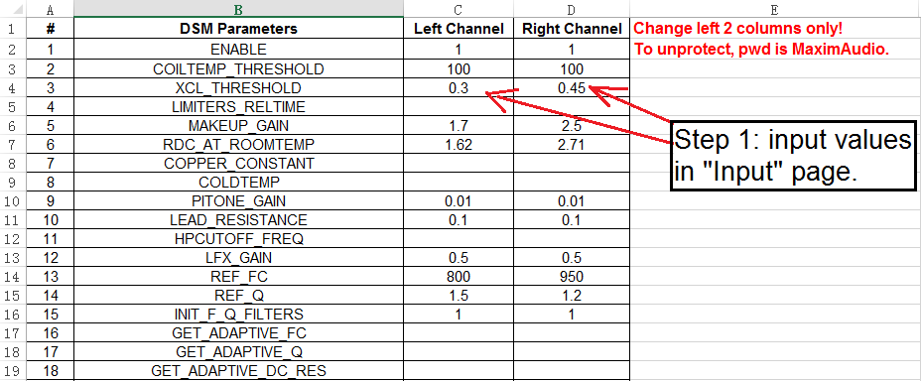
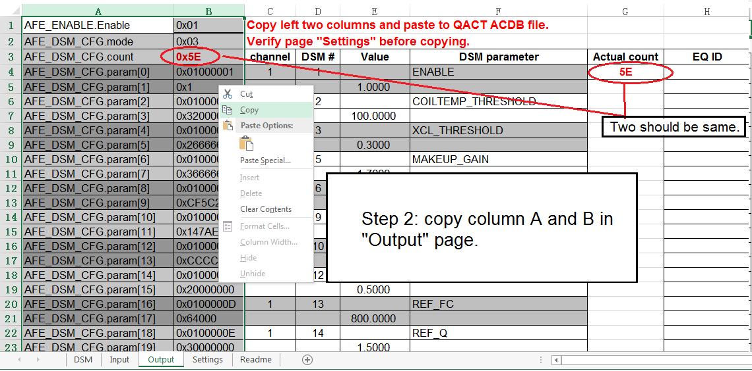
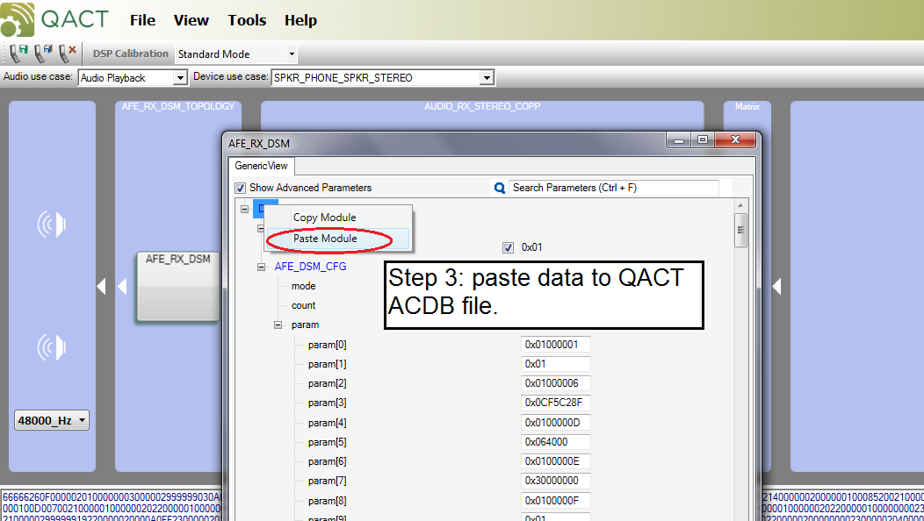
This tool is for QCOM plaform DSM parameters tuning. It could speed up generating data with specific format from DSM parameters setting for the QACT ACDB file.

Please input DSM parameters value in page "Input".
Then in "Output" page, the column A and B could be copied into the QACT ACDB file.
The page "Settings" is for verifying. It should be exactly the same as the "Input" page.
Please note 8 EQs have been implemented in the tool. If use only 4, please left the rest 4 Eqs' cells blank.

This tool also could be used to translate ACDB file data into readable DSM parameters table.
We could copy the data from ACDB via "copy module" in QACT and paste to "Output" page first 2 columns, and get translation in "Settings" page.

Page "DSM" is the database of DSM parameters and the Q format values. Normaly, it should be same to all projects.
Some of the cells have been protected from modifying to avoid mishandling. To unpretect, right click page name and the password is "MaximAudio".
This tool has been verified in Zeusis project. Any question or suggestion please email frank.liu@maximintegrated.com.

