Eyeriss
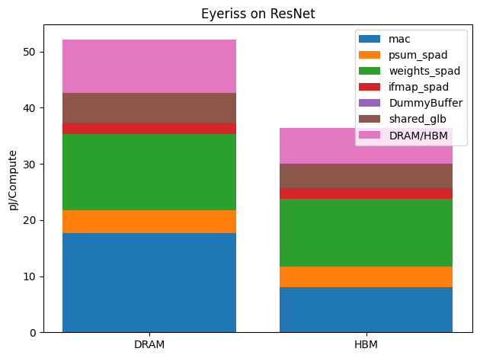
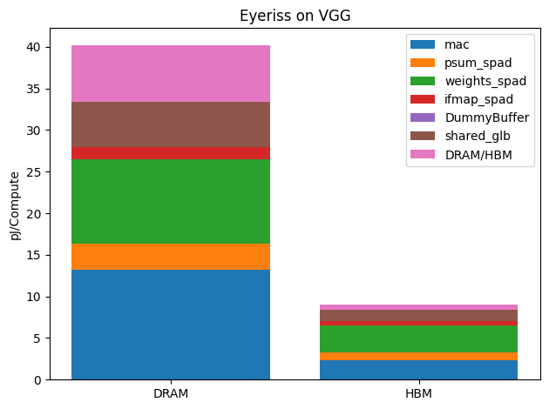
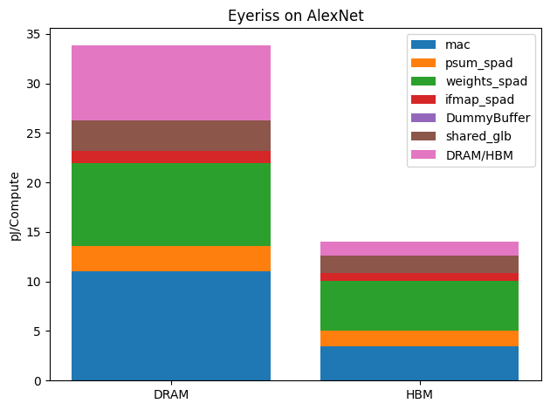
 | Stacks | mac | psum_spad | weights_spad | ifmap_spad | DummyBuffer | shared_glb | HBM | Latency | TotalComputes
VGG | (0,10) | 1.15 | 0.5 | 1.5942862823 | 0.26205168986 | 0 | 1.2978807157 | 0.58874751491 | 12192 | 4345920
 | (11,12) | 1.15 | 0.5 | 1.59 | 0.25 | 0 | 0.065 | 0.03 | 24576 | 18874368
ResNet | (0,0) | 1.15 | 0.5 | 1.59 | 0.24 | 0 | 0.49 | 0.51 | 175616 | 118013952
 | (1,7) | 1.15 | 0.5 | 1.5928767123 | 0.45369863014 | 0 | 0.53203522505 | 0.27258317025 | 9803 | 8372224
 | (8,8) | 1.15 | 0.52 | 1.7 | 0.24 | 0 | 0.48 | 0.42 | 172032 | 115605504
 | (9,9) | 1.15 | 0.55 | 1.7 | 0.25 | 0 | 1.01 | 1 | 68992 | 51380224
 | (10,10) | 1.15 | 0.53 | 1.81 | 0.25 | 0 | 0.61 | 1.43 | 97835 | 51380224
 | (11,11) | 1.15 | 0.52 | 1.81 | 0.25 | 0 | 0.5 | 1.31 | 202155 | 115605504
 | (12,12) | 1.15 | 0.53 | 1.81 | 0.27 | 0 | 0.77 | 1.43 | 97835 | 51380224
AlexNet | (0,2) | 1.15 | 0.52 | 1.6721070234 | 0.24163879599 | 0 | 0.55591973244 | 0.53575250836 | 18259 | 10419552
 | (3,3) | 1.15 | 0.52 | 1.7 | 0.25 | 0 | 0.72 | 0.53 | 344064 | 260112384
 | (4,4) | 1.15 | 0.52 | 1.7 | 0.24 | 0 | 0.5 | 0.37 | 258048 | 173408256
Lenet | (0,1) | 1.15 | 0.5 | 1.59 | 0.30471698113 | 0 | 3.2547169811 | 2.2287735849 | 86 | 15900

