Pinion
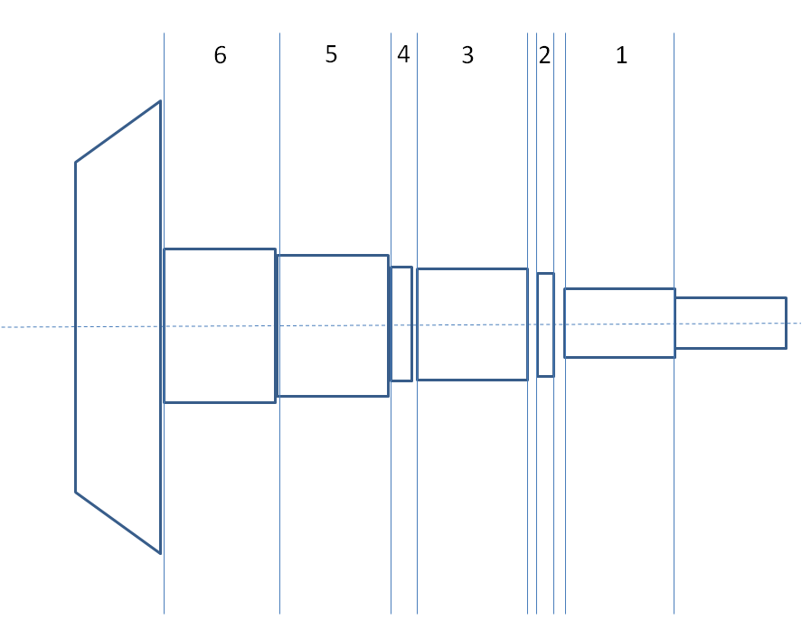
Time (s) | n (spindle) [U/min] | M (Spindle) | ap [mm] | kappa [°] | n Spindle | x2 | Z2 | Vc
1 | 1110 |  | 0.24 | 95 |  | 43 | 67.8 | 150
2 |  |  |  | 95 |  | 41.93 | 67.8
3 |  |  |  | 95 |  | 39.93 | 68.3
4 |  |  |  | 95 |  | 34.5
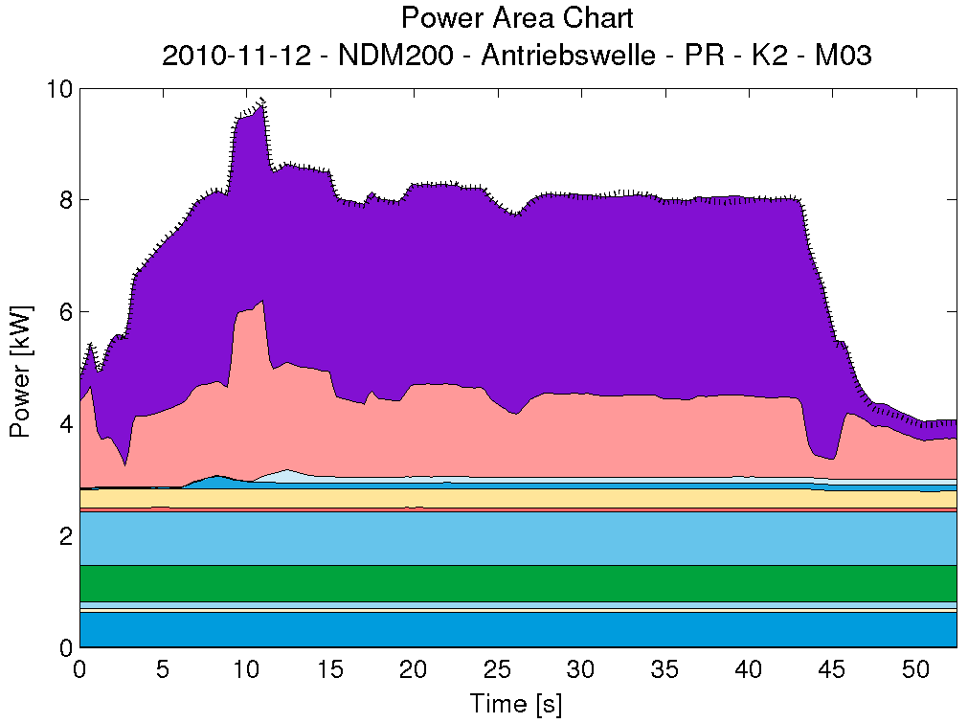
5 |  |  |  | 95 |  | 36.1 | 69
6 |  |  |  | 95 |  | 63
7 |  |  |  | 95 |  | 41.5
8 | 1140 |  |  | 95 |  | 42 | 1
9 |  |  |  | 95 |  | 27.3
10 |  |  |  | 95 |  | 30.161
11 |  |  |  | 95 |  | 33.29
12 |  |  |  | 95 |  | 33.78
13 |  |  |  | 95 |  | 39.7
14 |  |  |  | 95 |  | 41.303
15 |  |  |  | 95 |  | 42
16 |  |  |  | 95
17 |  |  |  | 95
18 |  |  |  | 95
19 |  |  |  | 95
20 |  |  |  | 95
21 |  |  |  | 95
22 |  |  |  | 95
23 |  |  |  | 95
24 |  |  |  | 95
25 |  |  |  | 95
26 |  |  |  | 95
27 |  |  |  | 95
28 |  |  |  | 95
29 |  |  |  | 95
30 |  |  |  | 95
31 |  |  |  | 95
32 |  |  |  | 95
33 |  |  |  | 95
34 |  |  |  | 95
35 |  |  |  | 95
36 |  |  |  | 95 |  |  |  |  |  | 6 | 5 | 4 | 3 | 2 | 1
37 |  |  |  | 95 |  |  |  |  | Rohteil 1 | 41.683 | 40.148 | 34.287 | 33.707 | 30.403 | 27.832
38 |  |  |  | 95 |  |  |  |  | Rohteil 2 | 41.692 | 40.159 | 34.249 | 33.659 | 30.406 | 27.844
39 |  |  |  | 95 |  |  |  |  | Rohteil 3 | 41.675 | 40.141 | 34.123 | 33.655 | 30.4 | 27.826
40 |  |  |  | 95 |  |  |  |  | Durchschnitt 1 | 41.683333333 | 40.149333333 | 34.219666667 | 33.673666667 | 30.403 | 27.834
41 |  |  |  | 95
42 |  |  |  | 95 |  |  |  |  | Messung 1 | 41.376 | 39.762 | 33.854 | 33.219 | 30.277 | 27.369
43 |  |  |  | 95 |  |  |  |  | Messung 2 | 41.372 | 39.769 | 33.938 | 33.226 | 30.274 | 27.329
44 |  |  |  | 95 |  |  |  |  | Messung 3 | 41.374 | 39.761 | 33.911 | 33.227 | 30.279 | 27.359
45 |  |  |  | 95
46 |  |  |  | 95 | 1600 W |  |  |  | Messung 1 | 41.371 | 39.775 | 33.888 | 33.215 | 30.283 | 27.352
47 |  |  |  | 95 |  |  |  |  | Messung 2 | 41.363 | 39.774 | 33.977 | 33.239 | 30.276 | 27.355
48 |  |  |  | 95 |  |  |  |  | Messung 3 | 41.368 | 39.826 | 33.911 | 33.239 | 30.206 | 27.355
49 |  |  |  | 95
50 |  |  |  | 95 |  |  |  |  | Durchschnitt | 41.370666667 | 39.777833333 | 33.913166667 | 33.2275 | 30.265833333 | 27.353166667
51 |  |  |  | 95 |  |  |  |  | Delta | 0.31266666667 | 0.3715 | 0.3065 | 0.44616666667 | 0.13716666667 | 0.48083333333
52 |  |  |  | 95
 |  |  |  |  |  |  |  |  | ap | 0.15633333333 | 0.18575 | 0.15325 | 0.22308333333 | 0.068583333333 | 0.24041666667

Tabelle3
# ------------------------------
# Consumer Data
# ------------------------------
#
# Consumer: C1
#
# Time (UTC) | Value
13:30:50.340 | 0
13:30:50.761 | 0
13:30:51.232 | 0
13:30:51.652 | 0
13:30:52.133 | 0
13:30:52.564 | 0
13:30:53.054 | 0
13:30:53.505 | 0
13:30:53.926 | 0
13:30:54.406 | 0
13:30:54.857 | 0
13:30:55.308 | 0
13:30:55.768 | 0
13:30:56.189 | 0
13:30:56.640 | 0
13:30:57.100 | 0
13:30:57.551 | 0
13:30:57.971 | 0
13:30:58.452 | 0
13:30:58.883 | 0
13:30:59.293 | 0
13:30:59.734 | 0
13:31:00.235 | 0
13:31:00.645 | 0
13:31:02.879 | 0
13:31:03.339 | 0
13:31:03.770 | 0
13:31:04.210 | 0
13:31:04.631 | 0
13:31:05.122 | 0
13:31:05.602 | 0
13:31:06.093 | 0
13:31:06.534 | 0
13:31:06.934 | 0
13:31:07.425 | 0
13:31:07.846 | 0
13:31:08.266 | 0
13:31:08.737 | 0
13:31:09.208 | 1.8
13:31:09.668 | 0.2
13:31:10.149 | 1
13:31:10.610 | -0.2
13:31:11.110 | 0.6
13:31:11.751 | 3.2
13:31:12.312 | 1139
13:31:12.763 | 4469.8
13:31:13.253 | 587
13:31:13.684 | 550
13:31:15.807 | 2045.6
13:31:16.238 | -3771.2
13:31:16.668 | 441.2
13:31:17.149 | 229.8
13:31:17.610 | 268.2
13:31:18.100 | 790.8
13:31:18.541 | 451.2
13:31:18.962 | 404.2
13:31:19.482 | 1446.2
13:31:19.893 | 732.6
13:31:20.344 | 907.4
13:31:20.814 | 1108.2
13:31:21.275 | 827.4
13:31:21.696 | 1074.4
13:31:22.176 | 1806.6
13:31:22.657 | 229.6
13:31:23.128 | 454.4
13:31:23.598 | 379.8
13:31:24.099 | 323.2
13:31:24.540 | 5678.6
13:31:24.980 | 1080.2
13:31:25.511 | 1464
13:31:25.962 | 1454.4
13:31:26.432 | 1506.4
13:31:26.863 | 1095
13:31:29.006 | 1354.8
13:31:29.487 | 1442.2
13:31:29.917 | 1349
13:31:30.358 | 557.6
13:31:30.819 | 971
13:31:31.269 | 1335.6
13:31:31.700 | 890
13:31:32.161 | 1477.4
13:31:32.631 | 740
13:31:33.122 | 938.6
13:31:33.583 | 864.2
13:31:34.013 | 768.2
13:31:34.514 | 823.6
13:31:34.945 | 829.4
13:31:35.415 | 1052.2
13:31:35.856 | 1218
13:31:36.287 | 802.8
13:31:36.767 | 1028.8
13:31:37.248 | 983.2
13:31:37.679 | 859.6
13:31:38.159 | 624.2
13:31:38.610 | 870
13:31:39.041 | 1043.2
13:31:39.531 | -146
13:31:41.674 | 1129.4
13:31:42.155 | 915.2
13:31:42.606 | 441
13:31:43.046 | 710.6
13:31:43.567 | 544.2
13:31:43.998 | 711.6
13:31:44.498 | 689.4
13:31:44.959 | 563
13:31:45.420 | 898
13:31:45.910 | 618.4
13:31:46.371 | 965
13:31:46.832 | 967.4
13:31:47.302 | 908.4
13:31:47.743 | 674
13:31:48.254 | 982
13:31:48.704 | 612.4
13:31:49.215 | 827.8
13:31:49.666 | 707.8
13:31:50.157 | 545.6
13:31:50.607 | 531
13:31:51.068 | 800.6
13:31:51.609 | 856.6
13:31:52.169 | 750.8
13:31:52.630 | 716.2
13:31:54.683 | 896
13:31:55.214 | 819.2
13:31:55.664 | 647.8
13:31:56.175 | 564
13:31:56.656 | 950
13:31:57.076 | 723.2
13:31:57.557 | 834.4
13:31:58.018 | 224.2
13:31:58.579 | -3343.2
13:31:59.009 | -729.4
13:31:59.470 | -1.4
13:32:00.011 | 1.8
13:32:00.451 | -0.6
13:32:00.902 | 0.8
13:32:01.353 | 2.6
13:32:01.793 | 0.6
13:32:02.274 | 0.2
13:32:02.715 | -3.6
13:32:03.225 | -1.2
13:32:03.706 | -1.8
13:32:04.187 | 1.2
13:32:04.627 | 0.8
13:32:05.048 | 0.6
13:32:05.519 | 3.4
13:32:07.562 | 0
13:32:08.002 | -0.6
13:32:08.463 | 2.6
13:32:08.934 | 0.8
13:32:09.344 | -4.8
13:32:09.785 | -5.4
13:32:10.255 | 0
13:32:10.696 | 0
13:32:11.197 | 0
13:32:11.637 | 0
13:32:12.088 | 0
13:32:12.539 | 0
13:32:12.999 | 0
13:32:13.430 | 0
13:32:13.861 | 0
13:32:14.301 | 0
13:32:14.752 | 0
13:32:15.223 | 0
13:32:15.643 | 0
13:32:16.074 | 0
13:32:16.534 | 0
13:32:16.955 | 0
13:32:17.366 | 0
13:32:17.806 | 0

Tabelle1
13:33:41.156 | 0 | 0
13:33:43.840 | 1 | 1.4
13:33:44.811 | 2 | 2156.4
13:33:45.783 | 3 | 692.2
13:33:46.724 | 4 | 392.6
13:33:47.605 | 5 | 1117
13:33:48.497 | 6 | -3118
13:33:49.398 | 7 | 387.6
13:33:50.369 | 8 | 398.8
13:33:51.241 | 9 | 688.6
13:33:52.242 | 10 | 1021.8
13:33:53.233 | 11 | 1175.6
13:33:54.165 | 12 | 1197.6
0 | 0
1 | 1.4
2 | 2156.4
3 | 692.2
4 | 392.6
5 | 1117
6 | -3118
7 | 387.6
8 | 398.8
9 | 688.6
10 | 1021.8
11 | 1175.6
12 | 1197.6
13 | 2970.6
14 | 641.6
15 | 803.4
16 | 1306.2
17 | 1426.8
18 | 1384.4
19 | 1493.6
20 | 1325
21 | 952.2
22 | -20.6
23 | 1022
24 | 1287.6
25 | 705.6
26 | 1008.2
27 | 872.2
28 | 520.8
29 | 778.4
30 | 921
31 | 814.4
32 | 1330
33 | 1090
34 | 1364
35 | 724.6
36 | 742.4
37 | 807.4
38 | 962.4
39 | 1089.4
40 | 662
41 | 692.2
42 | 1032.6
43 | 842
44 | 817.2
45 | 544
46 | -829
47 | -1.2
48 | -1.4
49 | -1.8
...
13:33:56.628 | 13 | 2970.6
13:33:57.560 | 14 | 641.6
13:33:58.471 | 15 | 803.4
13:33:59.442 | 16 | 1306.2
13:34:00.504 | 17 | 1426.8
13:34:01.515 | 18 | 1384.4
13:34:02.507 | 19 | 1493.6
13:34:03.508 | 20 | 1325
13:34:04.430 | 21 | 952.2
13:34:05.361 | 22 | -20.6
13:34:06.372 | 23 | 1022
13:34:07.254 | 24 | 1287.6
13:34:09.837 | 25 | 705.6
13:34:10.839 | 26 | 1008.2
13:34:11.750 | 27 | 872.2
13:34:12.711 | 28 | 520.8
13:34:13.633 | 29 | 778.4
13:34:14.594 | 30 | 921
13:34:15.526 | 31 | 814.4
13:34:16.447 | 32 | 1330
13:34:17.438 | 33 | 1090
13:34:18.370 | 34 | 1364
13:34:19.281 | 35 | 724.6
13:34:21.935 | 36 | 742.4
13:34:22.846 | 37 | 807.4
13:34:23.817 | 38 | 962.4
13:34:24.799 | 39 | 1089.4
13:34:25.770 | 40 | 662
13:34:26.672 | 41 | 692.2
13:34:27.573 | 42 | 1032.6
13:34:28.514 | 43 | 842
13:34:29.436 | 44 | 817.2
13:34:30.397 | 45 | 544
13:34:31.388 | 46 | -829
13:34:32.290 | 47 | -1.2
13:34:33.171 | 48 | -1.4
13:34:35.835 | 49 | -1.8
13:34:36.806 | 50 | -0.6
13:34:37.727 | 51 | -2.4
13:34:38.619 | 52 | -0.4
13:34:39.520 | 53 | 0
13:34:40.401 |  | 0
13:34:40.832 |  | 0

13:33:41.156 | 0
13:33:43.840 | 1.4
13:33:44.811 | 2156.4
13:33:45.783 | 692.2
13:33:46.724 | 392.6
13:33:47.605 | 1117
13:33:48.497 | -3118
13:33:49.398 | 387.6
13:33:50.369 | 398.8
13:33:51.241 | 688.6
13:33:52.242 | 1021.8
13:33:53.233 | 1175.6
13:33:54.165 | 1197.6
13:33:56.628 | 2970.6
13:33:57.560 | 641.6
13:33:58.471 | 803.4
13:33:59.442 | 1306.2
13:34:00.504 | 1426.8
13:34:01.515 | 1384.4
13:34:02.507 | 1493.6
13:34:03.508 | 1325
13:34:04.430 | 952.2
13:34:05.361 | -20.6
13:34:06.372 | 1022
13:34:07.254 | 1287.6
13:34:09.837 | 705.6
13:34:10.839 | 1008.2
13:34:11.750 | 872.2
13:34:12.711 | 520.8
13:34:13.633 | 778.4
13:34:14.594 | 921
13:34:15.526 | 814.4
13:34:16.447 | 1330
13:34:17.438 | 1090
13:34:18.370 | 1364
13:34:19.281 | 724.6
13:34:21.935 | 742.4
13:34:22.846 | 807.4
13:34:23.817 | 962.4
13:34:24.799 | 1089.4
13:34:25.770 | 662
13:34:26.672 | 692.2
13:34:27.573 | 1032.6
13:34:28.514 | 842
13:34:29.436 | 817.2
13:34:30.397 | 544
13:34:31.388 | -829
13:34:32.290 | -1.2
13:34:33.171 | -1.4
13:34:35.835 | -1.8
...

Tabelle2
# ------------------------------
# Consumer Data
# ------------------------------
#
# Consumer: C1
#
# Time (UTC) | Value
13:40:40.479 | 0
13:40:40.950 | 0
13:40:41.380 | 0
13:40:41.821 | 0
13:40:42.322 | 0
13:40:42.792 | 0
13:40:43.263 | 0
13:40:43.684 | 0
13:40:44.124 | 0
13:40:44.565 | 0
13:40:45.026 | 0
13:40:45.436 | 0
13:40:45.927 | 0
13:40:46.368 | 0
13:40:46.788 | 0
13:40:47.249 | 0
13:40:47.719 | 0
13:40:48.150 | 0
13:40:48.601 | 0
13:40:49.061 | 0
13:40:49.512 | 0
13:40:50.023 | 0
13:40:50.443 | 0
13:40:50.924 | 0
13:40:51.355 | 0
13:40:53.247 | 0
13:40:53.698 | 1.4
13:40:54.129 | 5.4
13:40:54.549 | 5
13:40:55.030 | 3
13:40:55.461 | 3
13:40:56.001 | 3.4
13:40:56.462 | 1039.8
13:40:57.013 | 704.6
13:40:57.453 | 489.4
13:40:57.954 | 679.4
13:40:58.415 | 627.8
13:40:58.855 | 405.6
13:40:59.366 | 1187.2
13:40:59.787 | 1252.8
13:41:00.328 | -3692.6
13:41:00.758 | 288.2
13:41:01.209 | 546.6
13:41:01.680 | 337.2
13:41:02.160 | 721.8
13:41:02.631 | 420
13:41:03.102 | 390.4
13:41:03.602 | 86.4
13:41:04.113 | 733.2
13:41:06.146 | 407.8
13:41:06.607 | 659.8
13:41:07.107 | 623
13:41:07.558 | 601.6
13:41:08.049 | 359.2
13:41:08.499 | 3615.8
13:41:08.990 | 953.4
13:41:09.441 | 524.6
13:41:09.951 | 1080.6
13:41:10.392 | 1050.6
13:41:10.843 | 994.4
13:41:11.313 | 790
13:41:11.804 | 1544.2
13:41:12.295 | 1113.8
13:41:12.725 | 1114.8
13:41:13.166 | 1223
13:41:13.617 | 1001.2
13:41:14.117 | 1256.2
13:41:14.598 | -704.8
13:41:15.089 | 800.8
13:41:15.549 | 720.6
13:41:16.030 | 1104.8
13:41:16.471 | 384
13:41:16.982 | -112.2
13:41:19.185 | 529.6
13:41:19.645 | 1105.8
13:41:20.086 | 880.6
13:41:20.547 | 775.2
13:41:21.017 | 639
13:41:21.468 | 944.2
13:41:21.999 | 992
13:41:22.439 | 886.4
13:41:22.960 | 544.6
13:41:23.401 | 1001.6
13:41:23.861 | 1.2
13:41:24.332 | 605.4
13:41:24.763 | 298
13:41:25.203 | 761.4
13:41:25.644 | 848.6
13:41:26.115 | 733.6
13:41:26.555 | 873
13:41:27.046 | 732.8
13:41:27.477 | 927.2
13:41:27.897 | 514.4
13:41:28.418 | 347.2
13:41:28.849 | 804.4
13:41:29.339 | 1005.8
13:41:29.770 | 644.4
13:41:30.241 | 929.2
13:41:32.404 | 906.6
13:41:32.894 | 1038.2
13:41:33.395 | 699.4
13:41:33.826 | 777.2
13:41:34.306 | 84.4
13:41:34.747 | 945.8
13:41:35.188 | 691
13:41:35.658 | 666.8
13:41:36.119 | 931.4
13:41:36.560 | 541.6
13:41:37.030 | 507.6
13:41:37.471 | 936.4
13:41:37.902 | 632.2
13:41:38.402 | 485.4
13:41:38.843 | 811.2
13:41:39.314 | 442
13:41:39.784 | 721.6
13:41:40.245 | 697.4
13:41:40.696 | 829.6
13:41:41.156 | 813.4
13:41:41.607 | 647.2
13:41:42.108 | 577.2
13:41:42.548 | 55.2
13:41:43.039 | -1433.4
13:41:44.872 | -0.4
13:41:45.362 | 1
13:41:45.793 | -0.8
13:41:46.244 | -1.6
13:41:46.684 | 1.6
13:41:47.145 | -1.2
13:41:47.606 | -0.8
13:41:48.126 | 0.2
13:41:48.597 | 3.8
13:41:49.108 | 2.4
13:41:49.548 | 0.4
13:41:50.029 | -3
13:41:50.450 | -2.6
13:41:50.890 | -0.8
13:41:51.351 | 0
13:41:51.812 | 0
13:41:52.302 | 0
13:41:52.723 | 0
13:41:53.194 | 0
13:41:53.614 | 0
13:41:54.055 | 0
13:41:54.475 | 0
13:41:54.926 | 0
13:41:55.397 | 0
13:41:55.817 | 0
13:41:58.141 | 0
13:41:58.601 | 0
13:41:59.072 | 0
13:41:59.513 | 0
13:42:00.104 | 0
13:42:00.554 | 0
13:42:01.035 | 0
13:42:01.486 | 0
13:42:01.926 | 0
13:42:02.427 | 0
13:42:02.868 | 0
13:42:03.318 | 0
13:42:03.719 | 0

