Dashboard
total_revenue | total_orders | total_items_sold | average_order_value
$275,230 | 1000 | 8162 | $275

Popular products by revenue
Popular products by quantity of sold items

The busiest day of week by revenue
The busiest day of week by quantity of sold items
The busiest day of week by orders

Ration of categories

Ration of Fastfood

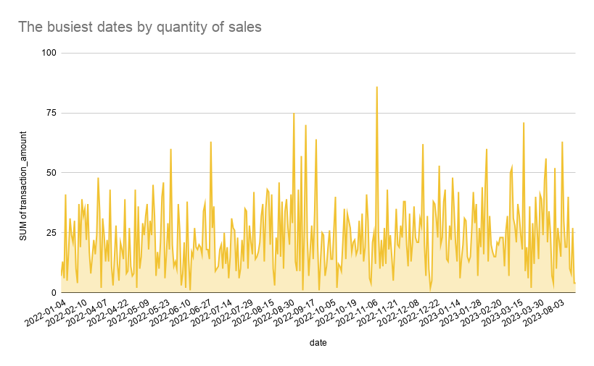
The busiest dates by revenue

Ration of beverages

The busiest periods of time by quantity of sold products
The peak sales periods by revenue

highest workload n revenue by t
The busiest periods of time by quantity of sold products
The peak sales periods by revenue

top sales dates
The busiest dates by revenue

top sales in a week
The busiest day of week by revenue
The busiest day of week by orders

The busiest day of week by quantity of sold items

product performance
Popular products by revenue

Popular products by quantity of sold items

check of items in categories
Ration of categories
item_name | Beverages | Fastfood
Grand Total | 314 | 686

Ration of beverages
Ration of Fastfood

