Defects
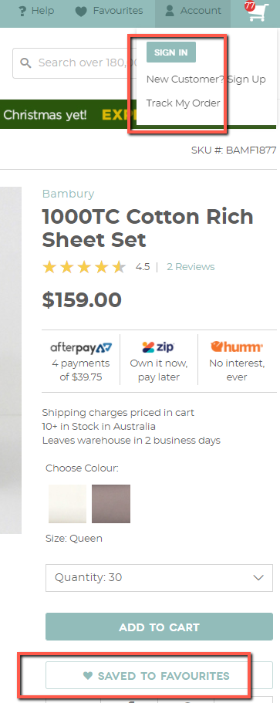
Bug Id | Summary | Description | Priority | Attachment
B001 | User is able to add a product to favorites even not logged in | Pre-requisite: 1. User is not logged in Steps: 1. Click [SAVED TO FAVOURITES] 2. Enter email 3. Enter password 4. Click [Create New Account] Actual Result: User is able to add a product to favorites even not logged in Expected Result: User should not be able to add a product to favorites if not logged in. | P3

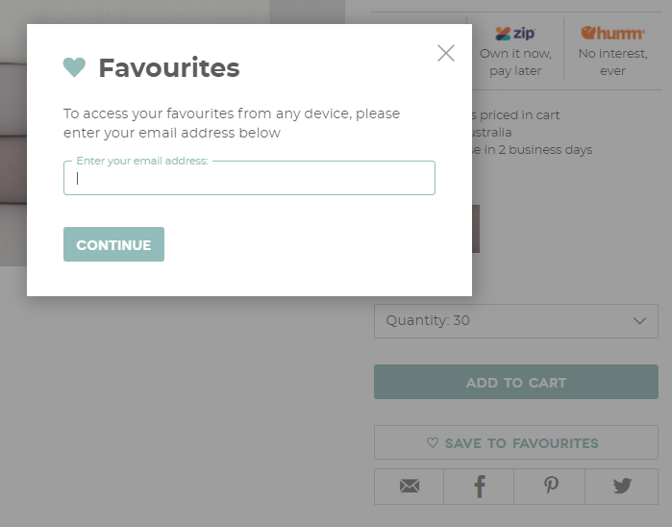
B002 | Favorites pop up doesn't have an option to log in for an existing account | Pre-requisite: 1. User is not logged in Steps: 1. Click [SAVED TO FAVOURITES] 2. Enter email Actual Result: Favorites pop up doesn't have log in option Expected Result: Favorites pop up should havea log in option | P3

B003 | Pinterest and Twitter icons doesn't have an element popping up when mouse hovered | Steps: 1. Mouse hover to Pinterest and Twitter icons Actual Result: Pinterest and Twitter icons doesn't have an element popping up when mouse hovered Expected Result: Pinterest and Twitter icons should have an element popping up when mouse hovered | P3

