Sheet1
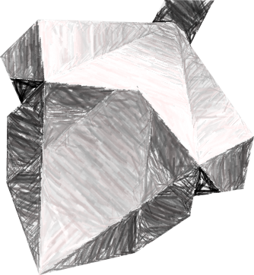
EOSio
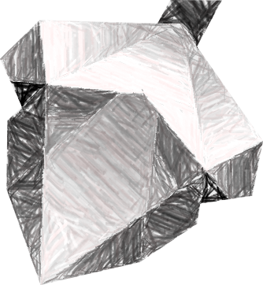

Central

T-Central
T-Central

T-Central
T-Central
T-Central

EOSioCentral


EOSio Central registered
as a Wax Guild

Proxy
Centralized
Proxy
T-Central
T-Central

Centralized
Proxy

