Sheet1
Chart | Action | Slider | Time Traval Animation | Spatial Traval Animation | Chropleth map | Scatter Plot | Time Path | Time Series | Density | Box Plot
 |  |  |  |  | 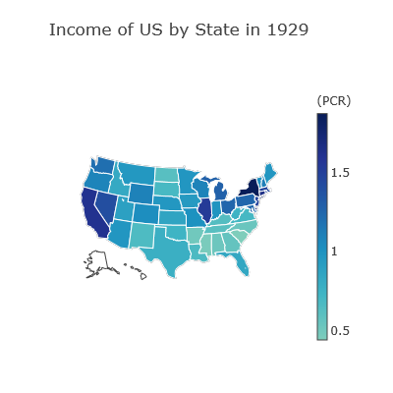 | 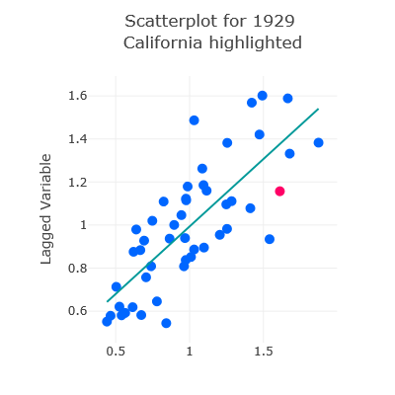 | 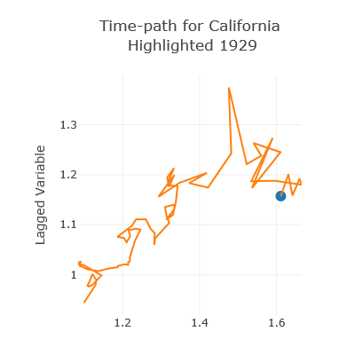 | 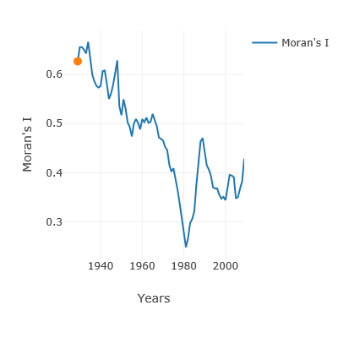 | 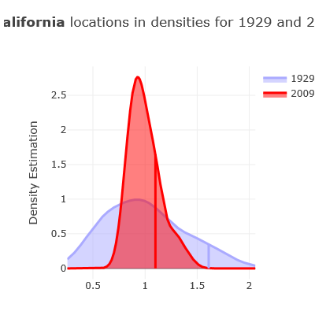 | 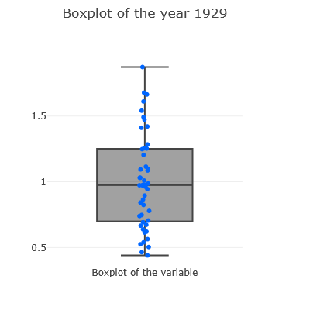
Slider | click | year |  |  | redraw by year | redraw by year | redraw by year at focused region | redraw by year | redraw by year at focused region | redraw by year
Time Traval Animation | check / uncheck | year | check / uncheck |  | redraw by year | redraw by year | redraw by year at focused region | redraw by year | redraw by year at focused region | redraw by year
Spatial Traval Animation | check / uncheck |  |  | check / uncheck | highlight a state | highlight a dot (state) | redraw by state |  | redraw by state | highlight
Chropleth map | click |  |  |  | highlight a state | highlight a dot (state) | redraw by state |  | redraw by state | highlight
 | lasso select |  |  |  | highlight multiple | highlight multiple + Regression Line | N/A or redraw the first selected state |  | N/A or redraw the first selected state | highlight multiple
Scatter Plot | click |  |  |  | highlight a state | highlight a dot (state) | redraw by state |  | redraw by state | highlight
 | lasso select |  |  |  | highlight multiple | highlight multiple + Regression Line | N/A or redraw the first selected state |  | N/A or redraw the first selected state | highlight multiple
Time Path | click | year |  |  | redraw by year | redraw by year | redraw by year at focused region | redraw by year | redraw by year at focused region | redraw by year
Time Series | click | year |  |  | redraw by year | redraw by year | redraw by year at focused region | redraw by year | redraw by year at focused region | redraw by year
Density | change year | year |  |  | redraw by year | redraw by year | redraw by year at focused region | redraw by year | redraw by year at focused region | redraw by year
 | change base year
Box Plot | click |  |  |  | highlight a state | highlight a dot (state) | redraw by state |  | redraw by state | highlight
 | lasso select |  |  |  | highlight multiple | highlight multiple + Regression Line | N/A or redraw the first selected state |  | N/A or redraw the first selected state | highlight multiple

have been implemented | have been implemented, but only California is shown | The action is for selection of multiple areas, but the graph can be drawn for only one area

