정규식
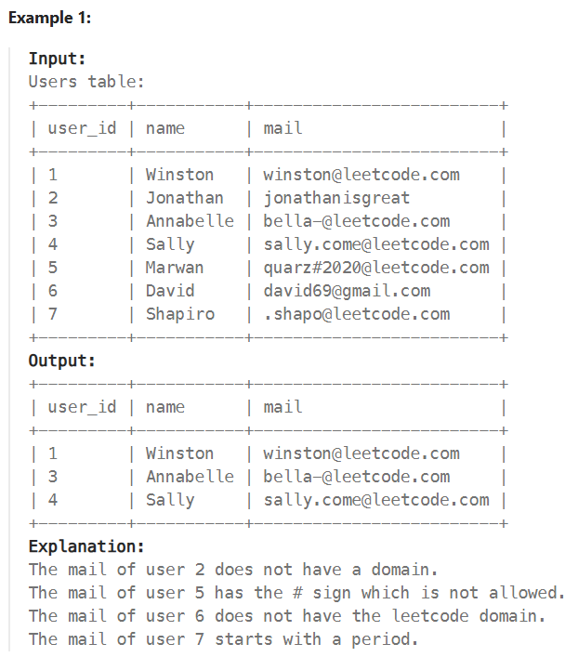

Page 1 [Regular Expressions Tutorial @ Zvon.org]

