Sheet1
UserID | Email | pwd | Rname | level | ProfilePicture | PointsReceived | PointsToGive | BrightSp awards
1 |  |  |  |  |  | 0 | 100
2 |  |  |  |  |  | 0 | 100
3 |  |  |  | L5 |  | 0 | 100 | 2
4 |  |  |  |  |  | 0 | 100
5 |  |  |  |  |  | 0 | 100

Team id | pid | A&B | OT
1 | 2 | 3 | 1
2 | 1
3 | 1
4 | 3
5 | 4
6 | 3
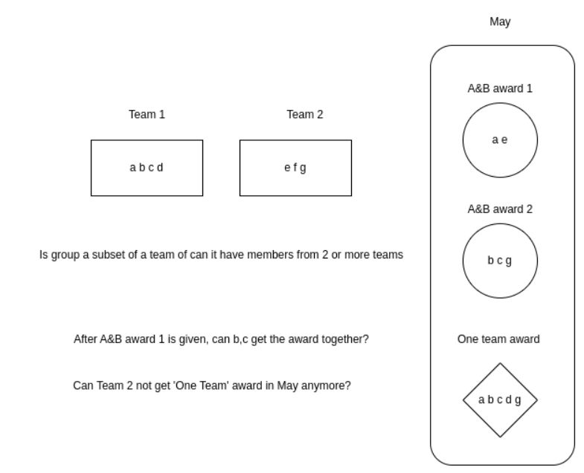
 |  |  |  |  |  |  |  |  |  |  |  |  |  | Sprint 3
 |  |  |  |  |  |  |  |  |  |  |  |  |  | Restend points (requests) | responses
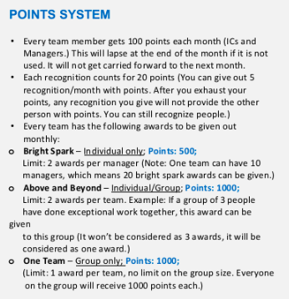
 |  |  |  |  |  |  |  |  |  |  |  |  |  | Recognition metrics(month, year) - Dashboard
 |  |  |  |  |  |  |  |  |  |  |  |  |  | shoutouts/given/month/{id} | count, points
 |  |  |  |  |  |  |  |  |  |  |  |  |  | shoutouts/given/year/{id} | count, points
 |  |  |  |  |  |  |  |  |  |  |  | L5, L6 can give award |  | Awards/received/month/{id} | count, points
 |  |  |  |  |  |  |  |  |  |  |  | L1-L6 can receive awards |  | Awards/received/year/{id} | count, points
 |  |  |  |  |  |  |  |  |  |  |  |  |  | shoutouts/received/month/{id} | count, points
 |  |  |  |  |  |  |  |  |  |  |  |  |  | shoutouts/received/year/{id} | count, points
 |  |  |  |  |  |  |  |  |  |  |  |  |  | View all recognitions and awards - Dashboard
 |  |  |  |  |  |  |  |  |  |  |  |  |  | shoutoutsAndAwards/all/year/{id} | Date, received/given, recognition type, points, recognizer, core value, behaviors, recognition note
 |  |  |  |  |  |  |  |  |  |  |  |  |  | shoutoutsAndAwards/all/month/{id} | Date, received/given, recognition type, points, recognizer, core value, behaviors, recognition note
 |  |  |  |  |  |  |  |  |  |  |  |  |  | shoutoutsAndAwards/received/year/{id} | Date, received/given, recognition type, points, recognizer, core value, behaviors, recognition note
 |  |  |  |  |  |  |  |  |  |  |  |  |  | shoutoutsAndAwards/received/month/{id} | Date, received/given, recognition type, points, recognizer, core value, behaviors, recognition note
 |  |  |  |  |  |  |  |  |  |  |  |  |  | shoutoutsAndAwards/sent/year/{id} | Date, received/given, recognition type, points, recognizer, core value, behaviors, recognition note
 |  |  |  |  |  |  |  |  |  |  |  |  |  | shoutoutsAndAwards/sent/month/{id} | Date, received/given, recognition type, points, recognizer, core value, behaviors, recognition note
 |  |  |  |  |  |  |  |  |  |  |  |  |  | Trending behaviours - Dashboard
 |  |  |  |  |  |  |  |  |  |  |  |  |  | trendingBehaviours/user/year/{id} | behaviours
 |  |  |  |  |  |  |  |  |  |  |  |  |  | trendingBehaviours/user/month/{id} | behaviours
 |  |  |  |  |  |  |  |  |  |  |  |  |  | Trending behaviours - Landing Page
 |  |  |  |  |  |  |  |  |  |  |  |  |  | trendingBehaviours/pyramid/{id} | behaviours
 |  |  |  |  |  |  |  |  |  |  |  | Bright spark | inidividual/group | trendingBehaviours/team/{id} | behaviours
 |  |  |  |  |  |  |  |  |  |  |  | A&B |  | Top Performers - Landing Page
 |  |  |  |  |  |  |  |  |  |  |  | One team | One award per month | topPerformers/pyramid/{id} | name, points received, image
 |  |  |  |  |  |  |  |  |  |  |  |  |  | topPerformers/team/{id} | name, points received, image
 |  |  |  |  |  |  |  |  |  |  |  |  |  | Team/Pyramid View - Landing page
 |  |  |  |  |  |  |  |  |  |  |  |  |  | posts/{TeamID} | Post data
 |  |  |  |  |  |  |  |  |  |  |  |  |  | posts/{pyramidID} | Post data

Posts |  |  |  |  |  |  |  | Points
PostID | RecognizerID | Post String | Date | CV id | ARID | PostType | PostPicture
1 | 5 | Congrats on a job well done /u1000348 ! | 15th july | 2 |  | Recognition
 |  |  |  |  |  | Story
 |  |  |  |  | 1 | Award

 |  |  |  |  |  |  |  |  |  |  | This table is not being used for now
 |  |  |  |  |  |  |  |  |  |  | Award/Post-Media
Awards/Recognition-Behaviours |  |  | CoreValues |  |  |  | Awards/Recgnitions-Recognizees |  |  |  | Pid | MediaType
Pid | Bid |  | CvID | String |  |  | Pid - posts | Uid - users
1 | 1 |  | 1 | Agility |  |  | 5 | 1
1 | 2 |  | 2 | One Team One Dream |  |  | 5 | 2
1 | 3 |  | 3 | Efficiency |  |  | 5 | 3
1 | 4 |  | 4 | Accuracy

 |  |  | Awards/Recog
 |  |  | ARId | String | Points
 |  |  | 1 | Bright Spark | 500
 |  |  | 2 | Above and Beyond | 1000 |  |  |  |  | API | ENDPOINT | REQUEST | RESPONSE
 |  |  | 3 | One team | 1000
 |  |  | 4 | Recognition | 20 |  |  |  |  | Core value and its strings | GET /core-values
 |  |  | Behaviours |  |  |  |  |  |  | Behaviours and its strings | GET /behaviours/{user_id} | Return all the core values that have Uid as null and the same user id
 |  |  | Bid | String | Uid
 |  |  | 1 | Smart work | Null |  |  |  | Handled in Posts request | post behaviour | POST/behaviours/new | [{ "behaviour_string": "team player", "user_id": 2 }, { "behaviour_string": "xxx", "user_id": 2 } ] | [{ "behaviour_id": 8 "behaviour_string":"team player" }, { "behaviour_id": 9 "behaviour_string":"xxx" } ] | if the number of behaviours exceeds 8, disable "add new behaviour " button in form Add a cross for new behaviours in UI
 |  |  | 2 | Inclusive | Null
 |  |  | 3 | Supportive | Null
 |  |  | 4 | accountable | Null |  |  |  |  |  |  |  |  |  | trending behaviours(API/UI) | Baby
 |  |  | 5 | leadership | 1 |  |  |  |  |  |  |  |  |  | top performers(API/UI) | Baby
 |  |  | 6 | proactive | 2 |  |  |  |  |  |  |  |  |  | team view/pyramid view(API/UI) | kavya
 |  |  |  |  |  |  |  |  |  |  |  |  |  |  | limiting awards functionality(API) | Kavya
 |  |  |  |  |  |  |  |  |  |  |  |  |  |  | Points updation(API) | Kavya | done
 |  |  |  |  |  |  | Behaviours Create repo behaviour |  |  |  |  |  |  |  | disabling awards to non managers | Baby | Done
 |  |  |  |  |  |  | Insert of posts - service
 |  |  |  |  |  |  | Posts and behaviour insert

 |  |  |  |  |  |  |  |  |  |  |  |  |  |  | metrics
 |  |  |  |  |  |  |  |  |  |  |  |  |  |  | trendingBehaviours/pyramid/{id} | landing page
 |  |  |  |  |  |  |  |  |  |  |  |  |  |  | trendingBehaviours/team/{id} | landing page
 |  |  |  |  |  |  |  |  |  |  |  |  |  |  | trendingBehaviours/user/{id} | Dashboard

 |  |  |  |  |  |  |  |  |  |  |  |  |  |  | topPerformers/pyramid/{id} | landing page
 |  |  |  |  |  |  |  |  |  |  |  |  |  |  | topPerformers/team/{id} |  | 5,4,4,3,2,1,1

 |  |  |  |  |  |  |  |  |  |  |  |  |  |  |  | Behaviors | a(5),b(4),c(3),d(3)

