Cage2-Calculations
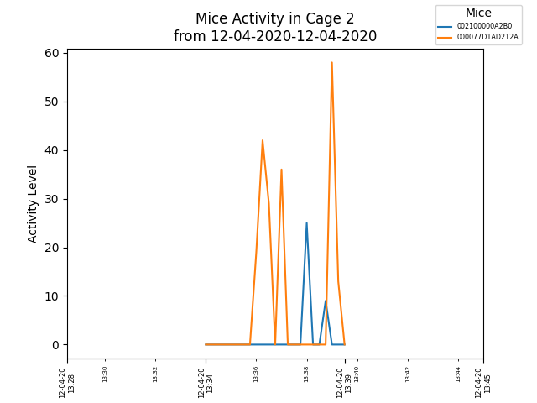
Cage2 Data (With Calculations)
ID | Start Time | End Time | Wheel (counts) | Total Distance Traveled (km) | Velocity (km/hr)
002100000A2B0 | 2020-12-04 | 2020-12-04 | 0 | 0 | 0
000077D1AD212A | 2020-12-04 | 2020-12-04 | 90 | 0.0026033592922 | 0.203741162
000077D1AD212A | 2020-12-04 | 2020-12-04 | 36 | 0.0010413437169 | 0.2343023363
002100000A2B0 | 2020-12-04 | 2020-12-04 | 34 | 0.00098349128817 | 0.05900947729
000077D1AD212A | 2020-12-04 | 2020-12-04 | 71 | 0.0020537612194 | 0.3520733519

Cumulative Data
ID | Cumulative Time (hr) | Cumulative Wheel (counts) | Cumulative Distance Traveled (km) | Average Velocity (km/hr)
002100000A2B0 | 0.02 | 34 | 0.00098349128817 | 0.049174564408
000077D1AD212A | 0.023055555556 | 197 | 0.0056984642285 | 0.24716230389

