Worksheet
订单号 | 图片 | 规格 | 价钱 | 货币 | 数量 | 名称 | 店铺
19100407336JE48 | 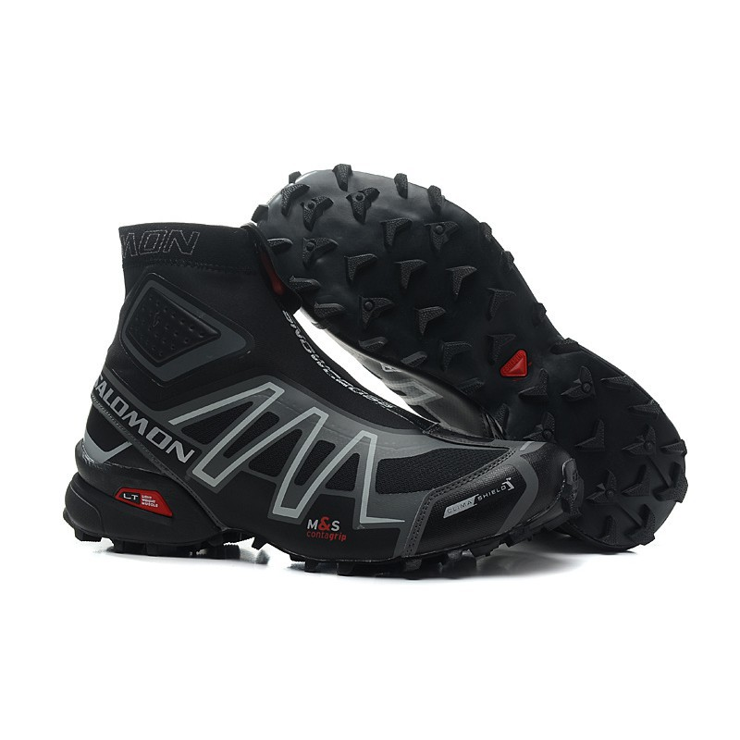 7c41d39a73435d8d34e49766701b348d | pn0QT/43 1/3 | 2399 | PHP | 1 | Salomon Snowcross Sneakers Outdoor Warm High Ankle Speedcros | hrotbqy.ph
19092810285UT4H | 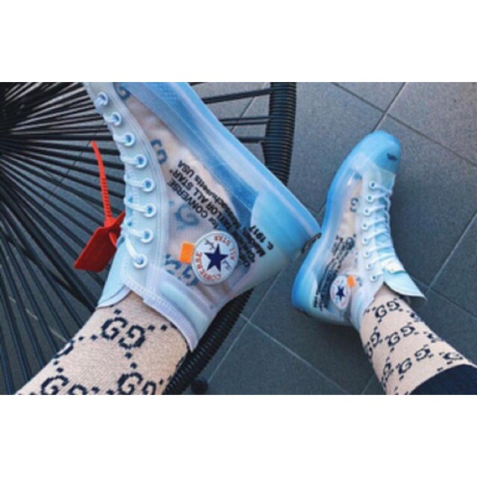 b8feb238b1eb69dcaf47b13009a3f849 | 42=UK7.5=26.5CM | 3560 | PHP | 1 | New fashion off white converse fashion shoes | qvdft13.ph
190929230953YM8 | 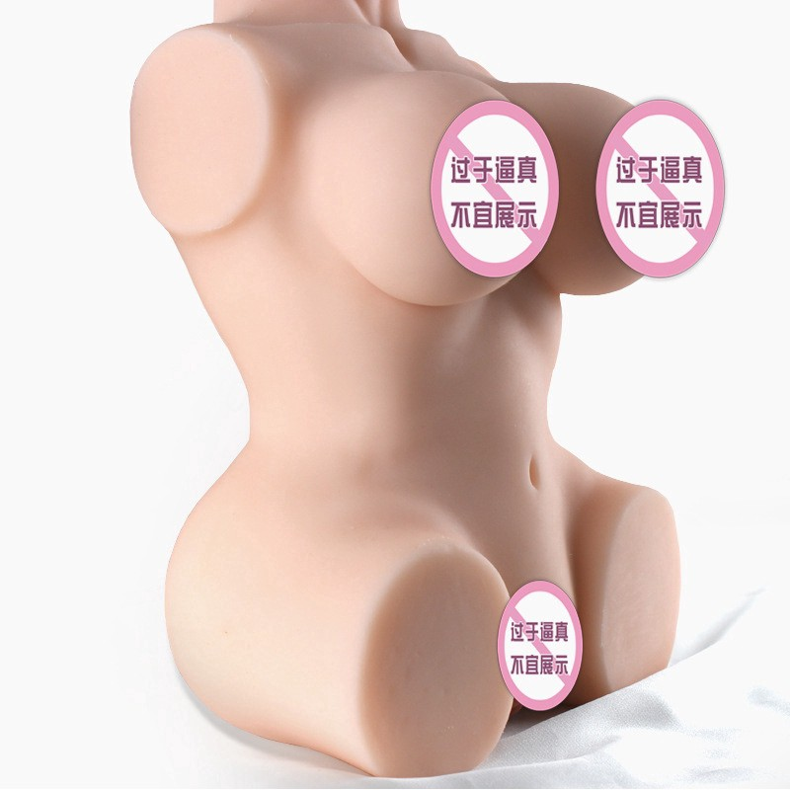 119928401fd319fd73e8ded93d7a429a |  | 1421 | PHP | 1 | Adult products male sex toy doll silicone hip inverted model aircraft cup | hpwcnon.ph
1909290945090NA | 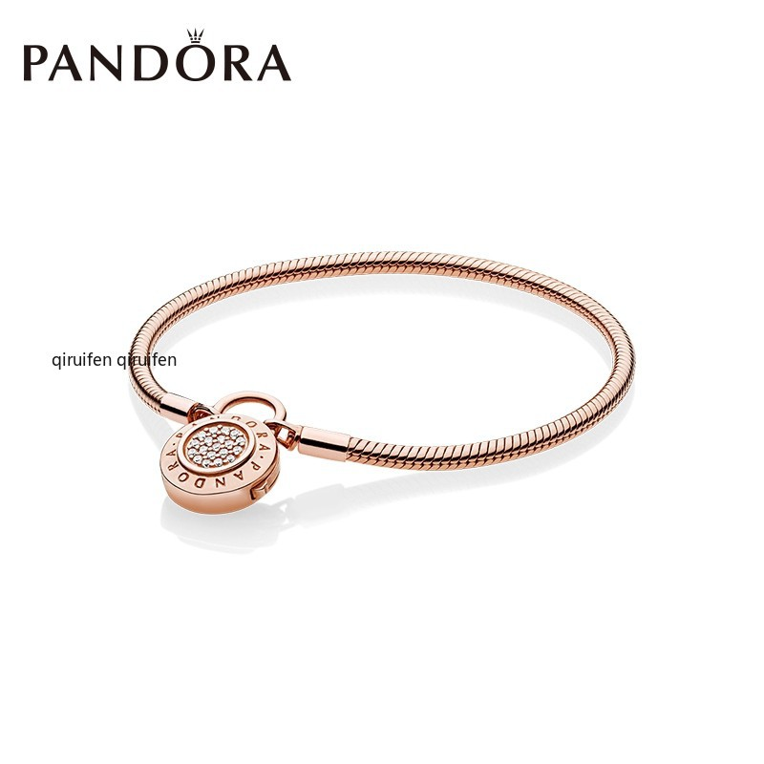 f3a82a069634d729d119091ec5572f44 |  | 1772 | PHP | 1 | Pandora Rose Gold Moments Smooth New Classic Lock Bracelet 587757Cz Women | gdgqx84.ph
19093011207HSEK | 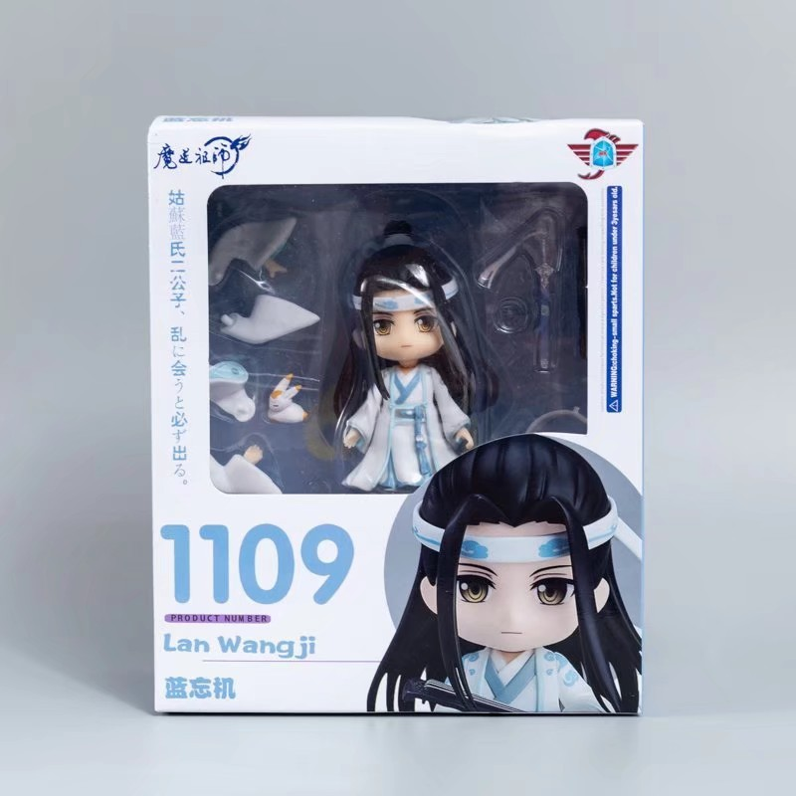 4fd5a1a4ec78480c9201067360577af2 |  | 786 | PHP | 1 | Q Version Clay The Founder Of Diabolism GSC 1109 Lan Zhan Changeable Face GK Dolls Model | yrtmo93.ph
19093011207HSEK | 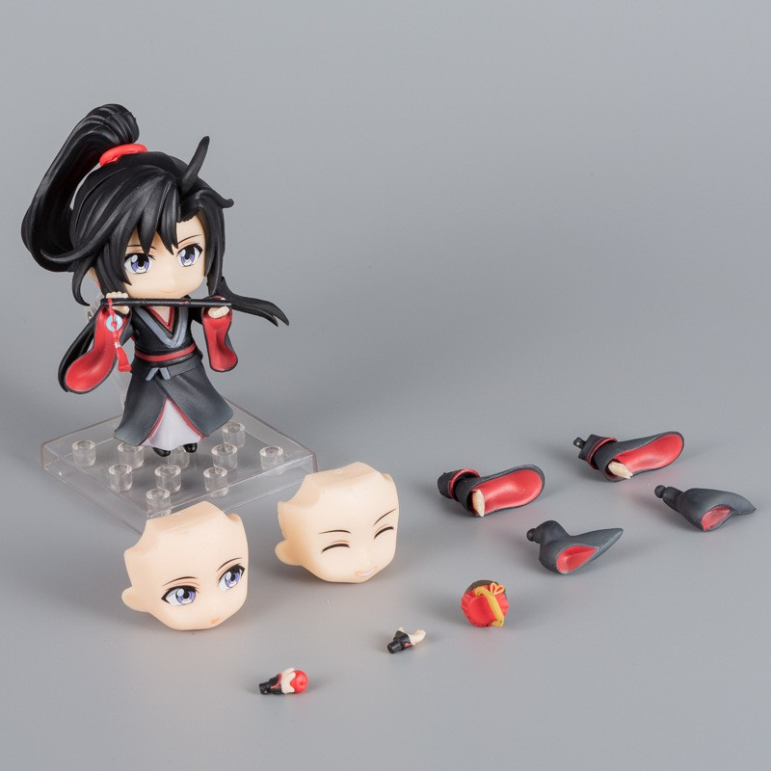 7dd9e7bb5f719977736edc8c8da79807 |  | 779 | PHP | 1 | Q Version Clay The Founder Of Diabolism GSC 1068 Wei Wuxian Changeable Face GK Dolls Model | yrtmo93.ph
19100109411VJFK | 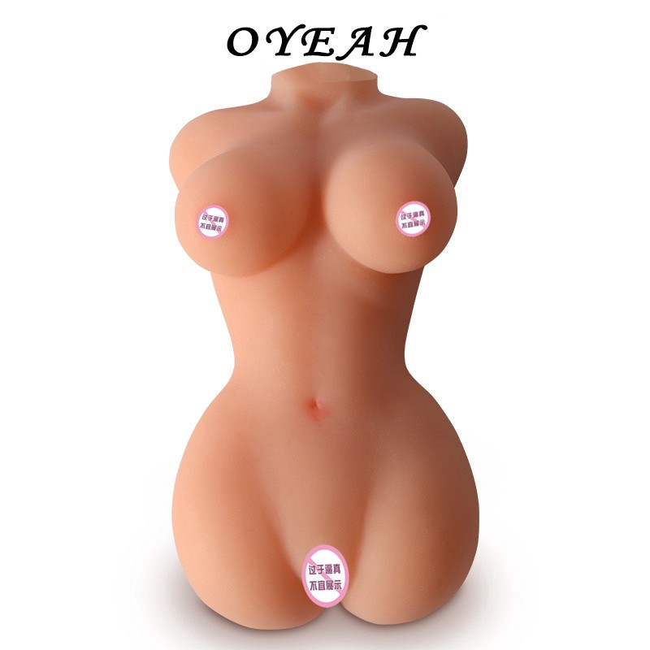 bf18d698b053c340b5dde8cd70bafd45 |  | 999 | PHP | 1 | 2kg silicone doll masturbator aircraft cup male adult doll sex product | uhrkob3.ph
19093022561MGSS | 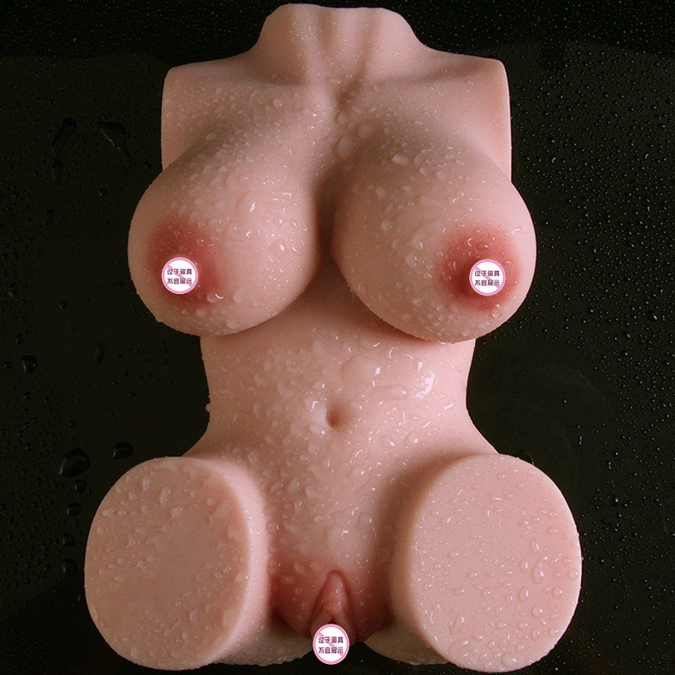 b28d19b8ad52ae9a852a1bab839d587b |  | 777 | PHP | 1 | adult Masturbation simulation silicone Sex toys big ass aircraft cup Product | uhrkob3.ph
19093022561MGSS | bf18d698b053c340b5dde8cd70bafd45 |  | 999 | PHP | 1 | 2kg silicone doll masturbator aircraft cup male adult doll sex product | uhrkob3.ph
19093022011BWD9 | 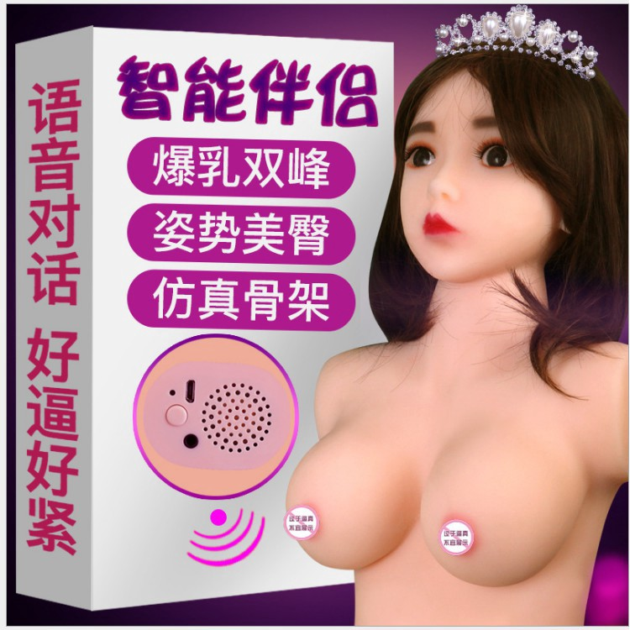 f77aff74f12babeea751c092aa27c3b8 |  | 3663 | PHP | 1 | 9kg Japan Doll Full Body Silicone Smart Toys Sex Robot Adult Products | uhrkob3.ph
19093005141PVDC | 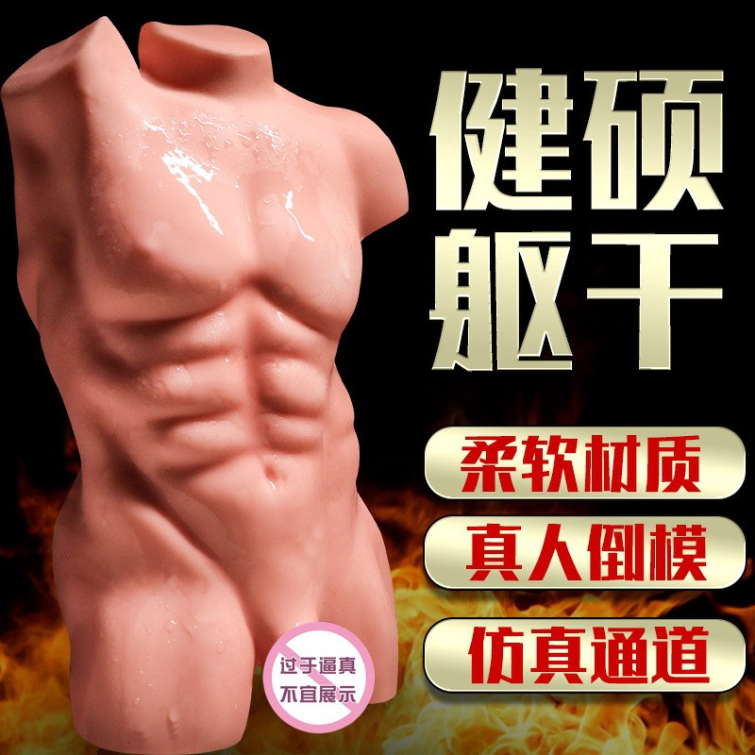 c777bc20f53f0cdee9fee4b5665bb033 |  | 962 | PHP | 1 | New comrade Male half an entity doll gay sex toys backyard adult product | uhrkob3.ph
19100502152AE6K | 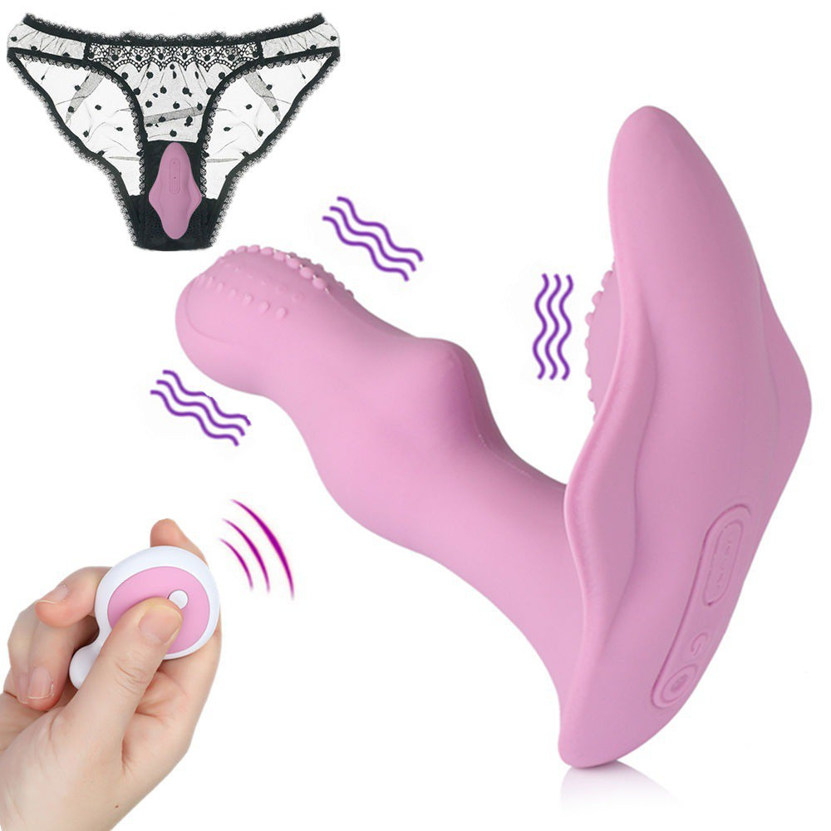 df9537aee42a005963259de3ec592f73 |  | 997 | PHP | 1 | Dildo Vibrator for Woman Strap On Dildo Remote Control Vibrating Egg Panties | kywgd17.ph
19100321062DAAQ | 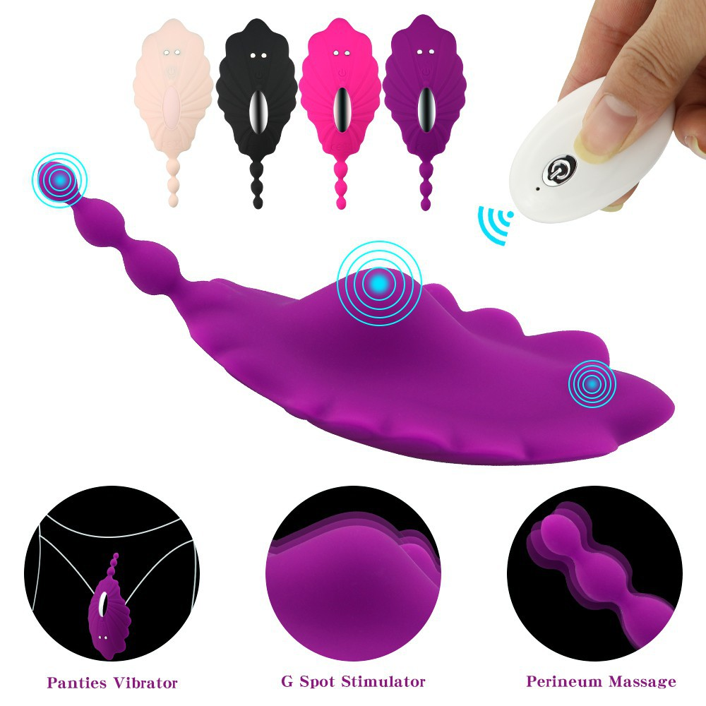 0c643bb84089ab42981de4f6b9d4f84f |  | 1093 | PHP | 1 | Wireless Remote Wearable Dildo Vibrator For Woman Clitoris Panties Masturbator | kywgd17.ph
19100312242DW0J | 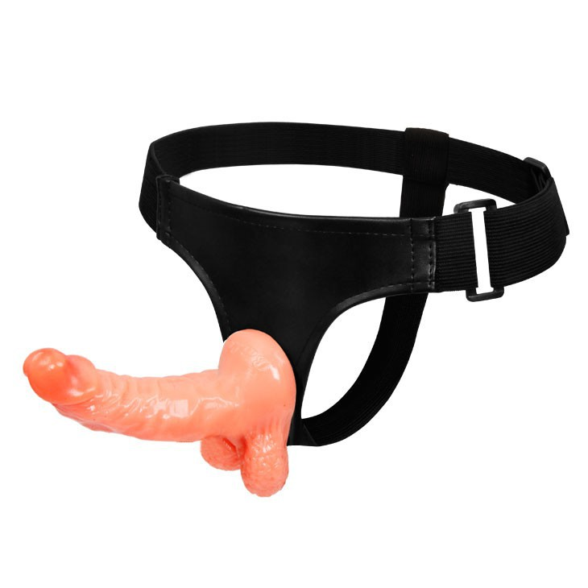 25c2af29634dc7ce2793fce720209a76 |  | 901 | PHP | 1 | Strap on Dildo Sex Toy Adult Game Harness Belt for Women Female | kywgd17.ph
19100307152GMUJ | 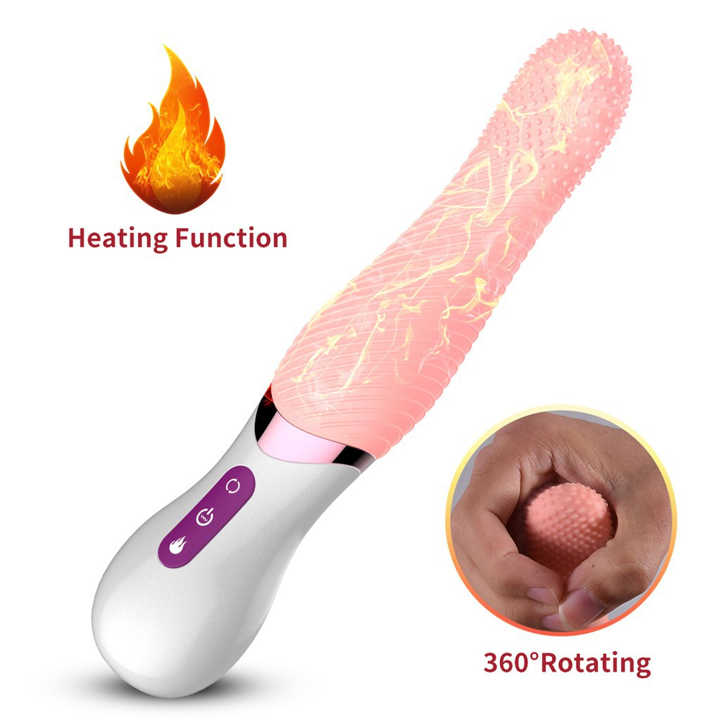 eb4d5b2ed6c59bdda8030edf029f6145 |  | 925 | PHP | 1 | NEW ARRIVE 7-function Vibrate Tongue Massager Recharging Heating Sex Toy Women | kywgd17.ph
19100303532C7EV | 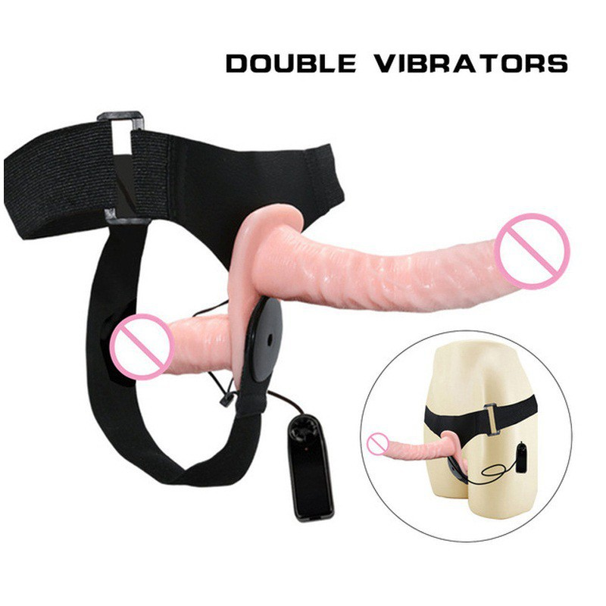 5c2e4823e6368f53d37e61ec04ce87a4 |  | 925 | PHP | 1 | Strap on Harness Double Vibration Dildos Adult Game Sex Product Lesbian Woman | kywgd17.ph
19100209372F7P5 | 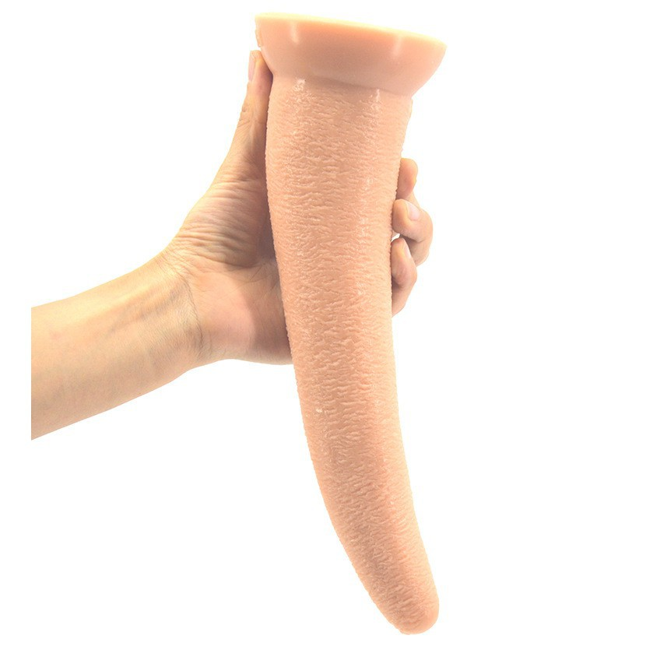 85f75d6308167f98474a215e5ea0607c |  | 1432 | PHP | 1 | Ivory-shaped Big Dildo Adult Sex Toy Women 26 cm | kywgd17.ph
19093019442QF8Q | 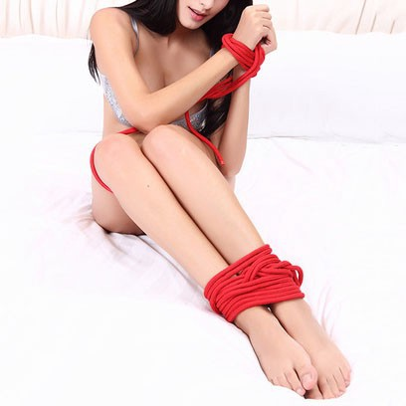 faba2eb9d9466041a29e4dc4f4b17bd9 |  | 468 | PHP | 1 | 10 Meters Long Thick Strong Cotton Rope Fetish Sex Restraint Bondage Ropes | kywgd17.ph
19100420492B0BA | 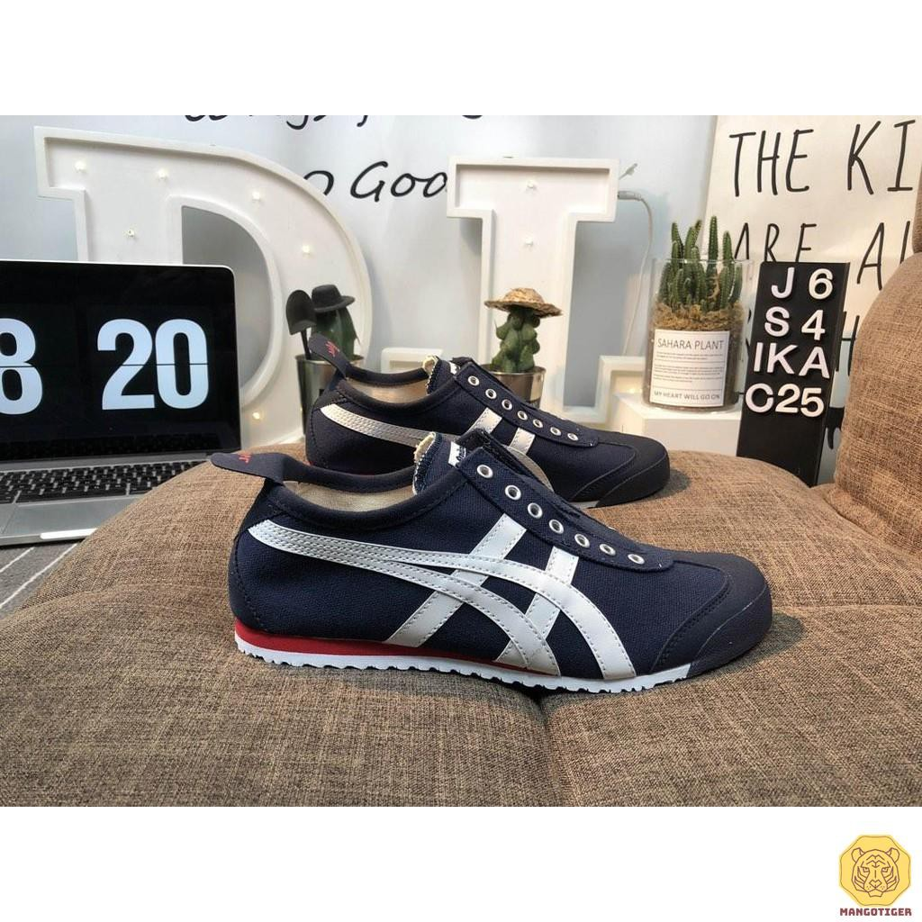 c58825f9693735e0d01d6a3d8c23c042 | 39 | 1900 | PHP | 1 | Onitsuka Tiger Classic Slip On Plimsolls Black White Red | xiazzs.ph
19100321392HF12 | 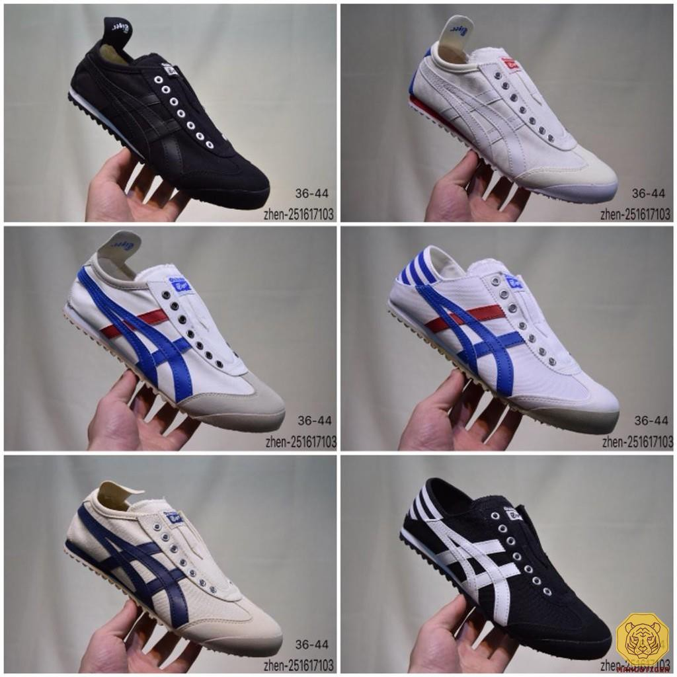 ad211211237a12e376ba90a5d63e032f | 42 | 1900 | PHP | 1 | Onitsuka Tiger Classic Slip On Plimsolls More Colors | xiazzs.ph
19092918462408F | 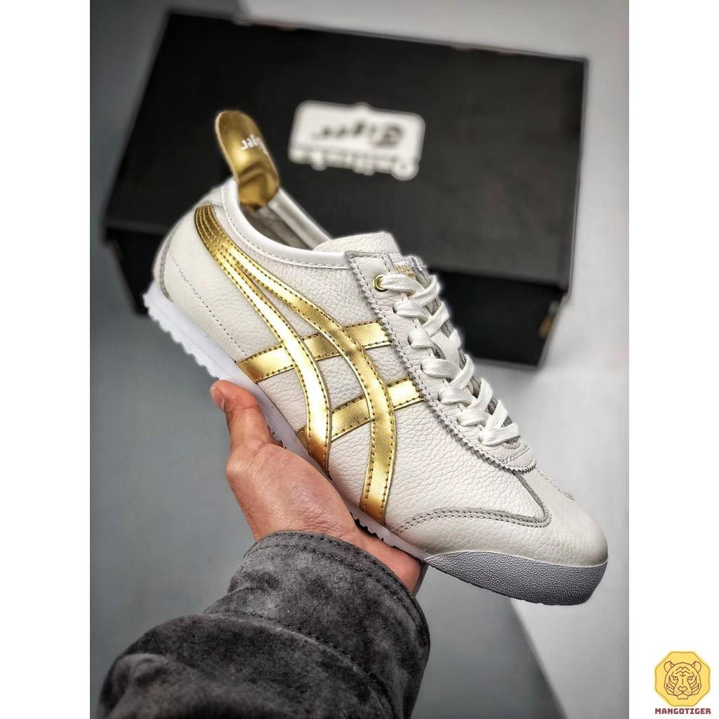 faf28991dcaeec7319156855b6d3752e | 40 | 2850 | PHP | 1 | Original Onitsuka Tiger Limited Edition Liquid Gold | xiazzs.ph
190930100768N2W | 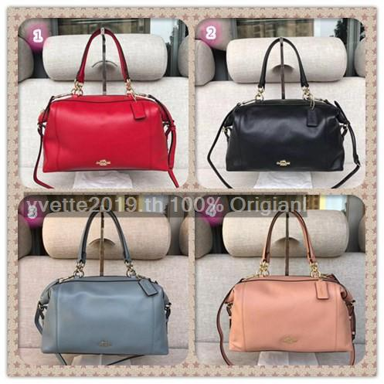 0ffb0c9852dbde2cf175d9c2d83f940c | black | 1783 | THB | 1 | Coach 59325 กระเป๋าสะพายไหล่สำหรับสตรี | yvette2019.th
191005103610NGH | 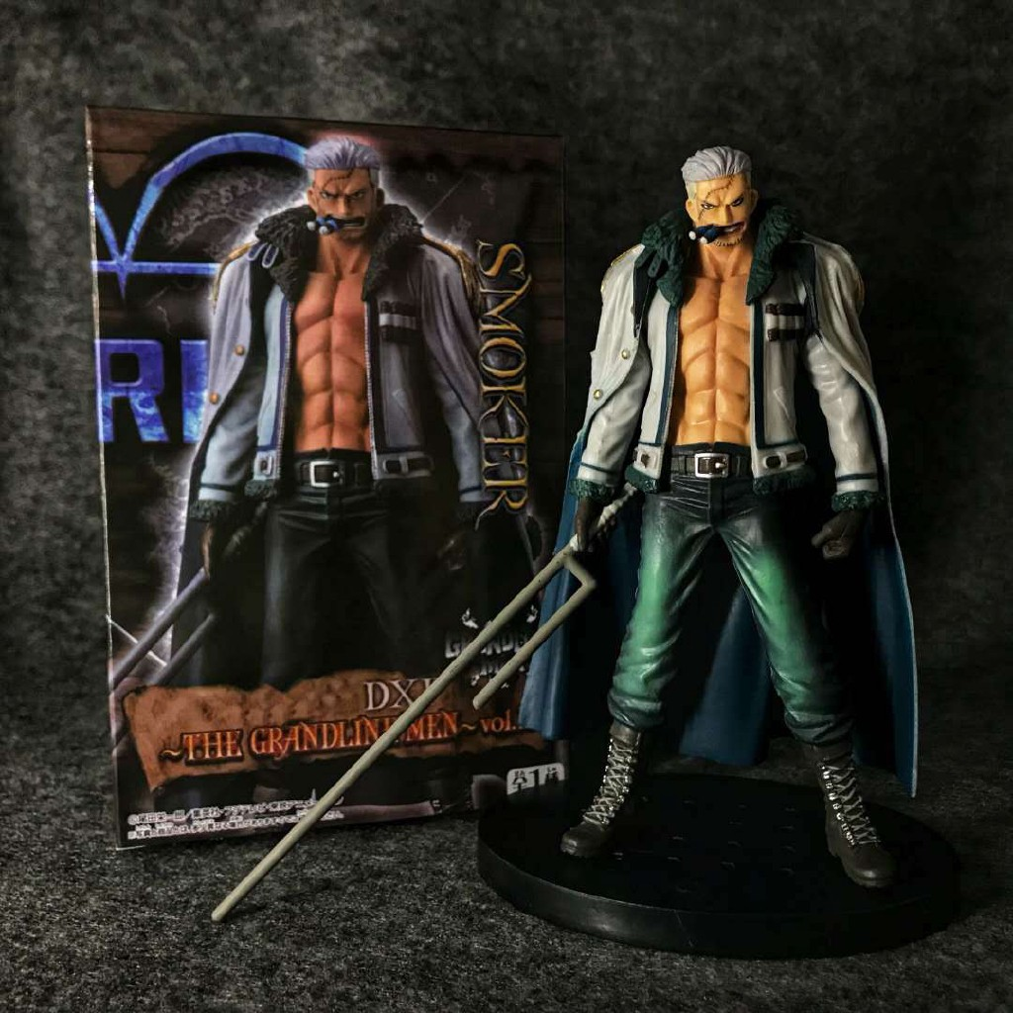 af0126161798c6244e1b308e221252a2 |  | 266 | THB | 1 | ฟิกเกอร์ One Piece DXF Smoker naval colonel PVC Action Figure Sold2019 | xuthus2019.th
19100410021WAA2 | 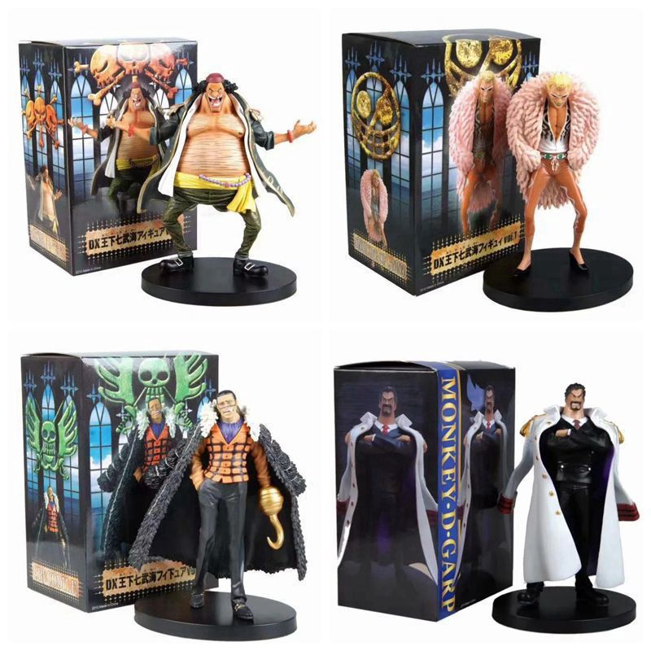 186ba852957397e17c01cbcee7539ae4 | Doflamingo | 252 | THB | 1 | One Piece DX Crocodile Doflamingo Black Beard Jinbe Young Garp PVC Action Figure Model | xuthus2019.th
19100421481HKH5 | 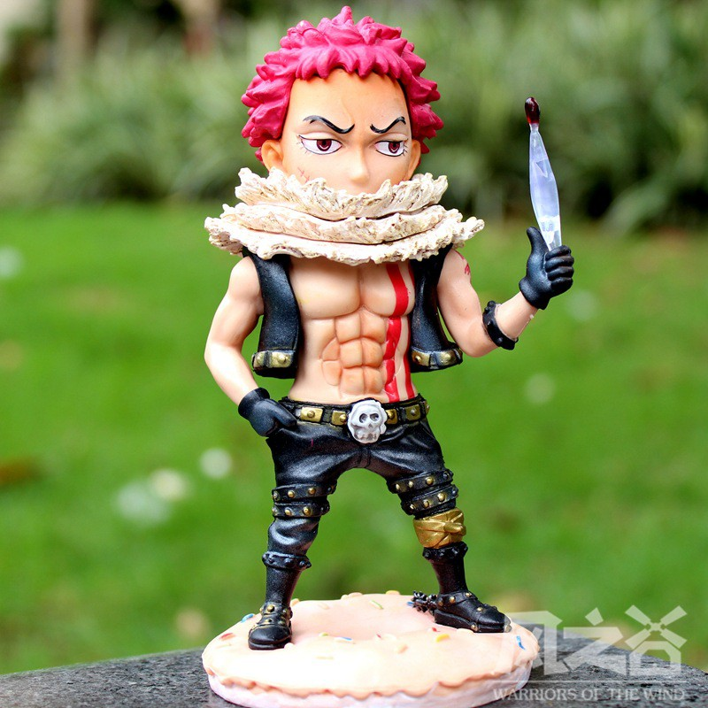 954b5b53e860b4f35cac501fcd1417b0 |  | 182 | THB | 1 | ตุ๊กตาฟิกเกอร์ One Piece Charlotte katakuri Q version | puguma.th
19100410101X46S | 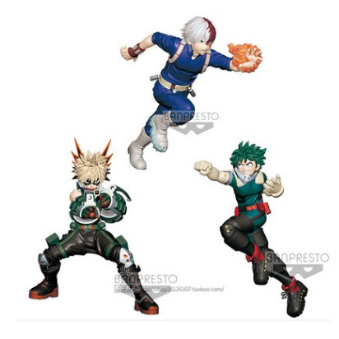 13e7917fefe0bda1b8de3575dbe58c5e | Midoriya Izuku | 362 | THB | 1 | ฟิกเกอร์ My Hero Academia bakugou katsuki / midoriya izuku / todoroki shoto Scale | puguma.th
19100312511GUCR | 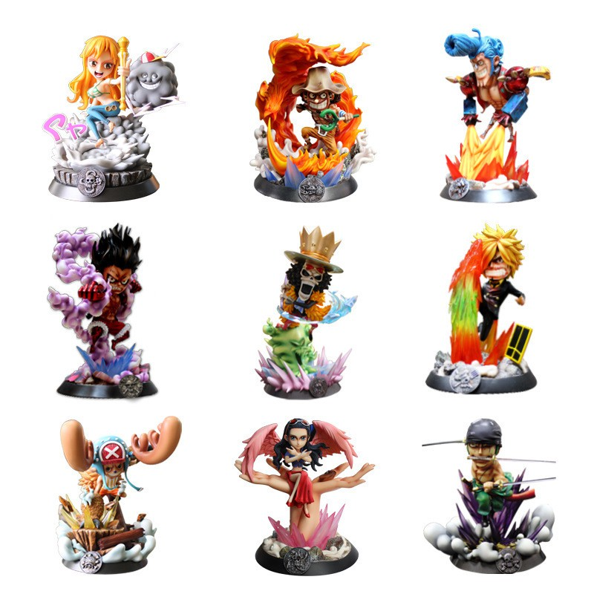 abc494fa3aa3d424842f3a044fbbd9bd | Franky | 899 | THB | 1 | ฟิกเกอร์ One Piece PT Series Luffy zopp Robin Scale | puguma.th
19100312511GUCR | abc494fa3aa3d424842f3a044fbbd9bd | Nami | 899 | THB | 1 | ฟิกเกอร์ One Piece PT Series Luffy zopp Robin Scale | puguma.th
19100312511GUCR | 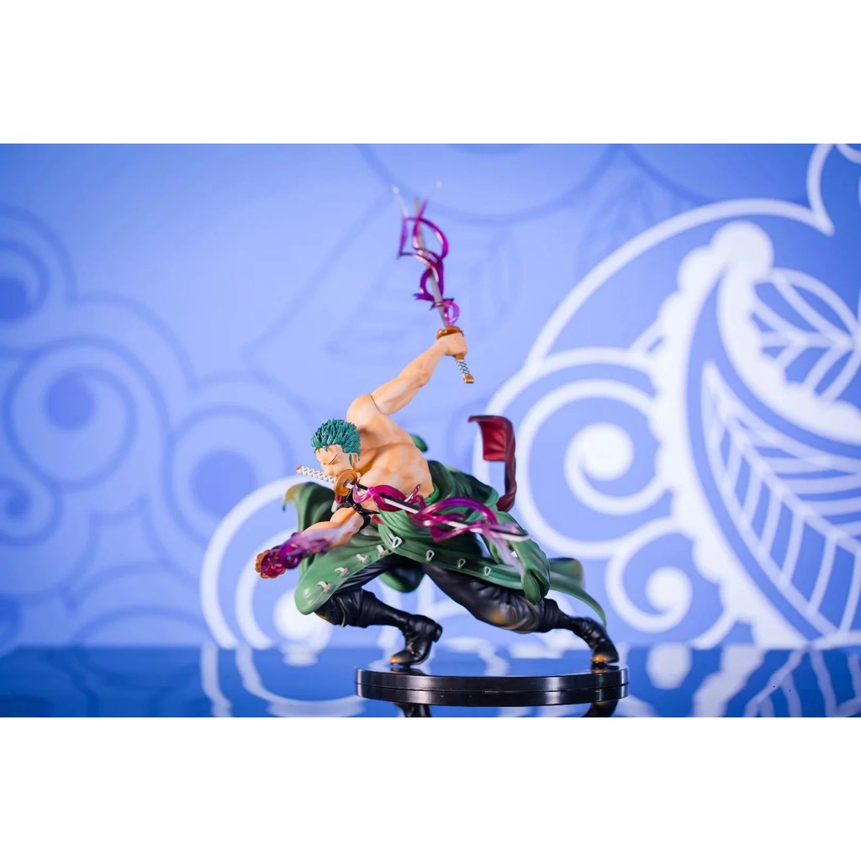 4988c53c8e35491e4f41c45aae426be8 | Zoro | 745 | THB | 1 | ฟิกเกอร์ One Piece POP Zoro Fight Special Scent Special Scene Ver | puguma.th
19100312311ENHF | 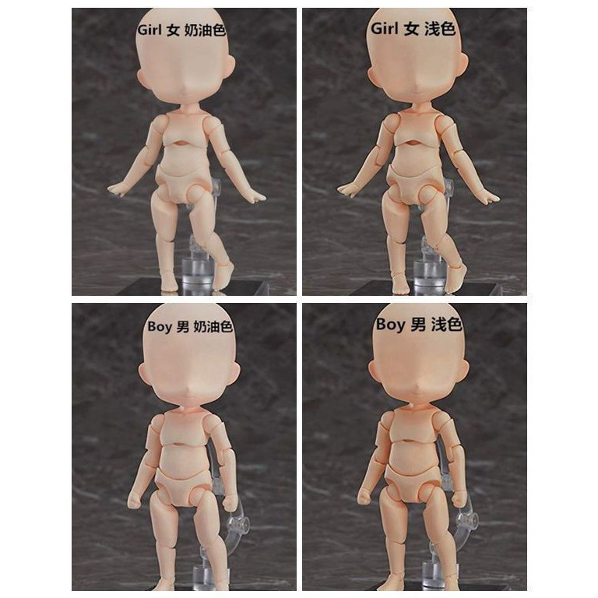 f9532c9e4c78260b634f7924884c11ec | Male Light | 259 | THB | 1 | ตุ๊กตาฟิกเกอร์ GSC Nendoroid Male / Female Doll Archetype Q version | puguma.th
19100201501TP58 | 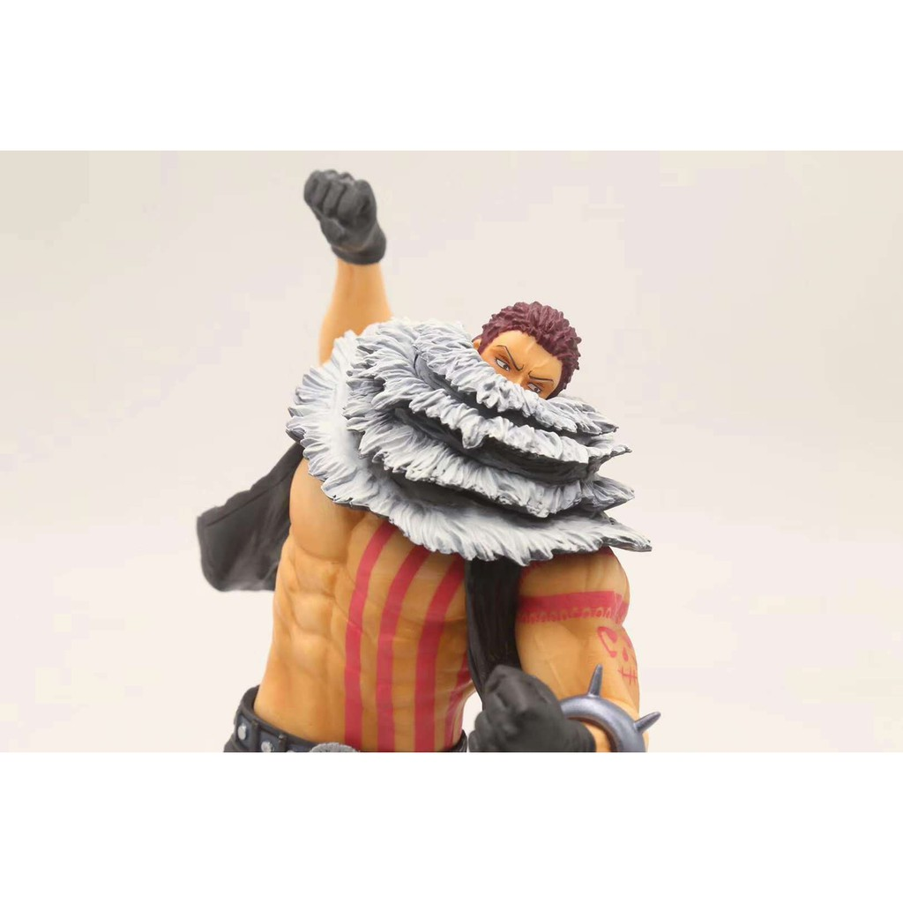 8c205e80b07e2c0990e7c9b93c8784e1 | Katakuri,24cm | 376 | THB | 1 | ตุ๊กตาฟิกเกอร์ One Piece Charlotte katakuri 20th | puguma.th
191001181415BX2 | 8c205e80b07e2c0990e7c9b93c8784e1 | Katakuri,24cm | 376 | THB | 1 | ตุ๊กตาฟิกเกอร์ One Piece Charlotte katakuri 20th | puguma.th
191003111906P9D | 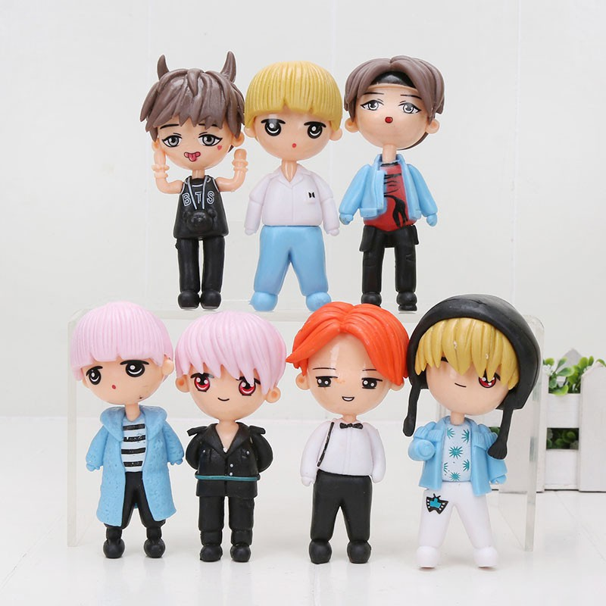 4ffefb0f826811367ce41e7b3aee7ca6 | bag send randomly | 188 | THB | 1 | ฟิกเกอร์ BTS Bangtan Boys Cartoon Character V Jung Kook SUGA RM J-Hope Jin | laibing7.th
19100117165W9BN | 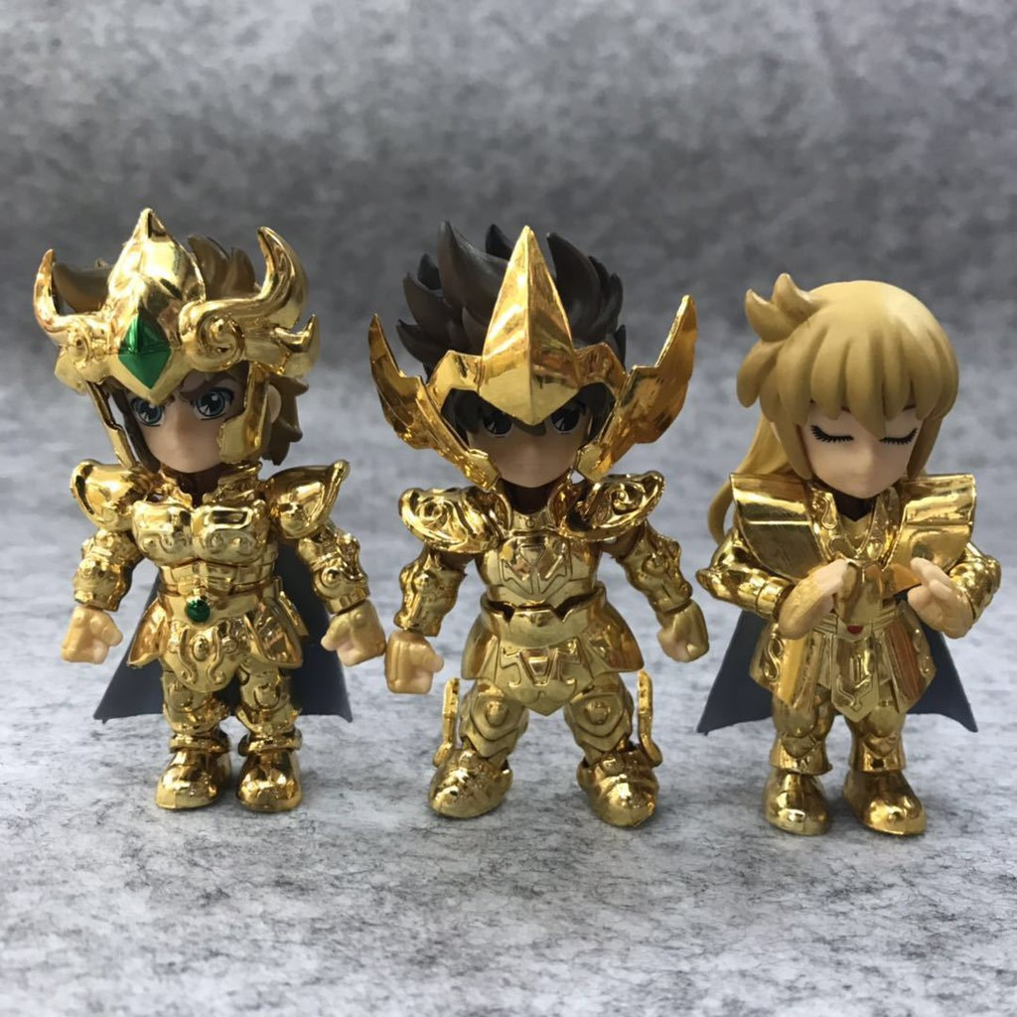 09e9d63153ff4def8802e98b4368c1a7 | Q version | 675 | THB | 1 | Saint Seiya Q Version Gold Saint Leo Sagittarius Virgo | mark9260.th
191004112718C3E | 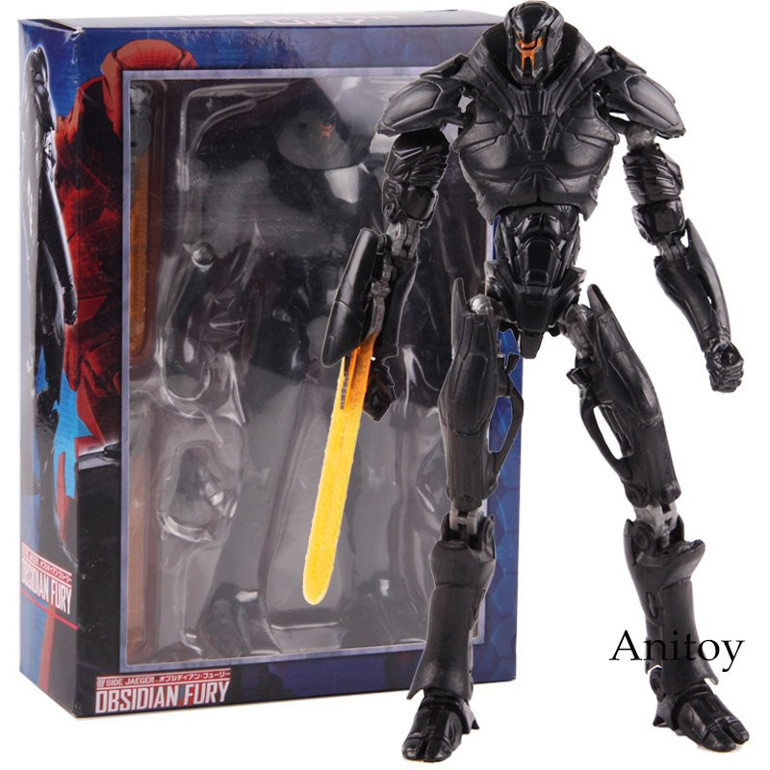 2e03c3d61c5efa33c9324aa51451f70b |  | 580 | THB | 1 | ของเล่นหุ่นยนต์ jaegers Obsidian Fury uprising | milo9248.th
19100221161AQ42 | 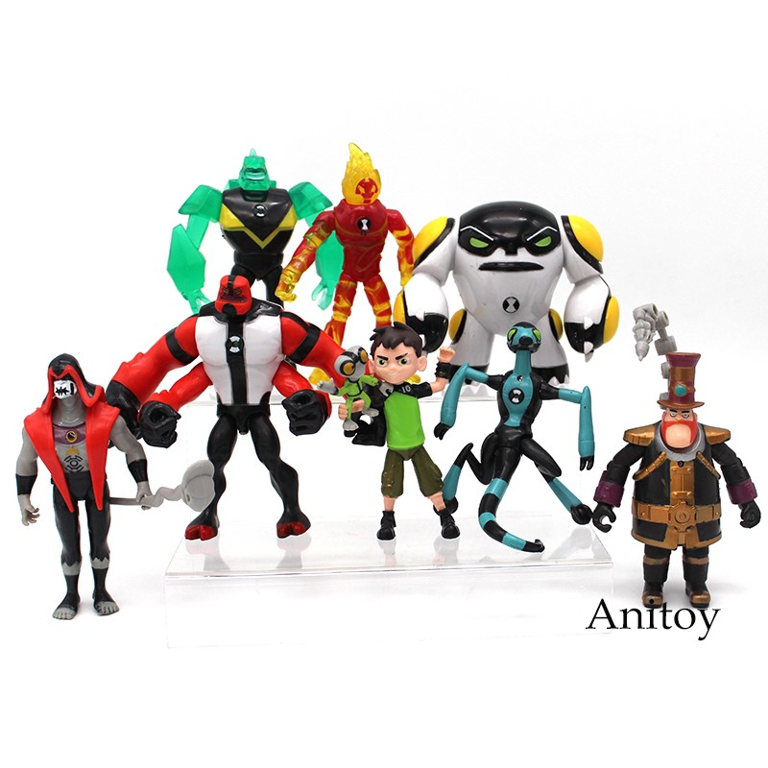 1a42a5c1cab326f000a71d81b29d4a59 |  | 369 | THB | 1 | ฟิกเกอร์ Ben 10 Ben tennyson Four Arms diamondhead heatblast Action Figures Toys 9 ชิ้น / ชุด | milo9248.th
19100118311787A | 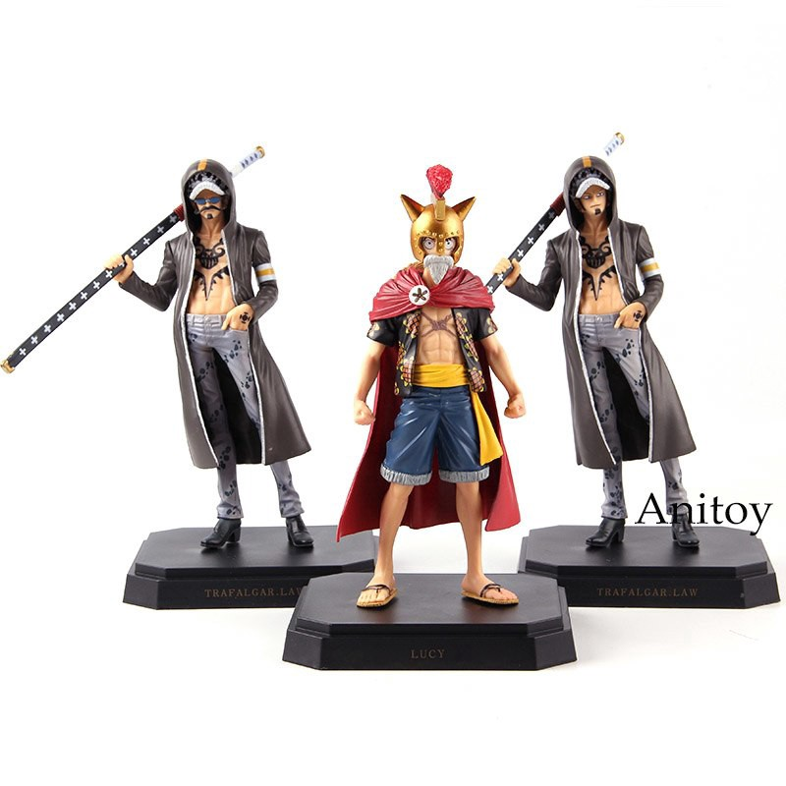 efc684ac3c174771aa1ac5f1631f252f | Luffy | 531 | THB | 1 | ฟิกเกอร์ของเล่น One Piece dlucy Luffy Trafalgar Law Action Figure | milo9248.th
19100118311787A | 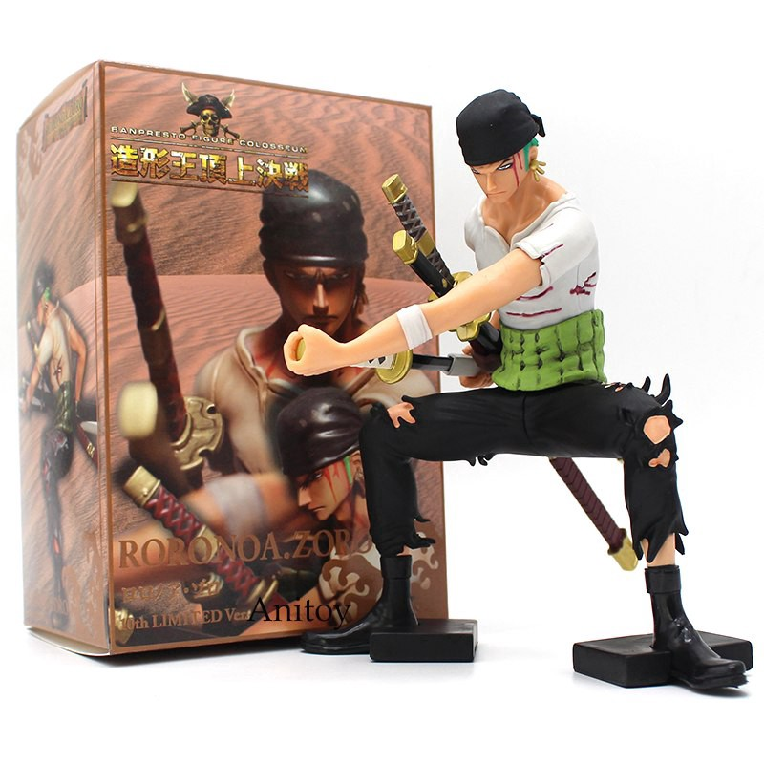 b9de0d13ad363dcfa065fdf90b3ca676 |  | 369 | THB | 1 | ฟิกเกอร์ One Piece Banpresto Figure Colosseum Roronoa Zoro 10th Limited | milo9248.th
19100118311787A | 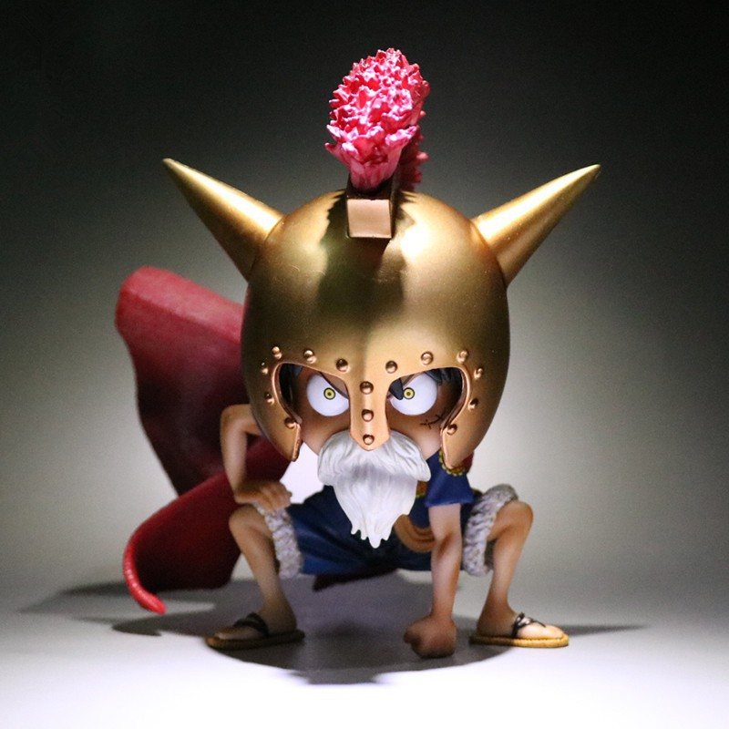 87f4f1a72fddb5aaa2737ed985e065f0 |  | 559 | THB | 1 | One Piece Monkey D Luffy AS Gladiator Lucy | milo9248.th

