Worksheet
订单号 | 图片 | 规格 | 价钱 | 货币 | 数量 | 名称 | 店铺 | 图片url
200624JY5KAA0T | 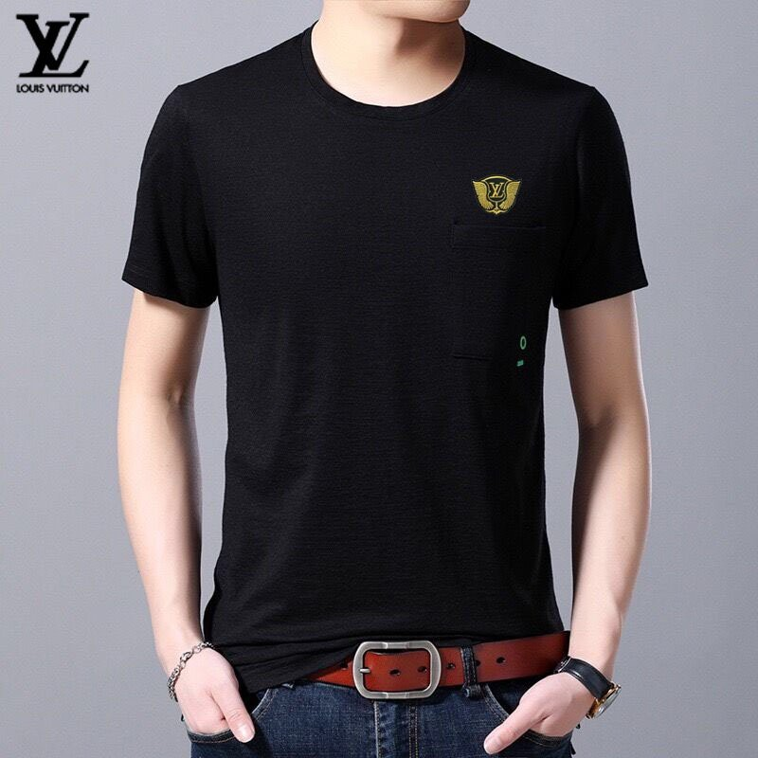 dccf109facb8b3d630ed95b154b85275 | 3XL | 114 | MYR | 1 | Original 2020 Latest LV Louis Vuitton Men's Black Short Sleeves T-Shirts Size: M-3XL 379492 | chaoqin.my | https://shopee.co.my/product/128871774/4434816746/
200626RHCFV58F | 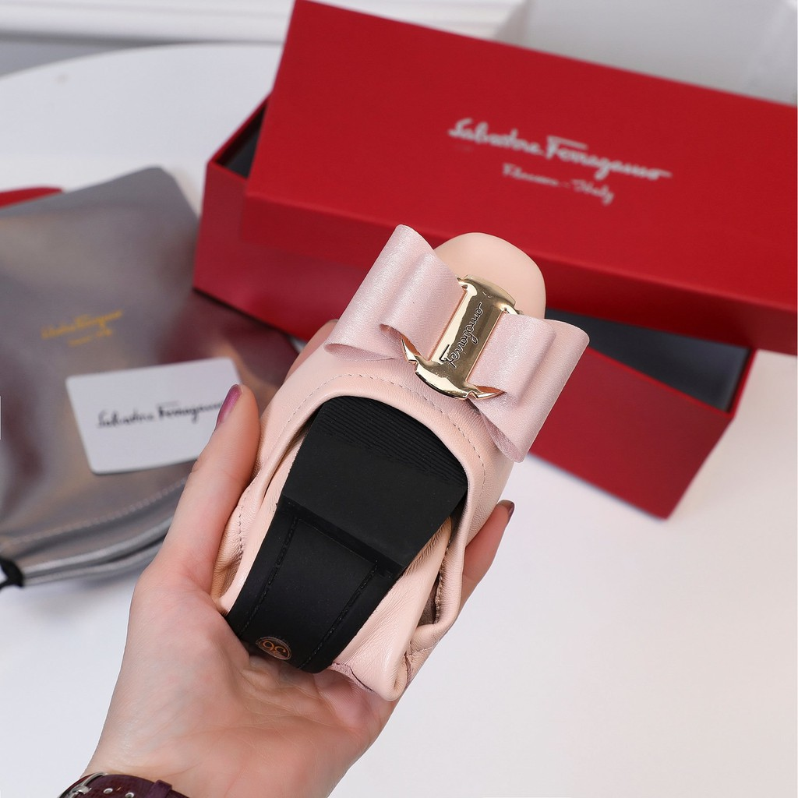 61cad97ecf7ceeb8eece1021911b1751 | 39 | 165.6 | MYR | 1 | Original 2020 Salvatore Ferragamo Leather Women's Pink Rounded-Flats Size：35-40 325505 | sasgg.my | https://shopee.co.my/product/135663927/3837167591/
200621D2Q7M5D2 | 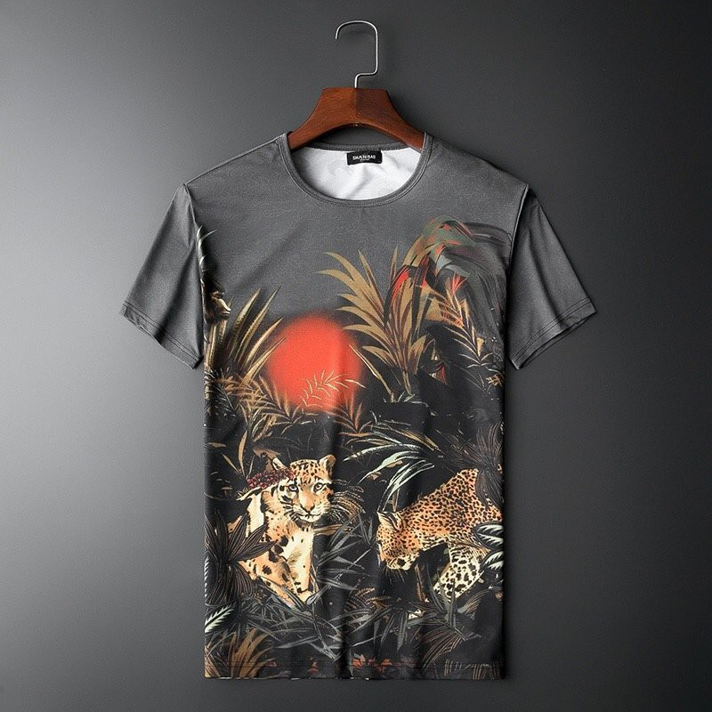 e7e2f47cd4be776ed3fe9902b4abda35 | 4XL | 1620 | PHP | 1 | Original 2020 Latest AJ Armani Men's T-Shirts Size: M-5XL 132360 | umusthave.ph | https://shopee.co.ph/product/126244242/6818899006/
200624KK0U0VF9 | 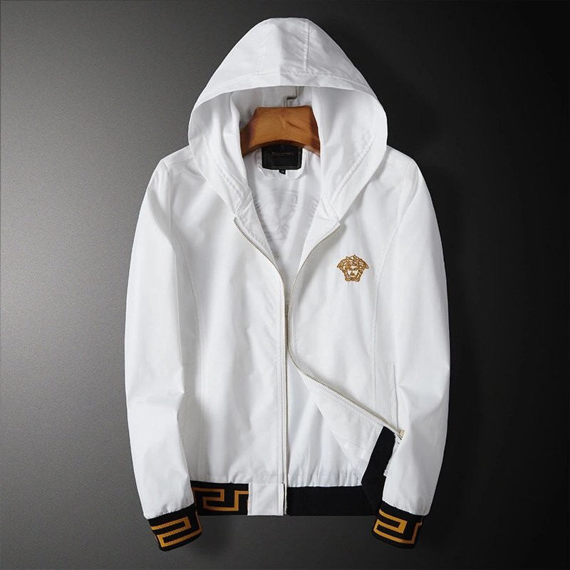 84b093b7e5aa42bbf7665732b7e07a7a | XL | 2280 | THB | 1 | original 2020 versace เสื้อแจ็คเก็ตมีฮู้ดสีขาวสําหรับผู้ชายขนาด m - 6 xl 2810 | umusthave.th | https://shopee.co.th/product/126248406/5633595325/
200622EUVCVCNH | 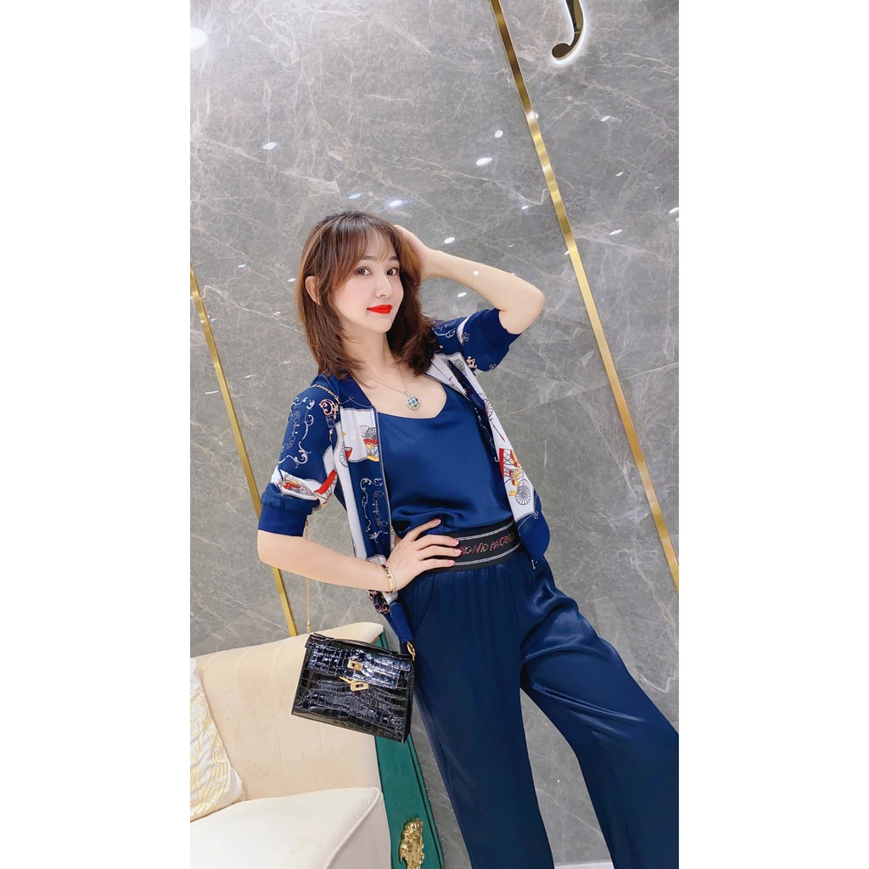 d5c7053c8ff57bb19bb9f877093843e7 | S | 2220 | THB | 1 | Original 2020 Latest Hermes Women's Blue Jackets Size: S-L 164416 | langton2019.th | https://shopee.co.th/product/131211519/3938177057/
200626RHURAF6B | 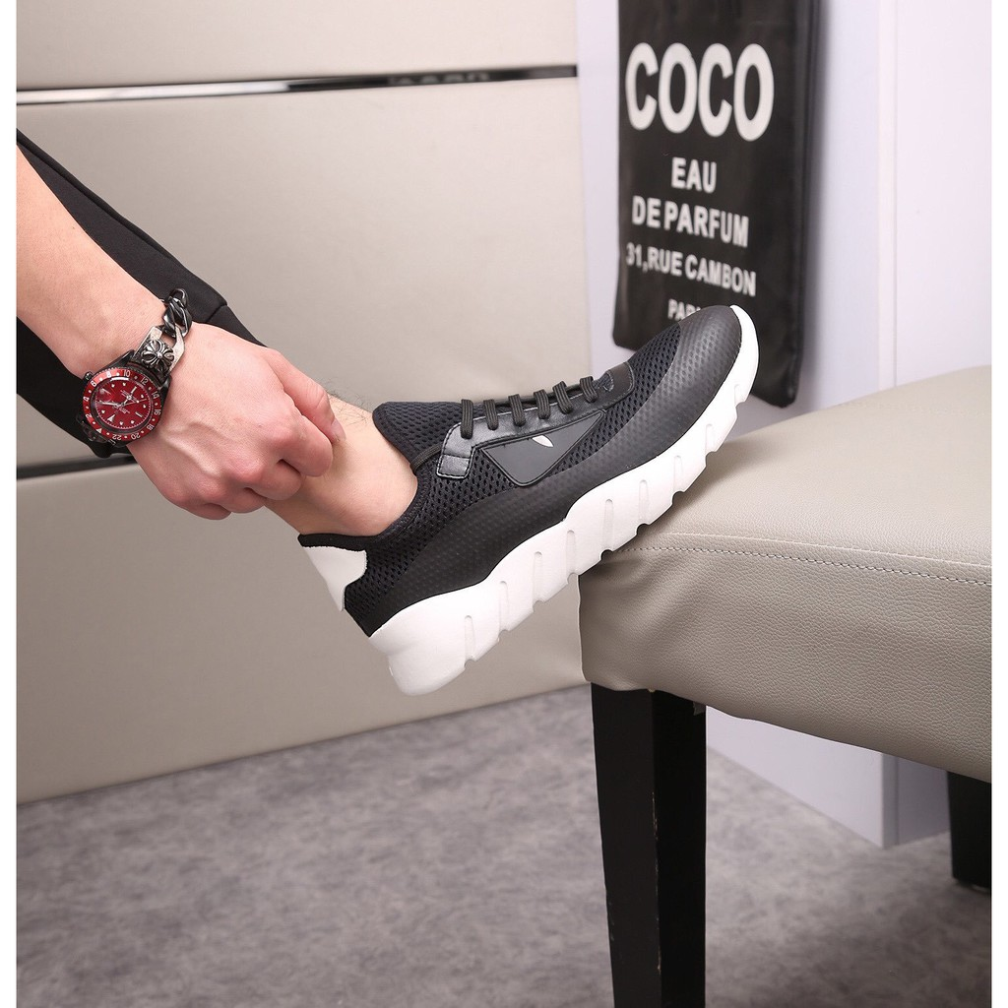 36be4fb1d7573eee816aff31663d3f14 | 44 | 2760 | THB | 1 | original 20 fendi รองเท้าผ้าใบลําลองสําหรับผู้ชายไซส์ 38-44 220570 | lontime2019.th | https://shopee.co.th/product/131212243/3718855336/
200624MRARJSDE | 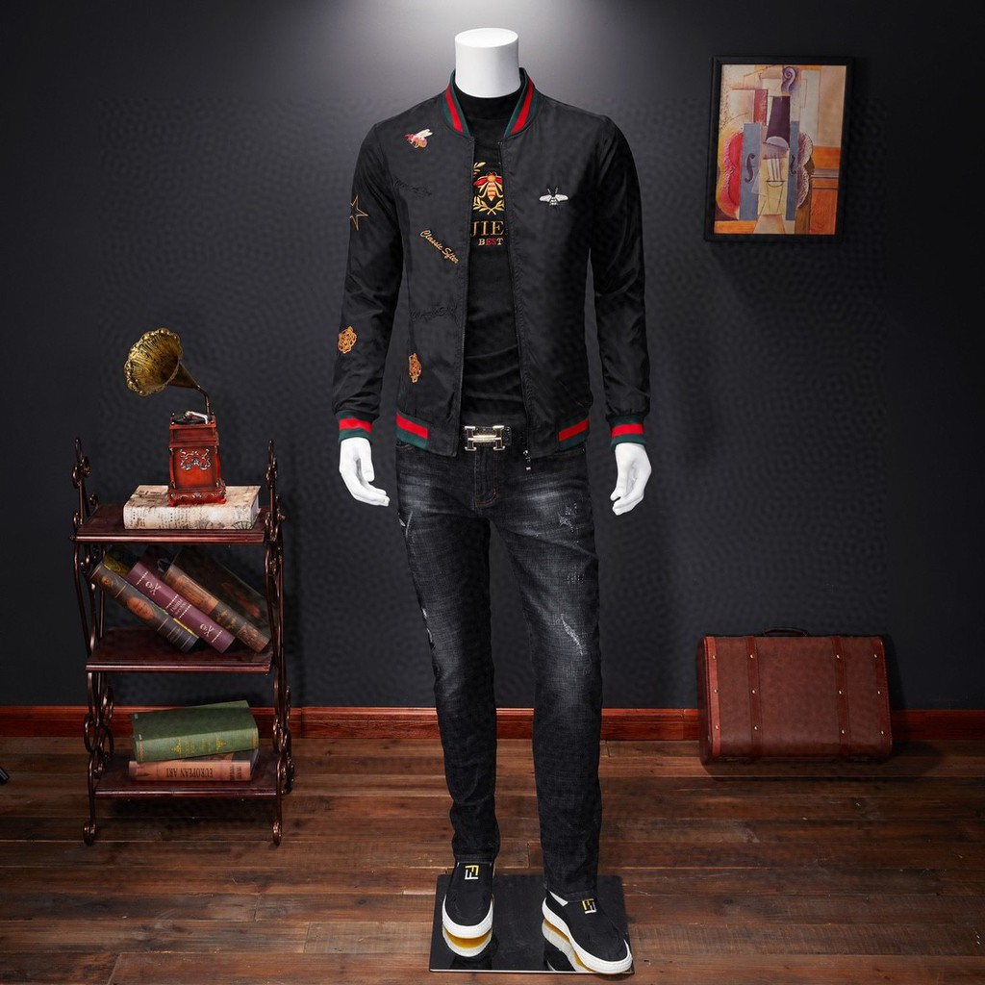 0bb0839b30def46bd77ecae3c195a135 | 39 | 1800 | THB | 1 | original 20 gucci เสื้อแจ็คเก็ตสีดําสําหรับผู้ชาย size:m - 4 xl 306914 | lontime2019.th | https://shopee.co.th/product/131212243/5931250300/
200623J7FM1B97 | 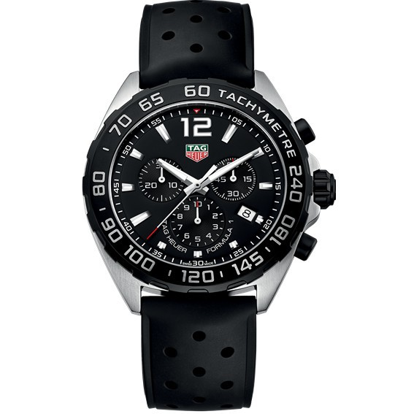 2a4b4dfa255a4d7cfae5c7ab68e85f9c |  | 10200 | THB | 1 | original new tag heuer นาฬิกาข้อมือควอทซ์โครโนกราฟ 43 มม. แบบ dial CAZ1010.FT8024 | songwanzt8.th | https://shopee.co.th/product/135610686/2495816493/
200625PYGA6V5H | 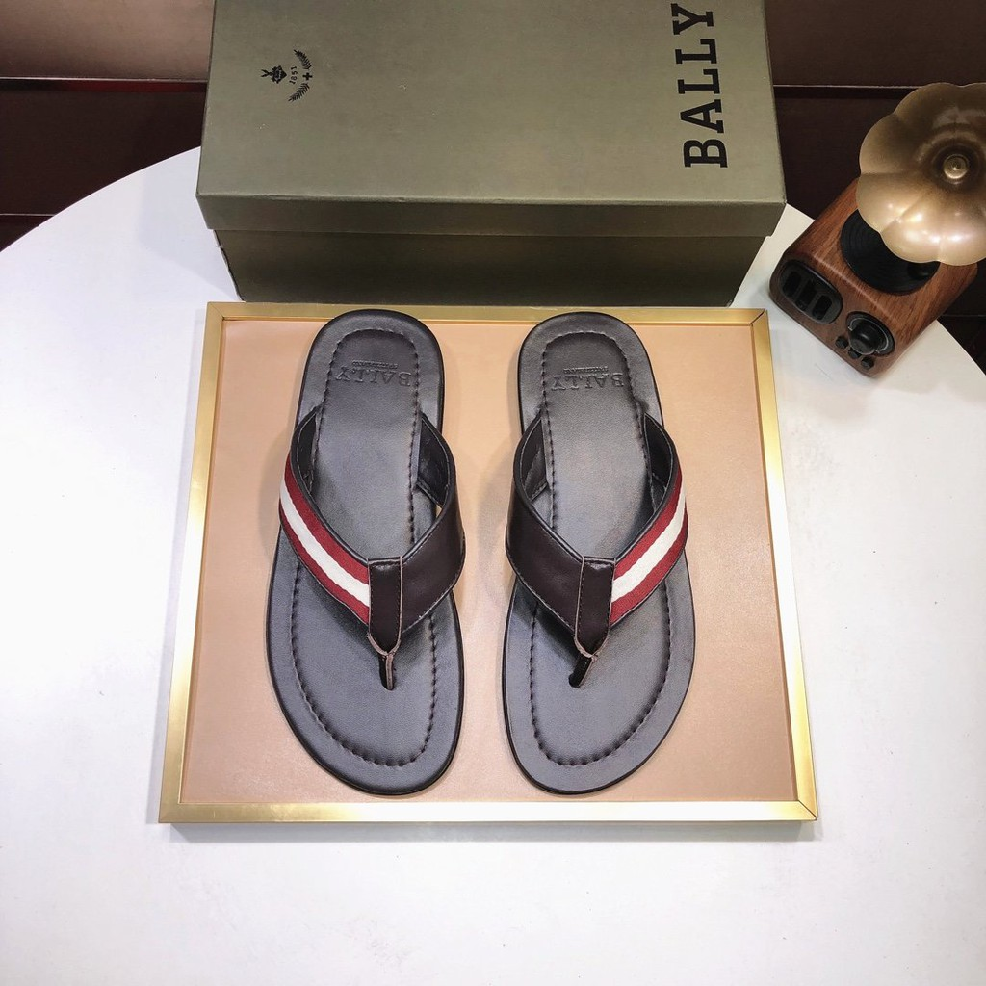 d11ec080b3557d6b10663e46966bf44f | 44 | 80 | SGD | 1 | Original 2020 BALLY Men's Leather Flip-flop Shoes Size: 39-44 297400 | umusthave.sg | https://shopee.co.sg/product/150115970/5933566783/
200623GDV4ECF2 | 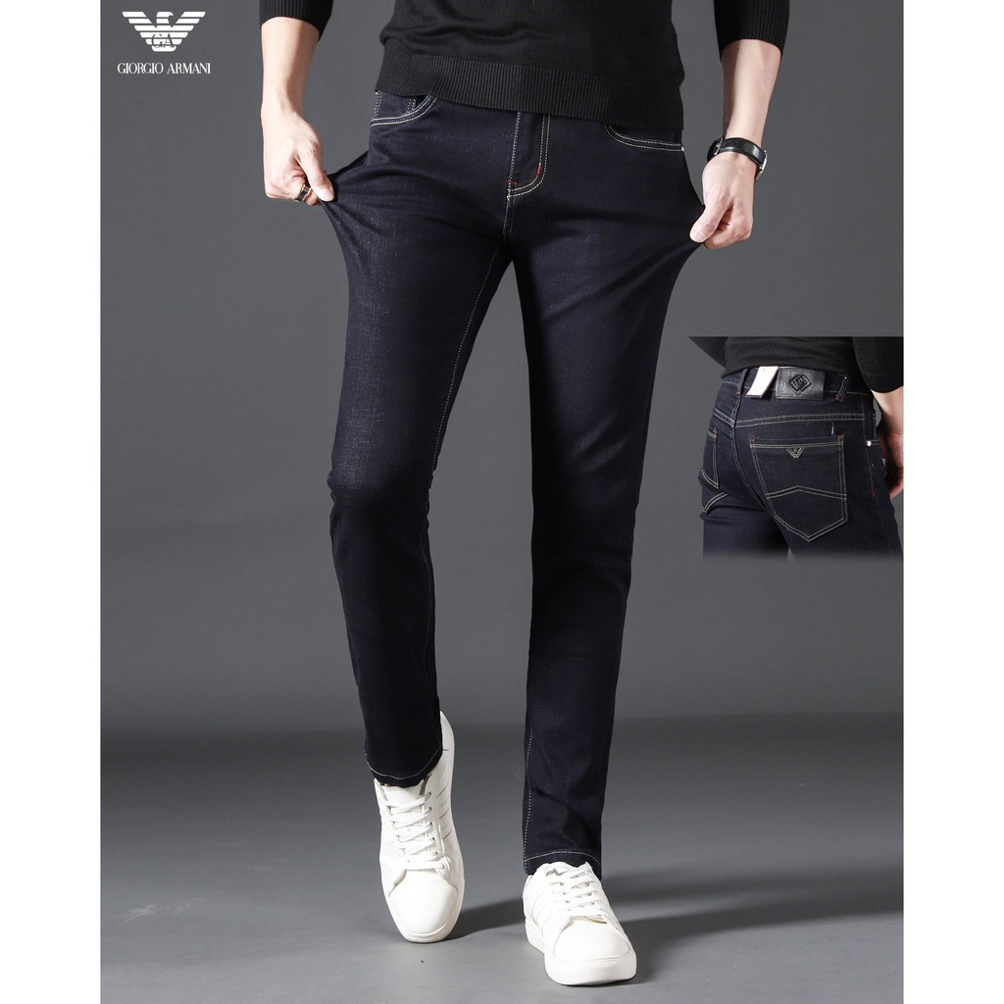 618e6a7a62db65951a7394961ae5c5e4 | L | 65.2 | SGD | 1 | Original 2020 Latest AJ Armani Men's Black Denim Jeans Size: M-3XL 207847 | umusthave.sg | https://shopee.co.sg/product/150115970/3834920829/
200621D2X0V0ES | 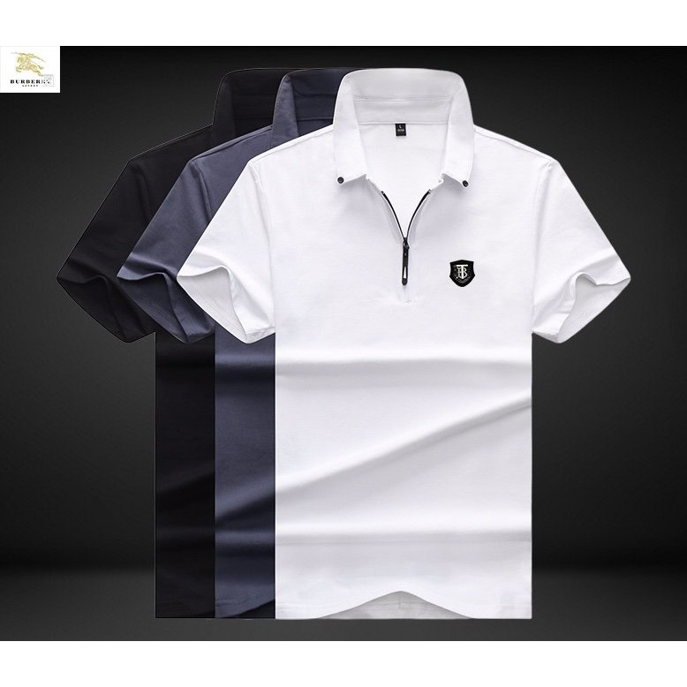 89621f938942c202ec39aa621d5e8d71 | L | 40 | SGD | 1 | Original 2020 Latest Burberry Men's Short Sleeves T-Shirts Size: S-3XL 156458 | umusthave.sg | https://shopee.co.sg/product/150115970/6634824151/
200626R9AK0QSR | 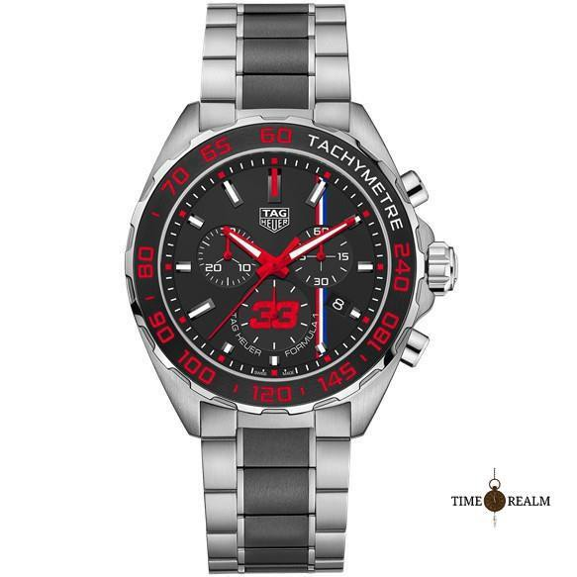 11d527125c2d246186c2c9b2a1366ae0 |  | 445 | SGD | 1 | Original New TAG Heuer Formula 1 Max Verstappen Special Edition Men's Watch CAZ101U.BA0843 | timerealm.sg.sg | https://shopee.co.sg/product/150119919/4636232034/
200625N3E5XXA0 | 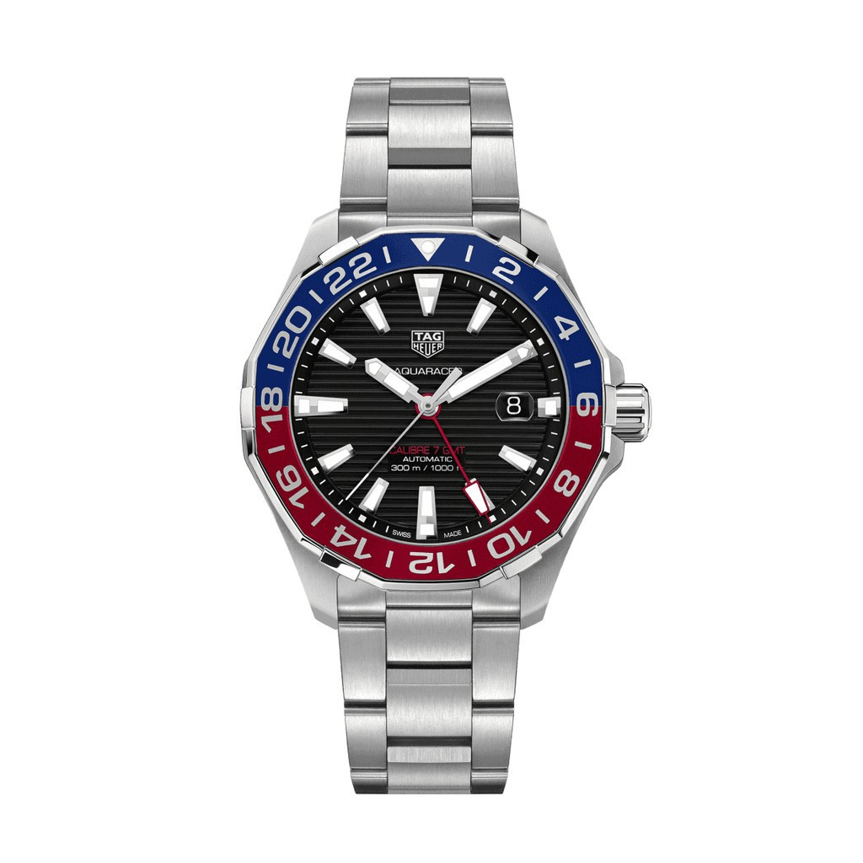 8705bd94ae83cc591e7413cc6740f970 |  | 1200 | SGD | 1 | Original new TAG Heuer Men's Aquaracer Calibre 7 Automatic Blue Red Bezel 43mm WAY201F.BA0927 | timerealm.sg.sg | https://shopee.co.sg/product/150119919/3517253410/
200624MM97CC00 | 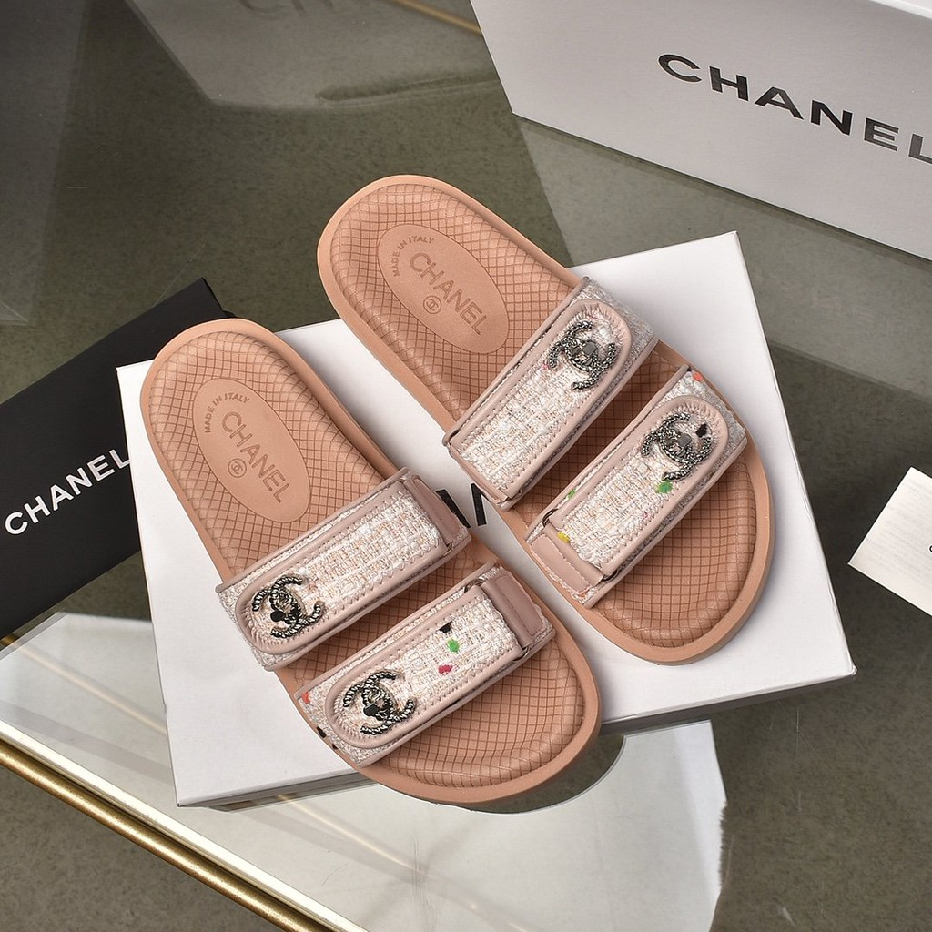 f5b8d9749e2819e3376112a7848c7f17 | 37 | 115.2 | SGD | 1 | Original 2020 Chanel Leather Women's Pink Flip Flop Size：35-40 333517 | ssanj.sg | https://shopee.co.sg/product/155329875/5035656301/
200626RYUFVKS6 |  ca8a04127b665c77abb2836264a00966 | L | 90 | SGD | 1 | Original 2020 Latest LV Louis Vuitton Women's Denim Jeans Size: S-L 308514 | diejun.sg | https://shopee.co.sg/product/151550724/7938106550/
200624MM1HD197 | 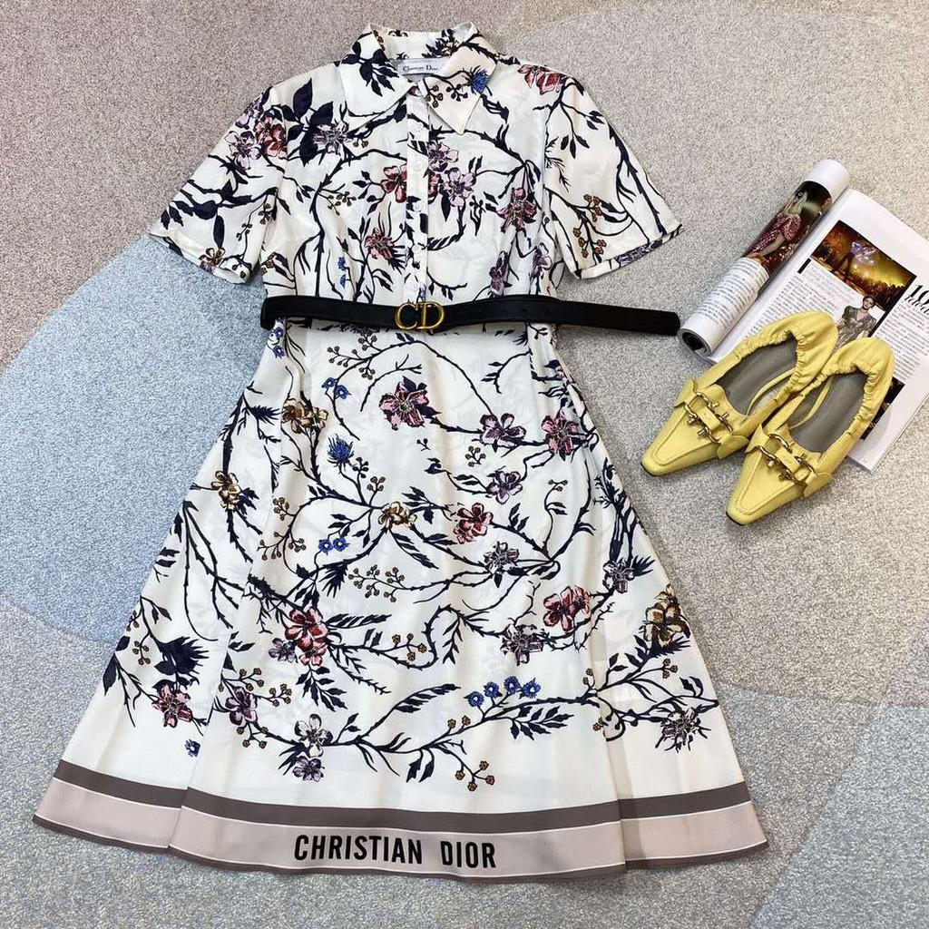 4772e64fc978d48e9f94f484738ca39d | M | 142.4 | SGD | 1 | Original 2020 Latest Women's White Mid-length Dresses Size: S-L 143732 | diejun.sg | https://shopee.co.sg/product/151550724/7338521412/
200625PJJTE5QP | 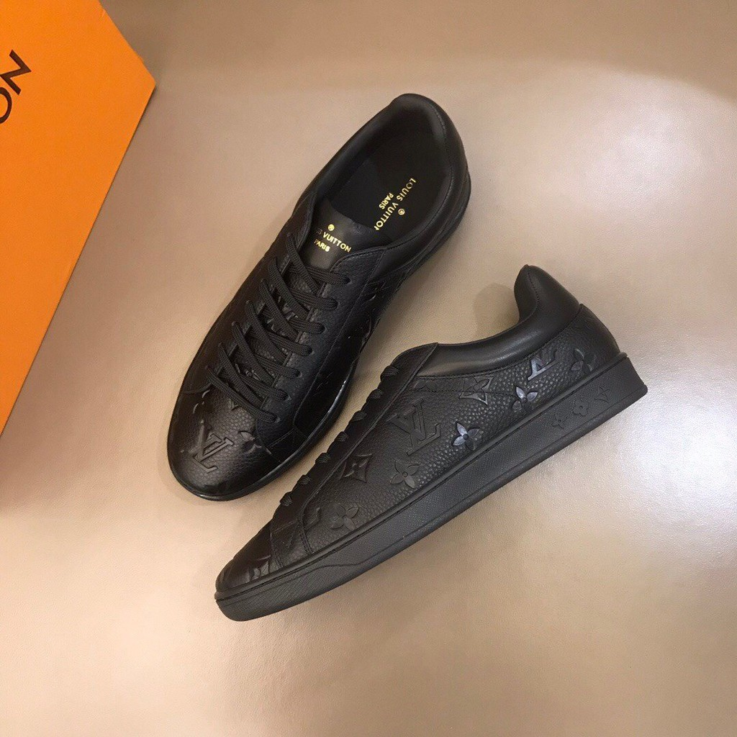 ecadfd8c48bebd5b7e4fbe3648a73a85 |  | 1518264 | IDR | 1 | Original 2020 LV Louis Vuitton Men's Black Pattern Cowhide Leather Shoes Size: 38-45 273561 | nche9242.id | https://shopee.co.id/product/133535535/6417192258/
2006196QDM5XMX | 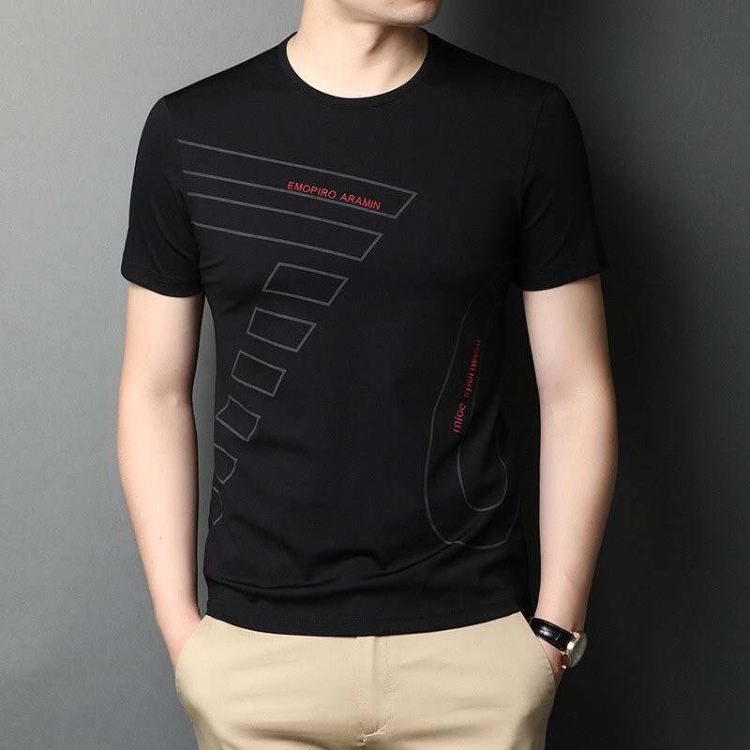 1870dba2102750d8b99d1bc7b4d8e43f | M | 979200 | IDR | 1 | 2020 Aj Armani Kaos T-Shirt Lengan Pendek Casual Ukuran M-3Xl 220745 | nche9242.id | https://shopee.co.id/product/133535535/7630988247/
2006184UT64QDR | 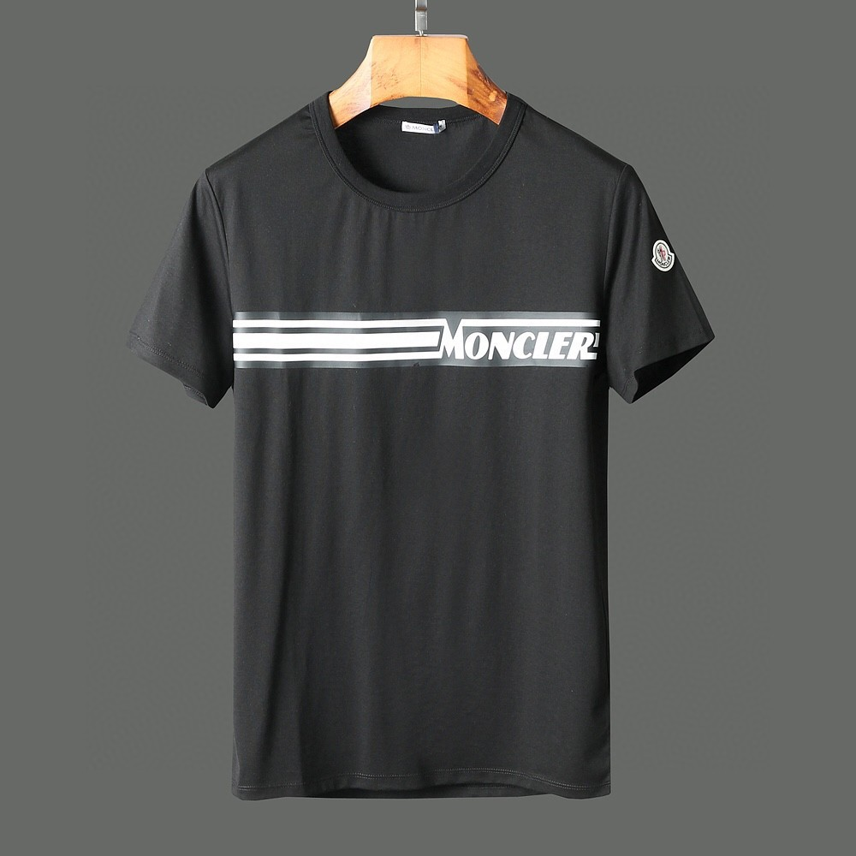 d3f6acd05fa339ef3649d57bfae04872 | XL | 415000 | VND | 1 | Original 2020 Latest Moncler Men's Short Sleeves T-Shirts Size: M-3XL 279139 | tyutgb.vn | https://shopee.co.vn/product/157684537/7538314987/

