NZAu
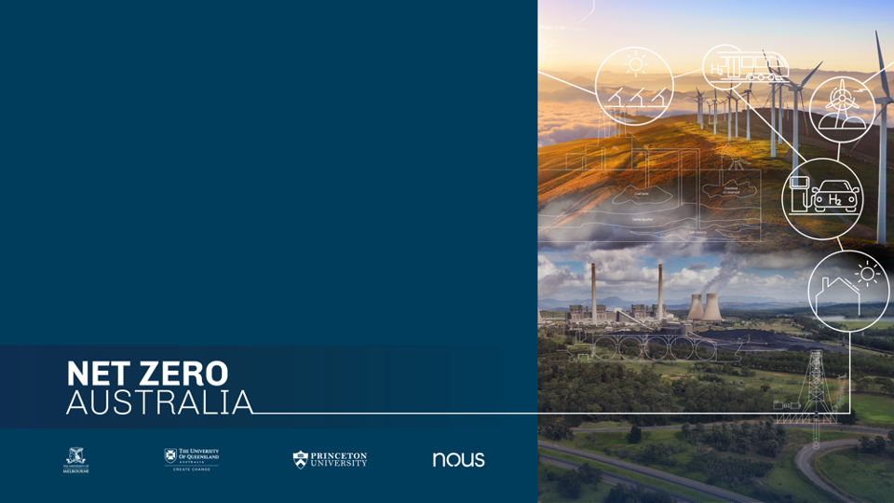
Final modelling results
April 2023

The Net Zero Australia project (NZAu) is analysing net zero pathways that reflect the boundaries of the Australian debate, for both our domestic and export emissions.
Net Zero Australia is a partnership between the University of Melbourne, the University of Queensland, Princeton University, and management consultancy Nous Group.
Cite as: Davis, D, Pascale, A, Vecchi, A, Bharadwaj, B, Jones, R, Strawhorn, T, Tabatabaei, M, Lopez Peralta, M, Zhang, Y, Beiraghi, J, Kiri, U, Vosshage, Finch, B, Batterham, R, Bolt, R, Brear, M, Cullen, B, Domansky, K, Eckard, R, Greig, C, Keenan, R, Smart, S, 2023, Net Zero Australia, ISBN 978 0 7340 5704 4, <https://www.netzeroaustralia.net.au/>.

Version: 2
Data updatet date: 16 November 2023

The inherent and significant uncertainty in key modelling inputs means there is also significant uncertainty in the associated assumptions, modelling, and results. Any decisions or actions that you take should therefore be informed by your own independent advice and experts. All liability is excluded for any consequences of use or reliance on this publication (in part or in whole) and any information or material contained in it.

