Responsive Testing
RESPONSIVE TESTING ON WHATSAPP WEB

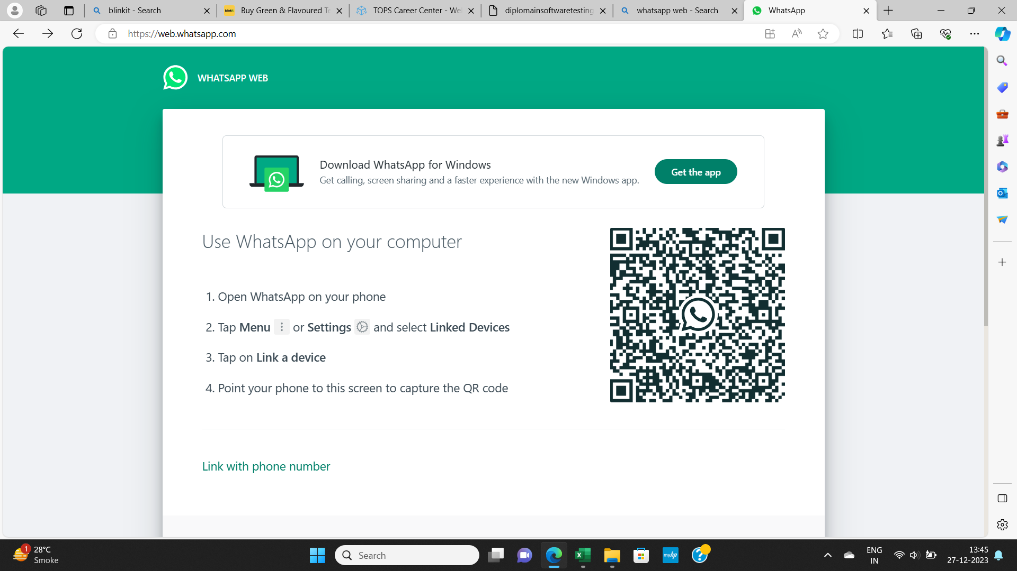
1 | Desktop Layout | Status
 |  | PASS
 |  | Full screen of whatsaap web page should be shown

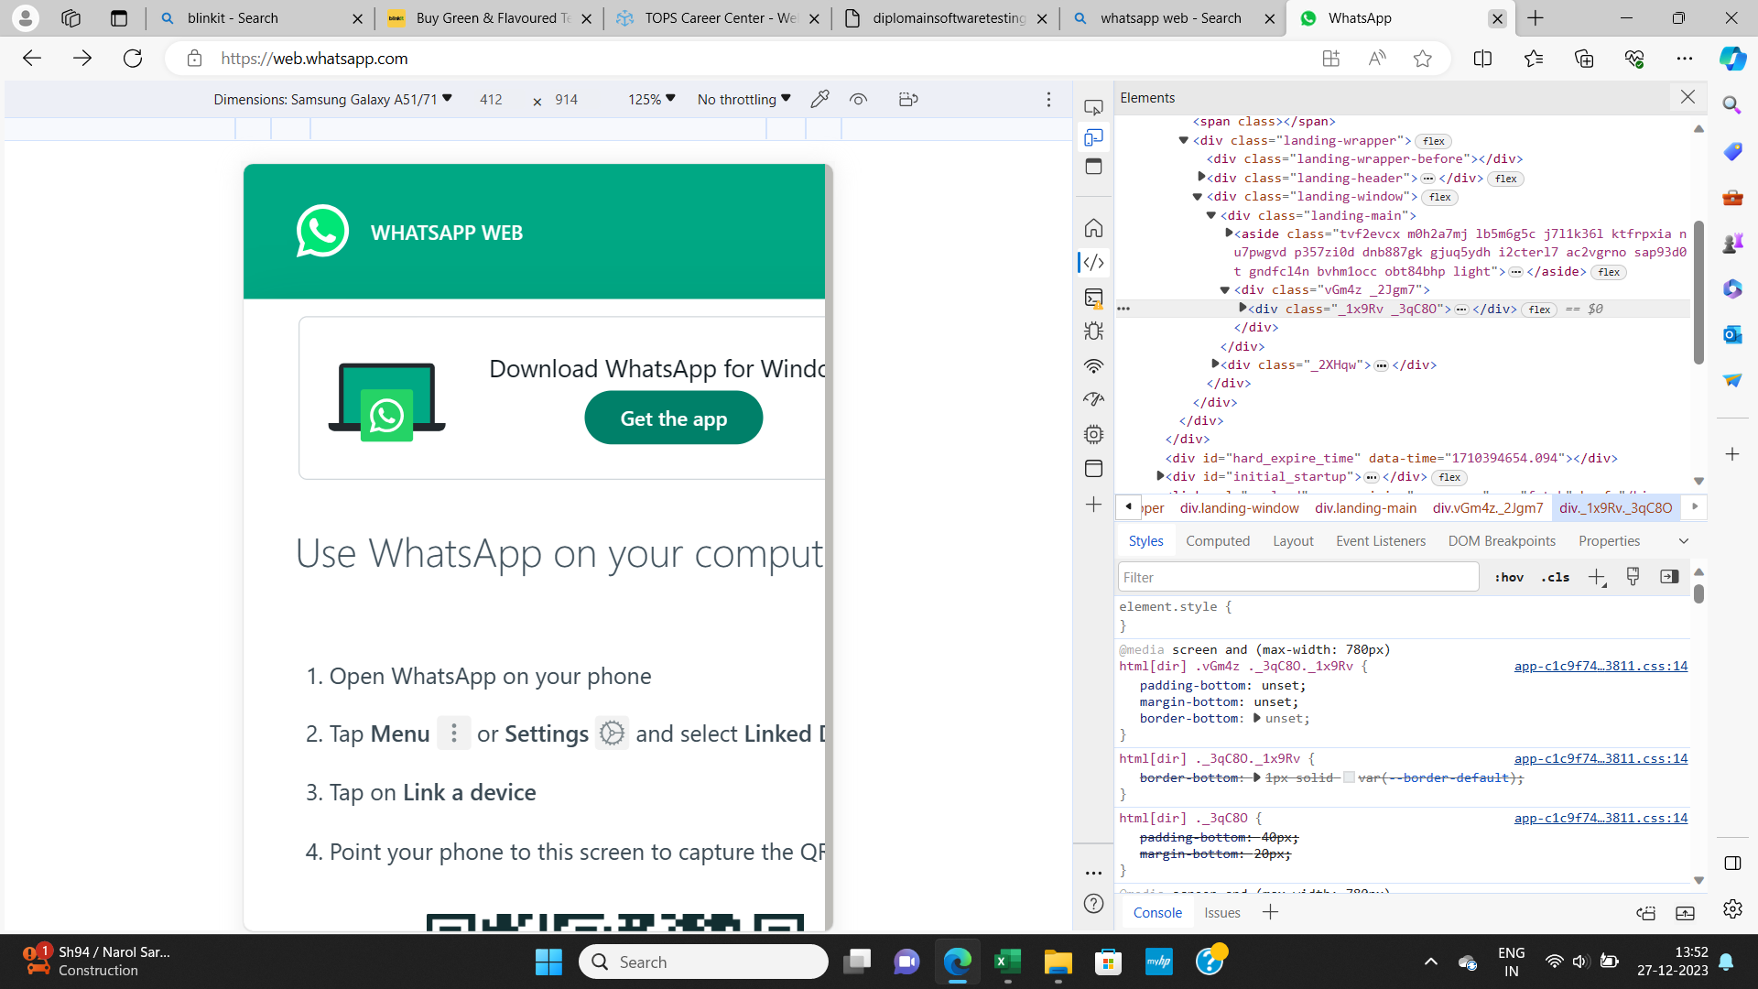
2 | Android Layout | Status
 |  | FAIL
 |  | Problem arises on Android Layout i.e Not full screen of whatsaap Web Home page shown


3 | IPHONE Layout | Status
 |  | FAIL
 |  | Problem arises on IPHONE Layout i.e Not full screen of whatsaap Web Home page shown

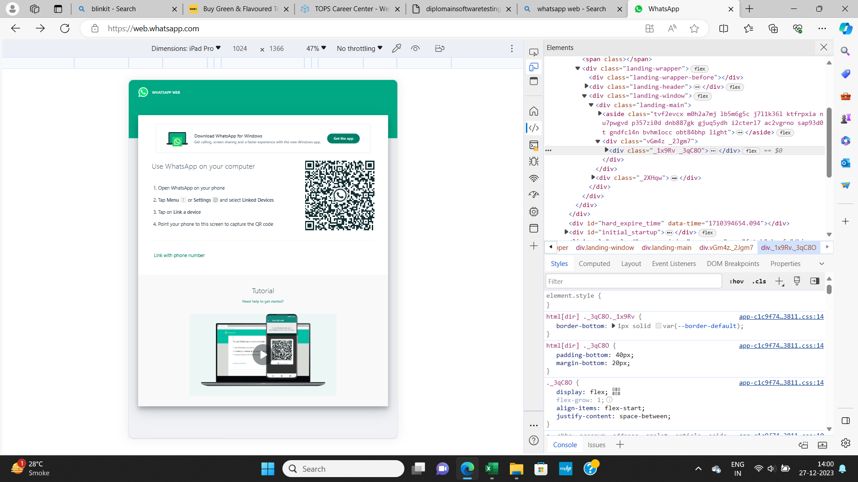
4 | Ipad Layout | Status
 |  | PASS
 |  | Full screen of whatsaap web page should be shown on iPad

