1. Title Page
Grocery Basket Analysis

Project Name: Grocery Basket Analysis
Date: 12.02.2025
Analyst Name: Sergey Khrapak

Contents:
Population Flow
Consistency checks
Wrangling steps
Column derivations
Visualizations
Recommendations

Data Source: "The Instacart Online Grocery Shopping dataset 2017"
Accessed from www.instacart.com/datasets/grocery-shopping-2017 via Kaggle
The customer and price data are fabricated for the purpose of this project.

2. Population Flow
Title page

Population flow

Exclusion flag
Condition: max_order < 5
Obervations to be removed: 1440295
Final total count of order_products_all: 162631

Orders_products_combined
Orders_products_merged
Orders_products_all

Total: 32404859
Total: 32434489
Total: 32404859

1.) The grey boxes in the first row of the population flow represent the original data sets as they were when you downloaded them. In the Total fields you need to add the count of the rows when you imported the data set into Jupyter.
2.) The second row of boxes (coloured) represents the data sets after you manipulated them, e.g., removed missing values and duplicates. In the Total fields you need to add the count of the rows after conducting these operations. This offers a visual oveview of how the data flows throughout the data consistency checks.
3.) The third row, where also the arrows are coloured, represents the merges you performed between the datasets. In the Total fields you need to add the count of the rows in the merged datasets, so that you end up with the final dataset (in the red box). Keep in mind the final dataset should be without exclusions (based on the exclusion flag).

3. Consistency checks
 |  |  |  | Title page
Consistency checks

Dataset | Missing values | Missing values treatment | Duplicates
orders | missing values in days_from_previous_order | occur for each first order, retained | not detected
products | 16 missing values in product_name | removed | 5 duplicate records removed
orders_products_prior | not detected | no | not detected
customers | not detected | not detected | not detected

4. Wrangling steps
 |  |  |  | Title page
Wrangling steps

Columns dropped | Columns renamed | Columns' type changed | Comment/Reason
eval_set in orders | order_dow -> order_day_of_week | order_id (str) | To keep uniform notation
 | days_since_prior_order -> days_from_previous_order | user_id (str) | To keep uniform notation
 | First Name -> first_name | product name in products | To keep uniform notation
 | Surnam -> last_name |  | To keep uniform notation
 | Gender -> gender |  | To keep uniform notation
 | State -> state |  | To keep uniform notation
 | Age -> age |  | To keep uniform notation
 |  |  | To keep uniform notation
 |  |  | To keep uniform notation
 |  |  | To keep uniform notation

5. Column derivations
 |  |  |  | Title page

Column derivations and aggregations

In this tab you should add tables below that the frequences of flags/label variables that you produced after deriving them. NB: don't do this for continuous variables, only for flags.
Dataset | New column | Column/s it was derived from | Conditions
df_grand_merge | price_range_loc | prices | price>15, 5<price<=15, price<=5
df_grand_merge | busiest day | order_day_of_week | 0 - busiest, 4 -least busy, Regular
df_grand_merge | busiest days | order_day_of_week | 0,1 - busiest, 3,4 -Least busy, Regular
df_grand_merge | busiest period of day | order_hour_of_day | 8 busiest hours, 8 least, 8 Regular
df_grand_merge | loyality_flag | max_order (aggregated) | max_order >40 or 10-40 or <=10
df_grand_merge | spending_flag | avg_order (aggregated) | avg_order >=10 or <10
df_grand_merge | frequency_flag | median_days_from_previous_order | MDFPO >20 or 10-20 or <=10
df_grand_merge | region | state | states are conventionally devided into 4 regions

6. Visualizations
 |  |  |  |  |  | Title page

Visualisations

In this tab you should include all the visualtions from Exercises 4.9 and 4.10, alongside the questions from the project brief that they answer. Include any commentary on the relationship between different variables.

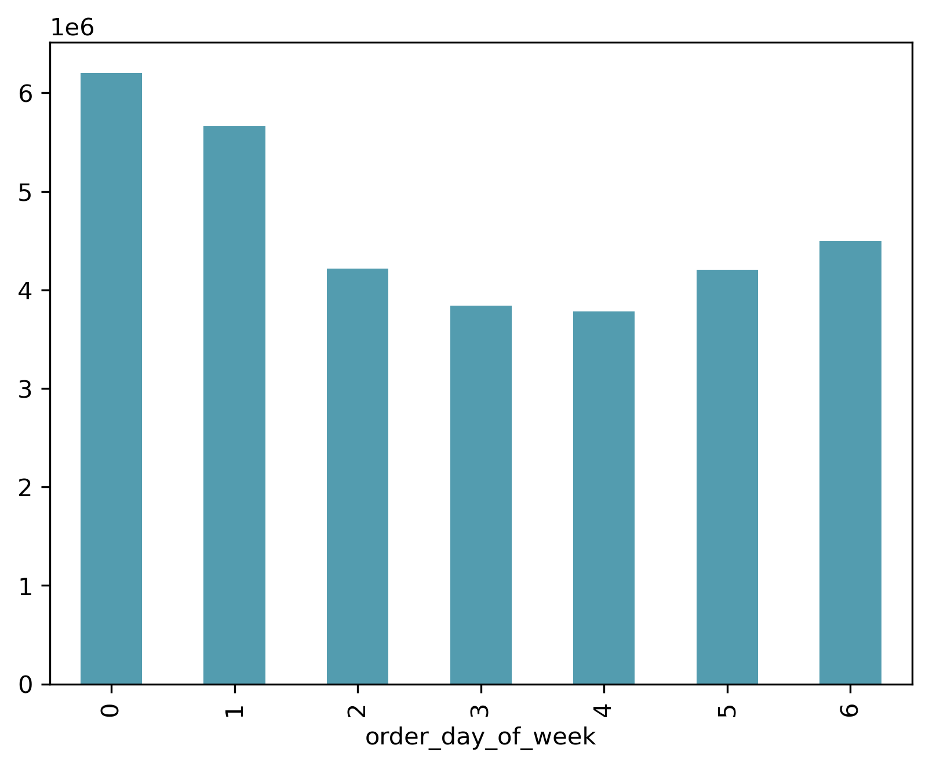
 |  |  |  | This visualization demonstrate that Friday (6), Saturday (0) and Sunday (1) are the busiest days of the week.
 |  |  |  | Ads should be scheduled for other days.

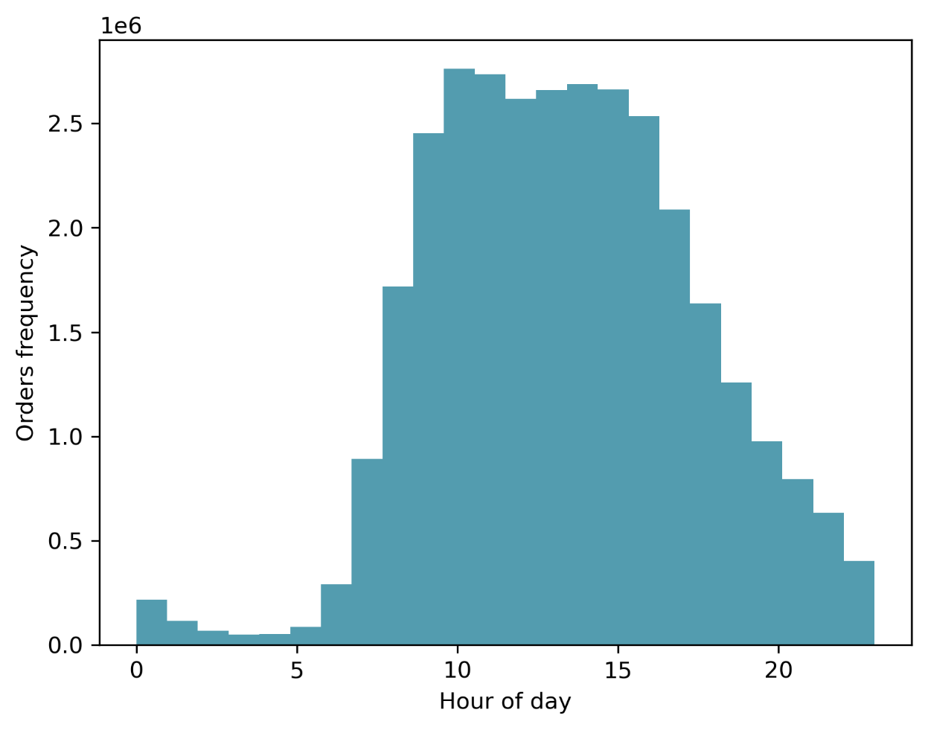
 |  |  |  |  | This visualization demonstrates that the busiest hours are between 10 and 17
 |  |  |  |  | Ads should be scheduled for other hours.

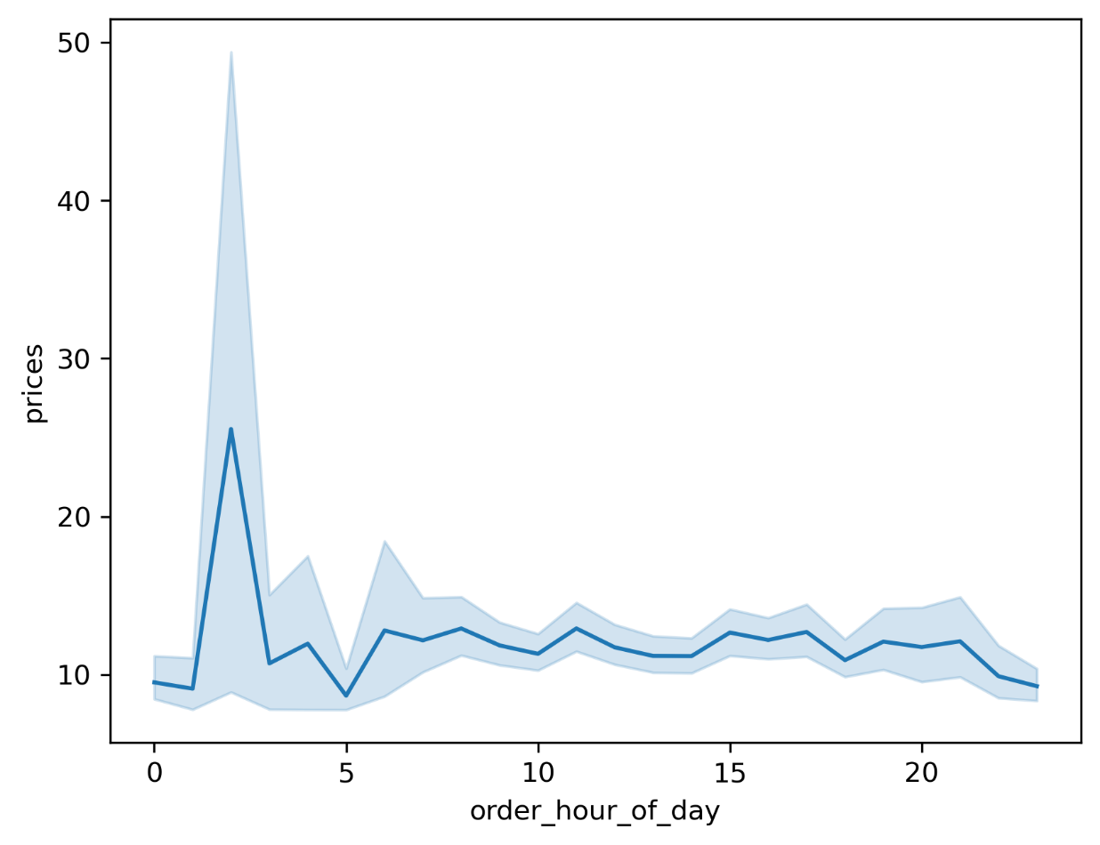
 |  |  |  |  | Order price exhibits a maximum at around 2 am. But the number of orders at this time is relatively small.
 |  |  |  |  | Maximum revenue is generated at 11 am.

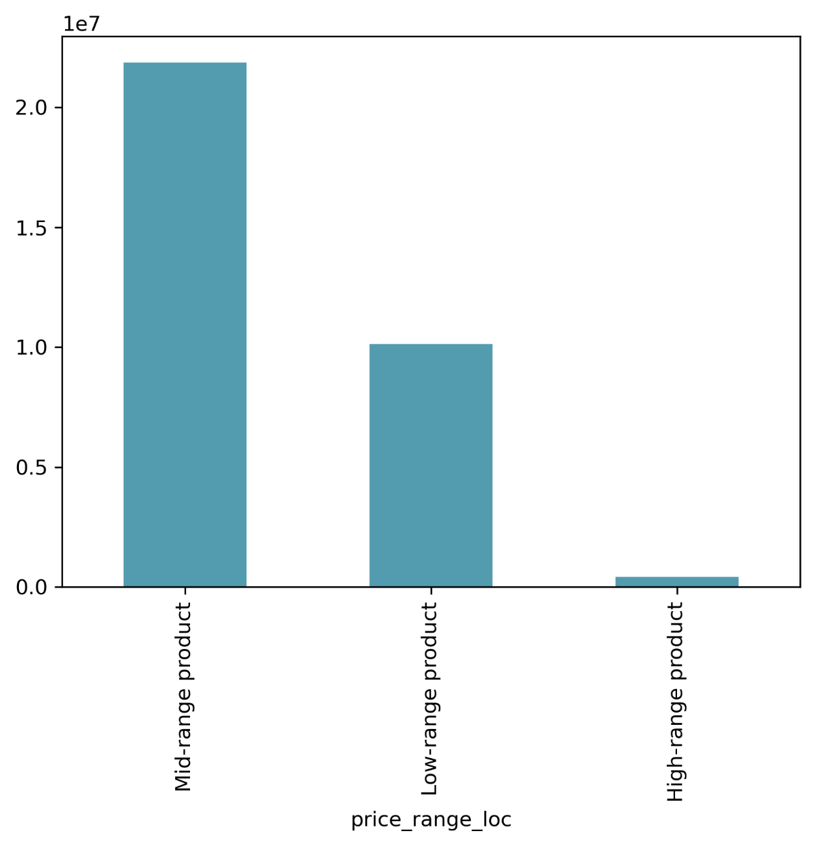
 |  |  |  | The product prices can be divided into three price categories:
 |  |  |  | low _ range_profducts <= 5
 |  |  |  | medium_range_products 5- 15
 |  |  |  | high_range_product > 15

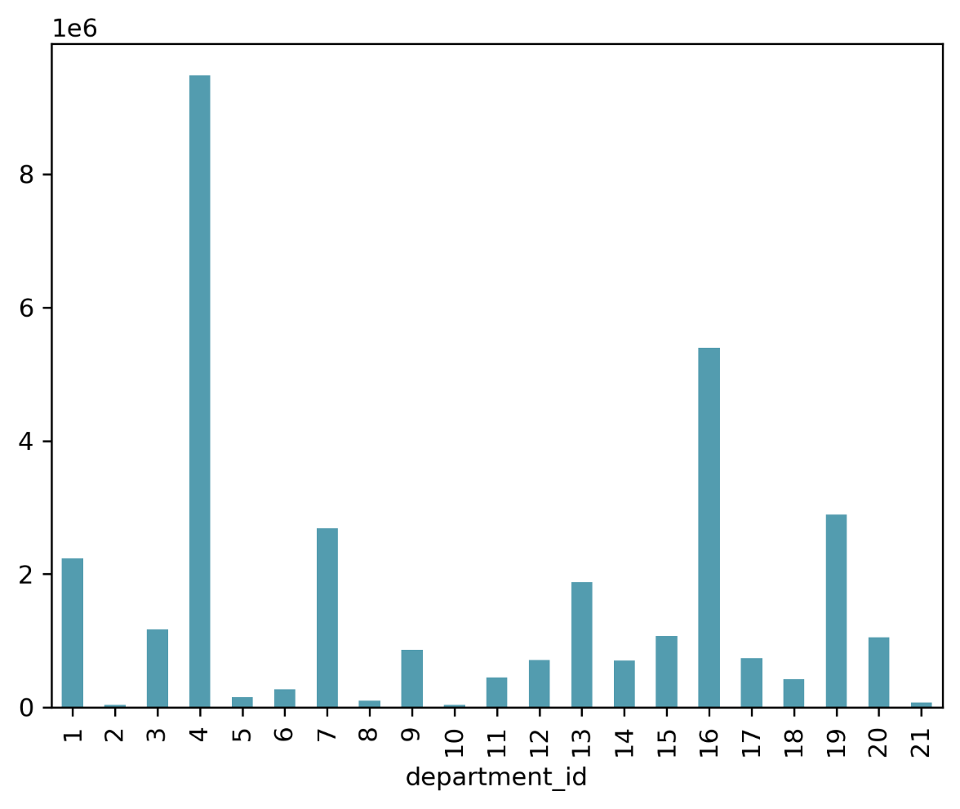
 |  |  |  |  | Frequency of orders by departments.
 |  |  |  |  | The department dictinary is enclosed below
 |  |  |  |  | {'1': {'department': 'frozen'},
 |  |  |  |  | '2': {'department': 'other'},
 |  |  |  |  | '3': {'department': 'bakery'},
 |  |  |  |  | '4': {'department': 'produce'},
 |  |  |  |  | '5': {'department': 'alcohol'},
 |  |  |  |  | '6': {'department': 'international'},
 |  |  |  |  | '7': {'department': 'beverages'},
 |  |  |  |  | '8': {'department': 'pets'},
 |  |  |  |  | '9': {'department': 'dry goods pasta'},
 |  |  |  |  | '10': {'department': 'bulk'},
 |  |  |  |  | '11': {'department': 'personal care'},
 |  |  |  |  | '12': {'department': 'meat seafood'},
 |  |  |  |  | '13': {'department': 'pantry'},
 |  |  |  |  | '14': {'department': 'breakfast'},
 |  |  |  |  | '15': {'department': 'canned goods'},
 |  |  |  |  | '16': {'department': 'dairy eggs'},
 |  |  |  |  | '17': {'department': 'household'},
 |  |  |  |  | '18': {'department': 'babies'},
 |  |  |  |  | '19': {'department': 'snacks'},
 |  |  |  |  | '20': {'department': 'deli'},
 |  |  |  |  | '21': {'department': 'missing'}}

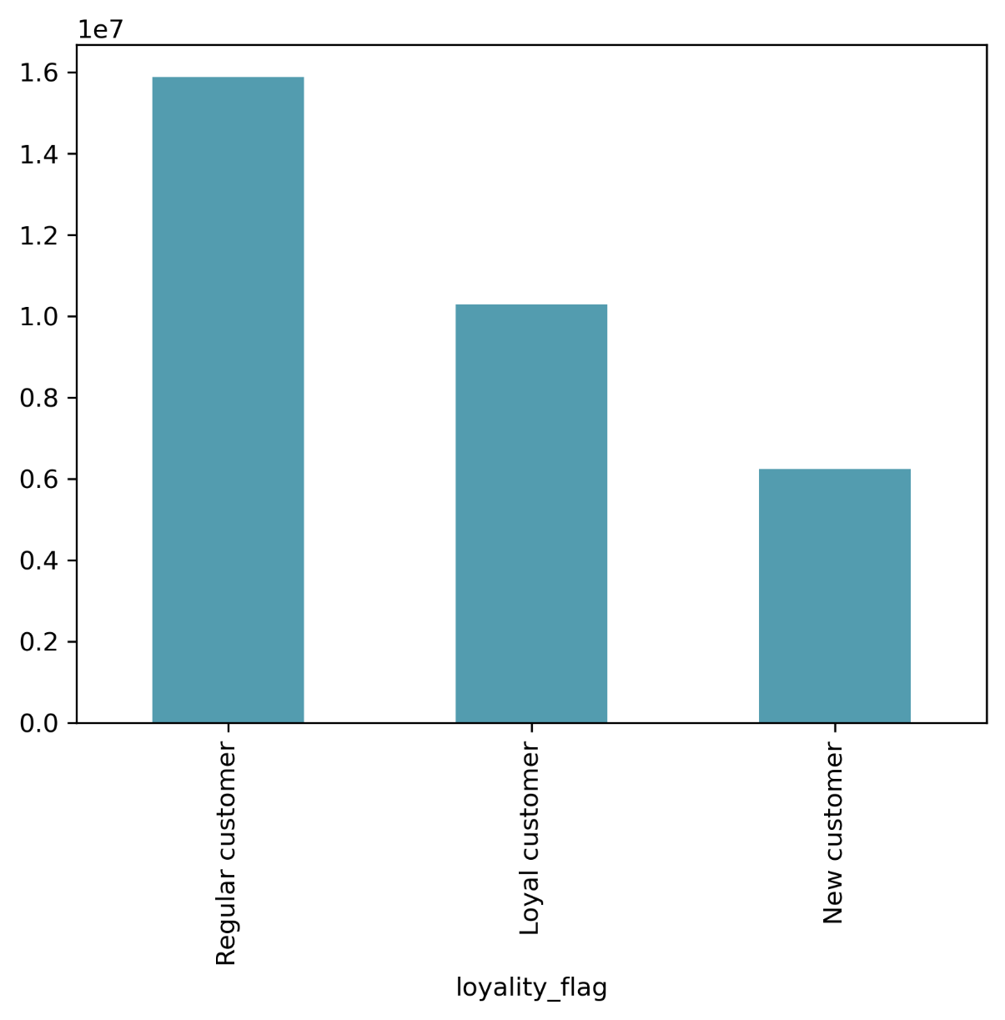

 |  |  |  |  | Distribution of orders per customer loyality.

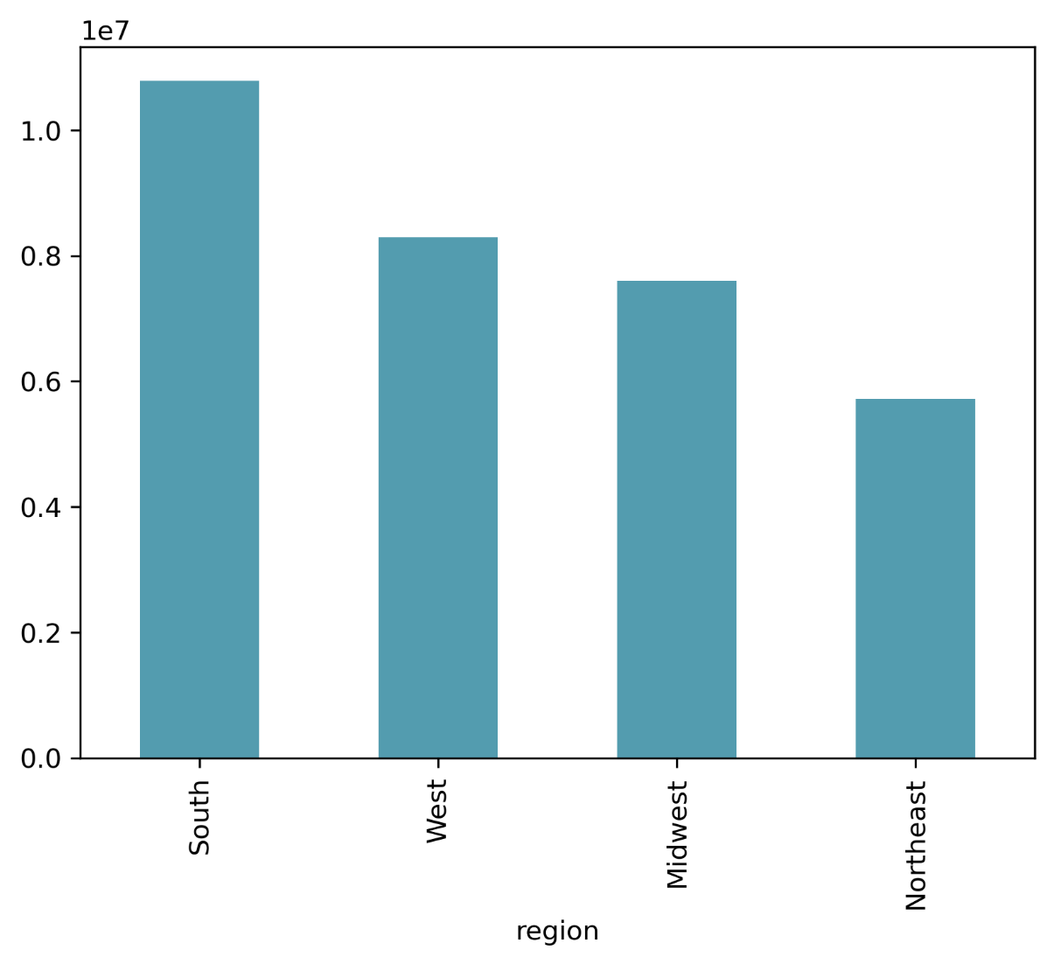
 |  |  |  |  | Distribution of orders per region

region | High spender | Low spender | Ratio |  | Cross table of region and spending flag.
Midwest | 155975 | 7441350 | 0.02096057839 |  | Independently of the region the ratio of high to low spender is nearly the same ~ 0.02
Northeast | 108225 | 5614511 | 0.019275944067
South | 209676 | 10582209 | 0.019814010477
West | 160354 | 8132559 | 0.019717532944

loyality_flag | High spender | Low spender | Ratio |  | Cross table of loyality status and spending flag
Loyal customer | 216600 | 10067493 | 0.021514790226 |  | The relative ratio of high spenders increases with loyality status
New customer | 114816 | 6129174 | 0.018732703624
Regular customer | 302814 | 15573962 | 0.019443607221

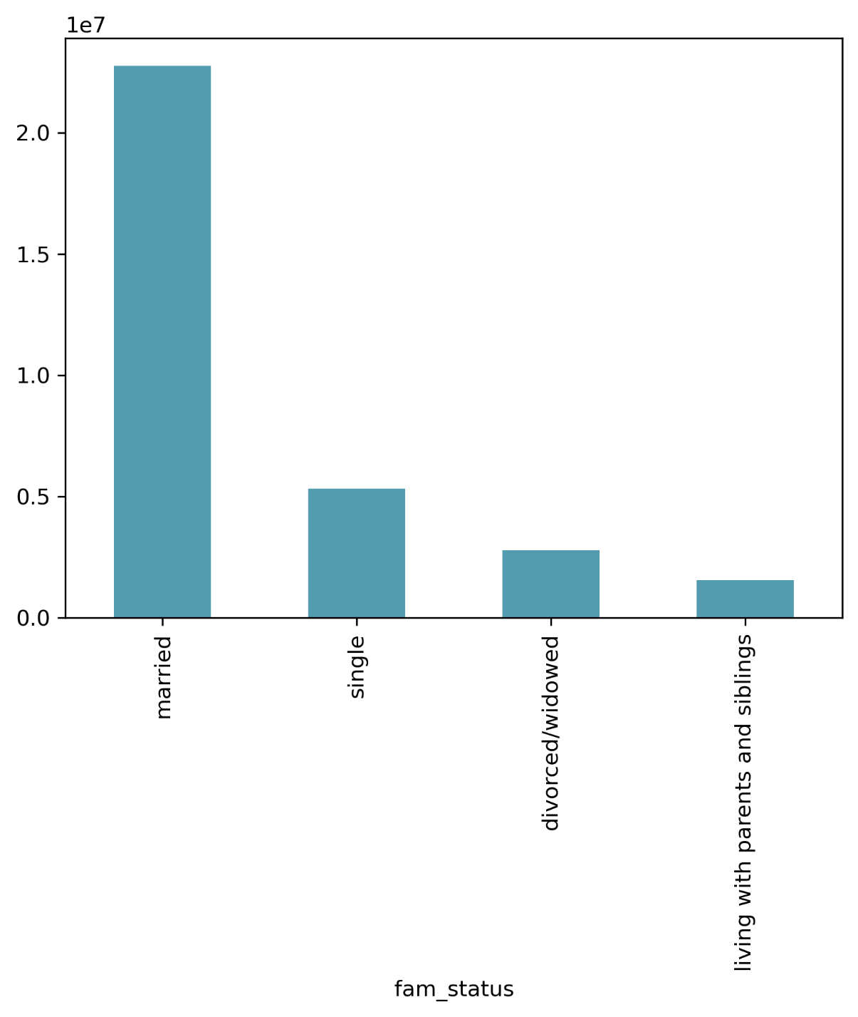
 |  |  |  |  | Frequency of orders by family status.
 |  |  |  |  | Orders are dominated by married people.

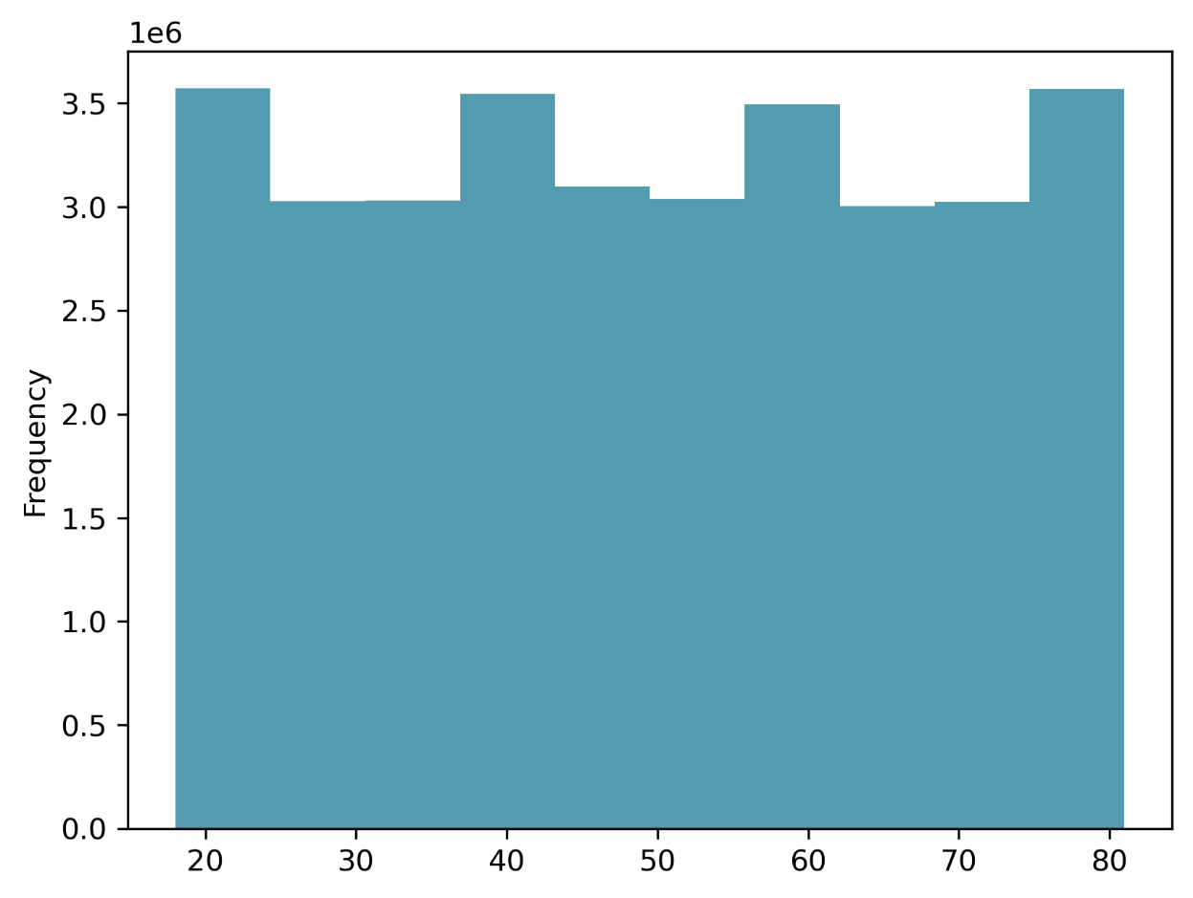
 |  |  |  |  | Frequency of order is apparently independent of the customer age.


 |  |  |  |  | This figure shows that income somewhat increases with age.
 |  |  |  |  | There are more people above 40 having income above 200000 (top right corner in the figure)

fam_status | High spender | Low spender | Ratio |  | Cross table of family status and spending flag
divorced/widowed | 52698 | 2719114 | 0.019380577644 |  | The relative ratio of high spenders does not depend considerably on family status
living with parents and siblings | 29389 | 1521214 | 0.019319438291
married | 451309 | 22305444 | 0.020233132324
single | 100834 | 5224857 | 0.019298901386

7. Recommendations
 |  |  | Title page

Recommendations

In this tab you should include any recommendations you would made to Instcart in terms of their marketing strategy based on the questions posed in the brief. Every key question has been covered in the Tasks of the Exercises - here you need to add an item - a visualisation or table/crosstable that is showing the answer in the data, acompanied by a comment from you. Please, list the questions below and add the answer underneath.

Question |  | Answer
1. The sales team needs to know what the busiest days of the week and hours of the day are (i.e., the days and times with the most orders) in order to schedule ads at times when there are fewer orders | The busiest days are Friday, Saturday, Sunday with the busies hours between 10 am and 5 pm. Ads should be scheduled taking this info into account.
2. They also want to know whether there are particular times of the day when people spend the most money, as this might inform the type of products they advertise at these times | The maxiumun revenue is generated about 11 am, i.e. around the lunch time. Relevant products should be advertised. The order pieces exhibit maximum around 2 am, but this is unlikely to be helpful due to overall low volimes at this time.
3. Instacart has a lot of products with different price tags. Marketing and sales want to use simpler price range groupings to help direct their efforts | A simple three-category grouping (low-range, mid-range, and high-range products) is proposed
4. Are there certain types of products that are more popular than others? The marketing and sales teams want to know which departments have the highest frequency of product orders. | The departments with highest frequency of orders are identified. Among those are: 4 - produce, 16 - dairy eggs, 19 - snacks, 7 - beverages, 1 - frozen
5. The marketing and sales teams are particularly interested in the different types of customers in their system and how their ordering behaviors differ. | Some correlations between customer behavior have been investigated. Customers are divided in three categories. Regional behavior is analyzed. It is observed that the lowest number of orders comes from Northeast region. There is potential to improve this through marketing compain, but first, further work is needed to ensure that this is not simply correlated with the size of region population. The distribution between high- and low-spenders does not depend neither on the region, nor on the family status, but slightly depends on the customer loyality. Orders are dominated by married customers, the age is seemengly unimportant. The age, however, affects the customers income. All this has to be properly accounted for in planning marketing campains.

