TEST 3
TEST 3 | sysbench --test=cpu --cpu-max-prime=35000.

 |  |  | Qemu |  |  |  | Docker Container
 |  |  | Qmin(s) | Qavg(s) | Qmax(s) | QTotal time(s) | min(s) | avg(s) | max(s) | DTotal time(s)
 |  | RUN 1 | 10.29 | 11.53 | 62.33 | 115.3596 | 4.82 | 5.34 | 26.36 | 53.4202
 |  | RUN 2 | 10.35 | 11.58 | 99.71 | 115.8175 | 4.86 | 5.5 | 17.03 | 55.0391
 |  | RUN 3 | 10.29 | 11.57 | 62.9 | 115.7096 | 4.48 | 5.32 | 17.37 | 53.1933
 |  | RUN 4 | 10.29 | 11.47 | 44.69 | 114.7433 | 4.82 | 5.45 | 17.06 | 54.4966
 |  | RUN 5 | 10.06 | 11.53 | 39.96 | 115.3271 | 4.81 | 5.54 | 26.7 | 55.376
Qemu VS Container CPU Test 3
 |  |  |  |  |  |  |  | From the graph we can infer that the Container total time is lesser than the Qemu total time, this performance differences can be attributed to the fact that the virtual machines have to emulate the hardware, whereas the containers runs directly on the hosted machine. At times we can see that the qemu max time lesser than the container total time.

 |  | Note: The number of events for both Qemu and Docker container are the same.

Proof of Experiment
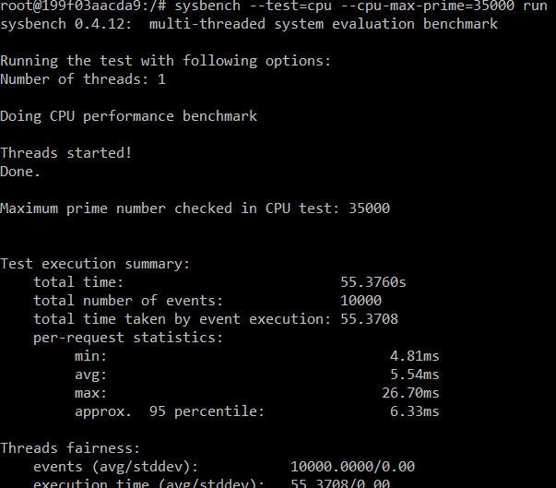
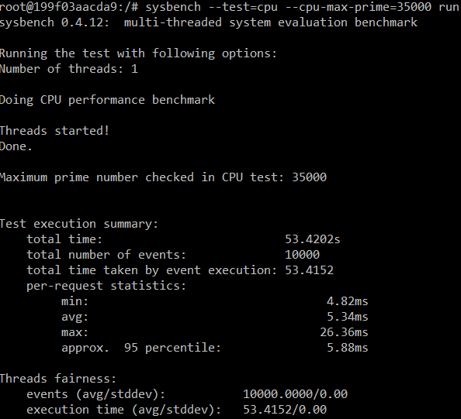
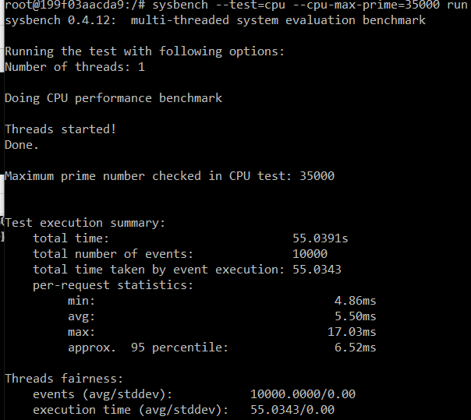
Proof of Experiments:
4.1) RUN 1
 | sysbench --test=cpu --cpu-max-prime=35000 run on QEMU. | sysbench --test=cpu --cpu-max-prime=35000 run on Docker Container.
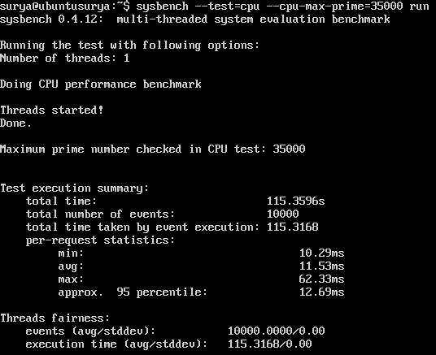

RUN 2
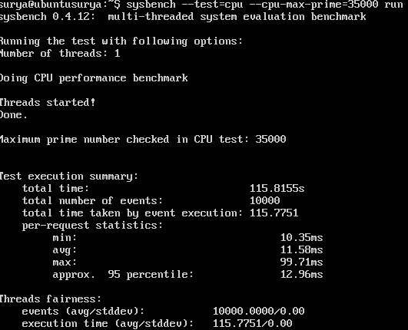

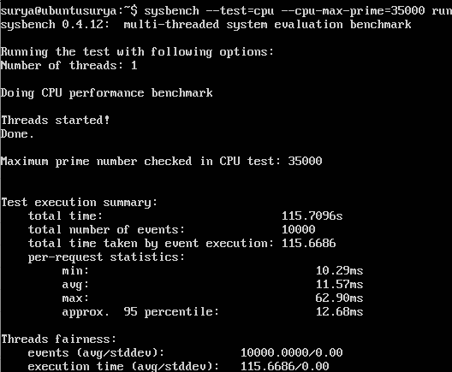
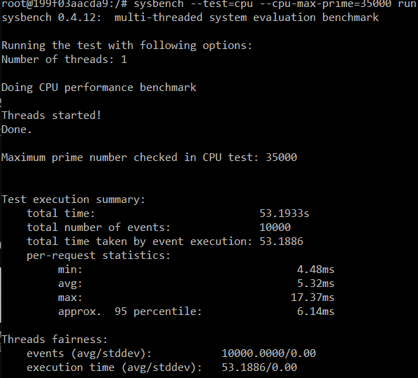
RUN 3

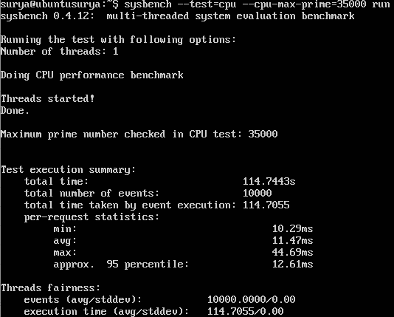
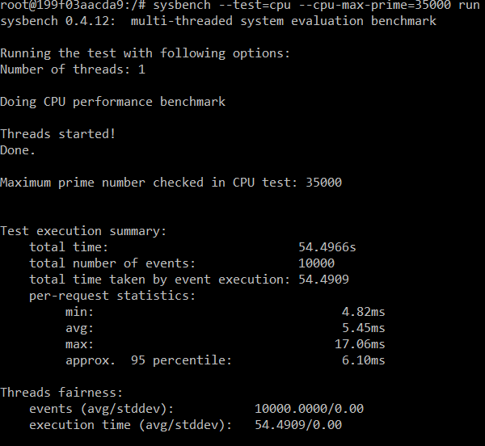
RUN 4

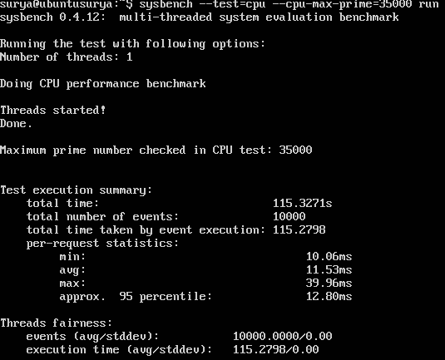
RUN 5

