TEST 1
TEST 1 | sysbench --test=cpu --cpu-max-prime=20000 run

 |  |  | Qemu |  |  |  | Docker Container
 |  |  | Qmin(s) | Qavg(s) | Qmax(s) | QTotal time(s) | min(s) | avg(s) | max(s) | DTotal time(s)
 |  | RUN 1 | 4.96 | 5.46 | 49.86 | 54.6713 | 2.2 | 2.47 | 20.08 | 24.7341
 |  | RUN 2 | 4.94 | 5.92 | 59.03 | 54.2095 | 2.2 | 2.39 | 12.1 | 23.9441
 |  | RUN 3 | 4.95 | 5.41 | 45.51 | 54.0896 | 2.2 | 2.4 | 11.9 | 24.0073
 |  | RUN 4 | 4.73 | 5.54 | 62.88 | 55.3896 | 2.2 | 2.51 | 13.66 | 25.1303
 |  | RUN 5 | 4.73 | 5.57 | 81.21 | 55.7673 | 2.2 | 2.45 | 13.22 | 24.4782

Qemu VS Container CPU Test 1
 |  |  |  |  |  |  | From the graph we can infer that the Container total time is always lesser than the Qemu total time, this performance differences can be attributed to the fact that the virtual machines have to emulate the hardware, whereas the containers runs directly on the hosted machine.

 |  | Note: The number of events for both Qemu and Docker container are the same.

Proof of Experiment
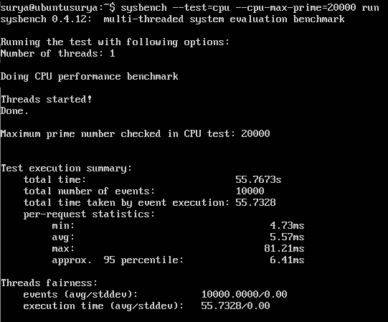
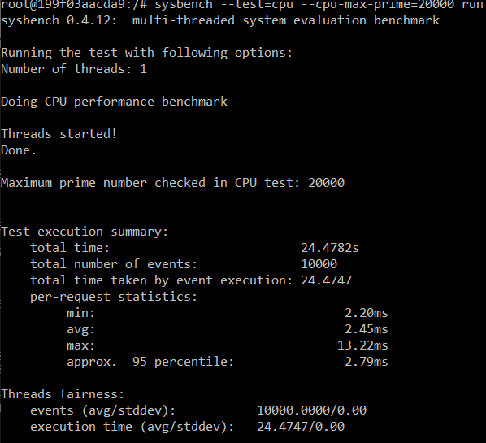
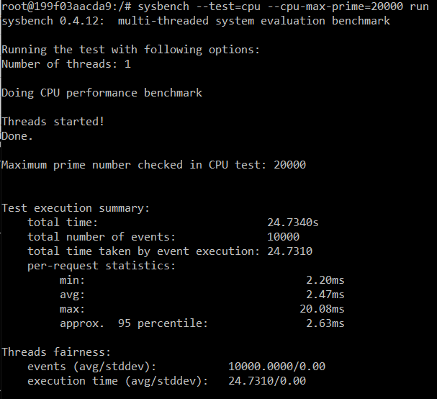

Proof of Experiments:
4.1) RUN 1
 | sysbench --test=cpu --cpu-max-prime=20000 run on QEMU. | sysbench --test=cpu --cpu-max-prime=20000 run on Docker Container.

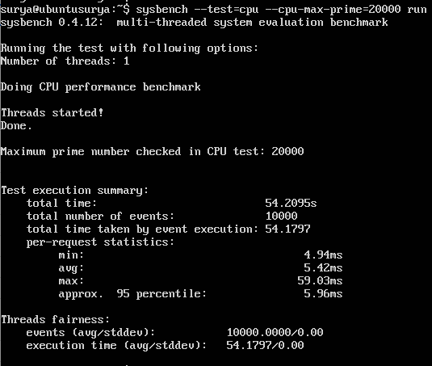
RUN 2
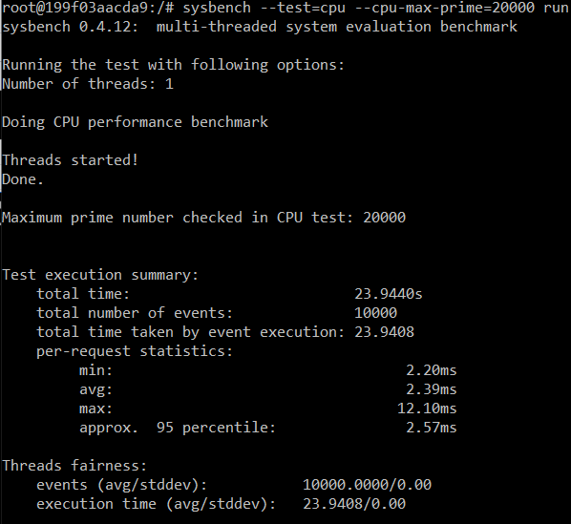

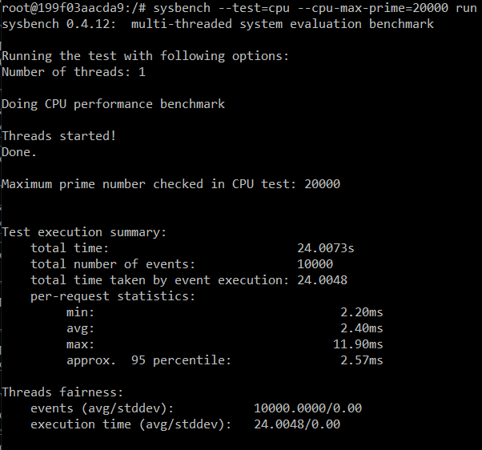
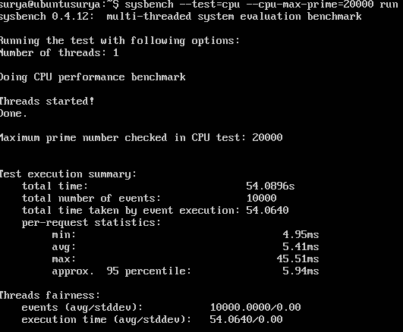
RUN 3

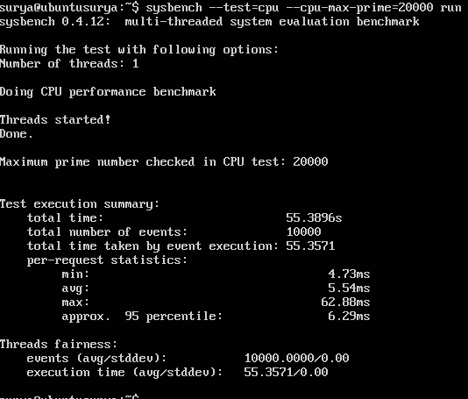
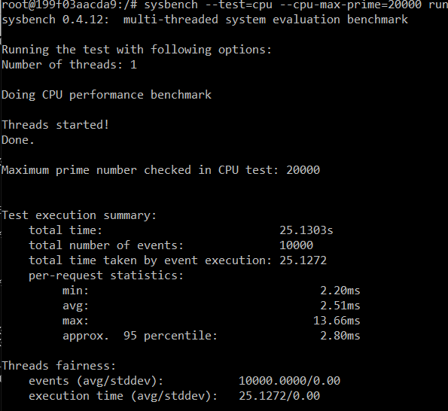
RUN 4

RUN 5

