paste chart
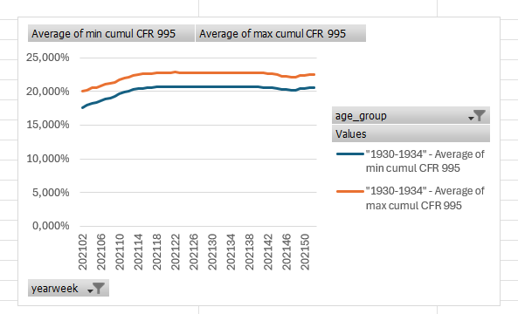
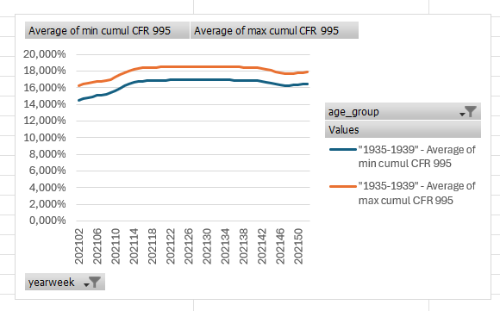
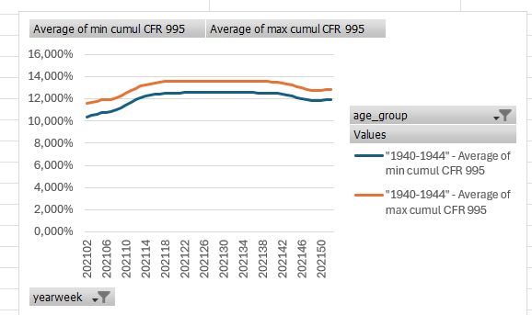

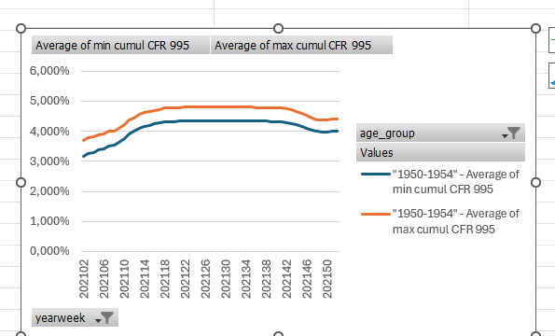
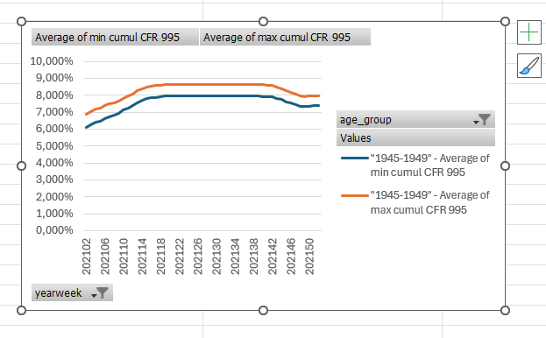
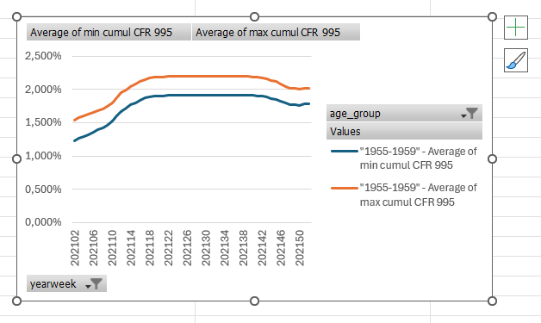

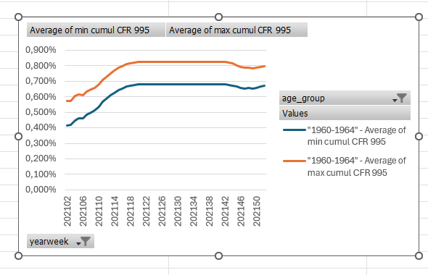
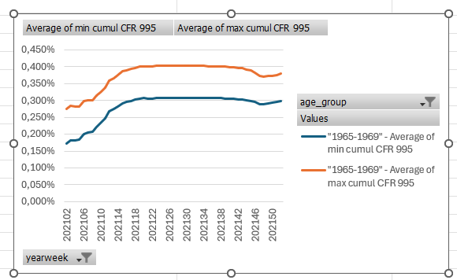
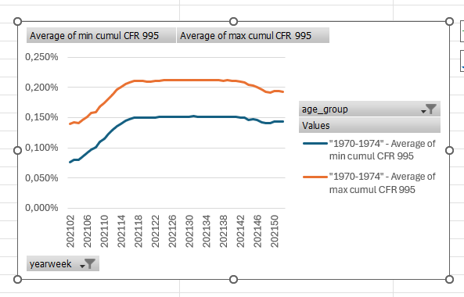

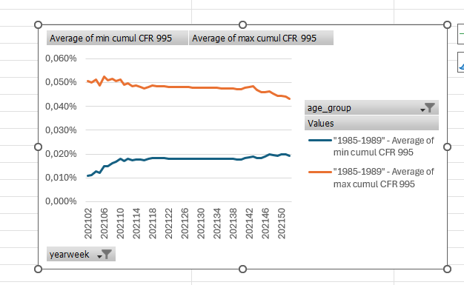
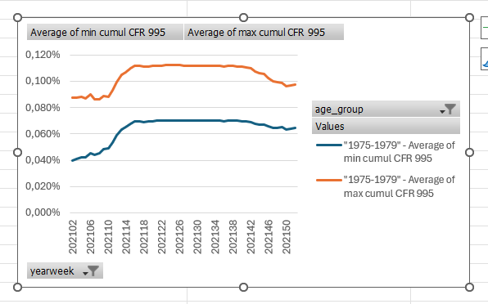
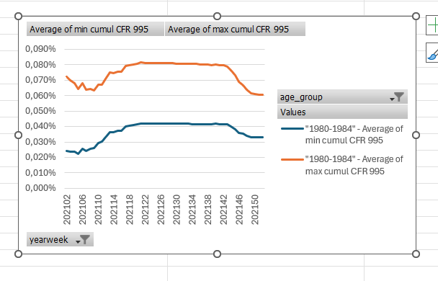

pivotchart for paste
 | Column Labels
 | "1930-1934" |  | "1935-1939" |  | "1940-1944" |  | "1945-1949" |  | "1950-1954" |  | "1955-1959" |  | "1960-1964" |  | "1965-1969" |  | "1970-1974" |  | "1975-1979" |  | "1980-1984" |  | "1985-1989"
Row Labels | Average of min cumul CFR 995 | Average of max cumul CFR 995 | Average of min cumul CFR 995 | Average of max cumul CFR 995 | Average of min cumul CFR 995 | Average of max cumul CFR 995 | Average of min cumul CFR 995 | Average of max cumul CFR 995 | Average of min cumul CFR 995 | Average of max cumul CFR 995 | Average of min cumul CFR 995 | Average of max cumul CFR 995 | Average of min cumul CFR 995 | Average of max cumul CFR 995 | Average of min cumul CFR 995 | Average of max cumul CFR 995 | Average of min cumul CFR 995 | Average of max cumul CFR 995 | Average of min cumul CFR 995 | Average of max cumul CFR 995 | Average of min cumul CFR 995 | Average of max cumul CFR 995 | Average of min cumul CFR 995 | Average of max cumul CFR 995
202102 | 18.039% | 19.619% | 14.753% | 15.978% | 10.537% | 11.370% | 6.216% | 6.762% | 3.249% | 3.616% | 1.279% | 1.492% | 0.439% | 0.547% | 0.189% | 0.257% | 0.087% | 0.129% | 0.047% | 0.080% | 0.032% | 0.064% | 0.017% | 0.044%
202103 | 18.303% | 19.859% | 14.960% | 16.163% | 10.683% | 11.500% | 6.368% | 6.906% | 3.333% | 3.694% | 1.323% | 1.534% | 0.444% | 0.550% | 0.198% | 0.267% | 0.090% | 0.132% | 0.049% | 0.080% | 0.031% | 0.062% | 0.018% | 0.044%
202104 | 18.627% | 20.164% | 15.086% | 16.267% | 10.804% | 11.607% | 6.541% | 7.073% | 3.386% | 3.741% | 1.344% | 1.551% | 0.473% | 0.579% | 0.198% | 0.265% | 0.090% | 0.131% | 0.050% | 0.081% | 0.031% | 0.061% | 0.019% | 0.045%
202105 | 18.743% | 20.256% | 15.223% | 16.385% | 10.921% | 11.711% | 6.591% | 7.112% | 3.456% | 3.805% | 1.374% | 1.578% | 0.487% | 0.591% | 0.200% | 0.266% | 0.096% | 0.137% | 0.050% | 0.080% | 0.029% | 0.058% | 0.018% | 0.043%
202106 | 19.026% | 20.528% | 15.336% | 16.481% | 10.951% | 11.726% | 6.738% | 7.253% | 3.501% | 3.844% | 1.407% | 1.608% | 0.485% | 0.587% | 0.216% | 0.282% | 0.101% | 0.142% | 0.053% | 0.083% | 0.033% | 0.061% | 0.021% | 0.046%
202107 | 19.225% | 20.708% | 15.376% | 16.500% | 11.021% | 11.780% | 6.872% | 7.379% | 3.595% | 3.933% | 1.442% | 1.639% | 0.510% | 0.611% | 0.220% | 0.285% | 0.107% | 0.148% | 0.051% | 0.080% | 0.030% | 0.057% | 0.021% | 0.045%
202108 | 19.420% | 20.885% | 15.505% | 16.609% | 11.158% | 11.901% | 6.941% | 7.434% | 3.613% | 3.941% | 1.472% | 1.665% | 0.523% | 0.622% | 0.223% | 0.286% | 0.110% | 0.150% | 0.052% | 0.079% | 0.032% | 0.058% | 0.022% | 0.046%
202109 | 19.579% | 21.027% | 15.666% | 16.751% | 11.327% | 12.054% | 7.061% | 7.544% | 3.697% | 4.018% | 1.509% | 1.697% | 0.535% | 0.632% | 0.236% | 0.298% | 0.119% | 0.159% | 0.055% | 0.082% | 0.032% | 0.057% | 0.022% | 0.045%
202110 | 19.992% | 21.437% | 15.916% | 16.991% | 11.622% | 12.342% | 7.238% | 7.713% | 3.839% | 4.157% | 1.572% | 1.758% | 0.559% | 0.655% | 0.250% | 0.312% | 0.125% | 0.165% | 0.055% | 0.082% | 0.035% | 0.061% | 0.023% | 0.046%
202111 | 20.274% | 21.714% | 16.231% | 17.302% | 11.870% | 12.583% | 7.373% | 7.842% | 3.973% | 4.289% | 1.643% | 1.829% | 0.589% | 0.685% | 0.262% | 0.324% | 0.132% | 0.172% | 0.060% | 0.087% | 0.036% | 0.061% | 0.022% | 0.044%
202112 | 20.403% | 21.836% | 16.498% | 17.568% | 12.069% | 12.778% | 7.519% | 7.985% | 4.066% | 4.380% | 1.717% | 1.904% | 0.610% | 0.705% | 0.282% | 0.345% | 0.138% | 0.178% | 0.065% | 0.093% | 0.039% | 0.065% | 0.023% | 0.045%
202113 | 20.601% | 22.032% | 16.715% | 17.783% | 12.253% | 12.960% | 7.688% | 8.153% | 4.171% | 4.484% | 1.766% | 1.953% | 0.632% | 0.728% | 0.289% | 0.352% | 0.146% | 0.187% | 0.070% | 0.098% | 0.043% | 0.069% | 0.022% | 0.043%
202114 | 20.760% | 22.191% | 16.929% | 17.998% | 12.410% | 13.116% | 7.832% | 8.297% | 4.234% | 4.547% | 1.814% | 2.001% | 0.649% | 0.746% | 0.296% | 0.359% | 0.150% | 0.191% | 0.072% | 0.100% | 0.043% | 0.068% | 0.023% | 0.044%
202115 | 20.852% | 22.281% | 17.046% | 18.115% | 12.470% | 13.174% | 7.919% | 8.384% | 4.279% | 4.590% | 1.850% | 2.037% | 0.666% | 0.763% | 0.307% | 0.371% | 0.155% | 0.196% | 0.075% | 0.103% | 0.043% | 0.069% | 0.023% | 0.043%
202116 | 20.928% | 22.356% | 17.070% | 18.137% | 12.563% | 13.266% | 7.966% | 8.430% | 4.316% | 4.628% | 1.888% | 2.076% | 0.675% | 0.773% | 0.310% | 0.374% | 0.158% | 0.199% | 0.077% | 0.105% | 0.044% | 0.069% | 0.022% | 0.043%
202117 | 20.937% | 22.362% | 17.097% | 18.161% | 12.631% | 13.334% | 8.002% | 8.466% | 4.346% | 4.657% | 1.916% | 2.105% | 0.688% | 0.786% | 0.314% | 0.378% | 0.160% | 0.202% | 0.076% | 0.105% | 0.047% | 0.073% | 0.023% | 0.043%
202118 | 20.981% | 22.406% | 17.117% | 18.180% | 12.670% | 13.373% | 8.040% | 8.503% | 4.385% | 4.696% | 1.937% | 2.126% | 0.694% | 0.792% | 0.317% | 0.381% | 0.160% | 0.201% | 0.076% | 0.104% | 0.047% | 0.073% | 0.023% | 0.044%
202119 | 21.018% | 22.443% | 17.159% | 18.222% | 12.684% | 13.386% | 8.070% | 8.533% | 4.392% | 4.702% | 1.950% | 2.139% | 0.697% | 0.795% | 0.322% | 0.386% | 0.160% | 0.201% | 0.076% | 0.104% | 0.047% | 0.074% | 0.023% | 0.044%
202120 | 21.055% | 22.479% | 17.174% | 18.237% | 12.696% | 13.398% | 8.078% | 8.541% | 4.401% | 4.711% | 1.952% | 2.142% | 0.703% | 0.801% | 0.322% | 0.386% | 0.160% | 0.200% | 0.076% | 0.105% | 0.048% | 0.074% | 0.023% | 0.044%
202121 | 21.074% | 22.498% | 17.175% | 18.237% | 12.708% | 13.409% | 8.080% | 8.543% | 4.411% | 4.721% | 1.954% | 2.143% | 0.702% | 0.800% | 0.322% | 0.385% | 0.159% | 0.200% | 0.077% | 0.105% | 0.048% | 0.075% | 0.023% | 0.043%
202122 | 21.079% | 22.502% | 17.183% | 18.245% | 12.717% | 13.419% | 8.078% | 8.541% | 4.413% | 4.724% | 1.959% | 2.149% | 0.703% | 0.801% | 0.321% | 0.385% | 0.160% | 0.201% | 0.077% | 0.105% | 0.048% | 0.075% | 0.023% | 0.043%
202123 | 21.072% | 22.495% | 17.184% | 18.246% | 12.726% | 13.428% | 8.079% | 8.541% | 4.417% | 4.728% | 1.962% | 2.151% | 0.702% | 0.800% | 0.323% | 0.386% | 0.161% | 0.202% | 0.077% | 0.106% | 0.048% | 0.075% | 0.023% | 0.043%
202124 | 21.058% | 22.479% | 17.181% | 18.242% | 12.730% | 13.432% | 8.081% | 8.543% | 4.417% | 4.728% | 1.962% | 2.152% | 0.703% | 0.802% | 0.323% | 0.387% | 0.161% | 0.202% | 0.077% | 0.105% | 0.048% | 0.075% | 0.023% | 0.043%
202125 | 21.068% | 22.490% | 17.184% | 18.245% | 12.733% | 13.435% | 8.082% | 8.544% | 4.417% | 4.728% | 1.962% | 2.151% | 0.703% | 0.801% | 0.323% | 0.387% | 0.162% | 0.203% | 0.077% | 0.105% | 0.048% | 0.075% | 0.023% | 0.043%
202126 | 21.063% | 22.484% | 17.189% | 18.250% | 12.730% | 13.431% | 8.084% | 8.547% | 4.417% | 4.728% | 1.962% | 2.151% | 0.705% | 0.803% | 0.323% | 0.387% | 0.162% | 0.203% | 0.077% | 0.105% | 0.048% | 0.075% | 0.023% | 0.043%
202127 | 21.060% | 22.481% | 17.187% | 18.249% | 12.730% | 13.431% | 8.085% | 8.547% | 4.418% | 4.729% | 1.961% | 2.151% | 0.705% | 0.803% | 0.323% | 0.387% | 0.162% | 0.203% | 0.077% | 0.105% | 0.048% | 0.075% | 0.023% | 0.043%
202128 | 21.057% | 22.478% | 17.186% | 18.247% | 12.728% | 13.430% | 8.083% | 8.546% | 4.416% | 4.727% | 1.961% | 2.150% | 0.705% | 0.803% | 0.323% | 0.387% | 0.162% | 0.203% | 0.077% | 0.105% | 0.048% | 0.075% | 0.023% | 0.043%
202129 | 21.058% | 22.479% | 17.185% | 18.246% | 12.726% | 13.428% | 8.082% | 8.545% | 4.417% | 4.728% | 1.960% | 2.150% | 0.705% | 0.803% | 0.323% | 0.387% | 0.161% | 0.202% | 0.077% | 0.105% | 0.048% | 0.075% | 0.023% | 0.043%
202130 | 21.054% | 22.475% | 17.186% | 18.247% | 12.727% | 13.428% | 8.081% | 8.543% | 4.416% | 4.726% | 1.960% | 2.149% | 0.705% | 0.803% | 0.323% | 0.387% | 0.161% | 0.202% | 0.077% | 0.105% | 0.048% | 0.074% | 0.023% | 0.043%
202131 | 21.051% | 22.472% | 17.185% | 18.246% | 12.725% | 13.426% | 8.080% | 8.542% | 4.416% | 4.727% | 1.959% | 2.148% | 0.705% | 0.803% | 0.323% | 0.387% | 0.162% | 0.203% | 0.077% | 0.105% | 0.048% | 0.074% | 0.023% | 0.043%
202132 | 21.050% | 22.470% | 17.186% | 18.247% | 12.727% | 13.428% | 8.077% | 8.539% | 4.417% | 4.727% | 1.960% | 2.149% | 0.704% | 0.803% | 0.323% | 0.387% | 0.162% | 0.203% | 0.077% | 0.105% | 0.048% | 0.074% | 0.023% | 0.043%
202133 | 21.060% | 22.481% | 17.186% | 18.247% | 12.725% | 13.426% | 8.079% | 8.541% | 4.416% | 4.727% | 1.961% | 2.151% | 0.704% | 0.802% | 0.323% | 0.387% | 0.162% | 0.203% | 0.077% | 0.105% | 0.048% | 0.074% | 0.023% | 0.043%
202134 | 21.053% | 22.473% | 17.194% | 18.255% | 12.720% | 13.421% | 8.081% | 8.543% | 4.416% | 4.727% | 1.961% | 2.150% | 0.704% | 0.802% | 0.323% | 0.387% | 0.162% | 0.203% | 0.077% | 0.105% | 0.048% | 0.074% | 0.023% | 0.043%
202135 | 21.040% | 22.459% | 17.186% | 18.246% | 12.715% | 13.416% | 8.077% | 8.539% | 4.415% | 4.725% | 1.960% | 2.149% | 0.704% | 0.802% | 0.323% | 0.386% | 0.162% | 0.202% | 0.077% | 0.105% | 0.048% | 0.074% | 0.023% | 0.043%
202136 | 21.040% | 22.459% | 17.178% | 18.238% | 12.714% | 13.415% | 8.072% | 8.533% | 4.413% | 4.723% | 1.959% | 2.148% | 0.703% | 0.801% | 0.322% | 0.386% | 0.161% | 0.202% | 0.077% | 0.105% | 0.048% | 0.074% | 0.023% | 0.043%
202137 | 21.040% | 22.458% | 17.171% | 18.230% | 12.704% | 13.404% | 8.068% | 8.529% | 4.410% | 4.720% | 1.962% | 2.151% | 0.702% | 0.800% | 0.322% | 0.386% | 0.161% | 0.202% | 0.077% | 0.105% | 0.048% | 0.074% | 0.023% | 0.043%
202138 | 21.028% | 22.446% | 17.162% | 18.220% | 12.698% | 13.397% | 8.067% | 8.527% | 4.407% | 4.717% | 1.961% | 2.150% | 0.703% | 0.800% | 0.322% | 0.385% | 0.161% | 0.202% | 0.077% | 0.105% | 0.048% | 0.074% | 0.023% | 0.043%
202139 | 21.018% | 22.435% | 17.151% | 18.209% | 12.684% | 13.382% | 8.059% | 8.519% | 4.400% | 4.709% | 1.961% | 2.150% | 0.703% | 0.801% | 0.321% | 0.385% | 0.161% | 0.202% | 0.077% | 0.105% | 0.048% | 0.074% | 0.023% | 0.042%
202140 | 20.983% | 22.397% | 17.123% | 18.178% | 12.665% | 13.362% | 8.052% | 8.512% | 4.400% | 4.709% | 1.958% | 2.146% | 0.703% | 0.800% | 0.321% | 0.384% | 0.161% | 0.201% | 0.076% | 0.104% | 0.048% | 0.074% | 0.022% | 0.042%
202141 | 20.965% | 22.376% | 17.118% | 18.172% | 12.650% | 13.345% | 8.041% | 8.499% | 4.392% | 4.701% | 1.953% | 2.141% | 0.703% | 0.800% | 0.320% | 0.384% | 0.161% | 0.201% | 0.076% | 0.104% | 0.048% | 0.074% | 0.023% | 0.043%
202142 | 20.937% | 22.343% | 17.060% | 18.108% | 12.574% | 13.264% | 8.004% | 8.460% | 4.372% | 4.678% | 1.946% | 2.133% | 0.702% | 0.799% | 0.318% | 0.381% | 0.160% | 0.200% | 0.076% | 0.103% | 0.048% | 0.073% | 0.023% | 0.043%
202143 | 20.859% | 22.256% | 16.966% | 18.005% | 12.517% | 13.201% | 7.948% | 8.399% | 4.336% | 4.640% | 1.931% | 2.116% | 0.700% | 0.797% | 0.318% | 0.380% | 0.159% | 0.199% | 0.074% | 0.101% | 0.047% | 0.073% | 0.024% | 0.044%
202144 | 20.763% | 22.146% | 16.824% | 17.848% | 12.391% | 13.065% | 7.858% | 8.302% | 4.284% | 4.582% | 1.909% | 2.091% | 0.696% | 0.791% | 0.315% | 0.377% | 0.156% | 0.195% | 0.074% | 0.100% | 0.046% | 0.070% | 0.023% | 0.042%
202145 | 20.629% | 21.992% | 16.700% | 17.709% | 12.272% | 12.933% | 7.735% | 8.169% | 4.229% | 4.521% | 1.895% | 2.074% | 0.686% | 0.780% | 0.314% | 0.374% | 0.156% | 0.195% | 0.074% | 0.099% | 0.044% | 0.068% | 0.023% | 0.041%
202146 | 20.591% | 21.936% | 16.579% | 17.569% | 12.194% | 12.843% | 7.646% | 8.070% | 4.182% | 4.468% | 1.870% | 2.045% | 0.680% | 0.771% | 0.309% | 0.368% | 0.155% | 0.192% | 0.072% | 0.097% | 0.041% | 0.063% | 0.023% | 0.042%
202147 | 20.548% | 21.874% | 16.474% | 17.446% | 12.061% | 12.696% | 7.541% | 7.954% | 4.111% | 4.387% | 1.835% | 2.005% | 0.676% | 0.765% | 0.303% | 0.360% | 0.152% | 0.187% | 0.070% | 0.094% | 0.041% | 0.062% | 0.024% | 0.042%
202148 | 20.563% | 21.876% | 16.511% | 17.472% | 12.000% | 12.624% | 7.470% | 7.874% | 4.056% | 4.325% | 1.815% | 1.980% | 0.677% | 0.765% | 0.301% | 0.357% | 0.150% | 0.185% | 0.070% | 0.094% | 0.039% | 0.059% | 0.024% | 0.041%
202149 | 20.753% | 22.061% | 16.549% | 17.502% | 11.978% | 12.594% | 7.431% | 7.828% | 4.039% | 4.303% | 1.813% | 1.976% | 0.675% | 0.761% | 0.304% | 0.359% | 0.149% | 0.183% | 0.070% | 0.093% | 0.038% | 0.057% | 0.023% | 0.040%
202150 | 20.802% | 22.102% | 16.624% | 17.572% | 12.025% | 12.637% | 7.464% | 7.858% | 4.042% | 4.303% | 1.804% | 1.965% | 0.679% | 0.765% | 0.305% | 0.360% | 0.152% | 0.186% | 0.069% | 0.091% | 0.038% | 0.057% | 0.024% | 0.040%
202151 | 20.898% | 22.196% | 16.663% | 17.608% | 12.067% | 12.677% | 7.500% | 7.893% | 4.072% | 4.332% | 1.824% | 1.985% | 0.686% | 0.772% | 0.308% | 0.363% | 0.152% | 0.186% | 0.069% | 0.091% | 0.037% | 0.056% | 0.024% | 0.040%
202152 | 20.920% | 22.214% | 16.691% | 17.633% | 12.072% | 12.679% | 7.511% | 7.902% | 4.083% | 4.342% | 1.827% | 1.987% | 0.692% | 0.777% | 0.311% | 0.366% | 0.152% | 0.185% | 0.070% | 0.092% | 0.038% | 0.056% | 0.023% | 0.039%

pivot table - chart
Average of cumul CFR | Column Labels
Row Labels | "1930-1934" | "1935-1939" | "1940-1944" | "1945-1949" | "1950-1954" | "1955-1959" | "1960-1964" | "1965-1969" | "1970-1974" | "1975-1979" | "1980-1984" | "1985-1989"
202102 | 18.829% | 15.365% | 10.954% | 6.489% | 3.432% | 1.385% | 0.493% | 0.223% | 0.108% | 0.064% | 0.048% | 0.031%
202103 | 19.081% | 15.561% | 11.091% | 6.637% | 3.514% | 1.429% | 0.497% | 0.232% | 0.111% | 0.064% | 0.047% | 0.031%
202104 | 19.396% | 15.677% | 11.205% | 6.807% | 3.563% | 1.448% | 0.526% | 0.232% | 0.111% | 0.065% | 0.046% | 0.032%
202105 | 19.500% | 15.804% | 11.316% | 6.852% | 3.630% | 1.476% | 0.539% | 0.233% | 0.116% | 0.065% | 0.043% | 0.030%
202106 | 19.777% | 15.908% | 11.338% | 6.996% | 3.672% | 1.508% | 0.536% | 0.249% | 0.122% | 0.068% | 0.047% | 0.034%
202107 | 19.967% | 15.938% | 11.400% | 7.126% | 3.764% | 1.541% | 0.560% | 0.252% | 0.128% | 0.065% | 0.044% | 0.033%
202108 | 20.152% | 16.057% | 11.529% | 7.188% | 3.777% | 1.568% | 0.573% | 0.254% | 0.130% | 0.066% | 0.045% | 0.034%
202109 | 20.303% | 16.209% | 11.691% | 7.303% | 3.858% | 1.603% | 0.583% | 0.267% | 0.139% | 0.068% | 0.045% | 0.034%
202110 | 20.714% | 16.453% | 11.982% | 7.475% | 3.998% | 1.665% | 0.607% | 0.281% | 0.145% | 0.069% | 0.048% | 0.035%
202111 | 20.994% | 16.766% | 12.226% | 7.607% | 4.131% | 1.736% | 0.637% | 0.293% | 0.152% | 0.073% | 0.049% | 0.033%
202112 | 21.120% | 17.033% | 12.423% | 7.752% | 4.223% | 1.810% | 0.658% | 0.313% | 0.158% | 0.079% | 0.052% | 0.034%
202113 | 21.317% | 17.249% | 12.607% | 7.920% | 4.327% | 1.860% | 0.680% | 0.320% | 0.166% | 0.084% | 0.056% | 0.033%
202114 | 21.476% | 17.464% | 12.763% | 8.065% | 4.390% | 1.907% | 0.698% | 0.328% | 0.170% | 0.086% | 0.055% | 0.033%
202115 | 21.567% | 17.581% | 12.822% | 8.152% | 4.434% | 1.943% | 0.715% | 0.339% | 0.176% | 0.089% | 0.056% | 0.033%
202116 | 21.642% | 17.604% | 12.914% | 8.198% | 4.472% | 1.982% | 0.724% | 0.342% | 0.178% | 0.091% | 0.056% | 0.032%
202117 | 21.650% | 17.629% | 12.983% | 8.234% | 4.502% | 2.011% | 0.737% | 0.346% | 0.181% | 0.091% | 0.060% | 0.033%
202118 | 21.694% | 17.649% | 13.022% | 8.272% | 4.541% | 2.032% | 0.743% | 0.349% | 0.181% | 0.090% | 0.060% | 0.034%
202119 | 21.730% | 17.691% | 13.035% | 8.301% | 4.547% | 2.044% | 0.746% | 0.354% | 0.180% | 0.090% | 0.061% | 0.033%
202120 | 21.767% | 17.706% | 13.047% | 8.310% | 4.556% | 2.047% | 0.752% | 0.354% | 0.180% | 0.091% | 0.061% | 0.033%
202121 | 21.786% | 17.706% | 13.058% | 8.312% | 4.566% | 2.048% | 0.751% | 0.354% | 0.180% | 0.091% | 0.062% | 0.033%
202122 | 21.791% | 17.714% | 13.068% | 8.309% | 4.568% | 2.054% | 0.752% | 0.353% | 0.181% | 0.091% | 0.062% | 0.033%
202123 | 21.784% | 17.715% | 13.077% | 8.310% | 4.572% | 2.056% | 0.751% | 0.355% | 0.181% | 0.091% | 0.062% | 0.033%
202124 | 21.768% | 17.712% | 13.081% | 8.312% | 4.572% | 2.057% | 0.753% | 0.355% | 0.182% | 0.091% | 0.062% | 0.033%
202125 | 21.779% | 17.714% | 13.084% | 8.313% | 4.573% | 2.057% | 0.752% | 0.355% | 0.182% | 0.091% | 0.061% | 0.033%
202126 | 21.774% | 17.719% | 13.080% | 8.316% | 4.572% | 2.056% | 0.754% | 0.355% | 0.182% | 0.091% | 0.061% | 0.033%
202127 | 21.770% | 17.718% | 13.080% | 8.316% | 4.573% | 2.056% | 0.754% | 0.355% | 0.182% | 0.091% | 0.061% | 0.033%
202128 | 21.767% | 17.716% | 13.079% | 8.315% | 4.572% | 2.055% | 0.754% | 0.355% | 0.182% | 0.091% | 0.061% | 0.033%
202129 | 21.769% | 17.715% | 13.077% | 8.314% | 4.572% | 2.055% | 0.754% | 0.355% | 0.182% | 0.091% | 0.061% | 0.033%
202130 | 21.765% | 17.716% | 13.078% | 8.312% | 4.571% | 2.054% | 0.754% | 0.355% | 0.182% | 0.091% | 0.061% | 0.033%
202131 | 21.761% | 17.716% | 13.076% | 8.311% | 4.572% | 2.054% | 0.754% | 0.355% | 0.182% | 0.091% | 0.061% | 0.033%
202132 | 21.760% | 17.717% | 13.078% | 8.308% | 4.572% | 2.054% | 0.753% | 0.355% | 0.182% | 0.091% | 0.061% | 0.033%
202133 | 21.771% | 17.716% | 13.075% | 8.310% | 4.572% | 2.056% | 0.753% | 0.355% | 0.182% | 0.091% | 0.061% | 0.033%
202134 | 21.763% | 17.724% | 13.070% | 8.312% | 4.572% | 2.055% | 0.753% | 0.355% | 0.182% | 0.091% | 0.061% | 0.033%
202135 | 21.750% | 17.716% | 13.066% | 8.308% | 4.570% | 2.054% | 0.753% | 0.355% | 0.182% | 0.091% | 0.061% | 0.033%
202136 | 21.749% | 17.708% | 13.065% | 8.303% | 4.568% | 2.054% | 0.752% | 0.354% | 0.182% | 0.091% | 0.061% | 0.033%
202137 | 21.749% | 17.700% | 13.054% | 8.299% | 4.565% | 2.057% | 0.751% | 0.354% | 0.182% | 0.091% | 0.061% | 0.033%
202138 | 21.737% | 17.691% | 13.048% | 8.297% | 4.562% | 2.056% | 0.751% | 0.353% | 0.181% | 0.091% | 0.061% | 0.033%
202139 | 21.727% | 17.680% | 13.033% | 8.289% | 4.555% | 2.055% | 0.752% | 0.353% | 0.182% | 0.091% | 0.061% | 0.033%
202140 | 21.690% | 17.651% | 13.013% | 8.282% | 4.554% | 2.052% | 0.752% | 0.352% | 0.181% | 0.090% | 0.061% | 0.032%
202141 | 21.671% | 17.645% | 12.997% | 8.270% | 4.546% | 2.047% | 0.752% | 0.352% | 0.181% | 0.090% | 0.061% | 0.033%
202142 | 21.640% | 17.584% | 12.919% | 8.232% | 4.525% | 2.040% | 0.750% | 0.349% | 0.180% | 0.089% | 0.061% | 0.033%
202143 | 21.558% | 17.486% | 12.859% | 8.173% | 4.488% | 2.024% | 0.749% | 0.349% | 0.179% | 0.087% | 0.060% | 0.034%
202144 | 21.454% | 17.336% | 12.728% | 8.080% | 4.433% | 2.000% | 0.743% | 0.346% | 0.175% | 0.087% | 0.058% | 0.033%
202145 | 21.311% | 17.205% | 12.602% | 7.952% | 4.375% | 1.984% | 0.733% | 0.344% | 0.175% | 0.086% | 0.056% | 0.032%
202146 | 21.263% | 17.074% | 12.518% | 7.858% | 4.325% | 1.958% | 0.726% | 0.338% | 0.173% | 0.084% | 0.052% | 0.032%
202147 | 21.211% | 16.960% | 12.379% | 7.748% | 4.249% | 1.920% | 0.721% | 0.331% | 0.169% | 0.082% | 0.051% | 0.033%
202148 | 21.219% | 16.991% | 12.312% | 7.672% | 4.191% | 1.898% | 0.721% | 0.329% | 0.168% | 0.082% | 0.049% | 0.033%
202149 | 21.407% | 17.025% | 12.286% | 7.629% | 4.171% | 1.895% | 0.718% | 0.332% | 0.166% | 0.082% | 0.047% | 0.032%
202150 | 21.452% | 17.098% | 12.331% | 7.661% | 4.173% | 1.885% | 0.722% | 0.333% | 0.169% | 0.080% | 0.047% | 0.032%
202151 | 21.547% | 17.135% | 12.372% | 7.697% | 4.202% | 1.904% | 0.729% | 0.335% | 0.169% | 0.080% | 0.047% | 0.032%
202152 | 21.567% | 17.162% | 12.376% | 7.706% | 4.213% | 1.907% | 0.735% | 0.339% | 0.168% | 0.081% | 0.047% | 0.031%

pivot2-paste-vba
CFR - 95% MoE
CFR - 95% MoE

 | Column Labels
 | "1930-1934" |  | "1935-1939" |  | "1940-1944" |  | "1945-1949" |  | "1950-1954" |  | "1955-1959" |  | "1960-1964" |  | "1965-1969" |  | "1970-1974" |  | "1975-1979" |  | "1980-1984" |  | "1985-1989"
Row Labels | Average of cumul CFR | Average of Absolute MoE 995 | Average of cumul CFR | Average of Absolute MoE 995 | Average of cumul CFR | Average of Absolute MoE 995 | Average of cumul CFR | Average of Absolute MoE 995 | Average of cumul CFR | Average of Absolute MoE 995 | Average of cumul CFR | Average of Absolute MoE 995 | Average of cumul CFR | Average of Absolute MoE 995 | Average of cumul CFR | Average of Absolute MoE 995 | Average of cumul CFR | Average of Absolute MoE 995 | Average of cumul CFR | Average of Absolute MoE 995 | Average of cumul CFR | Average of Absolute MoE 995 | Average of cumul CFR | Average of Absolute MoE 995
202101 | 0.18344243358 | 0.008014170258 | 0.1526031261 | 0.0063012023082 | 0.10835838845 | 0.004300665769 | 0.0640671902 | 0.0028179061602 | 0.033529786556 | 0.0018799516664 | 0.013695549509 | 0.0010951677771 | 0.0049003593597 | 0.00055588489636 | 0.0021866424033 | 0.00035149164626 | 0.001044119865 | 0.00021582998703 | 0.00060746507076 | 0.0001620736347 | 0.00048266916046 | 0.00016727668689 | 0.00029487410514 | 0.00013624496962
202102 | 0.18828998983 | 0.0079018180284 | 0.15365128318 | 0.0061238908017 | 0.10953708868 | 0.0041665040279 | 0.064889463187 | 0.0027307159542 | 0.034324491055 | 0.0018345308396 | 0.01385192481 | 0.0010632924548 | 0.0049257315935 | 0.00053934401274 | 0.0022293475718 | 0.00034368446781 | 0.0010797251609 | 0.0002128070585 | 0.00063500127 | 0.00016072849755 | 0.0004812319538 | 0.00016179889179 | 0.00030779648496 | 0.0001349185162
202103 | 0.19080953701 | 0.007778112055 | 0.15561371369 | 0.0060132993955 | 0.11091127098 | 0.0040856495797 | 0.066368381805 | 0.0026908959867 | 0.035136837685 | 0.001805531792 | 0.01428628199 | 0.0010516981749 | 0.0049695740365 | 0.00052723548607 | 0.0023241542298 | 0.00034183388634 | 0.0011093600962 | 0.00021031850387 | 0.0006441029357 | 0.00015785603247 | 0.00046928842467 | 0.00015551195179 | 0.00030654696737 | 0.00013113239816
202104 | 0.19395750332 | 0.0076858395269 | 0.15676567657 | 0.005902159977 | 0.11205444377 | 0.0040159385424 | 0.068069997464 | 0.0026614628465 | 0.035631775369 | 0.0017745736751 | 0.014475225821 | 0.0010324945242 | 0.0052603313183 | 0.00052890389004 | 0.0023150164914 | 0.00033308556105 | 0.0011093172746 | 0.00020556235653 | 0.00065144707472 | 0.00015488956752 | 0.00045898462402 | 0.00014996938216 | 0.00031927150571 | 0.00013050334145
202105 | 0.19499712111 | 0.0075676357315 | 0.15804115305 | 0.005807116624 | 0.1131564525 | 0.0039496620838 | 0.068518294892 | 0.0026062971642 | 0.036303630363 | 0.0017486021017 | 0.014759750054 | 0.0010164377404 | 0.0053899518707 | 0.00052250123085 | 0.0023297278022 | 0.0003265416055 | 0.0011622962438 | 0.00020552875562 | 0.00064821831262 | 0.00015083040813 | 0.0004348036137 | 0.00014206672264 | 0.00030303429558 | 0.00012386531988
202106 | 0.19777020749 | 0.0075076537435 | 0.15908460472 | 0.0057226799365 | 0.11338163354 | 0.0038749101578 | 0.069955715472 | 0.0025752889856 | 0.036722196483 | 0.0017164161235 | 0.015075376884 | 0.0010023954891 | 0.0053600209903 | 0.00050857466449 | 0.0024895326468 | 0.00032938398548 | 0.0012159971176 | 0.00020525116111 | 0.00067613838299 | 0.00015010360843 | 0.00046857142857 | 0.00014346358258 | 0.00033741986278 | 0.00012729697725
202107 | 0.19966543195 | 0.0074145671563 | 0.15938097567 | 0.0056185161924 | 0.11400171076 | 0.003793460967 | 0.071258127367 | 0.002533739984 | 0.037637278829 | 0.0016913110905 | 0.015408744018 | 0.00098581928757 | 0.0056000282949 | 0.00050502412672 | 0.002523227593 | 0.00032233221826 | 0.001277519908 | 0.00020457631493 | 0.00065310387617 | 0.00014316442475 | 0.00043944265809 | 0.00013454320185 | 0.00032904787647 | 0.00012190108978
202108 | 0.20152442545 | 0.0073288756238 | 0.16056529883 | 0.0055202241368 | 0.11529227849 | 0.0037134331953 | 0.071877955508 | 0.0024668272915 | 0.037771296677 | 0.0016414387293 | 0.015684022846 | 0.00096159937254 | 0.0057282871428 | 0.00049423956062 | 0.0025423643989 | 0.00031306057479 | 0.001299301725 | 0.00019959710635 | 0.00065536292627 | 0.00013855780004 | 0.00044752963641 | 0.00013078826335 | 0.00033837253725 | 0.00011913621453
202109 | 0.20302725648 | 0.0072392894808 | 0.16208511505 | 0.0054284599511 | 0.11690945971 | 0.0036351393219 | 0.07302643027 | 0.0024125029903 | 0.03857735546 | 0.0016046425246 | 0.016033338042 | 0.00094023425364 | 0.0058349829511 | 0.00048339798252 | 0.0026736212089 | 0.00031082311874 | 0.001390176089 | 0.00019992682859 | 0.00068404326574 | 0.00013688394525 | 0.00044537643588 | 0.0001260257756 | 0.00033561142299 | 0.00011452721514
202110 | 0.20714208066 | 0.0072257698732 | 0.16453260016 | 0.0053768593676 | 0.1198178708 | 0.0036009001206 | 0.07475436281 | 0.0023786120409 | 0.039979773079 | 0.0015887244596 | 0.016652024599 | 0.00093042340194 | 0.0060725374392 | 0.000479451934 | 0.0028060547048 | 0.00030933641457 | 0.0014474845543 | 0.00019829290216 | 0.00068674382436 | 0.00013332138648 | 0.00048180528059 | 0.00012736522867 | 0.00034543971597 | 0.00011286312921
202111 | 0.20994211057 | 0.007199038881 | 0.16766444233 | 0.0053552263871 | 0.12226378665 | 0.0035667181809 | 0.076074220458 | 0.0023451469816 | 0.041308737981 | 0.0015780953387 | 0.017357983023 | 0.00092778891754 | 0.0063713336764 | 0.00048005610209 | 0.0029273905613 | 0.0003089110448 | 0.0015193668629 | 0.00019868136659 | 0.0007339638555 | 0.00013478378212 | 0.00048606746281 | 0.00012512501647 | 0.00033053601924 | 0.00010799294298
202112 | 0.21119699185 | 0.0071638357144 | 0.17033192697 | 0.0053472318736 | 0.12423377474 | 0.0035430461243 | 0.077521341566 | 0.0023267382731 | 0.042232233687 | 0.001567597524 | 0.018103818104 | 0.00093160547933 | 0.0065751392808 | 0.00047953125916 | 0.0031321044798 | 0.00031417526496 | 0.0015841636009 | 0.00019975246314 | 0.00079221014154 | 0.00013783723949 | 0.00051979695431 | 0.00012738334764 | 0.00033773274674 | 0.00010740160476
202113 | 0.2131663058 | 0.0071564401439 | 0.17248844206 | 0.0053391882127 | 0.12606656754 | 0.0035320173354 | 0.079201407733 | 0.0023237905682 | 0.043274870331 | 0.0015656281692 | 0.01859570758 | 0.00093223497859 | 0.0067992971116 | 0.00048188807559 | 0.0032018268778 | 0.0003138888495 | 0.0016631803847 | 0.0002023343445 | 0.00084159683852 | 0.00014047637674 | 0.00055591734303 | 0.00013026806336 | 0.00032977809406 | 0.0001048715472
202114 | 0.21475652752 | 0.0071559511983 | 0.1746365515 | 0.005345085425 | 0.12763368412 | 0.0035297485984 | 0.08064516129 | 0.0023260854782 | 0.043903520317 | 0.0015617966161 | 0.01907229184 | 0.00093555144783 | 0.006976744186 | 0.00048393893735 | 0.0032782513901 | 0.00031478996802 | 0.0017039738431 | 0.0002030504929 | 0.00085757635728 | 0.00014061996727 | 0.00055493895671 | 0.00012911972143 | 0.00033248365289 | 0.00010436773323
202115 | 0.21566539924 | 0.0071457008395 | 0.17580796084 | 0.0053460192981 | 0.12821938526 | 0.0035156601371 | 0.081515847204 | 0.0023236818474 | 0.044344929277 | 0.0015585258461 | 0.01943420003 | 0.00093803378965 | 0.0071470195043 | 0.00048679313981 | 0.0033923246718 | 0.00031823783727 | 0.0017575783923 | 0.00020495516941 | 0.00088838875892 | 0.0001422349492 | 0.00056325422055 | 0.00012924726763 | 0.00032804535437 | 0.00010297430801
202116 | 0.21641791045 | 0.007141029337 | 0.17603545009 | 0.0053311292178 | 0.12914257976 | 0.0035156906939 | 0.081983006412 | 0.0023198751731 | 0.044719507586 | 0.0015564752468 | 0.01981839806 | 0.00094229472178 | 0.0072421981004 | 0.00048748863158 | 0.0034199306812 | 0.0003179415645 | 0.0017828380322 | 0.00020537886816 | 0.00090842490842 | 0.00014307917538 | 0.00056485100147 | 0.00012873502918 | 0.00032452133104 | 0.00010186792829
202117 | 0.21649691435 | 0.0071248034499 | 0.17628865979 | 0.0053215769743 | 0.12982656171 | 0.0035150215069 | 0.08233892086 | 0.0023169777912 | 0.045015045135 | 0.0015545975431 | 0.020109668502 | 0.00094489866648 | 0.0073687752355 | 0.00048977156864 | 0.003459102762 | 0.00031839312065 | 0.0018106443943 | 0.00020611226319 | 0.00090685020695 | 0.00014237251583 | 0.00059736704802 | 0.0001317690655 | 0.00032980714527 | 0.00010222514635
202118 | 0.21693677471 | 0.0071224358599 | 0.17648725212 | 0.0053146419188 | 0.13021834061 | 0.0035135050817 | 0.082718725149 | 0.0023161945407 | 0.045406841581 | 0.0015564458125 | 0.020318110697 | 0.00094682253983 | 0.0074324889223 | 0.00049039658552 | 0.0034900322564 | 0.00031880201373 | 0.0018058964337 | 0.00020522609021 | 0.00090110385222 | 0.00014146995083 | 0.0006010337781 | 0.00013174690802 | 0.0003358536006 | 0.00010282224195
202119 | 0.21730452572 | 0.007120826124 | 0.17690704166 | 0.0053159816891 | 0.13034578869 | 0.0035106730036 | 0.083014941136 | 0.0023160914585 | 0.045470180452 | 0.0015543499662 | 0.020444534113 | 0.00094779753447 | 0.007458276106 | 0.0004901782736 | 0.0035358550751 | 0.00032023444641 | 0.0018041066052 | 0.00020467937283 | 0.00090281771133 | 0.00014128702206 | 0.00060540378938 | 0.00013188339515 | 0.00033415922279 | 0.0001023034182
202120 | 0.21767048283 | 0.0071191929316 | 0.17705762042 | 0.0053134236632 | 0.13046785024 | 0.003508878609 | 0.083099530327 | 0.0023150795606 | 0.045560130926 | 0.0015541042514 | 0.020470909172 | 0.00094721669693 | 0.0075224802597 | 0.00049167757599 | 0.0035403540354 | 0.00031996257712 | 0.0017998170086 | 0.00020419227266 | 0.00090595810804 | 0.00014132932387 | 0.00061094637083 | 0.00013227715918 | 0.00033305984517 | 0.00010196678583
202121 | 0.21785820821 | 0.0071185604269 | 0.17706095714 | 0.0053098312809 | 0.13058389407 | 0.0035086752232 | 0.083117888381 | 0.0023138848098 | 0.045659994465 | 0.0015546604586 | 0.020483568494 | 0.00094677474263 | 0.0075138708045 | 0.0004911127542 | 0.0035351303579 | 0.0003194896512 | 0.0017971774097 | 0.0002038925371 | 0.00090988165816 | 0.00014149461378 | 0.00061702238379 | 0.00013278587747 | 0.00033238212595 | 0.00010175926657
202122 | 0.21790540541 | 0.007116993026 | 0.17713722592 | 0.0053096511975 | 0.13068181818 | 0.0035085436194 | 0.083094866123 | 0.0023125733176 | 0.045684945033 | 0.0015544074475 | 0.020541529128 | 0.00094767488069 | 0.007516242376 | 0.00049099744509 | 0.003531929541 | 0.00031919986629 | 0.0018073084913 | 0.00020436061946 | 0.00090851432196 | 0.00014128188445 | 0.000616065199 | 0.00013257982377 | 0.00033180648398 | 0.00010158300373
CFR - 95% MoE
CFR - 95% MoE
202123 | 0.21783603953 | 0.0071137139485 | 0.17714928943 | 0.0053084581478 | 0.13077406629 | 0.0035091259512 | 0.083101379353 | 0.0023123311367 | 0.045721355058 | 0.0015547774962 | 0.020563976817 | 0.0009479492976 | 0.007511324958 | 0.00049067501803 | 0.0035451179836 | 0.00031971723257 | 0.0018120833558 | 0.00020456150209 | 0.00091353922224 | 0.00014161901201 | 0.00061551696009 | 0.00013246180416 | 0.00033145508784 | 0.0001014754055
202124 | 0.21768471195 | 0.0071083304739 | 0.17711593235 | 0.0053068565033 | 0.13080689894 | 0.0035088948823 | 0.083118208097 | 0.0023121720839 | 0.045724285846 | 0.0015546555982 | 0.02056778679 | 0.00094786985738 | 0.0075252082057 | 0.00049104422816 | 0.0035515080825 | 0.00031995721497 | 0.0018171350437 | 0.00020479350965 | 0.0009131638273 | 0.00014156079085 | 0.00061515200925 | 0.00013238324108 | 0.00033125424167 | 0.00010141390601
202125 | 0.21779034579 | 0.0071096578192 | 0.17714265626 | 0.0053066640388 | 0.13083605954 | 0.0035091411435 | 0.083132418398 | 0.0023121525865 | 0.045727816878 | 0.0015545546197 | 0.020565724535 | 0.00094777386043 | 0.0075239624547 | 0.00049096263534 | 0.0035508974426 | 0.00031990210478 | 0.0018226949504 | 0.00020508254719 | 0.00091281998619 | 0.00014150746349 | 0.00061489680105 | 0.00013232830235 | 0.00033106165822 | 0.00010135493658
202126 | 0.21773633568 | 0.0071077370636 | 0.17719427748 | 0.0053072737102 | 0.1308048865 | 0.0035082566986 | 0.08315690244 | 0.0023124298393 | 0.045721200642 | 0.0015543247783 | 0.020563204563 | 0.00094765655722 | 0.007539331143 | 0.00049142891482 | 0.0035499686108 | 0.00031981827786 | 0.0018221923852 | 0.00020502594908 | 0.000912445182 | 0.000141449334 | 0.0006145553359 | 0.00013225479509 | 0.0003307918835 | 0.00010127233106
202127 | 0.21770394247 | 0.0071065851032 | 0.17718182138 | 0.0053068725518 | 0.1308038808 | 0.003507937737 | 0.08316207488 | 0.0023123643424 | 0.045731346424 | 0.0015544536513 | 0.020559311274 | 0.00094747532754 | 0.0075368361834 | 0.00049126568003 | 0.0035489872311 | 0.00031972970859 | 0.0018211117168 | 0.00020490424599 | 0.00091191993343 | 0.00014136787167 | 0.0006142187951 | 0.00013218234792 | 0.00033050123333 | 0.00010118333347
202128 | 0.21767155891 | 0.0071054335125 | 0.17716314051 | 0.0053062709271 | 0.13079154759 | 0.0035072975258 | 0.083146692204 | 0.0023117054498 | 0.04571691539 | 0.0015539524038 | 0.020553817376 | 0.00094721959183 | 0.0075422390195 | 0.00049134956357 | 0.0035475824159 | 0.00031960292452 | 0.0018202393854 | 0.00020480600557 | 0.00091127590017 | 0.00014126798674 | 0.00061367837338 | 0.00013206601134 | 0.00033011006353 | 0.00010106355662
202129 | 0.21768876109 | 0.0071052360291 | 0.17715470293 | 0.0053054729882 | 0.13076889774 | 0.0035066550292 | 0.083135135135 | 0.0023113718005 | 0.045721647452 | 0.0015538933294 | 0.020549470122 | 0.00094701723227 | 0.0075406799841 | 0.00049124761799 | 0.0035459934007 | 0.00031945951667 | 0.0018194223334 | 0.00020471399069 | 0.00091074162829 | 0.00014118512507 | 0.00061317513907 | 0.00013195768014 | 0.00032976755409 | 0.0001009586797
202130 | 0.21764560099 | 0.0071037014121 | 0.1771649394 | 0.0053052765396 | 0.13077822022 | 0.0035063390982 | 0.083117163856 | 0.0023108529815 | 0.045710831022 | 0.0015535176883 | 0.020544210116 | 0.00094677238632 | 0.0075381868677 | 0.00049108459302 | 0.0035524508926 | 0.00031970594792 | 0.0018187909826 | 0.00020464288918 | 0.00091029601689 | 0.00014111601401 | 0.00061277676469 | 0.00013187192217 | 0.0003294892916 | 0.00010087347531
202131 | 0.21761324214 | 0.0071025508799 | 0.17715650464 | 0.0053044790522 | 0.13075841177 | 0.0035057773005 | 0.083109505727 | 0.0023104173057 | 0.045716162943 | 0.0015534795454 | 0.020535525569 | 0.00094636813547 | 0.007536691789 | 0.00049098682997 | 0.0035517087002 | 0.00031963903546 | 0.0018240317681 | 0.00020489637371 | 0.00090978358523 | 0.00014103653967 | 0.00061237438947 | 0.00013178530298 | 0.00032924586636 | 0.00010079893817
202132 | 0.217602458 | 0.0071021674511 | 0.1771667369 | 0.0053042827104 | 0.13077904939 | 0.0035057825235 | 0.083083855437 | 0.0023096768865 | 0.045719090348 | 0.0015533579643 | 0.020542308035 | 0.00094642753659 | 0.007534699273 | 0.00049085653976 | 0.0035506489632 | 0.00031954349481 | 0.0018231704037 | 0.00020479952724 | 0.00090922522645 | 0.00014094994242 | 0.00061198607916 | 0.00013170171156 | 0.00032895264687 | 0.00010070915398
202133 | 0.21770797206 | 0.0071034929223 | 0.17716452496 | 0.0053036858909 | 0.13075076244 | 0.0035049803976 | 0.083095484209 | 0.0023095836278 | 0.045717212577 | 0.0015530696441 | 0.02055860704 | 0.00094667362191 | 0.007532085694 | 0.00049068563876 | 0.0035490605428 | 0.00031940029088 | 0.0018223534051 | 0.00020470766907 | 0.00090857467348 | 0.0001408490466 | 0.00061150814116 | 0.00013159882607 | 0.0003286652184 | 0.00010062114304
202134 | 0.21763249133 | 0.0071008100113 | 0.17724496244 | 0.0053046985234 | 0.1307027027 | 0.0035036176218 | 0.083121249981 | 0.0023096840929 | 0.045715336038 | 0.0015527814817 | 0.020551980171 | 0.00094636539817 | 0.0075298469261 | 0.00049053924688 | 0.003547473543 | 0.00031925721524 | 0.0018212325863 | 0.00020458165139 | 0.00090783232337 | 0.00014073391383 | 0.00061099046708 | 0.00013148738667 | 0.00032833621629 | 0.00010052040222
202135 | 0.21749888652 | 0.007095254143 | 0.17715789474 | 0.0053018966345 | 0.13065652418 | 0.0035020185893 | 0.08308152442 | 0.0023085379054 | 0.045700335993 | 0.0015522608523 | 0.020541020941 | 0.00094585567548 | 0.0075263670424 | 0.00049031169971 | 0.0035452805315 | 0.00031905950511 | 0.0018198850787 | 0.00020443014646 | 0.00090711175617 | 0.0001406221595 | 0.00061030758031 | 0.00013134038212 | 0.00032796851502 | 0.00010040781172
202136 | 0.21749455769 | 0.0070942932732 | 0.17708114174 | 0.0052989021108 | 0.13064512646 | 0.0035008270034 | 0.083027763227 | 0.0023069868161 | 0.045681084909 | 0.0015513699322 | 0.020537984169 | 0.00094545880065 | 0.00752096717 | 0.00048995860736 | 0.0035421674195 | 0.00031877884441 | 0.001818236013 | 0.00020424473658 | 0.0009059509654 | 0.00014044213011 | 0.00060940241852 | 0.00013114552874 | 0.00032745249942 | 0.0001002498073
202137 | 0.21749023099 | 0.0070933327904 | 0.17700448556 | 0.005295911491 | 0.13053889632 | 0.0034972379772 | 0.082988318224 | 0.002305207263 | 0.045649895178 | 0.0015500650779 | 0.0205664082 | 0.00094575858576 | 0.00751427465 | 0.00048952099268 | 0.0035387440432 | 0.00031847021303 | 0.0018158436827 | 0.00020397575956 | 0.00091013929088 | 0.00014065285145 | 0.0006083260041 | 0.00013091381018 | 0.00032690421706 | 0.00010008192285
202138 | 0.21737195966 | 0.0070891310744 | 0.17690718762 | 0.0052917340346 | 0.13047508191 | 0.0034948521658 | 0.082970641158 | 0.0023040565529 | 0.045616377392 | 0.0015486798993 | 0.020556977736 | 0.00094506571491 | 0.0075147743922 | 0.00048928549489 | 0.0035348284569 | 0.00031811720818 | 0.0018134468571 | 0.00020370627777 | 0.00090843433318 | 0.00014038924786 | 0.00060700024865 | 0.00013062841659 | 0.00032625129307 | 9.9881997179E-05
202139 | 0.21726675557 | 0.0070837830212 | 0.1767996364 | 0.0052861833789 | 0.13033369214 | 0.0034905583138 | 0.082893039258 | 0.0023013925699 | 0.045545434348 | 0.0015462189203 | 0.020553858414 | 0.0009444118865 | 0.0075206509678 | 0.00048913409491 | 0.0035298741555 | 0.00031767056123 | 0.0018155711929 | 0.00020361160638 | 0.00090612336785 | 0.00014003195011 | 0.00060541076756 | 0.00013028625164 | 0.0003253451833 | 9.9604546107E-05
202140 | 0.21689835354 | 0.0070698978712 | 0.17650545695 | 0.0052741212611 | 0.13013301244 | 0.0034842988866 | 0.082819923372 | 0.0022977953409 | 0.045542901126 | 0.0015448018039 | 0.020520863246 | 0.00094262680752 | 0.0075155274407 | 0.00048853273914 | 0.0035227424106 | 0.00031702761427 | 0.0018107687483 | 0.0002030725379 | 0.00090333729829 | 0.00013960119772 | 0.00061019017594 | 0.00013053113077 | 0.00032423626543 | 9.9264995477E-05
202141 | 0.21670761671 | 0.0070551144911 | 0.17645013215 | 0.0052661059107 | 0.12997472476 | 0.003476374506 | 0.082701711491 | 0.0022926939571 | 0.045464008744 | 0.001541405452 | 0.020471764602 | 0.00094009588556 | 0.0075170749663 | 0.00048783550415 | 0.0035187630478 | 0.00031633675328 | 0.0018088616545 | 0.00020252781183 | 0.00089821695566 | 0.00013880954802 | 0.00060666902594 | 0.00012977766235 | 0.00033050827451 | 9.9973643501E-05
202142 | 0.21640113381 | 0.0070299171262 | 0.17584430848 | 0.0052399655215 | 0.12918853452 | 0.003450734003 | 0.082316888161 | 0.0022786747427 | 0.04525179391 | 0.0015327393618 | 0.020397666962 | 0.00093540210415 | 0.0075046904315 | 0.00048570928578 | 0.0034924842033 | 0.00031397017449 | 0.0017983616225 | 0.00020102399412 | 0.00089286206383 | 0.0001375551108 | 0.00060594395375 | 0.00012885776787 | 0.00033463295434 | 0.0001000375861
202143 | 0.21557698832 | 0.0069850145881 | 0.17485722103 | 0.005195104552 | 0.12858792651 | 0.0034214198733 | 0.081732354263 | 0.0022560692338 | 0.044879333265 | 0.0015174700304 | 0.020235467255 | 0.00092640035707 | 0.0074857032706 | 0.00048239208025 | 0.0034910194789 | 0.00031188287081 | 0.0017933920401 | 0.00019917879174 | 0.00087467806988 | 0.00013475244469 | 0.00060039095225 | 0.0001269320572 | 0.00033632972543 | 9.9395793847E-05
202144 | 0.21454163283 | 0.0069151615218 | 0.17336109618 | 0.0051228844245 | 0.12728058087 | 0.0033671237674 | 0.080801560873 | 0.0022184611998 | 0.04433355844 | 0.0014914206772 | 0.019999150779 | 0.00091206771264 | 0.0074331255425 | 0.00047644217801 | 0.0034611627808 | 0.00030730806002 | 0.0017540713509 | 0.00019449646662 | 0.00086825078849 | 0.00013214041614 | 0.00058118710846 | 0.00012287088454 | 0.00032631992702 | 9.6437107585E-05
202145 | 0.21310554645 | 0.0068179104636 | 0.17204512659 | 0.0050403009696 | 0.12602442552 | 0.0033091194647 | 0.079521132388 | 0.0021692503682 | 0.043751595997 | 0.0014605551763 | 0.019844595503 | 0.00089689379686 | 0.0073312767807 | 0.00046717048419 | 0.0034398610269 | 0.00030233774544 | 0.0017545765658 | 0.00019151720826 | 0.0008649474997 | 0.00012932108369 | 0.00055733051644 | 0.00011782587081 | 0.00032090137631 | 9.3775862204E-05
202146 | 0.2126329241 | 0.0067236470178 | 0.17073637844 | 0.0049508001372 | 0.12518265952 | 0.0032469469618 | 0.078577051082 | 0.0021204168762 | 0.043250666072 | 0.0014263445949 | 0.019577635278 | 0.00087585263793 | 0.0072554453085 | 0.00045730976772 | 0.0033826075376 | 0.00029465180908 | 0.0017326243275 | 0.00018625771537 | 0.00084240785867 | 0.00012415799692 | 0.00052402917502 | 0.00011078375315 | 0.00032468630568 | 9.1869196437E-05
202147 | 0.21211043436 | 0.0066265044096 | 0.16959717183 | 0.0048611482976 | 0.12378741554 | 0.0031758196672 | 0.077475273849 | 0.0020647290878 | 0.042487035 | 0.001382021773 | 0.019199785177 | 0.00084908284419 | 0.0072051573758 | 0.00044662576973 | 0.0033138799852 | 0.00028557986152 | 0.0016948144624 | 0.00017977648815 | 0.00082385231552 | 0.00011909001504 | 0.00051160490459 | 0.00010572570288 | 0.00033050497346 | 8.9847118861E-05
202148 | 0.21219384642 | 0.0065622837765 | 0.1699128962 | 0.0048058289658 | 0.12312092102 | 0.0031206555993 | 0.07672328443 | 0.0020200275429 | 0.041906548505 | 0.0013447609148 | 0.018976433831 | 0.00082741724564 | 0.0072096312394 | 0.00043870331184 | 0.0032905439834 | 0.00027903246534 | 0.0016753360164 | 0.00017491785135 | 0.00082015281189 | 0.00011575778711 | 0.00048873492844 | 0.00010044188501 | 0.00032551102216 | 8.6835150756E-05
202149 | 0.21407159986 | 0.0065387646754 | 0.17025248933 | 0.0047626022443 | 0.12285755179 | 0.0030791917646 | 0.076294209703 | 0.001987293111 | 0.041712805298 | 0.0013205346945 | 0.018949212535 | 0.00081424589316 | 0.0071800779628 | 0.00043136152116 | 0.0033178856074 | 0.00027600004916 | 0.0016611600587 | 0.00017126699723 | 0.00081712698153 | 0.00011329428139 | 0.00047222108159 | 9.6518385031E-05 | 0.00031835704611 | 8.4150812271E-05
202150 | 0.21451783077 | 0.0064992218348 | 0.17097688554 | 0.0047408103836 | 0.12331321804 | 0.003059765246 | 0.076608495953 | 0.0019726008842 | 0.04172541327 | 0.0013061422595 | 0.018845144357 | 0.00080331667212 | 0.0072214941022 | 0.00042791235656 | 0.0033283786541 | 0.00027345904541 | 0.0016940113562 | 0.00017092044998 | 0.0007982367308 | 0.00011039846028 | 0.00047186446066 | 9.4910437974E-05 | 0.00032005210673 | 8.3101491989E-05
202151 | 0.21546891994 | 0.0064873429941 | 0.17135498061 | 0.0047238874016 | 0.12372140032 | 0.0030507108714 | 0.076966046534 | 0.0019664374596 | 0.042021555726 | 0.0013029003157 | 0.019044327314 | 0.00080262457175 | 0.0072919497392 | 0.0004272828497 | 0.0033528677659 | 0.00027262461653 | 0.001691464508 | 0.00016954561436 | 0.00080439213726 | 0.00010989169682 | 0.00046746492796 | 9.3534315612E-05 | 0.00031935160612 | 8.2201646117E-05
202152 | 0.21567000041 | 0.0064651305933 | 0.171620381 | 0.0047075526693 | 0.12375511331 | 0.0030366552265 | 0.077062654714 | 0.0019574465007 | 0.042125418861 | 0.0012968756716 | 0.019069099856 | 0.00079862147781 | 0.0073457488636 | 0.00042630596809 | 0.0033868497192 | 0.00027214416986 | 0.0016845349247 | 0.00016797555808 | 0.00081069969916 | 0.00010943363506 | 0.0004685117104 | 9.2782313263E-05 | 0.00031311577186 | 8.0596280567E-05

