Notes
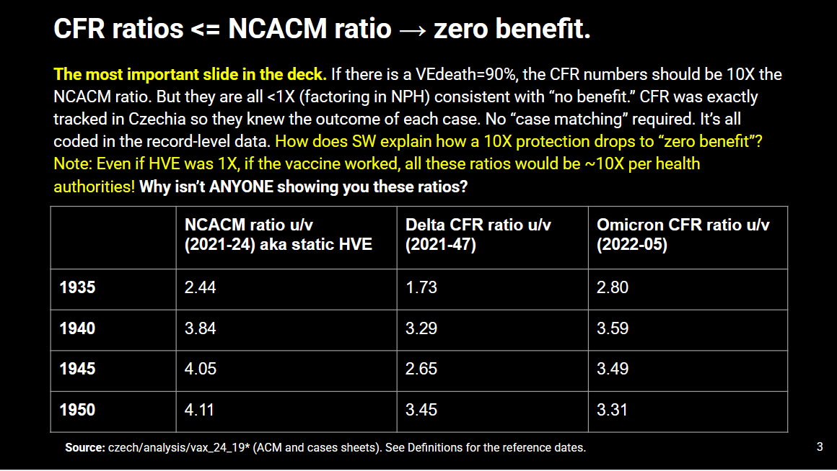
Jasmin Cardinal replicated my original analysis on CFR ratio during peak Delta and Omicon on this slide using SQL queries on the original NZIP database

CFRs were less than HVE mortality differences.

The vaccines were a sham.

