Triangle plot
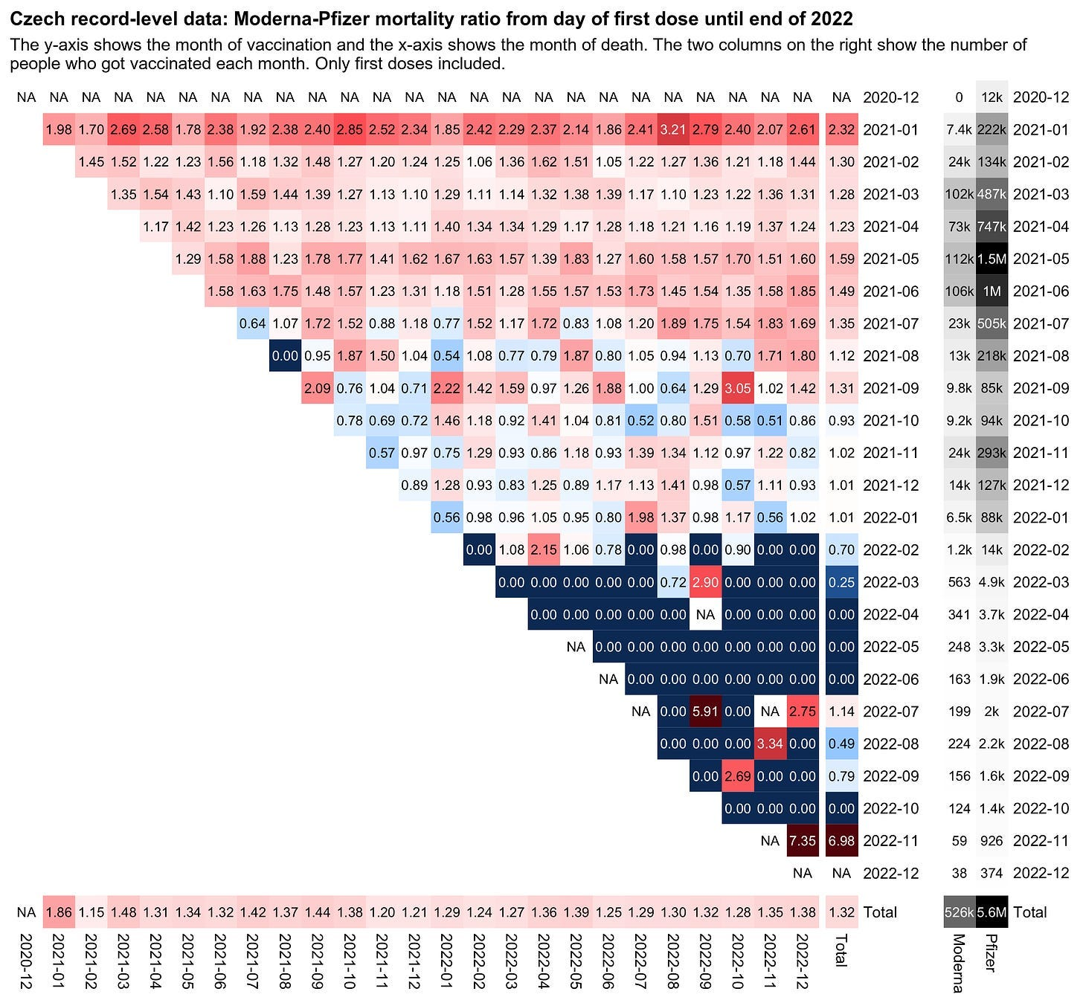
from: https://sars2.net/czech.html#Triangle_plot_for_excess_mortality_by_month_of_vaccination_and_month_of_death

This is so you can see the Moderna/Pfizer MRR for each combination of injection date and death date.

