about
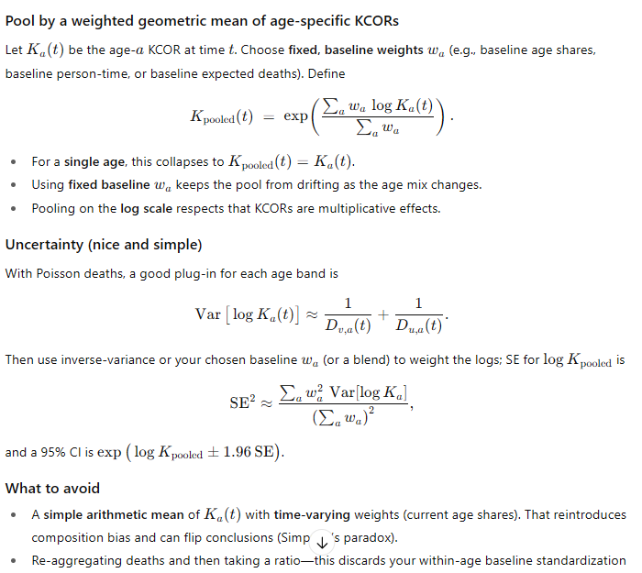
KCOR v4:
1. Mortality rate replaces deaths per week (it's slightly better accuracy; deaths can be used if you don't have the starting population sizes).
1a. Use quantile regression with tau=10% on log of MR (t) to determine the correction factor for each dose to apply to the MR value to create an "adjusted MR (t) where the slope of the cohort has been removed. This computation is done in a period 18 months post vaccination ideally over 52 weeks to minimize the error of the correction.
2. So KCOR(t) = ratio of cum CMRs where the cum CMR is computed at time t by totalling the cum # of deaths/cum person time up to (t) and scaling by the ratio 4 weeks from enrollment so KCOR(t)=1 at that point.
3. Pooling method showed at right for computing multiple ages. Don't just use a weighted average.
4. For computing MoE of KCOR at time t, use the formula to the right.

