about
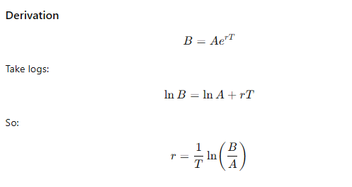



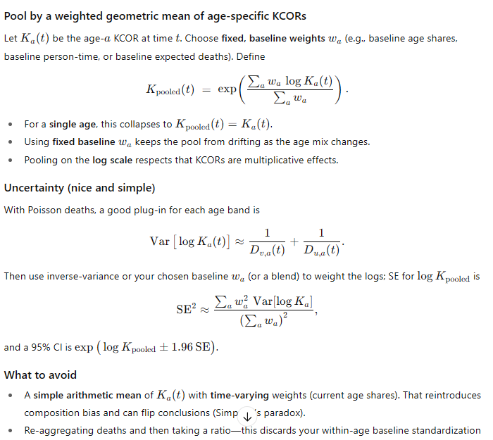
KCOR v4:
1. Mortality rate replaces deaths per week (it's slightly better accuracy; deaths can be used if you don't have the starting population sizes).
1a. Take the MR and smooth it over 8 weeks (4 weeks left and right of each datapoint). Hand pick a low about 1 year post shot and another 1 year away to get an accurate slope. You can determine the exponential slope from the two data points for all the cohorts. Even if the minima are wrong, it doesn't matter since it creates a stable reference point.
2. So KCOR(t) = ratio of cum CMRs where the cum CMR is computed at time t by totalling the cum # of deaths/cum person time up to (t) and scaling by the ratio 4 weeks from enrollment so KCOR(t)=1 at that point.
3. Pooling method showed at right for computing multiple ages. Don't just use a weighted average.
4. For computing MoE of KCOR at time t, use the formula to the right.

